Comments
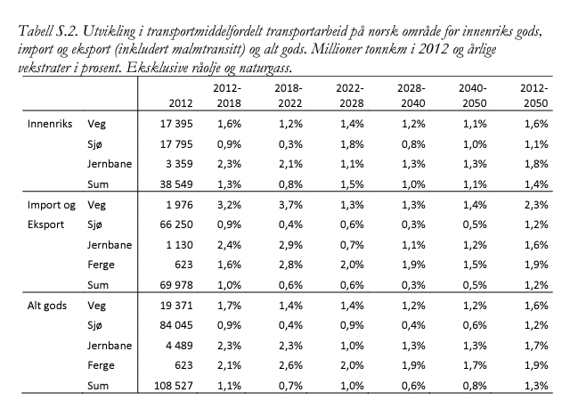
Comments
Values in sheet InitMix are guesses
Source for init_mode_mix: https://www.toi.no/publikasjoner/grunnprognoser-for-godstransport-til-ntp-2018-2027-article33084-8.html, see table below
Note: too high share of rail makes the model infeasible
Other source for init mode mix: https://dokumen.tips/documents/teknisk-vurdering-av-skip-og-av-infrastruktur-for-forsyning-av-drivstoff-.html
Split HFO/MGO based on figure 5-2 in source above

