Recommendation
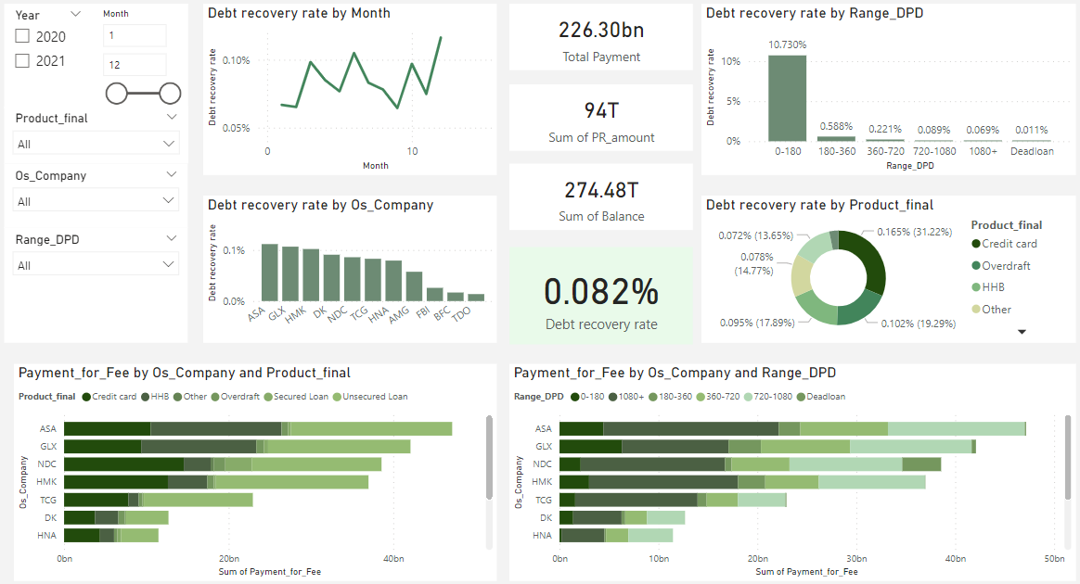
No | Insight | Recommendation
1 | The current churn rate (26.86%) is higher than the average churn rate (21%) in Telecom industry (according to Statista, 2020) and avg revenue loss by churn users is 761$ >> A signal for the company to take action on churn issue. | - All the reasons regardless of category (Competitor, Attitude, Disatisfaction, Price) fall into three issues: 1. Providing products 2. Customer services 3. Price (1) The product: (Need more information about the company to give recommendations) - Which products the company are providing? - What are the disatisfaction of the product? >> Survey for deeper research - How to improve the current product? >> R&D department (2) Customer services: - Need more data to analyze how customer services team is doing? - Can they improve their quality by new rules or incentives? (3) Price: - Do competitor analysis
2 | Demographic analysis for churn users: - Gender: mostly equal >> No notable issues - discarded from dashboard - Age: Trend to raise by age >> Segment age group to analyze and improve - Location: User group living in CA state has an outstanding churn rate (nearly double than the other following top churn rate states) >> Find out what is happening in CA state. | Deeper analysis for age group and CA state location.
3 | Churn Reasons: - Most important trigger for churn users is Competitor (~45%) whether filtering by Agegroup or Station(Location). It causes a 45% loss in revenue as well which is also the biggest proportion in Total revenue loss by churn users | Deeper analysis for competitor
4 | Churn rate - by contract type: "month to month" contract has an outstanding churn rate (nearly 50% of all contract type) - by payment method: paper check and direct debit have quite large churn rate (approximately 40%) - by length account: user use longer trend to more loyal | Deeper analysis for contract type, payment method by combine with other elements such as: age, product,… Analyze retention rate

