Full_Model
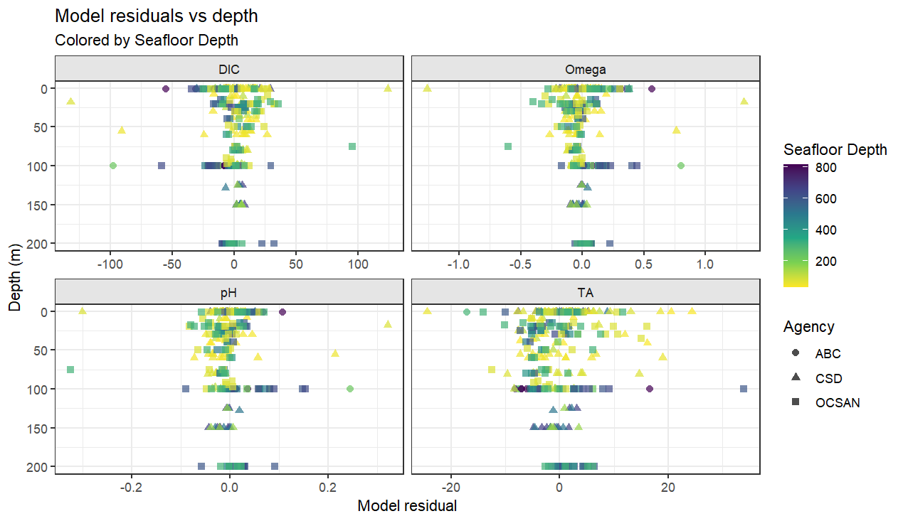
parameter | formula | n | adj.r.squared | rmse

Omega | bottle_Omega ~ Temperature * Oxygen | 292 | 0.9478007 | 0.17898043
pH | bottle_pH_insitu ~ Temperature * Oxygen | 292 | 0.906904 | 0.04908789
DIC | bottle_DIC ~ Density * Oxygen | 292 | 0.9518941 | 19.21773204
TA | bottle_TA ~ Temperature * Salinity | 309 | 0.6903148 | 5.83239612

Model Coefficients
parameter | term | estimate | std.error | statistic | p.value
Omega | (Intercept) | 1.16E+00 | 1.55E-02 | 75.004502 | 4.87E-191
Omega | Temperature | 9.55E-02 | 9.24E-03 | 10.328133 | 1.77E-21
Omega | Oxygen | 4.45E-03 | 3.49E-04 | 12.746173 | 8.24E-30
Omega | Temperature:Oxygen | 3.47E-04 | 7.68E-05 | 4.517853 | 9.13E-06
pH | (Intercept) | 7.79E+00 | 4.24E-03 | 1836.666041 | 0.00E+00
pH | Temperature | 1.41E-02 | 2.54E-03 | 5.572269 | 5.78E-08
pH | Oxygen | 2.03E-03 | 9.57E-05 | 21.201479 | 9.40E-61
pH | Temperature:Oxygen | -6.81E-05 | 2.11E-05 | -3.232942 | 1.37E-03
DIC | (Intercept) | 2.16E+03 | 1.69E+00 | 1281.524624 | 0.00E+00
DIC | Density | 4.67E+01 | 3.88E+00 | 12.052415 | 2.33E-27
DIC | Oxygen | -7.69E-01 | 3.98E-02 | -19.317536 | 6.65E-54
DIC | Density:Oxygen | -4.08E-02 | 3.07E-02 | -1.330296 | 1.84E-01
TA | (Intercept) | 2.25E+03 | 5.17E-01 | 4357.857848 | 0.00E+00
TA | Temperature | -7.92E-01 | 2.02E-01 | -3.919193 | 1.10E-04
TA | Salinity | 5.61E+01 | 2.37E+00 | 23.730247 | 2.98E-71
TA | Temperature:Salinity | -5.86E+00 | 7.92E-01 | -7.395405 | 1.37E-12

Bongo - NonBongo
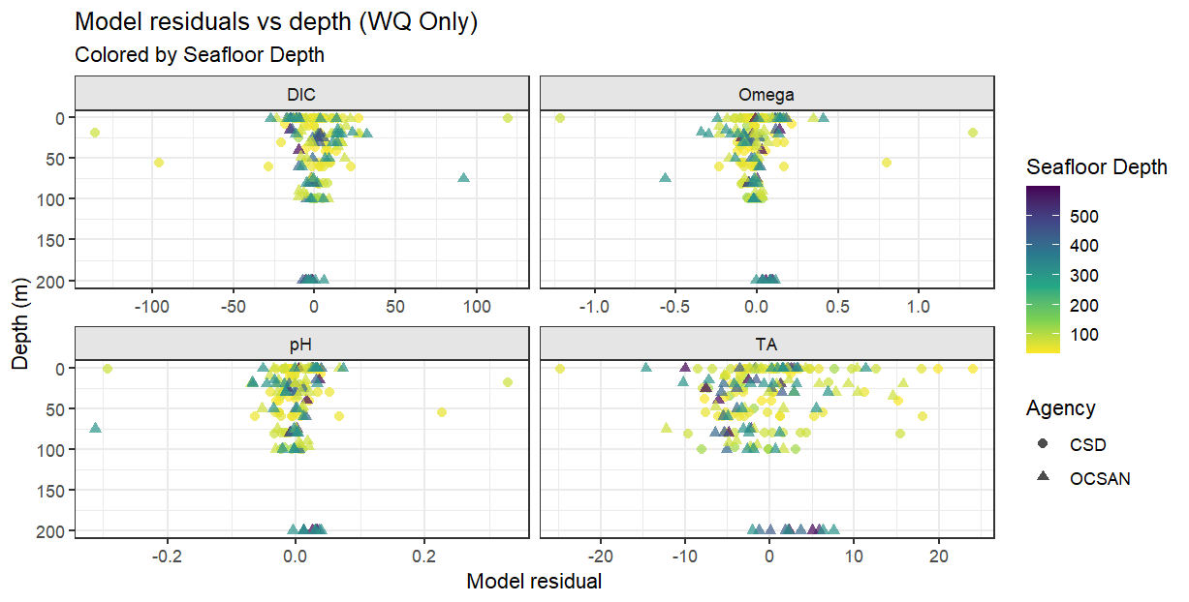
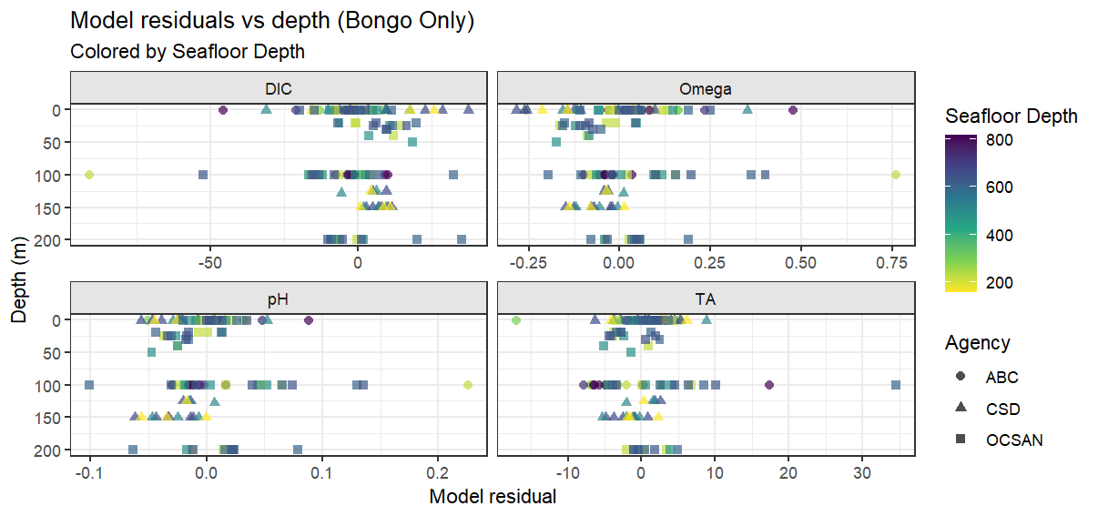
WQ Only |  |  |  |  |  | Bongo Only
parameter | formula | n | adj.r.squared | rmse |  | parameter | formula | n | adj.r.squared | rmse

Omega | bottle_Omega ~ Temperature * Oxygen | 167 | 0.9319587 | 0.19117528 |  | Omega | bottle_Omega ~ Temperature * Oxygen | 125 | 0.9708919 | 0.14274998
pH | bottle_pH_insitu ~ Temperature * Oxygen | 167 | 0.8800481 | 0.05193404 |  | pH | bottle_pH_insitu ~ Temperature * Oxygen | 125 | 0.9457514 | 0.04013276
DIC | bottle_DIC ~ Density * Oxygen | 167 | 0.9348232 | 20.38249932 |  | DIC | bottle_DIC ~ Density * Oxygen | 125 | 0.9747453 | 15.22599495
TA | bottle_TA ~ Temperature * Salinity | 182 | 0.5691095 | 6.22260726 |  | TA | bottle_TA ~ Temperature * Salinity | 127 | 0.785699 | 5.13963119

parameter | term | estimate | std.error | statistic | p.value | parameter | term | estimate | std.error | statistic | p.value

Omega | (Intercept) | 1.14E+00 | 2.29E-02 | 49.7295604 | 1.97E-100 | Omega | (Intercept) | 1.19E+00 | 1.99E-02 | 60.017627 | 6.85E-92
Omega | Temperature | 8.48E-02 | 1.44E-02 | 5.909579 | 1.95E-08 | Omega | Temperature | 1.09E-01 | 1.04E-02 | 10.48149 | 1.10E-18
Omega | Oxygen | 4.90E-03 | 5.13E-04 | 9.5468387 | 1.96E-17 | Omega | Oxygen | 4.36E-03 | 4.35E-04 | 10.007318 | 1.52E-17
Omega | Temperature:Oxygen | 3.55E-04 | 1.17E-04 | 3.0307881 | 2.84E-03 | Omega | Temperature:Oxygen | 2.79E-04 | 9.18E-05 | 3.039383 | 2.91E-03
pH | (Intercept) | 7.78E+00 | 6.22E-03 | 1251.8612627 | 0.00E+00 | pH | (Intercept) | 7.81E+00 | 5.59E-03 | 1396.716795 | 2.03E-256
pH | Temperature | 1.16E-02 | 3.90E-03 | 2.9762296 | 3.36E-03 | pH | Temperature | 1.76E-02 | 2.92E-03 | 6.019806 | 1.92E-08
pH | Oxygen | 2.15E-03 | 1.39E-04 | 15.4256973 | 1.12E-33 | pH | Oxygen | 2.06E-03 | 1.22E-04 | 16.831042 | 1.74E-33
pH | Temperature:Oxygen | -5.99E-05 | 3.18E-05 | -1.88437 | 6.13E-02 | pH | Temperature:Oxygen | -1.05E-04 | 2.58E-05 | -4.05176 | 9.02E-05
DIC | (Intercept) | 2.17E+03 | 2.47E+00 | 874.9436047 | 3.45E-301 | DIC | (Intercept) | 2.16E+03 | 2.15E+00 | 1003.665499 | 4.71E-239
DIC | Density | 3.96E+01 | 5.86E+00 | 6.7582241 | 2.36E-10 | DIC | Density | 5.59E+01 | 4.44E+00 | 12.584388 | 9.89E-24
DIC | Oxygen | -8.07E-01 | 5.76E-02 | -14.0193587 | 8.39E-30 | DIC | Oxygen | -7.65E-01 | 4.89E-02 | -15.646186 | 7.54E-31
DIC | Density:Oxygen | -1.10E-02 | 4.60E-02 | -0.2392314 | 8.11E-01 | DIC | Density:Oxygen | -1.08E-01 | 3.72E-02 | -2.899802 | 4.44E-03
TA | (Intercept) | 2.25E+03 | 8.40E-01 | 2678.0156988 | 0.00E+00 | TA | (Intercept) | 2.25E+03 | 6.68E-01 | 3368.641748 | 3.22E-307
TA | Temperature | -8.12E-01 | 2.87E-01 | -2.8313832 | 5.17E-03 | TA | Temperature | -6.34E-01 | 2.86E-01 | -2.220618 | 2.82E-02
TA | Salinity | 5.31E+01 | 3.55E+00 | 14.963438 | 2.64E-33 | TA | Salinity | 6.11E+01 | 3.51E+00 | 17.424776 | 5.13E-35
TA | Temperature:Salinity | -5.75E+00 | 1.10E+00 | -5.2445319 | 4.41E-07 | TA | Temperature:Salinity | -5.84E+00 | 1.16E+00 | -5.022754 | 1.75E-06

By Agency
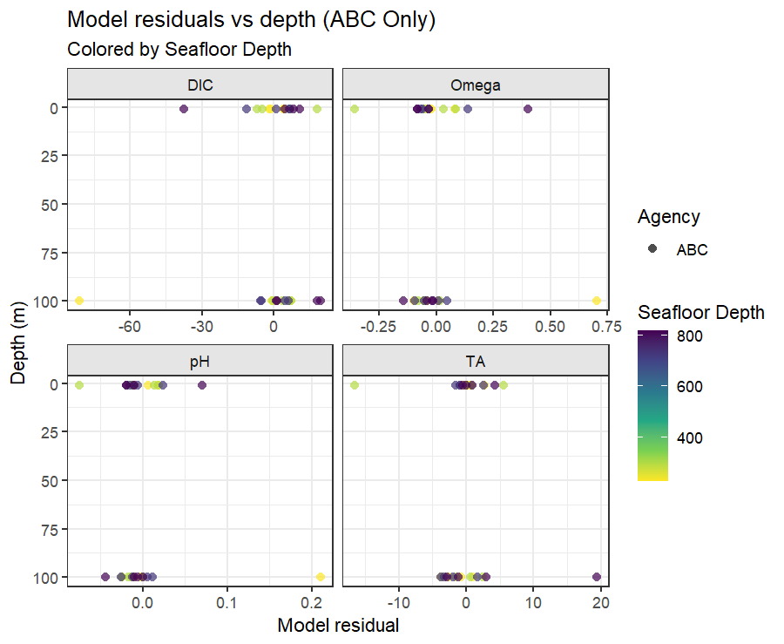
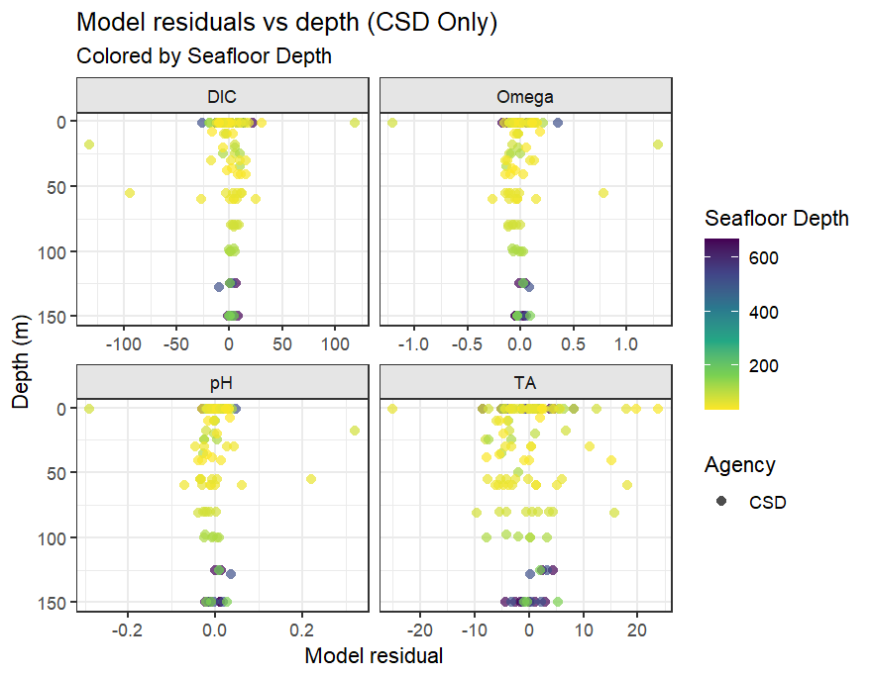
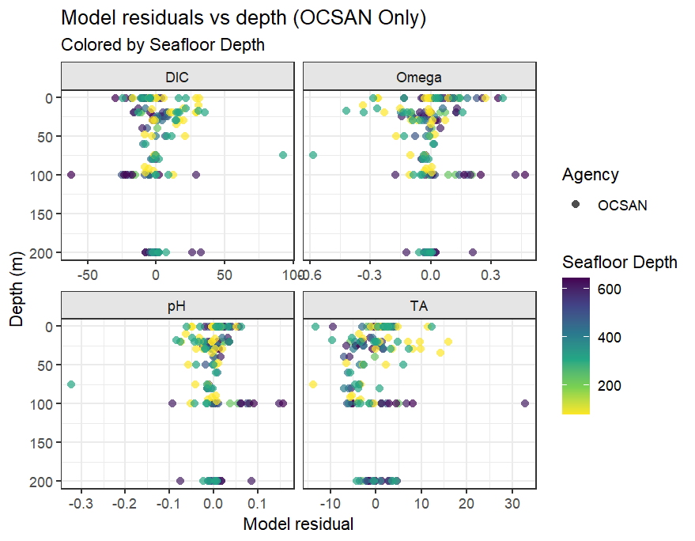
ABC Only |  |  |  |  |  | OCSAN only |  |  |  |  |  | CSD only
parameter | formula | n | adj.r.squared | rmse |  | parameter | formula | n | adj.r.squared | rmse |  | parameter | formula | n | adj.r.squared | rmse

Omega | bottle_Omega ~ Temperature * Oxygen | 32 | 0.9532963 | 0.16794035 |  | Omega | bottle_Omega ~ Temperature * Oxygen | 153 | 0.9654484 | 0.1363929 |  | Omega | bottle_Omega ~ Temperature * Oxygen | 107 | 0.934413 | 0.20915689
pH | bottle_pH_insitu ~ Temperature * Oxygen | 32 | 0.9078672 | 0.04435496 |  | pH | bottle_pH_insitu ~ Temperature * Oxygen | 153 | 0.9197386 | 0.0443027 |  | pH | bottle_pH_insitu ~ Temperature * Oxygen | 107 | 0.9010692 | 0.05178077
DIC | bottle_DIC ~ Density * Oxygen | 32 | 0.9515954 | 17.70942011 |  | DIC | bottle_DIC ~ Density * Oxygen | 153 | 0.9666508 | 15.5949175 |  | DIC | bottle_DIC ~ Density * Oxygen | 107 | 0.9408808 | 21.60960275
TA | bottle_TA ~ Temperature * Salinity | 32 | 0.1308646 | 5.03814277 |  | TA | bottle_TA ~ Temperature * Salinity | 152 | 0.7926714 | 5.3343874 |  | TA | bottle_TA ~ Temperature * Salinity | 125 | 0.5757338 | 6.23848357

parameter | term | estimate | std.error | statistic | p.value | parameter | term | estimate | std.error | statistic | p.value | parameter | term | estimate | std.error | statistic | p.value

Omega | (Intercept) | 1.20E+00 | 4.80E-02 | 25.0997007 | 9.74E-21 | Omega | (Intercept) | 1.14E+00 | 1.67E-02 | 68.1830689 | 3.06E-114 | Omega | (Intercept) | 1.16E+00 | 3.04E-02 | 38.3122574 | 9.32E-63
Omega | Temperature | 1.41E-01 | 6.93E-02 | 2.038711 | 5.10E-02 | Omega | Temperature | 8.97E-02 | 1.15E-02 | 7.7805906 | 1.11E-12 | Omega | Temperature | 7.42E-02 | 1.72E-02 | 4.3237308 | 3.55E-05
Omega | Oxygen | 5.93E-03 | 1.54E-03 | 3.8439389 | 6.38E-04 | Omega | Oxygen | 3.79E-03 | 3.79E-04 | 9.9964214 | 2.53E-18 | Omega | Oxygen | 5.56E-03 | 6.66E-04 | 8.3596724 | 3.18E-13
Omega | Temperature:Oxygen | -1.73E-04 | 6.44E-04 | -0.2692206 | 7.90E-01 | Omega | Temperature:Oxygen | 5.44E-04 | 9.82E-05 | 5.5365292 | 1.36E-07 | Omega | Temperature:Oxygen | 3.27E-04 | 1.41E-04 | 2.3262375 | 2.20E-02
pH | (Intercept) | 7.81E+00 | 1.27E-02 | 615.8517932 | 2.13E-59 | pH | (Intercept) | 7.79E+00 | 5.43E-03 | 1433.7890612 | 2.502428e-310 | pH | (Intercept) | 7.79E+00 | 7.53E-03 | 1034.6314987 | 1.07E-208
pH | Temperature | 3.04E-02 | 1.83E-02 | 1.6626702 | 1.08E-01 | pH | Temperature | 1.20E-02 | 3.74E-03 | 3.1990263 | 1.68E-03 | pH | Temperature | 1.07E-02 | 4.25E-03 | 2.5168609 | 1.34E-02
pH | Oxygen | 2.39E-03 | 4.08E-04 | 5.8503447 | 2.74E-06 | pH | Oxygen | 1.88E-03 | 1.23E-04 | 15.2864999 | 2.52E-32 | pH | Oxygen | 2.29E-03 | 1.65E-04 | 13.9109565 | 2.17E-25
pH | Temperature:Oxygen | -2.60E-04 | 1.70E-04 | -1.5307237 | 1.37E-01 | pH | Temperature:Oxygen | -1.80E-05 | 3.19E-05 | -0.5657577 | 5.72E-01 | pH | Temperature:Oxygen | -7.90E-05 | 3.48E-05 | -2.2686045 | 2.54E-02
DIC | (Intercept) | 2.15E+03 | 5.42E+00 | 397.7431234 | 4.41E-54 | DIC | (Intercept) | 2.17E+03 | 1.98E+00 | 1095.9941526 | 6.05E-293 | DIC | (Intercept) | 2.16E+03 | 3.14E+00 | 689.3847159 | 1.55E-190
DIC | Density | 7.38E+01 | 2.94E+01 | 2.5120041 | 1.80E-02 | DIC | Density | 4.82E+01 | 4.98E+00 | 9.6668567 | 1.84E-17 | DIC | Density | 3.68E+01 | 6.91E+00 | 5.3175938 | 6.14E-07
DIC | Oxygen | -8.28E-01 | 1.69E-01 | -4.8919739 | 3.73E-05 | DIC | Oxygen | -7.01E-01 | 4.84E-02 | -14.4833911 | 3.15E-30 | DIC | Oxygen | -8.70E-01 | 7.01E-02 | -12.4074214 | 3.61E-22
DIC | Density:Oxygen | -3.13E-01 | 2.65E-01 | -1.1847976 | 2.46E-01 | DIC | Density:Oxygen | 9.13E-03 | 3.87E-02 | 0.2361462 | 8.14E-01 | DIC | Density:Oxygen | -3.28E-02 | 5.62E-02 | -0.5839443 | 5.61E-01
TA | (Intercept) | 2.25E+03 | 2.01E+00 | 1119.3561937 | 1.16E-66 | TA | (Intercept) | 2.25E+03 | 6.79E-01 | 3317.1428697 | 0.00E+00 | TA | (Intercept) | 2.25E+03 | 8.99E-01 | 2504.1366365 | 4.27E-287
TA | Temperature | -5.31E-01 | 8.78E-01 | -0.6050564 | 5.50E-01 | TA | Temperature | -7.91E-01 | 3.11E-01 | -2.5464177 | 1.19E-02 | TA | Temperature | -6.58E-01 | 3.02E-01 | -2.1808805 | 3.11E-02
TA | Salinity | 4.07E+01 | 1.55E+01 | 2.629111 | 1.37E-02 | TA | Salinity | 5.77E+01 | 2.78E+00 | 20.7651664 | 1.07E-45 | TA | Salinity | 5.24E+01 | 4.42E+00 | 11.846682 | 5.74E-22
TA | Temperature:Salinity | -5.54E+00 | 4.22E+00 | -1.3115836 | 2.00E-01 | TA | Temperature:Salinity | -5.18E+00 | 1.12E+00 | -4.6318407 | 7.88E-06 | TA | Temperature:Salinity | -5.42E+00 | 1.27E+00 | -4.2606206 | 4.06E-05

