Report
 |  |  |  |  | Crystal Ball Report - Full
 |  |  |  |  | Simulation started on 12/1/2025 at 8:03 PM
 |  |  |  |  | Simulation stopped on 12/1/2025 at 8:06 PM

 | Run preferences:
 |  | Number of trials run |  | 30,000
 |  | Monte Carlo
 |  | Random seed
 |  | Precision control on
 |  | Confidence level |  | 95.00%

 | Run statistics:
 |  | Total running time (sec) |  | 36.05
 |  | Trials/second (average) |  | 832
 |  | Random numbers per sec |  | 4,161

 | Crystal Ball data:
 |  | Assumptions |  | 5
 |  | Correlations |  | 1
 |  | Correlation matrices |  | 1
 |  | Decision variables |  | 0
 |  | Forecasts |  | 4

 |  |  |  |  | Forecasts

Worksheet: [ChayMoPhong.xls]Đáp án

Forecast: IRR (EPV) · 1 |  |  |  |  |  |  | Cell: B179

 | Summary:
 |  | Certainty level is 99.415%
 |  | Certainty range is from 17.00% to ∞
 |  | Entire range is from -11.24% to 139.72%
 |  | Base case is 58.13%
 |  | After 30,000 trials, the std. error of the mean is 0.10%

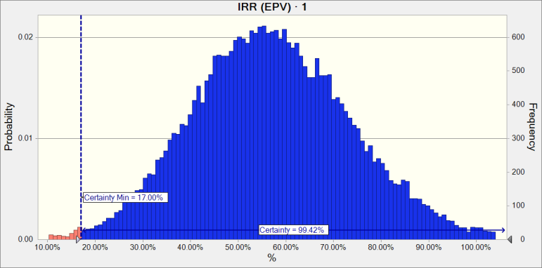

 | Statistics: |  |  | Forecast values
 |  | Trials |  | 30,000
 |  | Base Case |  | 58.13%
 |  | Mean |  | 57.12%
 |  | Median |  | 56.52%
 |  | Mode |  | ---
 |  | Standard Deviation |  | 16.72%
 |  | Variance |  | 2.80%
 |  | Skewness |  | 0.1884
 |  | Kurtosis |  | 3.10
 |  | Coeff. of Variation |  | 0.2927
 |  | Minimum |  | -11.24%
 |  | Maximum |  | 139.72%
 |  | Range Width |  | 150.96%
 |  | Mean Std. Error |  | 0.10%

Forecast: IRR (EPV) · 1 (cont'd) |  |  |  |  |  |  | Cell: B179

 | Percentiles: |  |  | Forecast values
 |  | 0% |  | -11.24%
 |  | 10% |  | 36.12%
 |  | 20% |  | 43.06%
 |  | 30% |  | 48.01%
 |  | 40% |  | 52.39%
 |  | 50% |  | 56.52%
 |  | 60% |  | 60.78%
 |  | 70% |  | 65.52%
 |  | 80% |  | 70.96%
 |  | 90% |  | 78.89%
 |  | 100% |  | 139.72%

Forecast: IRR (TIPV) · Phần 2: Phân tích ngân lưu ( quan điểm tổng đầu tư ) |  |  |  |  |  |  | Cell: B139

 | Summary:
 |  | Certainty level is 99.333%
 |  | Certainty range is from 16.998% to ∞
 |  | Entire range is from -9.843% to 101.850%
 |  | Base case is 48.262%
 |  | After 30,000 trials, the std. error of the mean is 0.070%

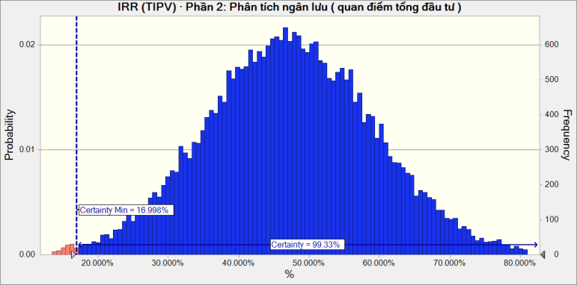

 | Statistics: |  |  | Forecast values
 |  | Trials |  | 30,000
 |  | Base Case |  | 48.262%
 |  | Mean |  | 47.255%
 |  | Median |  | 47.166%
 |  | Mode |  | ---
 |  | Standard Deviation |  | 12.045%
 |  | Variance |  | 1.451%
 |  | Skewness |  | 0.0101
 |  | Kurtosis |  | 3.08
 |  | Coeff. of Variation |  | 0.2549
 |  | Minimum |  | -9.843%
 |  | Maximum |  | 101.850%
 |  | Range Width |  | 111.693%
 |  | Mean Std. Error |  | 0.070%

Forecast: IRR (TIPV) · Phần 2: Phân tích ngân lưu ( quan điểm tổng đầu tư ) (cont'd) |  |  |  |  |  |  | Cell: B139

 | Percentiles: |  |  | Forecast values
 |  | 0% |  | -9.843%
 |  | 10% |  | 31.883%
 |  | 20% |  | 37.231%
 |  | 30% |  | 40.914%
 |  | 40% |  | 44.182%
 |  | 50% |  | 47.165%
 |  | 60% |  | 50.212%
 |  | 70% |  | 53.573%
 |  | 80% |  | 57.303%
 |  | 90% |  | 62.719%
 |  | 100% |  | 101.850%

Forecast: NPV (EPV) · 1 |  |  |  |  |  |  | Cell: B178

 | Summary:
 |  | Certainty level is 99.387%
 |  | Certainty range is from 0 to ∞
 |  | Entire range is from (92,375) to 307,089
 |  | Base case is 111,287
 |  | After 30,000 trials, the std. error of the mean is 251

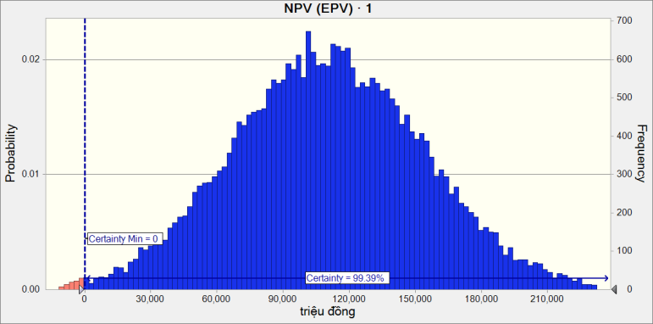

 | Statistics: |  |  | Forecast values
 |  | Trials |  | 30,000
 |  | Base Case |  | 111,287
 |  | Mean |  | 110,358
 |  | Median |  | 110,178
 |  | Mode |  | ---
 |  | Standard Deviation |  | 43,542
 |  | Variance |  | 1,895,898,006
 |  | Skewness |  | 0.0075
 |  | Kurtosis |  | 3.03
 |  | Coeff. of Variation |  | 0.3946
 |  | Minimum |  | (92,375)
 |  | Maximum |  | 307,089
 |  | Range Width |  | 399,464
 |  | Mean Std. Error |  | 251

Forecast: NPV (EPV) · 1 (cont'd) |  |  |  |  |  |  | Cell: B178

 | Percentiles: |  |  | Forecast values
 |  | 0% |  | (92,375)
 |  | 10% |  | 54,585
 |  | 20% |  | 73,781
 |  | 30% |  | 87,343
 |  | 40% |  | 99,193
 |  | 50% |  | 110,174
 |  | 60% |  | 120,975
 |  | 70% |  | 133,251
 |  | 80% |  | 147,074
 |  | 90% |  | 166,049
 |  | 100% |  | 307,089

Forecast: NPV (TIPV) · Phần 2: Phân tích ngân lưu ( quan điểm tổng đầu tư ) |  |  |  |  |  |  | Cell: B138

 | Summary:
 |  | Certainty level is 99.364%
 |  | Certainty range is from 0.0 to ∞
 |  | Entire range is from (94,426.2) to 312,463.4
 |  | Base case is 112,893.8
 |  | After 30,000 trials, the std. error of the mean is 256.2

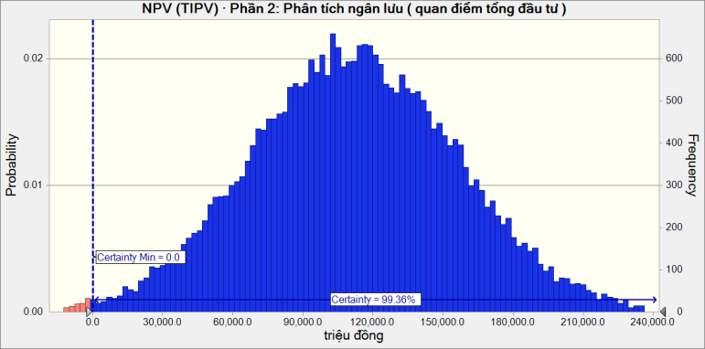

 | Statistics: |  |  | Forecast values
 |  | Trials |  | 30,000
 |  | Base Case |  | 112,893.8
 |  | Mean |  | 111,903.6
 |  | Median |  | 111,720.6
 |  | Mode |  | ---
 |  | Standard Deviation |  | 44,366.9
 |  | Variance |  | 1,968,422,899.7
 |  | Skewness |  | 0.0075
 |  | Kurtosis |  | 3.03
 |  | Coeff. of Variation |  | 0.3965
 |  | Minimum |  | (94,426.2)
 |  | Maximum |  | 312,463.4
 |  | Range Width |  | 406,889.6
 |  | Mean Std. Error |  | 256.2

Forecast: NPV (TIPV) · Phần 2: Phân tích ngân lưu ( quan điểm tổng đầu tư ) (cont'd) |  |  |  |  |  |  | Cell: B138

 | Percentiles: |  |  | Forecast values
 |  | 0% |  | (94,426.2)
 |  | 10% |  | 55,027.3
 |  | 20% |  | 74,607.8
 |  | 30% |  | 88,457.2
 |  | 40% |  | 100,557.8
 |  | 50% |  | 111,718.8
 |  | 60% |  | 122,721.0
 |  | 70% |  | 135,223.8
 |  | 80% |  | 149,331.0
 |  | 90% |  | 168,696.1
 |  | 100% |  | 312,463.4

End of Forecasts
 |  |  |  |  | Assumptions

Worksheet: [ChayMoPhong.xls]Đáp án

Assumption: AR |  |  |  |  |  |  | Cell: G19

 | Logistic distribution with parameters:
 |  | Mean |  | 6%
 |  | Scale |  | 1%

Assumption: C20 |  |  |  |  |  |  | Cell: C20

 | Normal distribution with parameters:
 |  | Mean |  | 12.00
 |  | Std. Dev. |  | 0.70

 | Correlated with: |  |  |  |  | Coefficient
 |  | C23 (C23) |  |  |  | 0.85

Assumption: C23 |  |  |  |  |  |  | Cell: C23

 | Triangular distribution with parameters:
 |  | Minimum |  | 7.50
 |  | Likeliest |  | 9.00
 |  | Maximum |  | 10.50

 | Correlated with: |  |  |  |  | Coefficient
 |  | C20 (C20) |  |  |  | 0.85

Assumption: C8 |  |  |  |  |  |  | Cell: C8

 | Uniform distribution with parameters:
 |  | Minimum |  | 4%
 |  | Maximum |  | 6%

Assumption: Công suất thiết kế · 6 |  |  |  |  |  |  | Cell: G15

 | Custom distribution with parameters:
 |  | Minimum | Maximum | Probability
 |  | 12,500 | 13,500 | 0.10
 |  | 13,500 | 14,500 | 0.15
 |  | 14,500 | 15,500 | 0.50
 |  | 15,500 | 16,500 | 0.15
 |  | 16,500 | 17,500 | 0.10

End of Assumptions

