Report
 |  |  |  |  | Crystal Ball Report - Full
 |  |  |  |  | Simulation started on 01/12/2025 at 8:09 CH
 |  |  |  |  | Simulation stopped on 01/12/2025 at 8:09 CH

 | Run preferences:
 |  | Number of trials run |  | 10,000
 |  | Monte Carlo
 |  | Random seed
 |  | Precision control on
 |  | Confidence level |  | 95.00%

 | Run statistics:
 |  | Total running time (sec) |  | 4.78
 |  | Trials/second (average) |  | 2,090
 |  | Random numbers per sec |  | 10,451

 | Crystal Ball data:
 |  | Assumptions |  | 5
 |  | Correlations |  | 1
 |  | Correlation matrices |  | 1
 |  | Decision variables |  | 0
 |  | Forecasts |  | 4

 |  |  |  |  | Forecasts

Worksheet: [Dự án mô phỏng.xls]Đáp án

Forecast: IRR (EPV) |  |  |  |  |  |  | Cell: B179

 | Summary:
 |  | Certainty level is 99,53%
 |  | Certainty range is from 17,60% to ∞
 |  | Entire range is from -9,28% to 137,19%
 |  | Base case is 60,54%
 |  | After 10.000 trials, the std. error of the mean is 0,18%

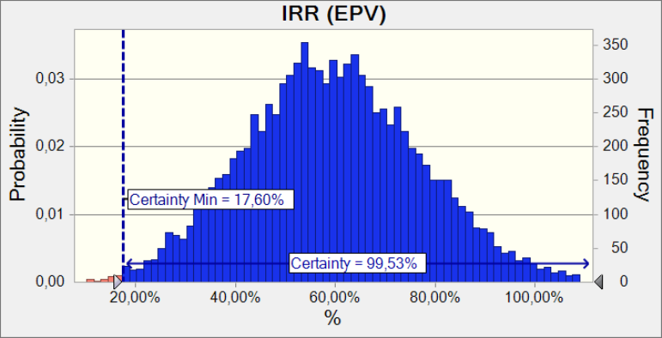

 | Statistics: |  |  | Forecast values
 |  | Trials |  | 10,000
 |  | Base Case |  | 60.54%
 |  | Mean |  | 59.56%
 |  | Median |  | 59.08%
 |  | Mode |  | ---
 |  | Standard Deviation |  | 17.62%
 |  | Variance |  | 3.11%
 |  | Skewness |  | 0.1601
 |  | Kurtosis |  | 2.99
 |  | Coeff. of Variation |  | 0.2959
 |  | Minimum |  | -9.28%
 |  | Maximum |  | 137.19%
 |  | Range Width |  | 146.47%
 |  | Mean Std. Error |  | 0.18%

Forecast: IRR (EPV) (cont'd) |  |  |  |  |  |  | Cell: B179

 | Percentiles: |  |  | Forecast values
 |  | 0% |  | -9.28%
 |  | 10% |  | 37.07%
 |  | 20% |  | 44.46%
 |  | 30% |  | 50.05%
 |  | 40% |  | 54.45%
 |  | 50% |  | 59.07%
 |  | 60% |  | 63.59%
 |  | 70% |  | 68.43%
 |  | 80% |  | 74.24%
 |  | 90% |  | 82.47%
 |  | 100% |  | 137.19%

Forecast: IRR (TIPV) · Phần 2: Phân tích ngân lưu ( quan điểm tổng đầu tư ) |  |  |  |  |  |  | Cell: B139

 | Summary:
 |  | Certainty level is 99,52%
 |  | Certainty range is from 16,815% to ∞
 |  | Entire range is from -7,571% to 96,577%
 |  | Base case is 48,341%
 |  | After 10.000 trials, the std. error of the mean is 0,120%

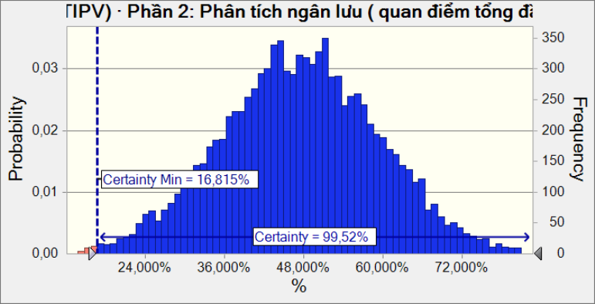

 | Statistics: |  |  | Forecast values
 |  | Trials |  | 10,000
 |  | Base Case |  | 48.341%
 |  | Mean |  | 47.366%
 |  | Median |  | 47.402%
 |  | Mode |  | ---
 |  | Standard Deviation |  | 11.971%
 |  | Variance |  | 1.433%
 |  | Skewness |  | -0.0246
 |  | Kurtosis |  | 3.02
 |  | Coeff. of Variation |  | 0.2527
 |  | Minimum |  | -7.571%
 |  | Maximum |  | 96.577%
 |  | Range Width |  | 104.148%
 |  | Mean Std. Error |  | 0.120%

Forecast: IRR (TIPV) · Phần 2: Phân tích ngân lưu ( quan điểm tổng đầu tư ) (cont'd) |  |  |  |  |  |  | Cell: B139

 | Percentiles: |  |  | Forecast values
 |  | 0% |  | -7.571%
 |  | 10% |  | 31.794%
 |  | 20% |  | 37.279%
 |  | 30% |  | 41.145%
 |  | 40% |  | 44.261%
 |  | 50% |  | 47.401%
 |  | 60% |  | 50.465%
 |  | 70% |  | 53.603%
 |  | 80% |  | 57.439%
 |  | 90% |  | 62.763%
 |  | 100% |  | 96.577%

Forecast: NPV (EPV) |  |  |  |  |  |  | Cell: B178

 | Summary:
 |  | Certainty level is 99,56%
 |  | Certainty range is from 0 to ∞
 |  | Entire range is from (83.626) to 299.903
 |  | Base case is 112.033
 |  | After 10.000 trials, the std. error of the mean is 432

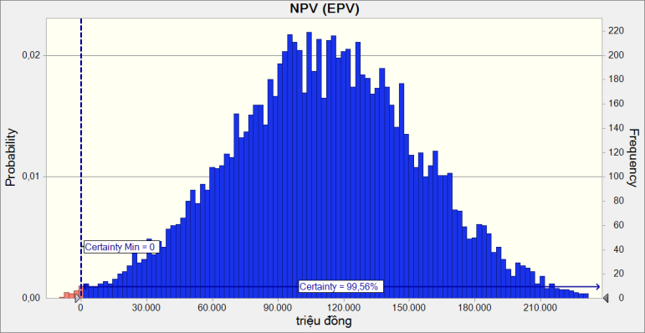

 | Statistics: |  |  | Forecast values
 |  | Trials |  | 10,000
 |  | Base Case |  | 112,033
 |  | Mean |  | 110,953
 |  | Median |  | 111,026
 |  | Mode |  | ---
 |  | Standard Deviation |  | 43,189
 |  | Variance |  | 1,865,310,848
 |  | Skewness |  | -0.0210
 |  | Kurtosis |  | 2.98
 |  | Coeff. of Variation |  | 0.3893
 |  | Minimum |  | (83,626)
 |  | Maximum |  | 299,903
 |  | Range Width |  | 383,529
 |  | Mean Std. Error |  | 432

Forecast: NPV (EPV) (cont'd) |  |  |  |  |  |  | Cell: B178

 | Percentiles: |  |  | Forecast values
 |  | 0% |  | (83,626)
 |  | 10% |  | 55,057
 |  | 20% |  | 74,391
 |  | 30% |  | 88,650
 |  | 40% |  | 99,667
 |  | 50% |  | 111,016
 |  | 60% |  | 122,066
 |  | 70% |  | 133,978
 |  | 80% |  | 147,010
 |  | 90% |  | 166,340
 |  | 100% |  | 299,903

Forecast: NPV (TIPV) · Phần 2: Phân tích ngân lưu ( quan điểm tổng đầu tư ) |  |  |  |  |  |  | Cell: B138

 | Summary:
 |  | Certainty level is 99,53%
 |  | Certainty range is from 0,0 to ∞
 |  | Entire range is from (86.191,2) to 304.691,0
 |  | Base case is 113.388,9
 |  | After 10.000 trials, the std. error of the mean is 440,6

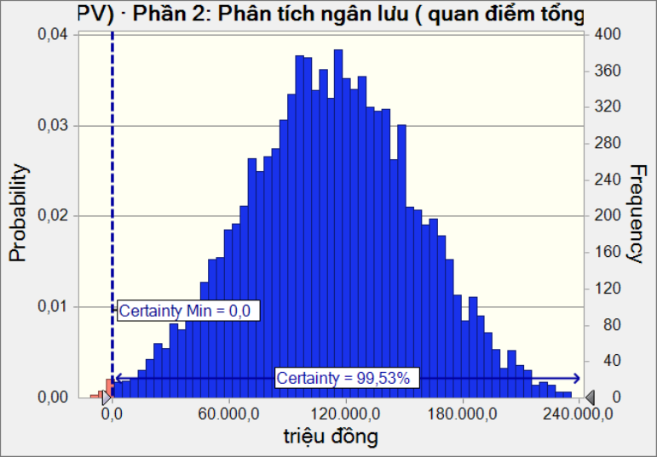

 | Statistics: |  |  | Forecast values
 |  | Trials |  | 10,000
 |  | Base Case |  | 113,388.9
 |  | Mean |  | 112,252.5
 |  | Median |  | 112,391.7
 |  | Mode |  | ---
 |  | Standard Deviation |  | 44,058.7
 |  | Variance |  | 1,941,168,700.1
 |  | Skewness |  | -0.0208
 |  | Kurtosis |  | 2.98
 |  | Coeff. of Variation |  | 0.3925
 |  | Minimum |  | (86,191.2)
 |  | Maximum |  | 304,691.0
 |  | Range Width |  | 390,882.2
 |  | Mean Std. Error |  | 440.6

Forecast: NPV (TIPV) · Phần 2: Phân tích ngân lưu ( quan điểm tổng đầu tư ) (cont'd) |  |  |  |  |  |  | Cell: B138

 | Percentiles: |  |  | Forecast values
 |  | 0% |  | (86,191.2)
 |  | 10% |  | 55,286.2
 |  | 20% |  | 74,985.3
 |  | 30% |  | 89,501.2
 |  | 40% |  | 100,769.5
 |  | 50% |  | 112,385.4
 |  | 60% |  | 123,611.4
 |  | 70% |  | 135,731.8
 |  | 80% |  | 149,080.6
 |  | 90% |  | 168,795.6
 |  | 100% |  | 304,691.0

End of Forecasts
 |  |  |  |  | Assumptions

Worksheet: [Dự án mô phỏng.xls]Đáp án

Assumption: AR |  |  |  |  |  |  | Cell: G19

 | Logistic distribution with parameters:
 |  | Mean |  | 6%
 |  | Scale |  | 1%

Assumption: C20 |  |  |  |  |  |  | Cell: C20

 | Normal distribution with parameters:
 |  | Mean |  | 12.00
 |  | Std. Dev. |  | 0.70

 | Correlated with: |  |  |  |  | Coefficient
 |  | C23 (C23) |  |  |  | 0.85

Assumption: C23 |  |  |  |  |  |  | Cell: C23

 | Triangular distribution with parameters:
 |  | Minimum |  | 7.50
 |  | Likeliest |  | 9.00
 |  | Maximum |  | 10.50

 | Correlated with: |  |  |  |  | Coefficient
 |  | C20 (C20) |  |  |  | 0.85

Assumption: C8 |  |  |  |  |  |  | Cell: C8

 | Uniform distribution with parameters:
 |  | Minimum |  | 4%
 |  | Maximum |  | 6%

 |  | Selected range is from 4% to ∞

Assumption: Công suất thiết kế · 6 |  |  |  |  |  |  | Cell: G15

 | Custom distribution with parameters:
 |  | Minimum | Maximum | Probability
 |  | 12,500 | 13,500 | 0.10
 |  | 13,500 | 14,500 | 0.15
 |  | 14,500 | 15,500 | 0.50
 |  | 15,500 | 16,500 | 0.15
 |  | 16,500 | 17,500 | 0.10

End of Assumptions

