Dashboard
Daily Sales Report
Monday, September 27, 2021
Report Updated:
 | 70
 | 20
 | 10
 | 100
 | 83.654816968
 | 2
 | 14.345183032
 | 100
Top N | 51 | Achieved | All
 | 278000
Bloor & Windermere | 278000 | 352000
East York Town Centre | 248000 | 349000
First Canadian Place Branch - Main Floor | 240000 | 359000
Bloor & Church | 237000 | 312000
Dundas & Keele | 234000 | 308000
Queen & Portland | 214500 | 236000
Dundas & Ossington | 212500 | 266000
Steeles & Markham | 212000 | 279000
Queen & Yonge | 206000 | 242000
Queen & Saulter | 204000 | 192000
College & Manning | 193000 | 219000
Bloor & Bay (Manulife Centre) | 192000 | 183000
Church & Alexander | 191500 | 186000
Bridlewood Mall Branch | 191500 | 193000
Dufferin Mall | 174000 | 226000
Bedford & Bloor | 160000 | 157000
Centerpoint Mall | 156500 | 193000
The Beach | 150500 | 157000
Bloor & Lansdowne | 149000 | 175000
Yonge & Roselawn | 147500 | 199000
Rogers Road | 130000 | 141000
Fairbank | 130000 | 133000
Stackt Market Bathurst And Front | 129500 | 128000
Danforth & Ferrier | 126000 | 173000
Bathurst & Frontenac | 124500 | 120000
University & Dundas | 116000 | 145000
Yonge & Fairlawn | 115500 | 136000
Leaside | 115500 | 116000
St.Clair & Runnymede | 115000 | 120000
Bay & College | 95000 | 89000
King & Church | 81500 | 84000
Forest Hill Village | 81000 | 92000
Cityplace | 80000 | 79000
Dundas & Spadina (New Chinatown) | 79000 | 100000
Lawrence Allen Centre | 77000 | 81000
Laird & Commercial | 76500 | 83000
Avenue Rd & Fairlawn | 72000 | 67000
McCowan Square | 71000 | 95000
Front & Berkeley | 71000 | 68000
East Liberty& Hanna | 70500 | 79000
Danforth & Woodbine | 69000 | 90000
York University/York Lanes | 66500 | 91000
Leslie & York Mills | 66500 | 77000
Yonge & St Clair | 64500 | 72000
1200 St Clair | 60500 | 78000
King & University | 51500 | 64000
Bloor & Euclid | 44000 | 61000
Dupont & Symington | 43000 | 40000
Yonge & Gerrard | 28000 | 36000
University & College | 26500 | 27000
...

Achievement 85.7%
2021 Sep:

$8,044k
YoY: -$1,208.0k
( -13.1%)

(41%)
(25%)
(33%)

 | Credit Card | Investment | Personal Loan
2019 | 41% | 25% | 34%
2020 | 42% | 25% | 33%
2021 | 41% | 26% | 33%
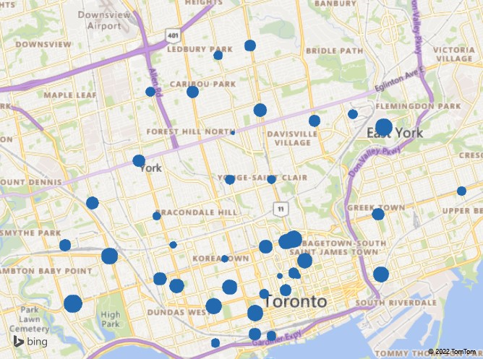
(41%)
(25%)
(33%)

Sales
 | Total
Jan | 9274000
Feb | 10063500
Mar | 9588500
Apr | 8978000
May | 9022500
Jun | 8358000
Jul | 9241000
Aug | 9425500
Sep | 10201000
Oct | 8813000
Nov | 9316000
Dec | 8305500
Jan | 10166000
Feb | 8602500
Mar | 9919000
Apr | 8609500
May | 9968500
Jun | 9703500
Jul | 8863500
Aug | 9913000
Sep | 8044000

