SHELL
 | L1 Mens Jacket
 | SEASON: |  | WINTER 2017/2018 |  | CONTRACTOR: |  | SOLUNA
 | STYLE NUMBER: |  | L1-101-17 |  | DATE CREATED: |  | 2016-03-14
 | STYLE NAME: |  | ALPHA 3L 37.5 |  | DATE REVISED:
 | FABRIC RATING: |  | 20K/ 20K |  | BLOCK: |  | L1-103-16_SUTTON
 | SEAM SEALING: |  | Fully 37.5 Taped |  | FIT: |  | REGULAR
 | INSULATION: |  | NON INSULATED |  | TARGET FOB: |  | $68.00
 | SAMPLE SIZE: |  | MENS LARGE
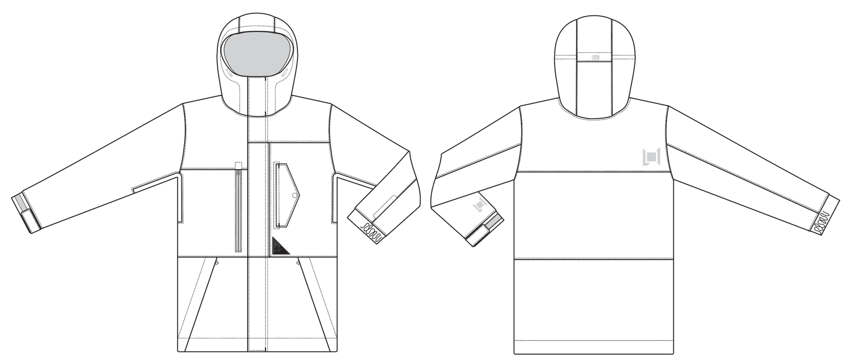
 |  |  |  | COLORWAYS
SHELL FABRIC | ITEM | SUPPLIER/ REF NUMBER | CONTENT | COLORWAY 1 | COLORWAY 2 | COLORWAY 3
A | WNP121-BJ4SR4 3L $7.40 | WIDE PLUS

INSULATION | ITEM | SUPPLIER/ REF NUMBER | CONTENT | COLORWAY 1 | COLORWAY 2 | COLORWAY 3 | 0 | 0 | 0
NON INSULATED |  |  |  | NON INSULATED

SEAM TAPE | ITEM | SUPPLIER/ REF NUMBER | CONTENT | COLORWAY 1 | COLORWAY 2 | COLORWAY 3 | 0 | 0 | 0
FULLY 37.5 TAPED | WIDTH...SEAM TAPE | 37.5 |  | FULLY 37.5 TAPED

BONDING FILM | ITEM | SUPPLIER/ REF NUMBER | CONTENT | COLORWAY 1 | COLORWAY 2 | COLORWAY 3 | 0 | 0 | 0
HOOD BRIM, CF PLACKET, CUFF TABS, POCKET FLAPS AND OPENINGS, BACK HOOD FLAP | GLUE FILM | SEALON / |  | YES

LINING | ITEM | SUPPLIER/ REF NUMBER | CONTENT | COLORWAY 1 | COLORWAY 2 | COLORWAY 3 | 0 | 0 | 0
HOOD, SLEEVES, CHEST AND ARM POCKET BAG | SOLID 210D | SOLIS / REF NUMBER
FRONT AND BACK PANELS | PRINTED 210T | SOLIS / REF NUMBER
LOWER BODY & POWDER SKIRT | SOLID COATED 210D | SOLIS / REF NUMBER
CHIN | RENTEX | SOLIS / REF NUMBER
UNDERAM VENTS | REGULAR MESH | SOLIS / REF NUMBER
GOGGLE POCKET | POWER STRETCH MESH | SOLIS / REF NUMBER
HAND POCKET LINING | BRUSHED TRICOT
SLEEVE GAITER | STRETCH LYCRA | SOLIS / REF NUMBER

MEASURMENTS
 | L1 Mens Jacket
 | SEASON: |  | WINTER 2017/2018 |  |  |  |  |  | DATE CREATED:
 | STYLE NUMBER: |  | L1-101-17 |  |  |  |  |  | DATE REVISED:
 | STYLE NAME: |  | ALPHA 3L 37.5 |  |  |  |  |  | BLOCK: |  |  |  |  |  | L1-103-16_SUTTON
 | SAMPLE SIZE: |  | MENS LARGE |  |  |  |  |  | FIT: |  |  |  |  |  | REGULAR
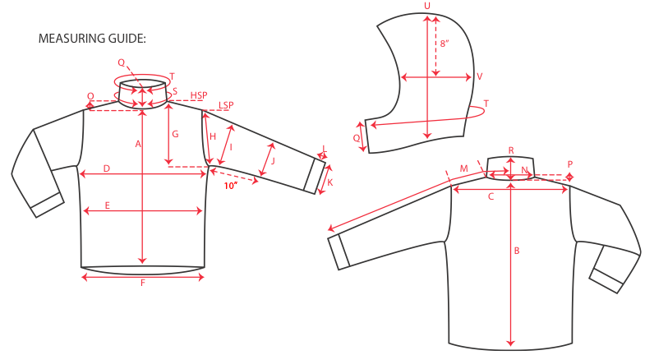
 |  |  |  |  | 1ST PROTO |  |  | 2ND PROTO |  |  | 3RD PROTO |  |  | S/SAMPLE |  |  | PP SAMPLE |  | FINAL
 |  |  |  | DATE: |  |  | DATE: |  |  | DATE: |  |  | DATE: | 2016-01-05 |  | DATE:
 |  |  | TOL +/- | INITIAL MEASMNT | SAMPLE MEASURES | REVISE TO | REQUESTED | SAMPLE MEASURES | REVISE TO | REQUESTED | SAMPLE MEASURES | REVISE TO | REQUESTED | SAMPLE MEASURES | REVISE TO | REQUESTED | SAMPLE MEASURES | REVISE TO | APPROVED MEASMNTS
A | CF LENGTH - FROM NECKLINE |  | 0.25 | 28.5
B | CB LENGTH - FROM NECKLINE |  | 0.25 | 32.5

C | SHOULDER WIDTH |  | 0.5 | 19.5
D | CHEST WIDTH - 1" BELOW ARMHOLE, HALF MEASURE |  | 0.5 | 25
E | WAIST WIDTH - 1/2 MEASURE, FROM HSP: S-19", M-19.5", L-20", XL-20.5" |  | 0.5 | 24.5
F | HEM OPENING - 1/2 MEASURE |  | 0.5 | 24

G | ARMHOLE FRM HSP - STRAIGHT 1/2 MEASURE |  | 0.125
H | ARMHOLE FRM LSP - STRAIGHT 1/2 MEASURE |  | 0.125 | 10.5
I | BICEP - 1" BELOW UNDERARM (1/2 MEASURE) |  | 0.25 | 10
J | ELBOW - 12" BELOW UNDERARM (1/2 MEASURE) |  | 0.25 | 9
K | SLEEVE OPENING - INCL GUSSET (1/2 MEASURE) |  | 0.125 | 6.25
L | CUFF HEIGHT |  | 0.125 | 1.5
M | SLEEVE LENGTH - 3 PT MEASURE FROM CB |  | 0.25 | 38.5

N | NECK WIDTH |  | 0.125 | 9.5
O | FRONT NECK DROP FROM HSP |  | 0.125 | 4.75
P | BACK NECK DROP FROM HSP |  | 0.125 | 1
Q | CF COLLAR HEIGHT |  | 0.125 | 5
R | CB COLLAR HEIGHT |  | 0.125
S | NECK CIRCUMFERENCE |  | 0.5 | 26
T | COLLAR CIRCUMFERENCE |  | 0.5 | 28.5
U | HOOD HEIGHT - SHOULDER SEAM TO TOP |  | 0.125 | 15
V | HOOD WIDTH - 8" DOWN |  | 0.125 | 10.25
W | HOOD RUN |  | 0.25 | 21.5
X | WAIST GATOR ELASTIC - FULL MEAS. RELAXED |  | 0.5 | 33.75
Y | WAIST GATOR ELASTIC - FULL MEAS. EXTENDED |  | 0.5 | 45

 | CENTER FRONT | #5 COIL | 0.25 | 31
 | RIGHT CHEST POCKET | #5 MATTE WATER RESISTANT | 0.25 | 6.5
 | UNDERARMS | #5 COIL | 0.25 | 12
 | SIDE ENTRY HAND POCKETS | #5 COIL | 0.25 | 7.5
 | INSIDE POCKET | #5 COIL | 0.25 | 6.5
 | REMOVABLE POWDER SKIRT | #3 COIL | 0.25 | 6.5

