SHELL
 | L1 Mens Jacket
 | SEASON: |  | WINTER 2017/2018 |  | CONTRACTOR: |  | SOLUNA
 | STYLE NUMBER: |  | L1-109-17 |  | DATE CREATED: |  | 2016-03-14
 | STYLE NAME: |  | STOOGE |  | DATE REVISED: |  | 2016-07-26
 | FABRIC RATING: |  | 5K/5K |  | BLOCK: |  | L1-109-16 OG STOOGE
 | SEAM SEALING: |  | CRITICALLY TAPED |  | FIT: |  | STREET
 | INSULATION: |  | 40G "CS" POLYFILL |  | TARGET FOB: |  | $27.00
 | SAMPLE SIZE: |  | MENS LARGE
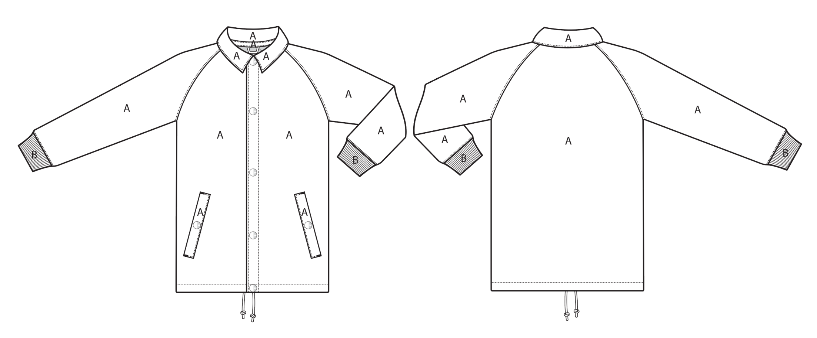
 |  |  |  | COLORWAYS
SHELL FABRIC | ITEM | SUPPLIER/ REF NUMBER | CONTENT | DARK SLATE | RAVEN
BODY | COTTON TOUCH NYLON 5K 5K coating + c6 w/r, $3.95 5K/5K | SOLIS/ SONP020-CC01-M | 100% NYLON | DARK SLATE | RAVEN
CUFF RIBBING | 1 X 1 POLYESTER RIBBING |  |  | SLATE/ DARK SLATE 19-4220 TPX | RAVEN 19-0000 TPX use 19-4006 tpx BLACK

INSULATION | ITEM | SUPPLIER/ REF NUMBER | CONTENT | DARK SLATE | RAVEN | 0 | 0 | 0 | 0
40G "CS" POLYFILL ALL OVER |  |  |  | 40G "CS" POLYFILL ALL OVER | 40G "CS" POLYFILL ALL OVER

SEAM TAPE | ITEM | SUPPLIER/ REF NUMBER | CONTENT | DARK SLATE | RAVEN | 0 | 0 | 0 | 0
CRITICALLY TAPED |  | TSGS |  | CRITICALLY TAPED | CRITICALLY TAPED

LINING | ITEM | SUPPLIER/ REF NUMBER | CONTENT | DARK SLATE | RAVEN | 0 | 0 | 0 | 0
BODY | SOLID QUILTED SATIN | SOLIS / REF NUMBER |  | PEARL | PEARL
SLEEVES, HAND POCKET LINING | SOLID SATIN | SOLIS / REF NUMBER |  | PEARL | PEARL

MEASURMENTS
 | L1 Mens Jacket
 | SEASON: |  | WINTER 2017/2018 |  |  |  |  |  | DATE CREATED:
 | STYLE NUMBER: |  | L1-109-17 |  |  |  |  |  | DATE REVISED:
 | STYLE NAME: |  | STOOGE |  |  |  |  |  | BLOCK: |  |  |  |  |  | L1-109-16 OG STOOGE
 | SAMPLE SIZE: |  | MENS LARGE |  |  |  |  |  | FIT: |  |  |  |  |  | STREET
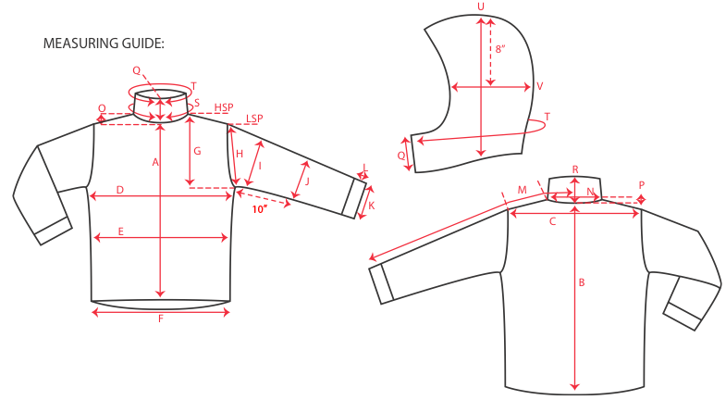
 |  |  |  |  | 1ST PROTO |  |  | 2ND PROTO |  |  | 3RD PROTO |  |  | S/SAMPLE |  |  | PP SAMPLE |  | FINAL
 |  |  |  | DATE: |  |  | DATE: |  |  | DATE: |  |  | DATE: | 2016-01-05 |  | DATE:
 |  |  | TOL +/- | INITIAL MEASMNT | SAMPLE MEASURES | REVISE TO | REQUESTED | SAMPLE MEASURES | REVISE TO | REQUESTED | SAMPLE MEASURES | REVISE TO | REQUESTED | SAMPLE MEASURES | REVISE TO | REQUESTED | SAMPLE MEASURES | REVISE TO | APPROVED MEASMNTS
A | CF LENGTH - FROM NECKLINE |  | 0.25 | 26.5 | 26 | 27 |  |  |  |  |  |  | 27
B | CB LENGTH - FROM NECKLINE |  | 0.25 | 31 | 30.5 | OK |  |  |  |  |  |  | 30.5

C | SHOULDER WIDTH |  | 0.5
D | CHEST WIDTH - 1" BELOW ARMHOLE, HALF MEASURE |  | 0.5 | 24.5 | 24.5 |  |  |  |  |  |  |  | 24.5
E | WAIST WIDTH - 1/2 MEASURE, FROM HSP: S-19", M-19.5", L-20", XL-20.5" |  | 0.5 | 24 | 24 |  |  |  |  |  |  |  | 24
F | HEM OPENING - 1/2 MEASURE |  | 0.5 | 23.5 | 23.5 |  |  |  |  |  |  |  | 23.5

G | ARMHOLE FRM HSP - STRAIGHT 1/2 MEASURE |  | 0.125 | 12.5 | 12.5 |  |  |  |  |  |  |  | 12.5
H | ARMHOLE FRM LSP - STRAIGHT 1/2 MEASURE |  | 0.125
I | BICEP - 1" BELOW UNDERARM (1/2 MEASURE) |  | 0.25 | 10.25 | 10.25 |  |  |  |  |  |  |  | 10.25
J | ELBOW - 12" BELOW UNDERARM (1/2 MEASURE) |  | 0.25 | 7.75 | 7.75 |  |  |  |  |  |  |  | 7.75
K | SLEEVE OPENING - INCL GUSSET (1/2 MEASURE) |  | 0.125 | 4.25 | 4 | 4.5 |  |  |  |  |  |  | 4.5
L | CUFF HEIGHT |  | 0.125 | 2.5 | 2.5 |  |  |  |  |  |  |  | 2.5
M | SLEEVE LENGTH - 3 PT MEASURE FROM CB |  | 0.25 | 38.5 | 39 | 38.5 |  |  |  |  |  |  | 38.5

N | NECK WIDTH |  | 0.125 | 8 | 8.5 | 8 |  |  |  |  |  |  | 8
O | FRONT NECK DROP FROM HSP |  | 0.125 | 4 | 4.25 | 4 |  |  |  |  |  |  | 4
P | BACK NECK DROP FROM HSP |  | 0.125 | 1 | 0.5 | OK |  |  |  |  |  |  | 0.5
Q | CF COLLAR HEIGHT |  | 0.125 | 3.25 | 3.25 |  |  |  |  |  |  |  | 3.25
R | CB COLLAR HEIGHT |  | 0.125 | 3.25 | 3.25 |  |  |  |  |  |  |  | 3.25

 | CENTER FRONT | #5 COIL | 0.25 | 26.5 | 26 | 27 |  |  |  |  |  |  | 27
 | INSIDE POCKET | #5 COIL | 0.25 | 6 | 6 | 6.5 |  |  |  |  |  |  | 6.5

COMMENTS
 | L1 Mens Jacket
 | SEASON: | WINTER 2017/2018 | STATUS: |  | NOT APPROVED FOR S/SAMPLES; SUBMIT A 2nd PROTO SAMPLE (subject to revisions)
 | STYLE NUMBER: | L1-109-17 |  |  | NOT APPROVED FOR S/SAMPLES; SUBMIT A 3rd PROTO SAMPLE (subject to revisions)
 | STYLE NAME: | STOOGE |  |  | NOT APPROVED FOR S/SAMPLES; SUBMIT A MOCK UP (subject to revisions)
 | BLOCK: | L1-109-16 OG STOOGE | 2016-06-29 | X | APPROVED FOR S/SAMPLES (subject to revisions)
 | FIT: | STREET |  |  | NOT APPROVED FOR PRODUCTION; SUBMIT A P/P SAMPLE (subject to revisions)
 |  |  |  |  | APPROVED FOR PRODUCTION (subject to revisions)

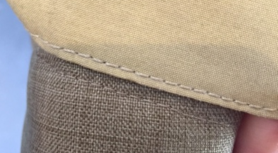
CORRECT THREAD WEIGHT
(LAST YEAR'S SALESMAN SAMPLES)
2016-04-08 | FABRIC INFO IS UPDATED FROM MING

2016-06-29 | 1ST PROTO COMMENTS:
 | TRIM AND COLORWAY INFO IS ADDED TO FILES
 | >UNIVERSAL COMMENT FOR ALL PROTOS: THREAD MUST BE HEAVIER WEIGHT - SEE DIAGRAM -------------->>>>
INCORRECT THREAD WEIGHT.
(L1-104-17 1ST PROTO)
 | >REVISE CF ZIPPER TO SEMI AUTO LOCK, ALL OTHER ZIPS NON LOCKING
 | >EDGESTITCHING AT THE CUFF SEAM: REVISE TO BE 1/4" FROM THE SEAM (1/4" TOPSTITCH)
 | >REDUCE CURVE AT FRONT RAGLAN ARMHOLE BY 1/2". SEE DIAGRAM --------------------------------->>>
 | >LINING IS PEARL SATIN
 | >THIS STYLE HAS SCREEN PRINT ARTWORK ON THE SHELL - PLEASE DEVELOP AND SEND STRIKE OFFS
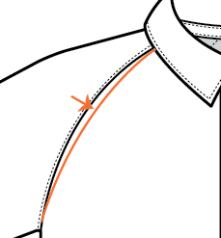
 | >REVISE HEM CORD TO DTM SUNSUN / SV160218-1 A WITH CLEAR PLASTIC TIP (DARK SLATE, RAVEN)
 | >LINING COLORWAY IS ADDED TO SPEC
 | >SLEEVE LINING REVISED TO SOLID SATIN

 | MEASUREMENTS:
 | >INCREASE HAND POCKET WELT LENGTH +1"
 | >ADD 2" TOTAL TO HEM DRAWCORD LENGTH
 | >INCREASE FRONT BODY LENGTH +1". GARMENT SHOULD HAVE A STRAIGHT LEVEL HEM.
 | >INCREASE SLEEVE OPENING +1/2" FLAT
 | >REDUCE SLEEVE LENGTH -1/2"
 | >NECK WIDTH AND FRONT NECK DROP TO COME BACK TO SPEC
 | >BACK NECK DROP IS OKAY AS PER THE SAMPLE
 | >INCREASE INSIDE POCKET ZIP LENGTH +1/2"

 | APPROVED FOR SALESMAN SAMPLES WITH REVISIONS
 | TRIM AND COLORWAY INFO FOR SMS IS COMPLETE

 | SEND STRIKE OFF OF CHEST AND BACK SCREEN PRINT BEFORE APPROVAL FOR SMS

2016-07-14 | >L1-2017-TRIM-100 SNAP CODE CORRECTED IN EXCEL AND PDF

JULY 21, 201 | COMMENTS AT SOLUNA OFFICE
 | >SEAM TAPE REVISED TO TSGS
 | >ADD STITCH LINE TO CENTER FRONT PLACKET 1 3/8"
 | >NOTE THAT SLEEVE EMBROIDERY SHOULD BE ON FRONT SLEEVE PDF IS A BIT CONFUSING)
 | >SLEEVE RIBBING - NOTE THAT IT NEEDS TO BE DYE TO MATCH SHELL: DARK SLATE 19-4220 TPX, RAVEN 19-0000 TPX

2016-07-26 | RIBBING COLORS ARE UPDATED
 | DARK SLATE COLORWAY: USE SLATE/ DARK SLATE 19-4220 TPX RIBBING
 | RAVEN COLORWAY: USE 19-4006 TPX BLACK RIBBING

