SHELL
L1 MENS JACKET |  |  |  |  |  |  | SAMPLE SIZE LARGE / XS-XXL
SEASON: |  | WINTER 2018/2019 |  |  | CONTRACTOR: |  | SOLUNA
STYLE NUMBER: |  | L1-113-18 |  |  | DATE CREATED: |  | FEB. 28, 2017
STYLE NAME: |  | KENSINGTON |  |  | DATE REVISED: |  | 2017-04-06
WATERPROOF/BREATHABILITY: |  | DWR |  |  | BLOCK: |  | NEW
SEAM SEALING: |  | NONE |  |  | FIT: |  | STREET
INSULATION: |  | 100G PINNECO MANTLE ALL OVER |  |  | TARGET FOB:
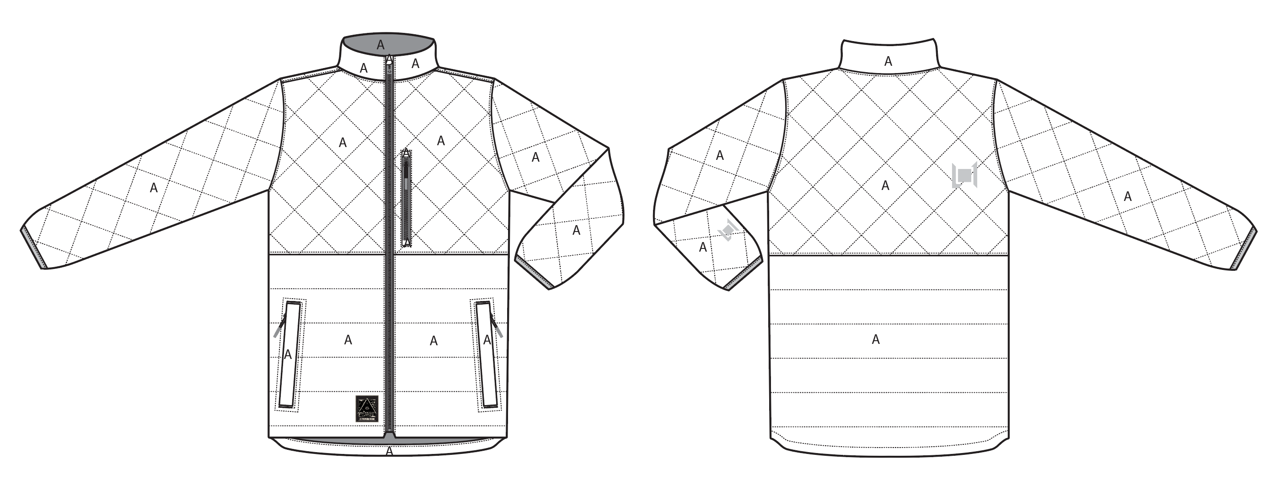
 |  |  |  | COLORWAYS
SHELL FABRIC | SUPPLIER/ REFERENCE NUMBER | LOCATION | CONTENT | GUNMETAL / BOMBAY | BLACK / OXBLOOD
MICRO RIPSTOP | SOLIS / SOTL120 MICRO RIPSTOP C6 DWR | A |  | GUNMETAL | BLACK

INSULATION | SUPPLIER/ REFERENCE NUMBER | LOCATION | CONTENT | GUNMETAL / BOMBAY | BLACK / OXBLOOD | 0 | 0 | 0 | 0
POLYFILL INSULATION | PINNECO MANTLE 100G | ALL OVER | 100% POLYESTER | PINNECO MANTLE 100G | PINNECO MANTLE 100G

SEAM TAPE | SUPPLIER/ REFERENCE NUMBER | LOCATION | CONTENT | GUNMETAL / BOMBAY | BLACK / OXBLOOD | 0 | 0 | 0 | 0
NOT TAPED |  |  |  | NOT TAPED | NOT TAPED

LINING | SUPPLIER/ REFERENCE NUMBER | LOCATION | CONTENT | GUNMETAL / BOMBAY | BLACK / OXBLOOD | 0 | 0 | 0 | 0
SOLID 210T | SOLIS / SONP006-1 | MAIN BODY | 100% NYLON | BOMBAY 18-1250 TCX | OXBLOOD 19-1725 TCX
SOLID 210T | SOLIS / SONP006-1 | SLEEVES | 100% NYLON | BOMBAY 18-1250 TCX | OXBLOOD 19-1725 TCX
SOLID 210T | SOLIS / SONP006-1 | CHEST POCKET BAG | 100% NYLON | BOMBAY 18-1250 TCX | OXBLOOD 19-1725 TCX
SOLID 210T | SOLIS / SONP006-1 | HAND POCKET BAGS | 100% POLYESTER | BOMBAY 18-1250 TCX | OXBLOOD 19-1725 TCX
SOLID 210T | SOLIS / SONP006-1 | CHIN GUARD LINING | 100% POLYESTER | BOMBAY 18-1250 TCX | OXBLOOD 19-1725 TCX

TRIMS
L1 MENS JACKET |  |  |  |  | SAMPLE SIZE LARGE / XS-XXL
SEASON: |  | WINTER 2018/2019 |  |  | CONTRACTOR: |  | SOLUNA
STYLE NUMBER: |  | L1-113-18 |  |  | DATE CREATED: |  | FEB. 28, 2017
STYLE NAME: |  | KENSINGTON |  |  | DATE REVISED: |  | 2017-04-06
WATERPROOF/BREATHABILITY: |  | DWR |  |  | BLOCK: |  | NEW
SEAM SEALING: |  | NONE |  |  | FIT: |  | STREET
INSULATION: |  | 100G PINNECO MANTLE ALL OVER |  |  | TARGET FOB: |  | $0.00

ZIPPERS | SUPPLIER/ REFERENCE NUMBER | LOCATION | AMOUNT | GUNMETAL / BOMBAY | BLACK / OXBLOOD | 0 | 0 | 0 | 0
#5 VISLON ZIPPER | YKK / 1-WAY DADHR DIE CAST WIRE SEMI AUTO LOCK | CENTER FRONT | 1 | BOMBAY 18-1250 TCX | OXBLOOD 19-1725 TCX
#5 VISLON ZIPPER | NON YKK / 1-WAY DADHR DIE CAST WIRE NON LOCKING | CHEST POCKET VERTICAL | 1 | BOMBAY 18-1250 TCX | OXBLOOD 19-1725 TCX
#5 VISLON ZIPPER | NON YKK / 1-WAY DADHR DIE CAST WIRE NON LOCKING | HAND POCKETS VERTICAL | 1 PER SIDE = 2 | BOMBAY 18-1250 TCX | OXBLOOD 19-1725 TCX

ADDITIONAL ZIPPER PULLS | SUPPLIER/ REFERENCE NUMBER | LOCATION | AMOUNT | GUNMETAL / BOMBAY | BLACK / OXBLOOD | 0 | 0 | 0 | 0
SHOCK CORD ZIPPER PULL WITH SILICON DIPPED ENDS | CHUN WO HO / CW17-063 BLACK SHOCKCORD WITH RUBBER DIPPER ENDS - PLEASE SOURCE | CENTER FRONT ZIPPER (1), CHEST POCKET ZIPPER (1) HAND POCKET ZIPPERS (2) | 4 | BLACK CORD WITH BOMBAY 18-1250 TCX RUBBER DIP | BLACK CORD WITH OXBLOOD 19-1725 TCX RUBBER DIP | 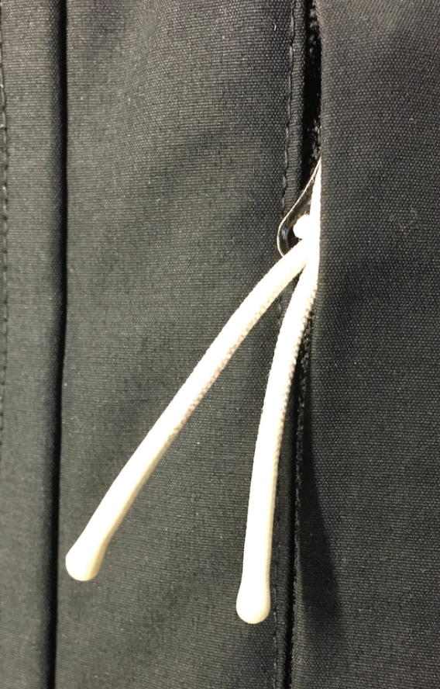 | 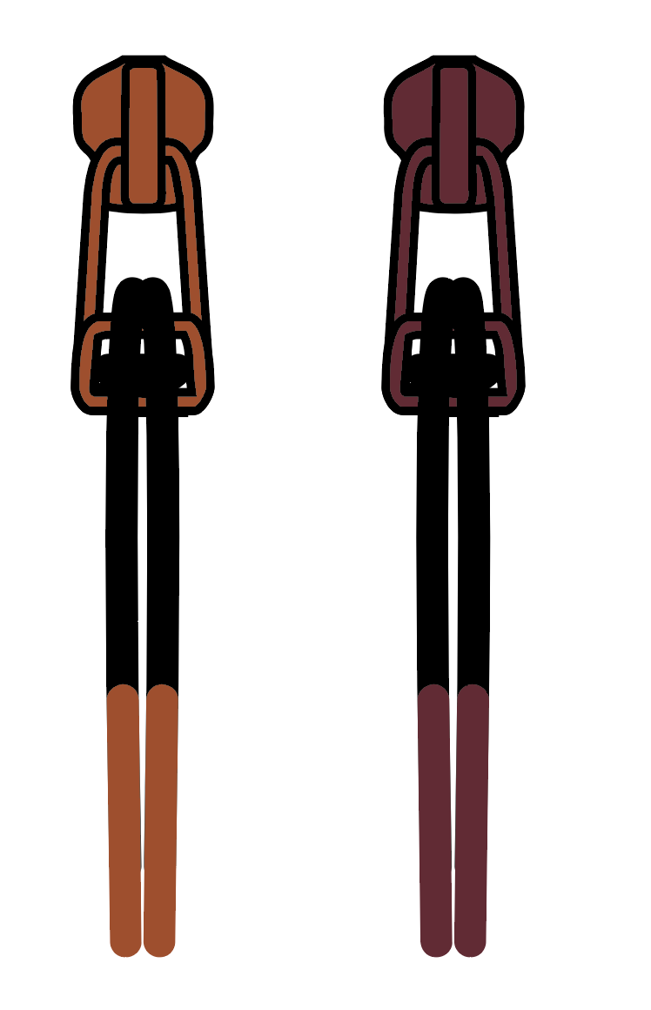

BRANDED TRIMS | SUPPLIER/ REFERENCE NUMBER | LOCATION | AMOUNT | GUNMETAL / BOMBAY | BLACK / OXBLOOD | 0 | 0 | 0 | 0
L1-2018-TRIM-001 Woven label | PLEASE SOURCE | FRONT RIGHT HEM | 1 | WOVEN LABEL | WOVEN LABEL
L1-2018-TRIM-024 L1 EMBROIDERY SMALL 3cm x 2.77cm | PLEASE SOURCE | FRONT LEFT SLEEVE HEM | 1 | MATCH TO SHELL | MATCH TO SHELL
L1-2018-TRIM-025 L1 EMBROIDERY LARGE 3.7cm x 3.4cm | PLEASE SOURCE | BACK RIGHT | 1 | MATCH TO SHELL | MATCH TO SHELL

TRIMS | SUPPLIER/ REFERENCE NUMBER | LOCATION | AMOUNT | GUNMETAL / BOMBAY | BLACK / OXBLOOD | 0 | 0 | 0 | 0
METAL EYELETS 8MM | LUK'S / ET04 | HEM CORD EXIT | 2 PER SIDE = 4 | AL023 ALLOY (D) | AL023 ALLOY (D)
CORD LOCK | SUNSUN/ SV160819-4A | HEM ADJUST EXPOSED AT LINING | 1 PER SIDE = 2 | BLACK | BLACK
BEAD | SUNSUN/ SV160725-1A | HEM ADJUST | 1 PER SIDE = 2 | BLACK | BLACK

NOTIONS | SUPPLIER/ REFERENCE NUMBER | LOCATION | AMOUNT | GUNMETAL / BOMBAY | BLACK / OXBLOOD | 0 | 0 | 0 | 0
BINDING | CHUN WO HO/ CW17-251 OR PLEASE SOURCE | SLEEVE HEMS | 1 PER SIDE = 2 | BLACK | BLACK
GROSGRAIN 3/8" | PLEASE SOURCE | ATTACH HEM CORD LOCKS | 1 PER SIDE = 2 | BLACK | BLACK
L1-2018-TRIM-030 2-COLOR SHOCKCORD 3.5mm (HEATHERED 2 COLOR MIX) | EXAMPLE: CW17-062 CHUN WO HO (PLEASE SOURCE) | HEM | 1 | COLORWAY: 1 = 19-4006 TCX BLACK/ 18-0403 TCX GUNMETAL | COLORWAY: 1 = 19-4006 TCX BLACK/ 18-0403 TCX GUNMETAL

VELCRO | SUPPLIER/ REFERENCE NUMBER | LOCATION | AMOUNT | GUNMETAL / BOMBAY | BLACK / OXBLOOD | 0 | 0 | 0 | 0

THREAD | SPI | SUPPLIER/ REF NUMBER | AMOUNT | GUNMETAL / BOMBAY | BLACK / OXBLOOD | 0 | 0 | 0 | 0
SEAMS | 10-12 SPI | 30/2 |  | MATCH TO SHELL | MATCH TO SHELL
TOPSTITCH | 8-10 SPI | 30/2 |  | MATCH TO SHELL | MATCH TO SHELL
BARTACKS |  | 100/2 |  | MATCH TO SHELL | MATCH TO SHELL

LABELS | SUPPLIER/ REFERENCE NUMBER | LOCATION | AMOUNT | GUNMETAL / BOMBAY | BLACK / OXBLOOD | 0 | 0 | 0 | 0
DWR | SOLUNA/ MAIN LABEL | CENTER BACK BELOW NECK SEAM | 1 | DWR | DWR
SIZE LABEL (SAMPLE SIZE L) | SOLUNA/ SIZE LABEL | CENTER BACK BELOW MAIN LABEL | 1 | XS, S, M, L, XL | XS, S, M, L, XL

HANG TAGS | SUPPLIER/ REFERENCE NUMBER | LOCATION | AMOUNT | GUNMETAL / BOMBAY | BLACK / OXBLOOD | 0 | 0 | 0 | 0
MENS JACKET HANG TAG | SOLUNA/ MENS JACKET HANG TAG | LEFT SIDE HAND POCKET ZIPPER | 1 | MENS JACKET HANG TAG | MENS JACKET HANG TAG

CARE AND CONTENT LABELS | SUPPLIER/ REFERENCE NUMBER | LOCATION | AMOUNT | GUNMETAL / BOMBAY | BLACK / OXBLOOD | 0 | 0 | 0 | 0
ADDRESS LABEL | FACTORY SOURCED | LINING LEFT SIDE SEAM | 1 | ADDRESS LABEL | ADDRESS LABEL
CONTENT LABEL | FACTORY SOURCED | LINING LEFT SIDE SEAM | 1 | CONTENT LABEL | CONTENT LABEL
WASHING LABEL | FACTORY SOURCED | LINING LEFT SIDE SEAM | 1 | WASHING LABEL | WASHING LABEL

MEASUREMENTS
L1 MENS JACKET |  |  |  |  |  |  |  | SAMPLE SIZE LARGE / XS-XXL
SEASON: |  | WINTER 2018/2019 |  |  |  |  |  | CONTRACTOR: |  |  |  |  |  | SOLUNA
STYLE NUMBER: |  | L1-113-18 |  |  |  |  |  | DATE CREATED: |  |  |  |  |  | FEB. 28, 2017
STYLE NAME: |  | KENSINGTON |  |  |  |  |  | DATE REVISED: |  |  |  |  |  | 2017-04-06
WATERPROOF/BREATHABILITY: |  | DWR |  |  |  |  |  | BLOCK: |  |  |  |  |  | NEW
SEAM SEALINING: |  | NONE |  |  |  |  |  | FIT: |  |  |  |  |  | STREET
INSULATION: |  | 100G PINNECO MANTLE ALL OVER |  |  |  |  |  | TARGET FOB: |  |  |  |  |  | $0.00
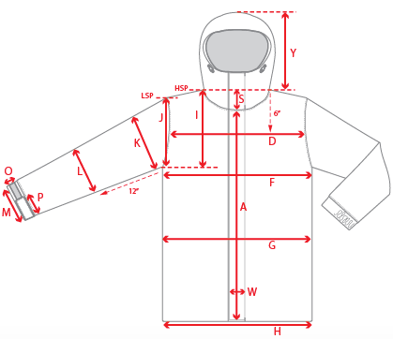 |  |  | 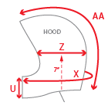 |  |  |  | 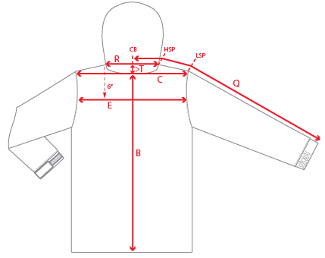
 |  |  |  | 1ST PROTO |  |  | 2ND PROTO |  |  | 3RD PROTO |  |  | S/SAMPLE |  |  | PP SAMPLE |  | FINAL
 |  |  | DATE: |  |  | DATE: |  |  | DATE: |  |  | DATE: |  |  | DATE:
 |  | TOL +/- | INITIAL MEASMNT | SAMPLE MEASURES | REVISE TO | REQUESTED | SAMPLE MEASURES | REVISE TO | REQUESTED | SAMPLE MEASURES | REVISE TO | REQUESTED | SAMPLE MEASURES | REVISE TO | REQUESTED | SAMPLE MEASURES | REVISE TO | APPROVED MEASMNTS
A | CF LENGTH - FROM NECKLINE | 0.25 | 26
B | CB LENGTH - FROM NECKLINE | 0.25 | 31.5
C | SHOULDER WIDTH | 0.25 | 19.5
D | ACROSS FRONT- 6" FROM HPS | 0.25
E | ACROSS BACK- 6" FROM HPS | 0.25
F | CHEST WIDTH - 1" BELOW ARMHOLE (1/2 MEASURE) | 0.25 | 24
G | WAIST WIDTH - 1/2 MEASURE, FROM HSP: S-19", M-19.5", L-20", XL-20.5" | 0.25 | 23.5
H | HEM OPENING - (1/2 MEASURE) | 0.25 | 23
I | ARMHOLE FRM HSP - STRAIGHT (1/2 MEASURE) | 0.125 | 11.75
J | ARMHOLE FRM LSP - STRAIGHT (1/2 MEASURE) | 0.125 | 10.875
K | BICEP - 1" BELOW UNDERARM (1/2 MEASURE) | 0.125 | 10
L | ELBOW - 12" BELOW UNDERARM (1/2 MEASURE) | 0.125 | 7.75
M | SLEEVE OPENING - RELAXED (1/2 MEASURE) | 0.125 | 4.5
N | SLEEVE OPENING - STRETCHED (1/2 MEASURE) | 0.125 | 5.5
 | WRIST GATOR LENGTH | 0.125
 | WRIST GATOR OPENING (1/2 MEASURE) | 0.125
O | CUFF HEIGHT | 0.125
P | CUFF TAB LENGTH | 0.125
Q | CB SLEEVE LENGTH - 3 PT MEASURE FROM CB | 0.25 | 38
R | NECK WIDTH - STRAIGHT HPS TO HPS (1/2 MEASURE) | 0.125 | 7.5
S | FRONT NECK DROP - FROM HSP | 0.125 | 4
T | BACK NECK DROP - FROM HSP | 0.125 | 0.5
U | CF COLLAR HEIGHT | 0.125 | 2
V | CB COLLAR HEIGHT | 0.125 | 2
W | CENTER FRONT PLACKET WIDTH | 0.125
X | COLLAR CIRCUMFERENCE | 0.25
Y | HOOD HEIGHT - SHOULDER SEAM TO TOP | 0.125
Z | HOOD WIDTH - 7" UP FROM NECK SEAM | 0.125
AA | HOOD RUN | 0.25
AB | POWDER SKIRT LENGTH - EDGE TO EDGE, RELAXED | 0.5
AC | WAIST GAITER ELASTIC - FULL MEAS. RELAXED | 0.5
AD | WAIST GAITER ELASTIC - MIN. FULL MEAS. EXTENDED | 0.5
AE | POWDER SKIRT HEIGHT AT CB (INCLUDES ELASTIC) | 0.25
 | CHEST POCKET WELT LENGTH | 0.125
 | CHEST POCKET WELT WIDTH | 0.125
 | HAND POCKET WELT LENGTH | 0.125 | 7
 | HAND POCKET WELT WIDTH | 0.125 | 0.75
ZIPPERS | CENTER FRONT | 0.25 | 27.5
 | CHEST POCKET VERTICAL | 0.125 | 6.5
 | #REF! | 0.125
 | #REF! | 0.125
 | #REF! | 0.125
 | #REF! | 0.25
 | HAND POCKETS VERTICAL | 0.125 | 7
 | #REF! | 0.125
 | #REF! | 0.125
 | #REF! | 0.125
 | #REF! | 0.25

 | ZIPPER RULES:
 | CF = XXX SHORTER THAN CF LENGTH

COMMENTS
L1 MENS JACKET
SEASON: |  | WINTER 2018/2019 |  | CONTRACTOR: | SOLUNA
STYLE NUMBER: |  | L1-113-18 |  | DATE CREATED: | FEB. 28, 2017
STYLE NAME: |  | KENSINGTON |  | DATE REVISED:
WATERPROOF/BREATHABILITY: |  | DWR |  | BLOCK: | NEW
SEAM SEALING: |  | NONE |  | FIT: | STREET
INSULATION: |  | 100G PINNECO MANTLE ALL OVER |  | TARGET FOB: | $0.00

STATUS: | X | DATE SENT: | 2017-02-28
 |  | NOT APPROVED FOR S/SAMPLES; SUBMIT A 2nd PROTO SAMPLE (subject to revisions)
 |  | NOT APPROVED FOR S/SAMPLES; SUBMIT A 3rd PROTO SAMPLE (subject to revisions)
 |  | NOT APPROVED FOR S/SAMPLES; SUBMIT A MOCK UP (subject to revisions)
 |  | APPROVED FOR S/SAMPLES (subject to revisions)
 |  | NOT APPROVED FOR PRODUCTION; SUBMIT A P/P SAMPLE (subject to revisions)
 |  | APPROVED FOR PRODUCTION (subject to revisions)

2017-02-28 | 1ST PROTO REQUEST
 | >NEW FIT
 | >NOTE THAT CF ZIP IS 1/2" SHORTER AT CF
 | >SEE PDF FILE FOR DESIGN DETAILS
 | SUBMIT PROTO FOR REVIEW

2017-03-16 | COMMENTS SINCE 1ST SUBMISSION
 | >INSULATION UPDATED TO PINNECO MANTLE 100G
 | >NO QUILTING ON COLLAR

2017-04-06 | >TRIM AND COLORWAY INFO ADDED TO EXCEL AND PDF
 | >OUTSIDE OF CHIN GUARD IS SHELL, LINING OF CHIN GUARD IS 210T (THERE IS A SEAM AT THE TOP)
 | >METAL EYELET COLOR REVISED TO LUKS AL023 ALLOY (D)
 | 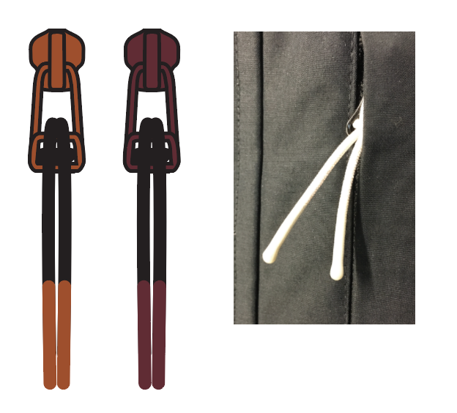 >THERE IS A SPECIAL SHOCKCORD ZIPPER PULL WITH SILICON DIPPED ENDS ON THIS STYLE, CAN YOU MAKE IT? - SEE ART FILE

