SHELL
 | L1 PANT
 | SEASON: |  | WINTER 2017/2018 |  | CONTRACTOR: |  | SOLUNA
 | STYLE NUMBER: |  | L1-201-17 |  | DATE CREATED: |  | 2016-02-22
 | STYLE NAME: |  | GEMINI 2L PANT |  | DATE REVISED:
 | WATERPROOF/BREATHABILITY: |  | MARKED AS: 20K/ 20K |  | BLOCK: |  | L1-201-16 FIELD REFERENCE SAMPLE
 | SEAM SEALINING: |  | FULLY TAPED |  | FIT: |  | REGULAR FIT
 | INSULATION: |  | SHELL WITH REVERSE TRICOT SEAT |  | TARGET FOB: |  | $48.00

 | 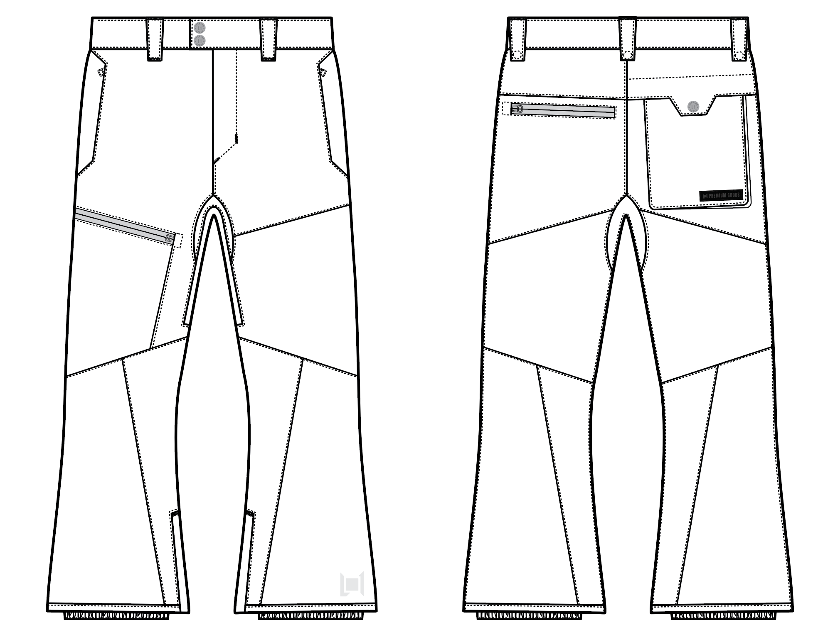
 |  |  |  | COLORWAYS
SHELL FABRIC | ITEM | SUPPLIER/ REF NUMBER | CONTENT | COLORWAY 1 | COLORWAY 2 | COLORWAY 3 | COLORWAY 4 | COLORWAY 5 | COLORWAY 6
ALL SHELL IS SAME FABRIC | N6 NYLON OTTOMAN 2L, 20K/20K $5.15 | WIDEPLUS WNP121-BJ4SR4 3L | 100% NYLON OTTOMAN | BLACK

INSULATION | ITEM | SUPPLIER/ REF NUMBER | CONTENT | COLORWAY 1 | COLORWAY 2 | COLORWAY 3 | COLORWAY 4 | COLORWAY 5 | COLORWAY 6
SHELL |  |  |  | SHELL

SEAM TAPE | ITEM | SUPPLIER/ REF NUMBER | CONTENT | COLORWAY 1 | COLORWAY 2 | COLORWAY 3 | COLORWAY 4 | COLORWAY 5 | COLORWAY 6
FULLY TAPED | WIDTH...SEAM TAPE | SEALON |  | FULLY TAPED

BONDING FILM | ITEM | SUPPLIER/ REF NUMBER | CONTENT | COLORWAY 1 | COLORWAY 2 | COLORWAY 3 | COLORWAY 4 | COLORWAY 5 | COLORWAY 6
FLY, HAND POCKET OPENINGS, WP ZIPPER WINDOWN AND ZIPPER GARAGES, BELTLOOPS, BACK POCKET FLAP, HEM WELTS | GLUE FILM | SEALON / |  | YES

LINING | ITEM | SUPPLIER/ REF NUMBER | CONTENT | COLORWAY 1 | COLORWAY 2 | COLORWAY 3 | COLORWAY 4 | COLORWAY 5 | COLORWAY 6
MAIN BODY | SOLID 210T | PLEASE SORCE | 100% NYLON | BLACK
SEAT | REVERSED 120G BRUSHED TRICOT | PLEASE SORCE | 100% POLY | BLACK
LOWER LEG & GAITER | COATED 210T | PLEASE SORCE | 100% NYLON | BLACK
WAISTBAND & FLY | 120G BRUSHED TRICOT | PLEASE SORCE | 100% POLY | BLACK
HAND POCKET LINING | 120G BRUSHED TRICOT | PLEASE SORCE | 100% POLY | BLACK
"BALLS OUT" VENTING | MESH | PLEASE SORCE | 100% POLY | BLACK

MEASUREMENTS
 | L1 PANT
 | SEASON: |  | WINTER 2017/2018 |  |  |  |  |  | DATE CREATED:
 | STYLE NUMBER: |  | L1-201-17 |  |  |  |  |  | DATE REVISED:
 | STYLE NAME: |  | GEMINI 2L PANT |  |  |  |  |  | BLOCK: |  |  |  |  |  | L1-201-16 FIELD REFERENCE SAMPLE
 | SAMPLE SIZE: |  | MENS LARGE |  |  |  |  |  | FIT: |  |  |  |  |  | REGULAR FIT
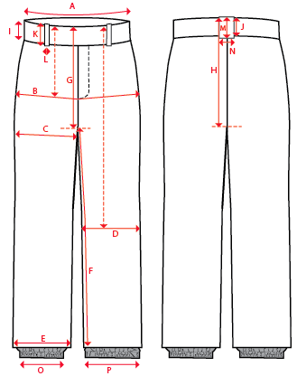
 |  |  |  |  | REF SAMPLE |  |  | 1ST PROTO |  |  | 2ND PROTO |  |  | S/SAMPLE |  |  | PP SAMPLE |  | FINAL
 |  |  |  | DATE: | 2016-02-14 |  | DATE: |  |  | DATE: |  |  | DATE: |  |  | DATE:
 |  |  | TOL +/- | INITIAL MEASMNT | SAMPLE MEASURES | REVISE TO | REQUESTED | SAMPLE MEASURES | REVISE TO | REQUESTED | SAMPLE MEASURES | REVISE TO | REQUESTED | SAMPLE MEASURES | REVISE TO | REQUESTED | SAMPLE MEASURES | REVISE TO | APPROVED MEASMNTS
A | WAIST WIDTH |  | 0.25 | 18.5 | 18.5 | 18.5 | 18.5
B | HIP -7" DOWN FROM TOP EDGE OF WAIST |  | 0.25 | 22.25 | 22.25 |  | 22.25
C | THIGH - 1" BELOW CROTCH |  | 0.125 | 13.75 | 13.75 |  | 13.75
D | KNEE -XS-22.125", S - 22.625", M-23.125", L-23.625" ,XL-24.125, XXL-24.625 DOWN FROM TOP EDGE OF WAIST |  | 0.125 | 10 | 9.75 | 10 | 10
E | HEM OPENING |  | 0.125 | 11.25 | 11 | 11.25 | 11.25
F | INSEAM - FROM CENTER OF CROTCH |  | 0.25 | 33.5 | 33.5 |  | 33.5

G | FRONT RISE - INC WAIST BAND, TO CROTCH ZIP |  | 0.125 | 12.75 | 12.75 |  | 12.75
H | BACK RISE - INC WAIST BAND, TO CROTCH ZIP |  | 0.125 | 16.25 | 16.25 |  | 16.25

I | CF WAIST BAND HEIGHT |  | 0.125 | 2.125 | 2.125 |  | 2.125
J | CB WAIST BAND HEIGHT |  | 0.125 | 2.125 | 2.125 |  | 2.125
K | BELT LOOP LENGTH |  | 0.125 | 3 | 3 |  | 3
L (a) | BELT LOOP WIDTH - TOP EDGE |  | 0.125 | 1.25 | 1.25 |  | 1.25
L (b) | BELT LOOP WIDTH - BOTTOM EDGE |  | 0.125 | 0.875 | 0.875 |  | 0.875
M | CB BELT LOOP LENGTH |  | 0.125 | 3 | 3 |  | 3
N (a) | CB BELT LOOP WIDTH - TOP EDGE |  | 0.125 | 1.25 | 1.25 |  | 1.25
N (b) | CB BELT LOOP WIDTH - BOTTOM EDGE |  | 0.125 | 0.875 | 0.875 |  | 0.875

O | STORM CUFF RELAXED |  | 0.25 | 8 | 8 | 7.5 | 7.5
P | STORM CUFF STRETCHED |  | 0.25 | 12.5 | 12.5 |  | 12.5

 | FLY | #5 COIL | 0.125 | 6.5 | 6.5 |  | 6.5
 | HAND POCKETS | #5 COIL | 0.125 | 7 | 7 |  | 7
 | RIGHT LEG POCKET | #5 MATTE WATER RESISTANT | 0.125 | 6.5 | 6.5 |  | 6.5
 | RIGHT BACK POCKET | #5 COIL | 0.125 | 6.5 | 6.5 |  | 6.5
 | LEFT BACK POCKET | #5 MATTE WATER RESISTANT | 0.125 | 6.5 | 6.5 |  | 6.5
 | "BALLS OUT" VENTING | #5 COIL | 0.125 | 16 | 16 |  | 16
 | HEM | #5 COIL | 0.125 | 8 | 8 |  | 8

