SHELL
 | L1 PANT
 | SEASON: |  | WINTER 2017/2018 |  | CONTRACTOR: |  | SOLUNA
 | STYLE NUMBER: |  | L1-202-17 |  | DATE CREATED: |  | 2016-02-14
 | STYLE NAME: |  | OVERALL |  | DATE REVISED:
 | WATERPROOF/BREATHABILITY: |  | MARKED AS: 10K/10K |  | BLOCK: |  | L1-208-16 KR3W OVERALL REFERENCE SAMPLE
 | SEAM SEALINING: |  | FULLY TAPED |  | FIT: |  | REGULAR FIT
 | INSULATION: |  | SHELL |  | TARGET FOB: |  | $45.00

 |  | 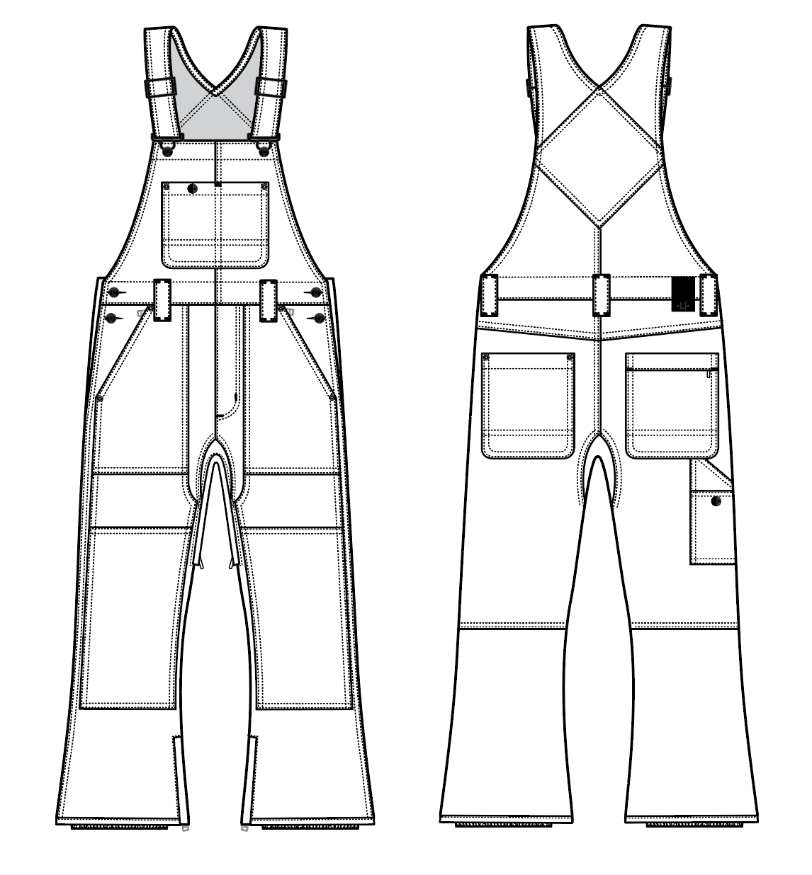
 |  |  |  | COLORWAYS
SHELL FABRIC | ITEM | SUPPLIER/ REF NUMBER | CONTENT | COLORWAY 1 | COLORWAY 2 | COLORWAY 3 | COLORWAY 4 | COLORWAY 5 | COLORWAY 6
ALL SHELL IS SAME FABRIC | OXFORD 10K/10K COATING + C6 DWR 80/10 $4.00 | SOLIS OXFORD L2-581 | 100% POLY | BLACK

INSULATION | ITEM | SUPPLIER/ REF NUMBER | CONTENT | COLORWAY 1 | COLORWAY 2 | COLORWAY 3 | COLORWAY 4 | COLORWAY 5 | COLORWAY 6
NON INSULATED |  |  |  | NO

SEAM TAPE | ITEM | SUPPLIER/ REF NUMBER | CONTENT | COLORWAY 1 | COLORWAY 2 | COLORWAY 3 | COLORWAY 4 | COLORWAY 5 | COLORWAY 6
FULLY TAPED | WIDTH...SEAM TAPE | SEALON |  | FULLY

LINING | ITEM | SUPPLIER/ REF NUMBER | CONTENT | COLORWAY 1 | COLORWAY 2 | COLORWAY 3 | COLORWAY 4 | COLORWAY 5 | COLORWAY 6
BODY | SOLID 210T | PLEASE SORCE | 100% NYLON | BLACK
LOWER LEG & GAITER | COATED 210T | PLEASE SORCE | 100% NYLON | BLACK
WAISTBAND & FLY | 120G BRUSHED TRICOT | PLEASE SORCE | 100% POLY | BLACK
HAND POCKET LINING | 120G BRUSHED TRICOT | PLEASE SORCE | 100% POLY | BLACK
"BALLS OUT" VENTING | MESH | PLEASE SORCE | 100% POLY | BLACK

MEASUREMENTS
 | L1 PANT
 | SEASON: |  | WINTER 2017/2018 |  |  |  |  |  | DATE CREATED:
 | STYLE NUMBER: |  | L1-202-17 |  |  |  |  |  | DATE REVISED:
 | STYLE NAME: |  | OVERALL |  |  |  |  |  | BLOCK: |  |  |  |  |  | L1-208-16 KR3W OVERALL REFERENCE SAMPLE
 | SAMPLE SIZE: |  | MENS LARGE |  |  |  |  |  | FIT: |  |  |  |  |  | REGULAR FIT
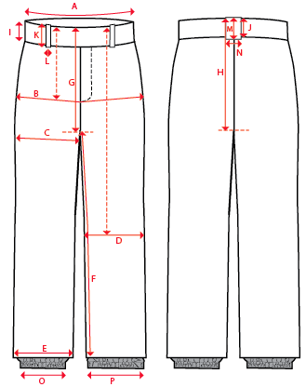
 |  |  |  |  | REF SAMPLE |  |  | 1ST PROTO |  |  | 2ND PROTO |  |  | S/SAMPLE |  |  | PP SAMPLE |  | FINAL
 |  |  |  | DATE: | 2016-02-14 |  | DATE: |  |  | DATE: |  |  | DATE: |  |  | DATE:
 |  |  | TOL +/- | INITIAL MEASMNT | SAMPLE MEASURES | REVISE TO | REQUESTED | SAMPLE MEASURES | REVISE TO | REQUESTED | SAMPLE MEASURES | REVISE TO | REQUESTED | SAMPLE MEASURES | REVISE TO | REQUESTED | SAMPLE MEASURES | REVISE TO | APPROVED MEASMNTS
A | WAIST WIDTH |  | 0.25 | 20.25 | 20.25 |  | 20.25
B | HIP -7" DOWN FROM TOP EDGE OF WAIST |  | 0.25 | 22.75 | 22.75 |  | 22.75
C | THIGH - 1" BELOW CROTCH |  | 0.125 | 13.75 | 13.75 |  | 13.75
D | KNEE -XS-22.125", S - 22.625", M-23.125", L-23.625" ,XL-24.125, XXL-24.625 DOWN FROM TOP EDGE OF WAIST |  | 0.125 | 10.5 | 10.5 |  | 10.5
E | HEM OPENING |  | 0.125 | 11.25 | 11 | 11.25 | 11.25
F | INSEAM - FROM CENTER OF CROTCH |  | 0.25 | 33.5 | 33.5 |  | 33.5

G | FRONT RISE - INC WAIST BAND, TO CROTCH ZIP |  | 0.125 | 13.25 | 13.25 |  | 13.25
H | BACK RISE - INC WAIST BAND, TO CROTCH ZIP |  | 0.125 | 17 | 17 |  | 17

I | CF WAIST BAND HEIGHT |  | 0.125 | 1.75 | 1.75 |  | 1.75
J | CB WAIST BAND HEIGHT |  | 0.125 | 1.75 | 1.75 |  | 1.75
K | BELT LOOP LENGTH |  | 0.125 | 3 | 3 |  | 3
L | BELT LOOP WIDTH - TOP EDGE |  | 0.125 | 1.25 | 1.25 |  | 1.25
M | CB BELT LOOP LENGTH |  | 0.125 | 3 | 3 |  | 3
N | CB BELT LOOP WIDTH - TOP EDGE |  | 0.125 | 1.25 | 1.25 |  | 1.25

O | STORM CUFF RELAXED |  | 0.25 | 8 | 8 | 7.5 | 7.5
P | STORM CUFF STRETCHED |  | 0.25 | 12.5 | 12.5 |  | 12.5

 | BODICE LENGTH FROM HSP TO WAIST Stitch |  | 0.125 | 23 | 22.5 | OK | 22.5
 | ADDITIONAL STRAP OVERLAP |  | 0.125 | 5 | 5.25 | 5.5 | 5.5
 | STRAP WIDTH (SINGLE) |  | 0.125 | 1.5 | 1.5 |  | 1.5
 | BIB HEIGHT AT CF (FROM WAIST SEAM) |  | 0.125 | 13 | 13 |  | 13
 | FRONT BIB WIDTH (ALONG TOP EDGE) |  | 0.125 | 10.5 | 10.75 | OK | 10.75
 | BACK BIB WIDTH (1" DOWN FROM BACK NECK) |  | 0.125 | 10.25 | 10.25 |  | 10.25

 | FLY | #5 COIL | 0.125 | 6.5 | 6.5 |  | 6.5
 | HAND POCKETS | #5 COIL | 0.125 | 6 | 6 |  | 6
 | BACK RIGHT POCKET | #5 COIL | 0.125 | 6 | 6 |  | 6
 | "BALLS OUT" VENTING | #5 COIL | 0.125 | 16 | 15.5 | 16 | 16
 | HEM | #5 COIL | 0.125 | 8 | 8 |  | 8

