SHELL
L1 MENS PANT |  |  |  |  |  |  | SAMPLE SIZE LARGE / XS-XXL
SEASON: |  | WINTER 2018/2019 |  |  | CONTRACTOR: |  | SOLUNA
STYLE NUMBER: |  | L1-207-18 |  |  | DATE CREATED: |  | 2017-03-13
STYLE NAME: |  | STRAIGHT STANDARD |  |  | DATE REVISED: |  | 2017-04-04
WATERPROOF/BREATHABILITY: |  | 10K/10K |  |  | BLOCK:
SEAM SEALING: |  | CRITICALLY SEAM SEALED |  |  | FIT: |  | REGULAR FIT, STRAIGHT FROM KNEE DOWN
INSULATION: |  | NON INSULATED |  |  | TARGET FOB: |  | $30
 |  | 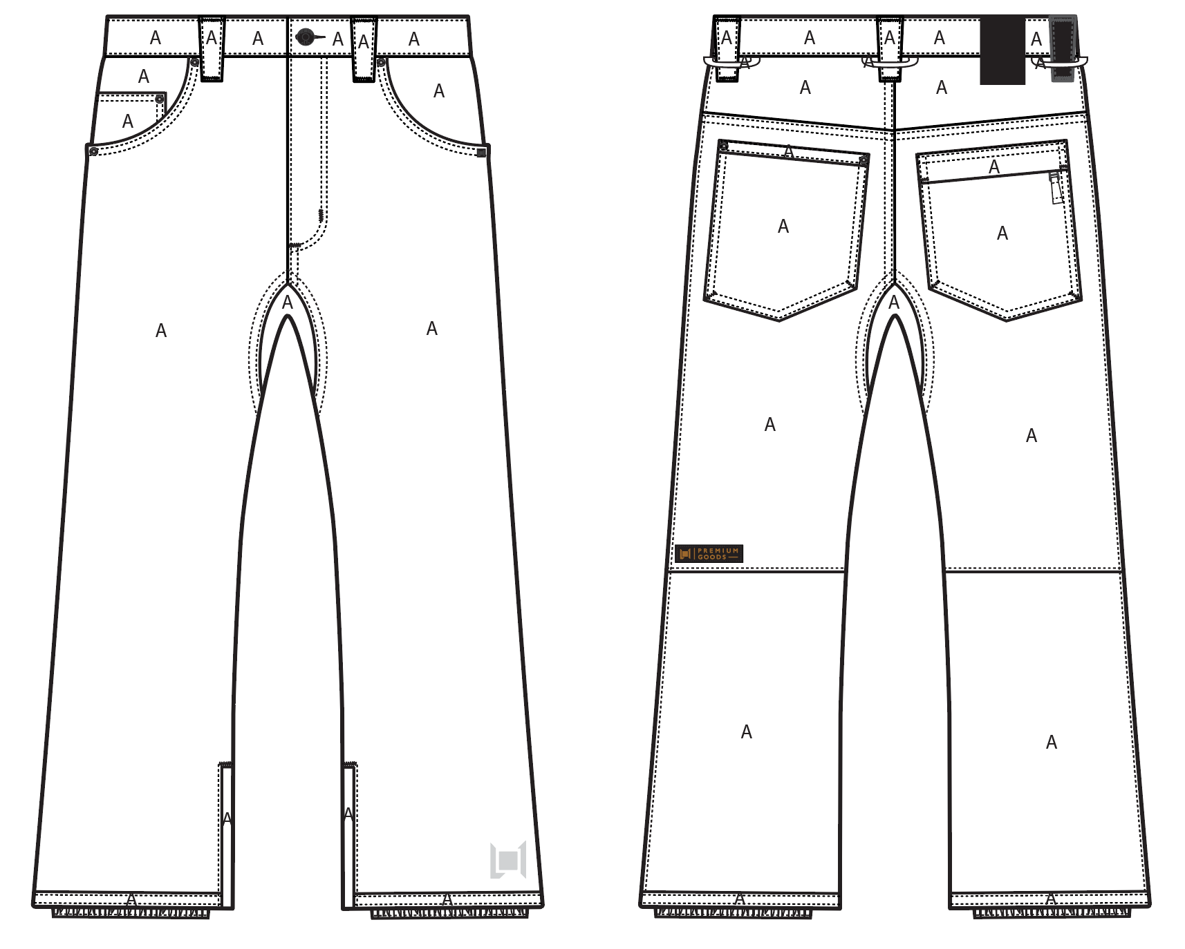
 |  |  |  | COLORWAYS
SHELL FABRIC | SUPPLIER/ REFERENCE NUMBER | LOCATION | CONTENT | BLACK | MILITARY | RUST | BONE | WALNUT
OTTOMAN | SOLIS/ SOTP080-2L32-I OTTOMAN / 10K/10K DOT LAM / C6 + DWR | A |  | BLACK | BLACK | BLACK | BLACK | BLACK
LEATHER | SUPPLER? CAN YOU SOURCE SAME QUALITY AS OTHER FAUX LEATHER TRIMS | BACK RIGHT BELT LOOP |  | BLACK FAUX LEATHER | BLACK FAUX LEATHER | BLACK FAUX LEATHER | BLACK FAUX LEATHER | BLACK FAUX LEATHER

INSULATION | SUPPLIER/ REFERENCE NUMBER | LOCATION | CONTENT | BLACK | MILITARY | RUST | BONE | WALNUT | 0
NON INSULATED

SEAM TAPE | SUPPLIER/ REFERENCE NUMBER | LOCATION | CONTENT | BLACK | MILITARY | RUST | BONE | WALNUT | 0
SEAM TAPE | TSGS | CRITICALLY SEAM SEALED |  | CRITICALLY SEAM SEALED | CRITICALLY SEAM SEALED | CRITICALLY SEAM SEALED | CRITICALLY SEAM SEALED | CRITICALLY SEAM SEALED

LINING | SUPPLIER/ REFERENCE NUMBER | LOCATION | CONTENT | BLACK | MILITARY | RUST | BONE | WALNUT | 0
REGULAR MESH | 1606B02 (ALS-16038) | MAIN BODY | 100% POLYESTER | BLACK | BLACK | BLACK | BLACK | BLACK
SOLID 210T | SOLIS / SONP006-1 | SECONDARY POCKET BAGS | 100% NYLON | BLACK | BLACK | BLACK | BLACK | BLACK
SOLID COATED 210T | SOLIS / SONP006-PU03 | LOWER LEG & GAITER | 100% NYLON | BLACK | BLACK | BLACK | BLACK | BLACK
BRUSHED TRICOT | SUPPLIER / REF CODE | WAISTBAND, FLY, HAND POCKET BAGS | 100% POLYESTER | BLACK | BLACK | BLACK | BLACK | BLACK

LOWER LEG LINING PRINT (SEE PDF) | SUPPLIER/ REFERENCE NUMBER | LOCATION | CONTENT | BLACK | MILITARY | RUST | BONE | WALNUT | 0
ON COATED 210T | PLEASE SOURCE | LOWER LEG FRONT AND BACK |  | PANTONE 18-0950 TCX HARVEST SCREEN PRINT | PANTONE 18-0950 TCX HARVEST SCREEN PRINT | PANTONE 18-0403 TCX GUNMETAL | PANTONE 18-0950 TCX HARVEST SCREEN PRINT | PANTONE 18-0950 TCX HARVEST SCREEN PRINT

MEASUREMENTS
L1 MENS PANT
SEASON: |  | WINTER 2018/2019 |  |  |  |  |  |  | CONTRACTOR: |  |  |  | SOLUNA
STYLE NUMBER: |  | L1-207-18 |  |  |  |  |  |  | DATE CREATED: |  |  |  | 2017-03-13
STYLE NAME: |  | STRAIGHT STANDARD |  |  |  |  |  |  | DATE REVISED:
WATERPROOF/BREATHABILITY: |  | 10K/10K |  |  |  |  |  |  | BLOCK: |  |  |  | 0
SEAM SEALING: |  | CRITICALLY SEAM SEALED |  |  |  |  |  |  | FIT: |  |  |  | REGULAR FIT, STRAIGHT FROM KNEE DOWN
INSULATION: |  | NON INSULATED |  |  |  |  |  |  | TARGET FOB: |  |  |  | $30.00
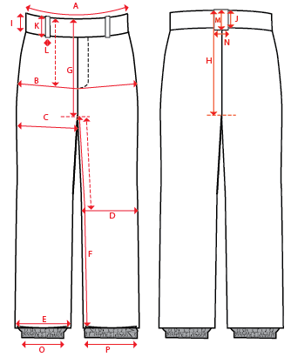
 |  |  |  |  | 1ST PROTO |  |  | 2ND PROTO |  |  | 3RD PROTO |  |  | S/SAMPLE |  |  | PP SAMPLE |  | FINAL
 |  |  |  | DATE: |  |  | DATE: |  |  | DATE: |  |  | DATE: |  |  | DATE:
 |  |  | TOL +/- | INITIAL MEASMNT | SAMPLE MEASURES | REVISE TO | REQUESTED | SAMPLE MEASURES | REVISE TO | REQUESTED | SAMPLE MEASURES | REVISE TO | REQUESTED | SAMPLE MEASURES | REVISE TO | REQUESTED | SAMPLE MEASURES | REVISE TO | APPROVED MEASMNTS
A | WAIST WIDTH |  | 0.25 | 18.5
B | HIP -7" DOWN FROM TOP EDGE OF WAIST TOP EDGE |  | 0.25 | 22.25
C | THIGH - 1" BELOW CROTCH |  | 0.25 | 13.75
D | KNEE -XS-13", S - 13.5", M-14", L-14.5" DOWN FROM CROTCH |  | 0.25 | 10
E | HEM OPENING |  | 0.25 | 10
F | INSEAM - FROM CENTER OF CROTCH |  | 0.25 | 33.5
G | FRONT RISE including WB - NOT INCLUDING GUSSET |  | 0.125 | 10.75
H | BACK RISE including WB - NOT INCLUDING GUSSET |  | 0.125 | 14.25
 | GUSSET LENGTH |  | 0.125 | 9.5
 | GUSSET WIDTH |  | 0.125 | 4
I | CF WAIST BAND HEIGHT |  | 0.125 | 2
J | CB WAIST BAND HEIGHT |  | 0.125 | 2
K | BELT LOOP LENGTH |  | 0.125 | 3
L (a) | BELT LOOP WIDTH - TOP EDGE |  | 0.125 | 1.25
L (b) | BELT LOOP WIDTH - BOTTOM EDGE |  | 0.125 | 0.875
M | CB BELT LOOP LENGTH |  | 0.125
N | CB BELT LOOP WIDTH |  | 0.125
O | STORM CUFF RELAXED |  | 0.25 | 7.5
P | STORM CUFF STRETCHED |  | 0.25 | 12.5
 | HAND POCKET OPENING ALONG WAISTBAND |  | 0.125 | 5.25
 | HAND POCKET OPENING ALONG SIDESEAM |  | 0.125 | 3
 | BACK POCKET HEIGHT |  | 0.125 | 6.75
 | BACK POCKET WIDTH |  | 0.125 | 6.875
 | BACK RIGHT POCKET FLAP HEIGHT |  | 0.125 | 1.5
 | CB YOKE HEIGHT |  | 0.125 | 2.25
 | BACK YOKE HEIGHT AT SIDESEAMS |  | 0.125 | 1.25
 | CF FLY WIDTH - TO OUTER EDGE OF TOPSTITCH |  | 0.125
ZIPPERS | FLY |  | 0.125 | 6.5
 | #REF! |  | 0.125
 | #REF! |  | 0.125
 | BACK RIGHT POCKET |  | 0.125 | 6.25
 | #REF! |  | 0.125
 | HEM GUSSET |  | 0.125 | 8

