SHELL
 | L1 PANT
 | SEASON: |  | WINTER 2017/2018 |  | CONTRACTOR: |  | SOLUNA
 | STYLE NUMBER: |  | L1-211-17 |  | DATE CREATED: |  | 2016-02-14
 | STYLE NAME: |  | THE ONE PANT BONDED 3L |  | DATE REVISED:
 | WATERPROOF/BREATHABILITY: |  | MARKED AS: 10K/10K |  | BLOCK: |  | L1-207-16 ONE PANT REFERENCE SAMPLE
 | SEAM SEALINING: |  | FULLY TAPED |  | FIT: |  | SLIM STRAIGHT LEG
 | INSULATION: |  | BONDED SHELL |  | TARGET FOB: |  | $42.00

 | 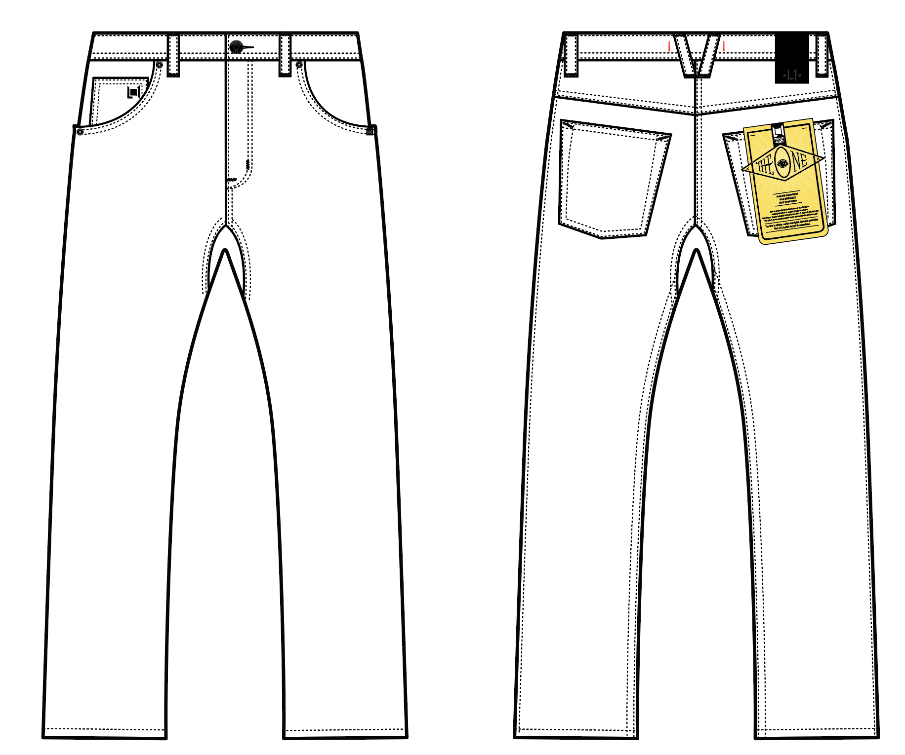
 |  |  |  | COLORWAYS
SHELL FABRIC | ITEM | SUPPLIER/ REF NUMBER | CONTENT | RAW BLUE DENIM | BROWN OVERDYE DENIM | COLORWAY 3 | COLORWAY 4 | COLORWAY 5 | COLORWAY 6
ALL SHELL IS SAME FABRIC | OVERDYE DENIM 3L 5K/5K LAMINATION+OVERDYE+ W/R $10.35 + BONDED TO BLACK JERSEY | SOLIS -L21081 | 84.5% COTTON/ 13.5 % POLY/ 2% SPANDEX | RAW BLUE DENIM | BROWN OVERDYE DENIM

INSULATION | ITEM | SUPPLIER/ REF NUMBER | CONTENT | RAW BLUE DENIM | BROWN OVERDYE DENIM | COLORWAY 3 | COLORWAY 4 | COLORWAY 5 | COLORWAY 6
SHELL |  |  |  | NO | NO

SEAM TAPE | ITEM | SUPPLIER/ REF NUMBER | CONTENT | RAW BLUE DENIM | BROWN OVERDYE DENIM | COLORWAY 3 | COLORWAY 4 | COLORWAY 5 | COLORWAY 6
FULLY TAPED | WIDTH...SEAM TAPE | SEALON |  | YES | YES

LINING | ITEM | SUPPLIER/ REF NUMBER | CONTENT | RAW BLUE DENIM | BROWN OVERDYE DENIM | COLORWAY 3 | COLORWAY 4 | COLORWAY 5 | COLORWAY 6
HAND POCKET LINING | 120G BRUSHED TRICOT | PLEASE SORCE | 100% POLY | BLACK | BLACK

MEASUREMENTS
 | L1 PANT
 | SEASON: |  | WINTER 2017/2018 |  |  |  |  |  | DATE CREATED:
 | STYLE NUMBER: |  | L1-211-17 |  |  |  |  |  | DATE REVISED:
 | STYLE NAME: |  | THE ONE PANT BONDED 3L |  |  |  |  |  | BLOCK: |  |  |  |  |  | L1-207-16 ONE PANT REFERENCE SAMPLE
 | SAMPLE SIZE: |  | MENS LARGE |  |  |  |  |  | FIT: |  |  |  |  |  | SLIM STRAIGHT LEG
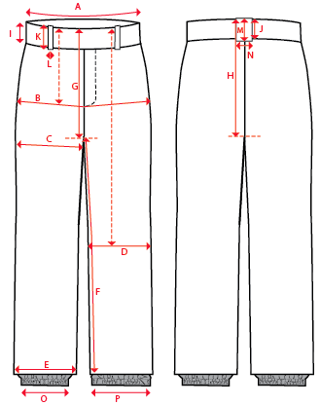
 |  |  |  |  | REF SAMPLE |  |  | 1ST PROTO |  |  | 2ND PROTO |  |  | S/SAMPLE |  |  | PP SAMPLE |  | FINAL
 |  |  |  | DATE: | 2016-02-14 |  | DATE: |  |  | DATE: |  |  | DATE: |  |  | DATE:
 |  |  | TOL +/- | INITIAL MEASMNT | SAMPLE MEASURES | REVISE TO | REQUESTED | SAMPLE MEASURES | REVISE TO | REQUESTED | SAMPLE MEASURES | REVISE TO | REQUESTED | SAMPLE MEASURES | REVISE TO | REQUESTED | SAMPLE MEASURES | REVISE TO | APPROVED MEASMNTS
A | WAIST WIDTH |  | 0.25 | 18 | 18 |  | 18
B | HIP -7" DOWN FROM TOP EDGE OF WAIST |  | 0.25 | 21.25 | 21.25 |  | 21.25
C | THIGH - 1" BELOW CROTCH |  | 0.125 | 12.25 | 12.25 |  | 12.25
D | KNEE -XS-22.125", S - 22.625", M-23.125", L-23.625" ,XL-24.125, XXL-24.625 DOWN FROM TOP EDGE OF WAIST |  | 0.125 | 8.75 | 8.75 |  | 8.75
E | HEM OPENING |  | 0.125 | 8.25 | 8.25 |  | 8.25
F | INSEAM - FROM CENTER OF CROTCH |  | 0.25 | 32 | 32 |  | 32

G | FRONT RISE - INC WAIST BAND, TO CROTCH ZIP |  | 0.125 | 11 | 11 |  | 11
H | BACK RISE - INC WAIST BAND, TO CROTCH ZIP |  | 0.125 | 14.75 | 14.75 |  | 14.75

I | CF WAIST BAND HEIGHT |  | 0.125 | 1.625 | 1.625 |  | 1.625
J | CB WAIST BAND HEIGHT |  | 0.125 | 1.625 | 1.625 |  | 1.625
K | BELT LOOP LENGTH |  | 0.125 | 2.5 | 2.5 |  | 2.5
L | BELT LOOP WIDTH |  | 0.125 | 0.5 | 0.5 |  | 0.5
M | CB BELT LOOP LENGTH |  | 0.125 | 2.5 | 2.5 |  | 2.5
N | CB BELT LOOP WIDTH |  | 0.125 | 0.75 | 0.75 |  | 0.75

O | STORM CUFF RELAXED |  | 0.25
P | STORM CUFF STRETCHED |  | 0.25

 | FLY | #5 METAL | 0.125 | 6 | 6 |  | 6

