SHELL
 | L1 Womens Jacket
 | SEASON: |  | WINTER 2017/2018 |  | CONTRACTOR: |  | SOLUNA
 | STYLE NUMBER: |  | L1TA-107-17 |  | DATE CREATED: |  | 2016-03-21
 | STYLE NAME: |  | MOONAGE |  | DATE REVISED: |  | 2016-07-29
 | FABRIC RATING: |  | 5K/ 5K |  | BLOCK:
 | SEAM SEALING: |  | CRITICALLY TAPED |  | FIT: |  | STREET FIT
 | INSULATION: |  | 60G "CS" POLYFILL |  | TARGET FOB: |  | $33.00
 | SAMPLE SIZE: |  | WOMENS SMALL
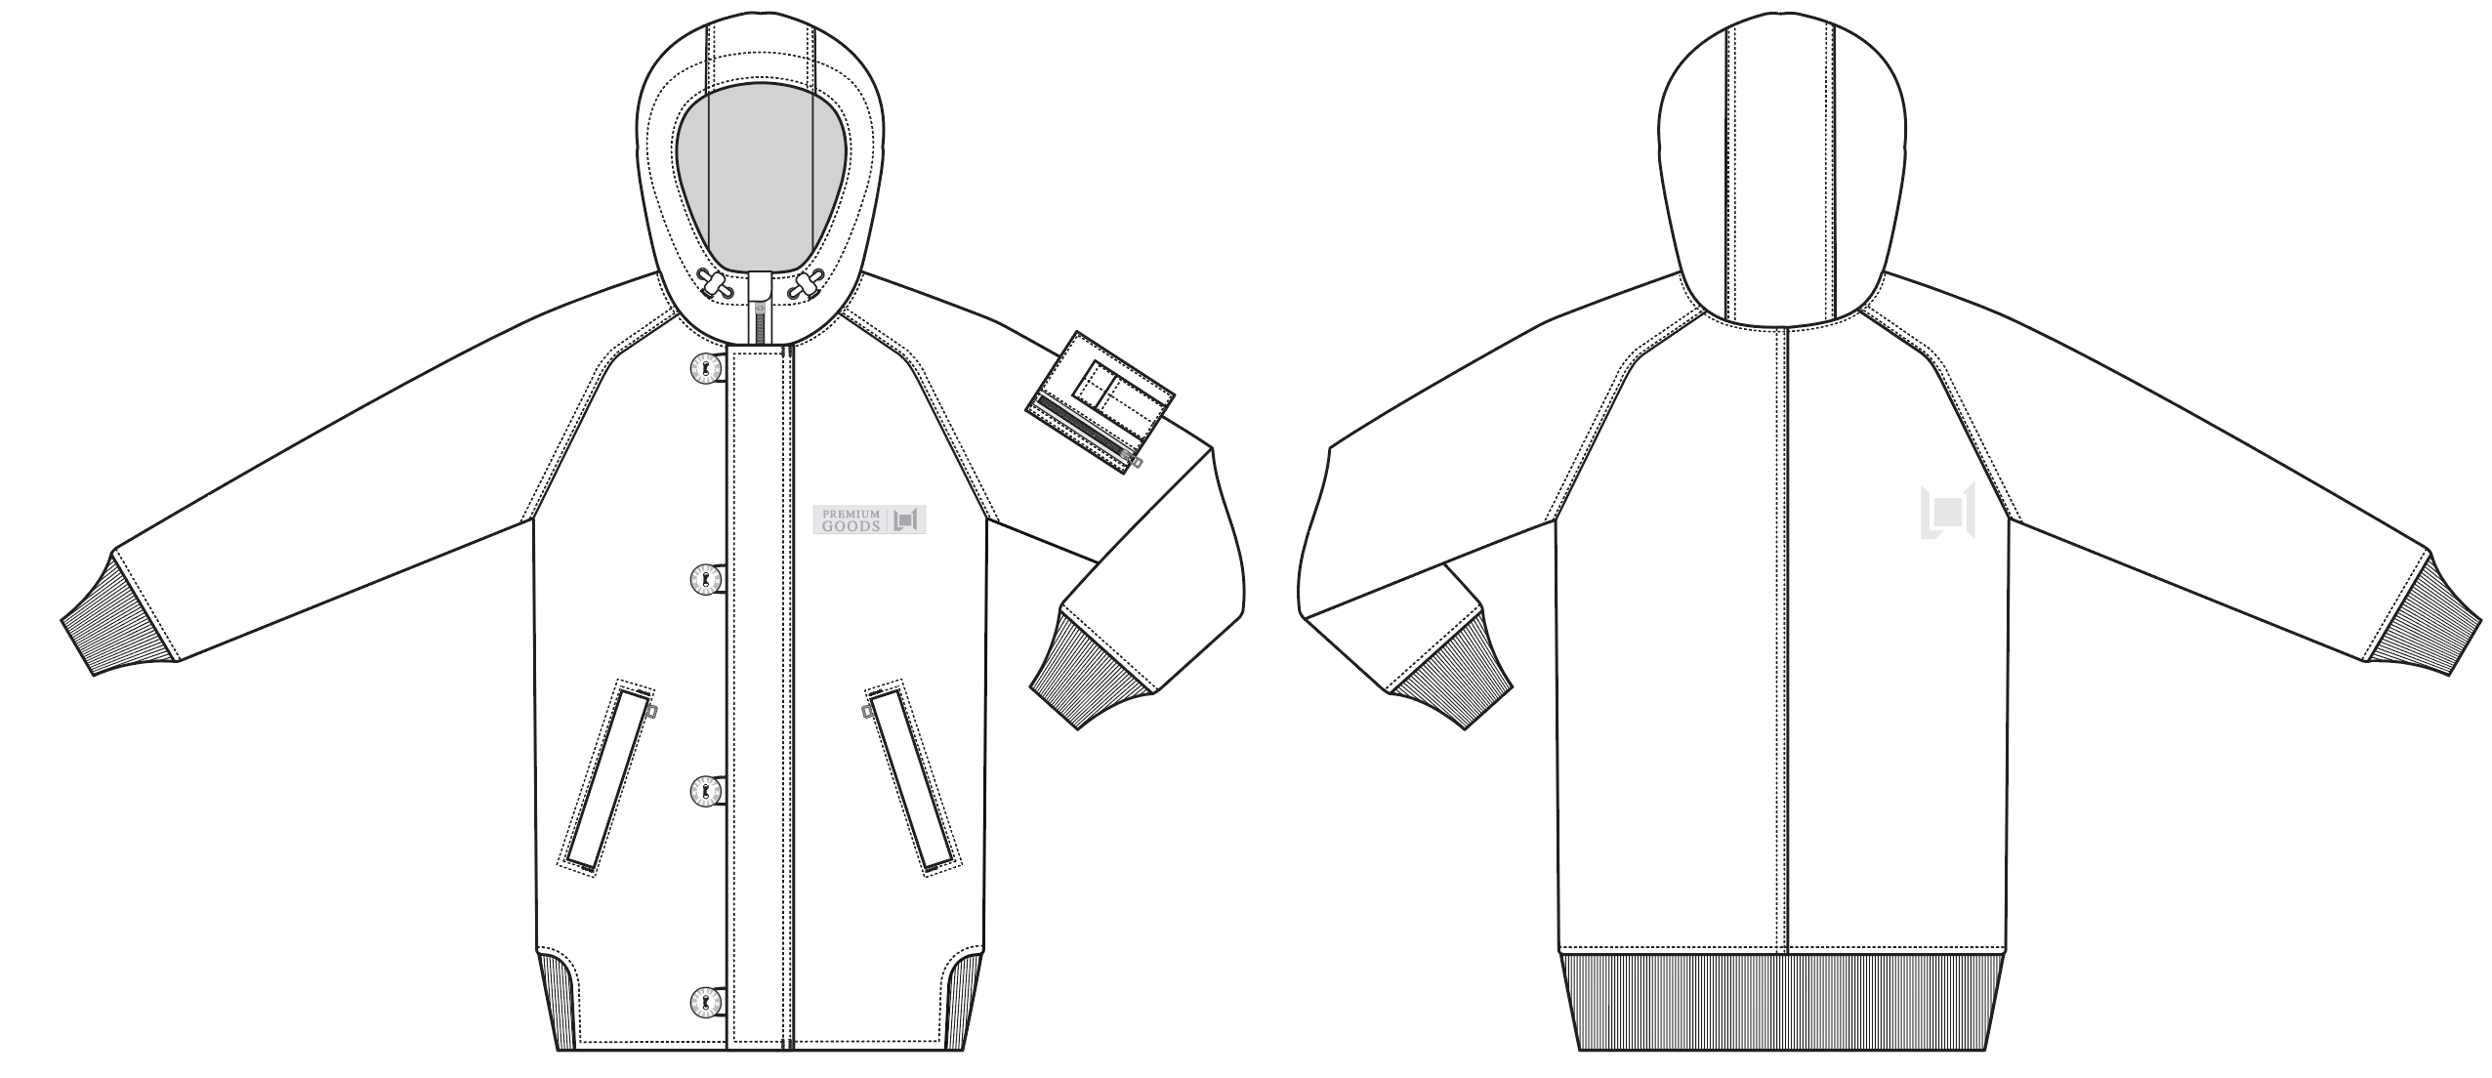
 |  |  |  | COLORWAYS
SHELL FABRIC | ITEM | SUPPLIER/ REF NUMBER | CONTENT | BLACK | MILITARY | PINK
A | MICRO TWILL 5K5K COATING C6 WR $3.75 | SOLIS SOTT023-2L2-I | 100%POLY | BLACK | MILITARY | PINK
RIBBING | NEED TO SOURCE |  |  | 19-4006 TPX BLACK | 19-0515 TPX MILITARY | 15-1512 TPX PINK

INSULATION | ITEM | SUPPLIER/ REF NUMBER | CONTENT | BLACK | MILITARY | PINK | 0 | 0 | 0
60 "CS" POLYFILL ALL OVER |  |  |  | 60 "CS" POLYFILL ALL OVER | 60 "CS" POLYFILL ALL OVER | 60 "CS" POLYFILL ALL OVER

SEAM TAPE | ITEM | SUPPLIER/ REF NUMBER | CONTENT | BLACK | MILITARY | PINK | 0 | 0 | 0
CRITICALLY TAPED |  | TSGS |  | CRITICALLY TAPED | CRITICALLY TAPED | CRITICALLY TAPED

LINING | ITEM | SUPPLIER/ REF NUMBER | CONTENT | BLACK | MILITARY | PINK | 0 | 0 | 0
CHIN & HAND POCKET BAGS | BRUSHED TRICOT | PLEASE SOURCE |  | BLACK | BLACK | BLACK
BODY & HOOD | BLOSSOM PRINT SATIN | SOLIS / PR258 BLOSSOMS |  | SOLIS / PR258 BLOSSOMS | SOLIS / PR258 BLOSSOMS | SOLIS / PR258 BLOSSOMS
SLEEVES , INNER POCKET LINING, SLEEVE POCKET LINING | SOLID 210T | SOLIS / SONP006-1 |  | BLACK | BLACK | BLACK

MEASURMENTS
 | L1 Womens Jacket
 | SEASON: |  | WINTER 2017/2018 |  |  |  |  |  | DATE CREATED:
 | STYLE NUMBER: |  | L1TA-107-17 |  |  |  |  |  | DATE REVISED:
 | STYLE NAME: |  | MOONAGE |  |  |  |  |  | BLOCK: |  |  |  |  |  | 0
 | SAMPLE SIZE: |  | WOMENS SMALL |  |  |  |  |  | FIT: |  |  |  |  |  | STREET FIT
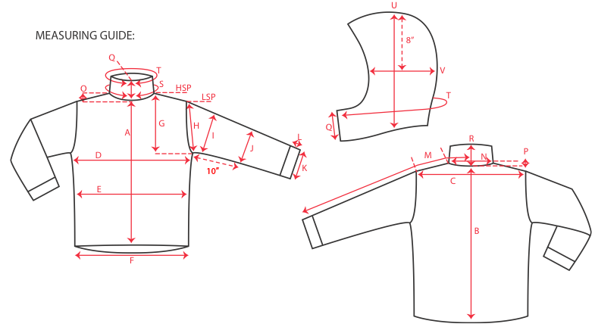
 |  |  |  |  | 1ST PROTO |  |  | 2ND PROTO |  |  | 3RD PROTO |  |  | S/SAMPLE |  |  | PP SAMPLE |  | FINAL
 |  |  |  | DATE: | 2016-07-29 |  | DATE: | 2016-09-08 |  | DATE: |  |  | DATE: |  |  | DATE:
 |  |  | TOL +/- | INITIAL MEASMNT | SAMPLE MEASURES | REVISE TO | REQUESTED | SAMPLE MEASURES | REVISE TO | REQUESTED | SAMPLE MEASURES | REVISE TO | REQUESTED | SAMPLE MEASURES | REVISE TO | REQUESTED | SAMPLE MEASURES | REVISE TO | APPROVED MEASMNTS
A | CF LENGTH - FROM NECKLINE |  | 0.25 | 26 | 26 |  | 26 | 26 |  |  |  |  | 26
B | CB LENGTH - FROM NECKLINE |  | 0.25 | 29.5 | 30 | OK | 30 | 29.5 | 30 |  |  |  | 30

C | SHOULDER WIDTH |  | 0.5
D | CHEST WIDTH - 1" BELOW ARMHOLE, HALF MEASURE |  | 0.5 | 20.75 | 19 | 21.25 | 21.25 | 21.25 |  |  |  |  | 21.25
E | WAIST WIDTH - 1/2 MEASURE, FROM HSP: XS-16", S-16.5", M-17", L-17.5" |  | 0.5 | 20 | 18 | 21.25 | 21.25 | 21.25 |  |  |  |  | 21.25
 | HIP WIDTH - 1/2 MEASURE, FROM HSP: XS-22.5", S-23", M-23.5", L-24" |  | 0.5 |  | 17.25 | 21.5 | 21.5 | 22 | 21.5 |  |  |  | 21.5
F | HEM OPENING - 1/2 MEASURE |  | 0.5 | 18.25 | 17.25 | 18.5 | 18.5 | 18.25 | 19 |  |  |  | 19

G | ARMHOLE FRM HSP - STRAIGHT 1/2 MEASURE |  | 0.125 | 10.75 | 10.5 | 10.75 | 10.75 | 10.75 |  |  |  |  | 10.75
H | ARMHOLE FRM LSP - STRAIGHT 1/2 MEASURE |  | 0.125
I | BICEP - 1" BELOW UNDERARM (1/2 MEASURE) |  | 0.25 | 8.5 | 7.75 | 8.5 | 8.5 | 8.5 |  |  |  |  | 8.5
J | ELBOW - 10" BELOW UNDERARM (1/2 MEASURE) |  | 0.25 | 6.75 | 6.375 | 7 | 7 | 7 |  |  |  |  | 7
K | SLEEVE OPENING - INCL GUSSET (1/2 MEASURE) |  | 0.125 | 4.75 | 4 | 4.5 | 4.5 | 4.5 | 4.25 |  |  |  | 4.25
L | CUFF HEIGHT |  | 0.125 | 4 | 4 |  | 4 | 4 |  |  |  |  | 4
M | SLEEVE LENGTH - 3 PT MEASURE FROM CB |  | 0.25 | 34.5 | 34.5 |  | 34.5 | 35 |  |  |  |  | 34.5

N | NECK WIDTH |  | 0.125 | 9.5 | 8.75 | 9.5 | 9.5 | 9.5 | 9 |  |  |  | 9
O | FRONT NECK DROP FROM HSP |  | 0.125 | 5 | 4.5 | OK | 4.5 | 4.5 | 4 |  |  |  | 4
P | BACK NECK DROP FROM HSP |  | 0.125 | 1 |  |  | 1 | 1 |  |  |  |  | 1
Q | CF COLLAR HEIGHT |  | 0.125 | 4 |  | OK | 4 | 4 |  |  |  |  | 4
R | CB COLLAR HEIGHT |  | 0.125
S | NECK CIRCUMFERENCE |  | 0.5 | 23.5
T | COLLAR CIRCUMFERENCE |  | 0.5 | 27.5 | 26.6 | 27.5 | 27.5 | 27.5 |  |  |  |  | 27.5
U | HOOD HEIGHT - SHOULDER SEAM TO TOP |  | 0.125 | 14.25 | 14 | 14.25 | 14.25 | 14.25 |  |  |  |  | 14.25
V | HOOD WIDTH - 8" DOWN |  | 0.125 | 10 | 9.5 | 10 | 10 | 10 |  |  |  |  | 10
W | HOOD RUN |  | 0.25 | 20.5 | 20.5 | 21 | 21 | 21 |  |  |  |  | 21
X | WAIST GATOR ELASTIC - FULL MEAS. RELAXED |  | 0.5 | 29.5
Y | WAIST GATOR ELASTIC - FULL MEAS. EXTENDED |  | 0.5 | 37

 | CENTER FRONT | #5 METAL | 0.25 | 30 |  |  | 30 | 30 |  |  |  |  | 30
 | HAND POCKETS | #5 COIL | 0.25 | 6 | 6.25 | OK | 6.25 | 6.25 |  |  |  |  | 6.25
 | LEFT ARM POCKET | #5 METAL | 0.25 | 4 | 4 | 4.5 | 4.5 | 4.5 |  |  |  |  | 4.5
 | INSIDE POCKET | #5 COIL | 0.25 | 6 |  |  | 6 | 6 |  |  |  |  | 6

COMMENTS
 | L1 Womens Jacket
 | SEASON: | WINTER 2017/2018 | STATUS: | X | NOT APPROVED FOR S/SAMPLES; SUBMIT A 2nd PROTO SAMPLE (subject to revisions)
 | STYLE NUMBER: | L1TA-107-17 |  |  | NOT APPROVED FOR S/SAMPLES; SUBMIT A 3rd PROTO SAMPLE (subject to revisions)
 | STYLE NAME: | MOONAGE |  |  | NOT APPROVED FOR S/SAMPLES; SUBMIT A MOCK UP (subject to revisions)
 | BLOCK: | 0 | 2016-09-09 | X | APPROVED FOR S/SAMPLES (subject to revisions)
 | FIT: | STREET FIT |  |  | NOT APPROVED FOR PRODUCTION; SUBMIT A P/P SAMPLE (subject to revisions)
 |  |  |  |  | APPROVED FOR PRODUCTION (subject to revisions)

2016-06-21 | TO ADD TO 1ST PROTO COMMENTS
 | >REVISE CF ZIPPER TO SEMI AUTO LOCK, REVISE OTHER ZIPPERS TO NON LOCKING
 | LINING UPDATES
 | >SLEEVES AND INNER POCKET BAG = SOLID NYLON 210T
 | >BODY & HOOD = BLOSSOM PRINT SATIN
 | >CHIN = BRUSHED TRICOT

2016-07-13 | TRIM AND COLORWAY INFO IS ADDED FOR SMS

JULY 21, 201 | COMMENTS AT SOLUNA OFFICE
 | >SEAM TAPE REVISED TO TSGS
 | >REMOVE SNAP FROM HEM
 | >REVISE HOOD CORD LOCK TO KNK-SP-042 - THIS STYLE DOES NOT NEED WEBBING, DYE TO MATCH SHELL COLORS: 19-4006 BLACK, MILITARY 19-0515 TPX, 15-1512 TPX PINK
 | >RIBBING, ZIPPER TAPE, SHOCKCORD, AND COLOR LOCK: COLOR IS DYE TO MATCH SHELL COLORS: 19-4006 BLACK, MILITARY 19-0515 TPX, 15-1512 TPX PINK
 | >KEEP CENTER FRONT BUTTON LOOPS SHOCKCORD - COLOR IS DYE TO MATCH SHELL
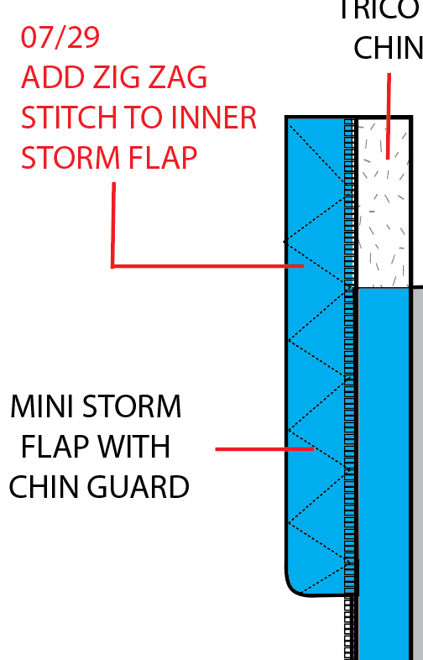
 | >ADD ZIG ZAG STITCH TO STORM FLAP VISIBLE ON TOP SIDE ----------------------------------->
 | >SLEEVE POCKET: INCREASE HEIGHT BY 1/2", ADD SELF FABRIC CAP TO TOP AND BOTTOM TO HIDEMETAL ZIPPER ENDS
 | >SLEEVE POCKET ZIPPER SHOULD BE METAL
UNIVERSAL | >BACK NECK LOCKER LOOP REDUCE WIDTH

2016-07-29 | ADDITIONAL FITTING COMMENTS
 | >EXTEND HEM RIB AT CF 2" ON EACH SIDE, SEE MARKING ON SAMPLE
 | >THIS SAMPLE IS OUT OF TOLERANCE AND VERY UNDERSPEC. WE WERE UNABLE TO FIT THIS SAMPLE
 | >PLEASE RESEND PROTO WITH CORRECT MEASUREMENTS FOR FITTING ASAP. FOLLOW THE REVISED MEASUREMENTS CAREFULLY
 | TO ENSURE THAT THE 2ND PROTO IS APPROVABLE.

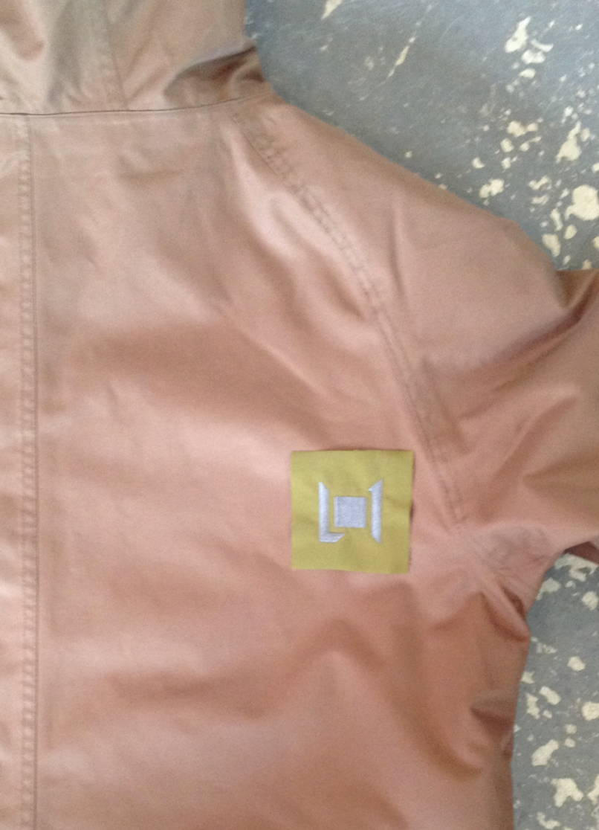
3 1/2"
1 1/4" UP
 | SEND 2ND PROTO FOR APPROVAL

2016-09-09 | 2ND PROTO COMMENTS
 | >L1-2016-027 BACK EMBROIDERY PLACEMENT: 3 1/2" IN FROM UNDERARM POINT X 1 1/4" UP ------------>
 | >ENSURE FRONT AND BACK BODY LENGTHS ARE LEVEL.
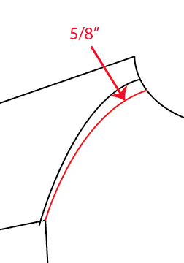
 | >DECREASE HIP WIDTH -1/2", SAMPLE IS OVER SPEC
 | >INCREASE HEM OPENING RELAXED MEASUREMENT +3/4" FLAT
 | >REPEAT COMMENT: EXTEND HEM RIB 2" ON EACH SIDE AT CENTER FRONT
 | >REDUCE SLEEVE OPENING -1/4"
 | >REDUCE NECK WIDTH -1/2" AND DROP -1/2"
 | >ADJUST RAGLAN SEAM PLACEMENT TO BE 5/8" CLOSER TO CF ----->>>
 | APPROVED FOR SALESMAN SAMPLES WITH REVISIONS

