SHELL
NITRO MENS JACKET |  |  |  |  |  |  | SAMPLE SIZE LARGE / XS-XXL
SEASON: |  | WINTER 2018/2019 |  |  | CONTRACTOR: |  | SOLUNA
STYLE NUMBER: |  | N17-112 |  |  | DATE CREATED: |  | 2017-03-22
STYLE NAME: |  | ATACAMA PONCHO |  |  | DATE REVISED:
WATERPROOF/BREATHABILITY: |  |  |  |  | BLOCK: |  | NEW
SEAM SEALING: |  |  |  |  | FIT: |  | RELAXED
INSULATION: |  | NON INSULATED |  |  | TARGET FOB:
 | 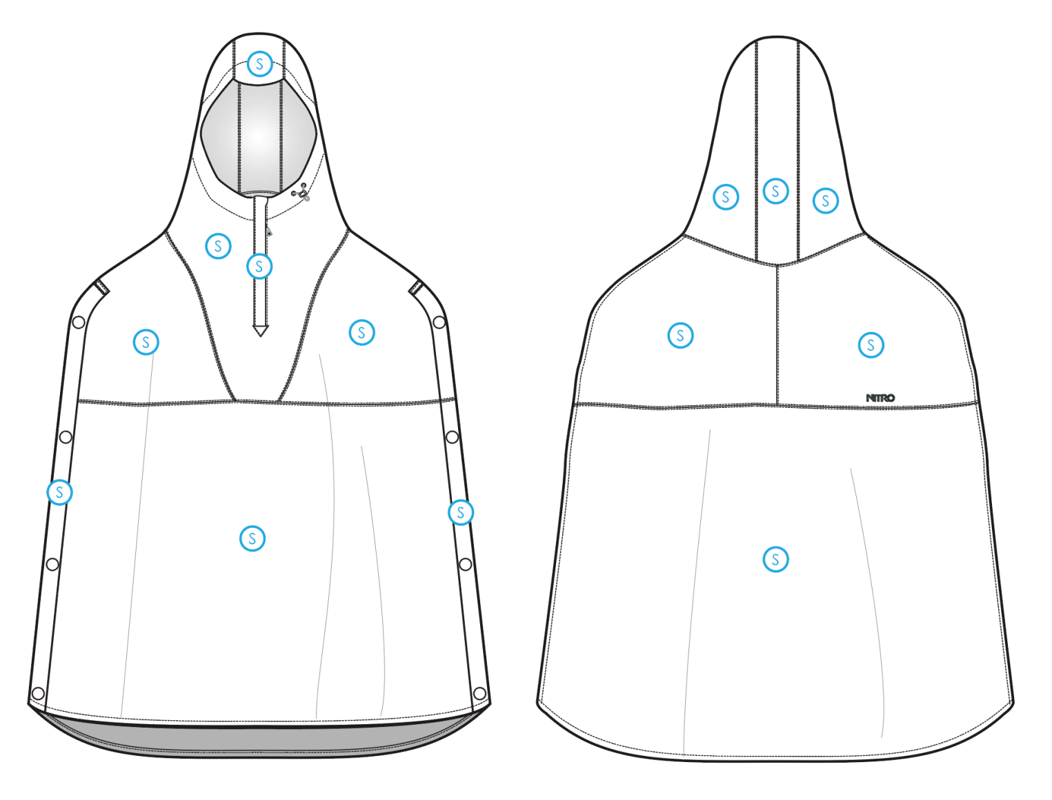
 |  |  |  | COLORWAYS
SHELL FABRIC | SUPPLIER/ REFERENCE NUMBER | LOCATION | CONTENT | COLORWAY 1 | COLORWAY 2 | COLORWAY 3 | COLORWAY 4 | COLORWAY 5
 | HYPERBOLA / SC670-6 *2.5L MICRO RIP | A |  | COLOR

INSULATION | SUPPLIER/ REFERENCE NUMBER | LOCATION | CONTENT | COLORWAY 1 | COLORWAY 2 | COLORWAY 3 | COLORWAY 4 | COLORWAY 5 | 0
NON INSULATED

SEAM TAPE | SUPPLIER/ REFERENCE NUMBER | LOCATION | CONTENT | COLORWAY 1 | COLORWAY 2 | COLORWAY 3 | COLORWAY 4 | COLORWAY 5 | 0
SEAM TAPE | TSGS |  |  | TO BE DETERMINED

LINING | SUPPLIER/ REFERENCE NUMBER | LOCATION | CONTENT | COLORWAY 1 | COLORWAY 2 | COLORWAY 3 | COLORWAY 4 | COLORWAY 5 | 0
SOLID 210T | SOLIS / SONP006-1 | HOOD | 100% NYLON | COLOR
SOLID 210T | SOLIS / SONP006-1 | MAIN BODY | 100% NYLON | COLOR

MEASUREMENTS
NITRO MENS JACKET |  |  |  |  |  |  |  | SAMPLE SIZE LARGE / XS-XXL
SEASON: |  | WINTER 2018/2019 |  |  |  |  |  | CONTRACTOR: |  |  |  |  |  | SOLUNA
STYLE NUMBER: |  | N17-112 |  |  |  |  |  | DATE CREATED: |  |  |  |  |  | 2017-03-22
STYLE NAME: |  | ATACAMA PONCHO |  |  |  |  |  | DATE REVISED: |  |  |  |  |  | 0
WATERPROOF/BREATHABILITY: |  | 0 |  |  |  |  |  | BLOCK: |  |  |  |  |  | NEW
SEAM SEALINING: |  | 0 |  |  |  |  |  | FIT: |  |  |  |  |  | RELAXED
INSULATION: |  | NON INSULATED |  |  |  |  |  | TARGET FOB: |  |  |  |  |  | $0.00
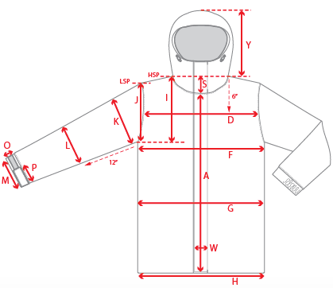 |  |  | 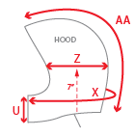 |  |  |  | 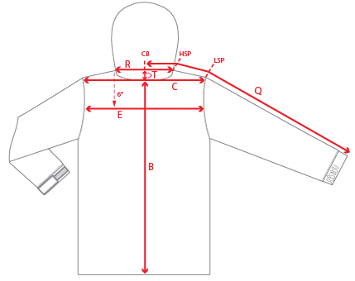
 |  |  |  | 1ST PROTO |  |  | 2ND PROTO |  |  | 3RD PROTO |  |  | S/SAMPLE |  |  | PP SAMPLE |  | FINAL
 |  |  | DATE: |  |  | DATE: |  |  | DATE: |  |  | DATE: |  |  | DATE:
 |  | TOL +/- | INITIAL MEASMNT | SAMPLE MEASURES | REVISE TO | REQUESTED | SAMPLE MEASURES | REVISE TO | REQUESTED | SAMPLE MEASURES | REVISE TO | REQUESTED | SAMPLE MEASURES | REVISE TO | REQUESTED | SAMPLE MEASURES | REVISE TO | APPROVED MEASMNTS
A | CF LENGTH - FROM NECKLINE | 0.25 | 21
B | CB LENGTH - FROM NECKLINE | 0.25 | 32
C | SHOULDER WIDTH - STRAIGHT ACROSS, 3" DOWN FROM HSP | 0.25 | 20
D | ACROSS FRONT- 6" FROM HPS | 0.25 | 24
E | ACROSS BACK- 6" FROM HPS | 0.25 | 24
F | CHEST WIDTH - 1" BELOW ARMHOLE (1/2 MEASURE) | 0.25
G | WAIST WIDTH - 1/2 MEASURE, FROM HSP: S-19", M-19.5", L-20", XL-20.5" | 0.25 | 40
H | HEM OPENING - (1/2 MEASURE) STRAIGHT ACROSS | 0.25 | 48
 | FRONT SHIRT TAIL HEM HEIGHT (SIDESEAM RISE AT HEM) | 0.25 | 5
I | ARMHOLE FRM HSP - STRAIGHT (1/2 MEASURE) | 0.125
J | ARMHOLE FRM LSP - STRAIGHT (1/2 MEASURE) | 0.125
K | BICEP - 1" BELOW UNDERARM (1/2 MEASURE) | 0.125
L | ELBOW - 12" BELOW UNDERARM (1/2 MEASURE) | 0.125
M | SLEEVE OPENING - RELAXED (1/2 MEASURE) | 0.125
N | SLEEVE OPENING - STRETCHED (1/2 MEASURE) | 0.125
 | WRIST GAITER LENGTH | 0.125
 | WRIST GAITER OPENING (1/2 MEASURE) | 0.125
O | CUFF HEIGHT | 0.125
P | CUFF TAB LENGTH | 0.125
Q | CB SLEEVE LENGTH - 3 PT MEASURE FROM CB | 0.25
R | NECK WIDTH - STRAIGHT HPS TO HPS (1/2 MEASURE) | 0.125 | 10.5
S | FRONT NECK DROP - FROM HSP | 0.125 | 10
T | BACK NECK DROP - FROM HSP | 0.125 | 1
U | CF COLLAR HEIGHT | 0.125 | 11.5
V | CB COLLAR HEIGHT | 0.125
W | CENTER FRONT PLACKET WIDTH | 0.125 | 1
X | COLLAR CIRCUMFERENCE | 0.25 | 29
Y | HOOD HEIGHT - SHOULDER SEAM TO TOP | 0.125 | 16
Z | HOOD WIDTH - 7" UP FROM NECK SEAM | 0.125 | 10.5
AA | HOOD RUN | 0.25 | 23.5
AB | POWDER SKIRT LENGTH - EDGE TO EDGE, RELAXED | 0.5
AC | WAIST GAITER ELASTIC - FULL MEAS. RELAXED | 0.5
AD | WAIST GAITER ELASTIC - MIN. FULL MEAS. EXTENDED | 0.5
AE | POWDER SKIRT HEIGHT AT CB (INCLUDES ELASTIC) | 0.25
 | SIDE OPENING SNAP PLACKET WIDTH | 0.125 | 1
 | CF TRIANGLE PATCH WIDTH | 0.125 | 1.25
 | CF TRIANGLE PATCH HEIGHT | 0.125 | 1
 |  | 0.125
ZIPPERS | CENTER FRONT | 0.25 | 8.5
 | #REF! | 0.25

 | ZIPPER RULES:
 | CF = XXX SHORTER THAN CF LENGTH

