SHELL
L1 MENS JACKET |  |  |  |  |  |  | SAMPLE SIZE LARGE / XS-XXL
SEASON: |  | WINTER 2018/2019 |  |  | CONTRACTOR: |  | SOLUNA
STYLE NUMBER: |  | L1-104-18 |  |  | DATE CREATED: |  | 2017-02-27
STYLE NAME: |  | LEGACY |  |  | DATE REVISED: |  | 2017-04-07
WATERPROOF/BREATHABILITY: |  | 10K/10K |  |  | BLOCK: |  | L1-104-17 LEGACY
SEAM SEALING: |  | CRITICALLY SEAM SEALED |  |  | FIT: |  | REGULAR
INSULATION: |  | 40G PINNECO MANTLE HOOD & SLEEVES, 60G BODY |  |  | TARGET FOB:
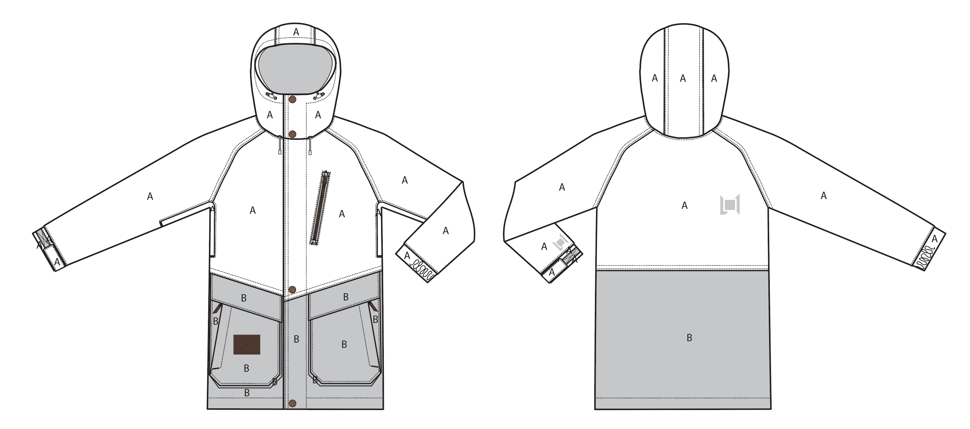
 |  |  |  | COLORWAYS
SHELL FABRIC | SUPPLIER/ REFERENCE NUMBER | LOCATION | CONTENT | RUST / BLACK | INK / GUNMETAL | BLACK | VINTAGE CAMO BROKEN TWILL
BROKEN TWILL | SOLIS / BROKEN TWILL WL248, 10K/10K, C6 + DWR | A |  | RUST | INK | BLACK | VINTAGE CAMO BROKEN TWILL
OXFORD | SOLIS/ OXFORD L2-581 / 10K/10K, C6 + DWR | B |  | BLACK | GUNMETAL | BLACK | X
BROKEN TWILL | SOLIS / BROKEN TWILL WL248, 10K/10K, C6 + DWR | B |  | x | x | x | VINTAGE CAMO BROKEN TWILL

INSULATION | SUPPLIER/ REFERENCE NUMBER | LOCATION | CONTENT | RUST / BLACK | INK / GUNMETAL | BLACK | VINTAGE CAMO BROKEN TWILL | 0 | 0
POLYFILL INSULATION | PINNECO MANTLE 40G | HOOD AND SLEEVES | 100% POLYESTER | PINNECO MANTLE 40G | PINNECO MANTLE 40G | PINNECO MANTLE 40G | PINNECO MANTLE 40G
POLYFILL INSULATION | PINNECO MANTLE 60G | BODY | 100% POLYESTER | PINNECO MANTLE 60G | PINNECO MANTLE 60G | PINNECO MANTLE 60G | PINNECO MANTLE 60G

SEAM TAPE | SUPPLIER/ REFERENCE NUMBER | LOCATION | CONTENT | RUST / BLACK | INK / GUNMETAL | BLACK | VINTAGE CAMO BROKEN TWILL | 0 | 0
SEAM TAPE | TSGS | CRITICALLY SEAM TAPED |  | CRITICALLY SEAM TAPED | CRITICALLY SEAM TAPED | CRITICALLY SEAM TAPED | CRITICALLY SEAM TAPED

LINING | SUPPLIER/ REFERENCE NUMBER | LOCATION | CONTENT | RUST / BLACK | INK / GUNMETAL | BLACK | VINTAGE CAMO BROKEN TWILL | 0 | 0
SOLID 210T | SOLIS / SONP006-1 | HOOD | 100% POLYESTER | BLACK | BLACK | BLACK | BLACK
PRINTED SATIN | LUCKY / SATIN LINING LTC36838-X-P1847 with dead flowers print | MAIN BODY | 100% POLYESTER | LUCKY / SATIN LINING LTC36838-X-P1847 with dead flowers print | LUCKY / SATIN LINING LTC36838-X-P1847 with dead flowers print | LUCKY / SATIN LINING LTC36838-X-P1847 with dead flowers print | X
SOLID SATIN | LUCKY / SOLID SATIN LINING LTC36838-X-P1847 | MAIN BODY | 100% POLYESTER | X | X | X | BLACK
SOLID 210T | SOLIS / SONP006-1 | SLEEVES | 100% NYLON | BLACK | BLACK | BLACK | BLACK
SOLID 210T | SOLIS / SONP006-1 | POCKET BAGS OTHER THAN HAND | 100% NYLON | BLACK | BLACK | BLACK | BLACK
SOLID 210T | SOLIS / SONP006-1 | TOP ENTRY HAND POCKET BAGS | 100% NYLON | BLACK | BLACK | BLACK | BLACK
SOLID COATED 210T | SOLIS / SONP006-PU03 | LOWER BODY & POWDER SKIRT | 100% NYLON | BLACK | BLACK | BLACK | BLACK
BRUSHED TRICOT | SUPPLIER / REF CODE | SIDE ENTRY HAND POCKET BAGS | 100% POLYESTER | BLACK | BLACK | BLACK | BLACK
BRUSHED TRICOT | SUPPLIER / REF CODE | CHIN GUARD | 100% POLYESTER | BLACK | BLACK | BLACK | BLACK
REGULAR MESH | SUPPLIER / REF CODE | UNDERARM VENTS | 100% POLYESTER | BLACK | BLACK | BLACK | BLACK
REGULAR MESH | SUPPLIER / REF CODE | GOGGLE POCKET | 100% POLYESTER | BLACK | BLACK | BLACK | BLACK
STRETCH LYCRA | SUPPLIER / REF CODE | SLEEVE GAITERS |  | BLACK | BLACK | BLACK | BLACK

MEASUREMENTS
L1 MENS JACKET |  |  |  |  |  |  |  | SAMPLE SIZE LARGE / XS-XXL
SEASON: |  | WINTER 2018/2019 |  |  |  |  |  | CONTRACTOR: |  |  |  |  |  | SOLUNA
STYLE NUMBER: |  | L1-104-18 |  |  |  |  |  | DATE CREATED: |  |  |  |  |  | 2017-02-27
STYLE NAME: |  | LEGACY |  |  |  |  |  | DATE REVISED: |  |  |  |  |  | 2017-04-07
WATERPROOF/BREATHABILITY: |  | 10K/10K |  |  |  |  |  | BLOCK: |  |  |  |  |  | L1-104-17 LEGACY
SEAM SEALINING: |  | CRITICALLY SEAM SEALED |  |  |  |  |  | FIT: |  |  |  |  |  | REGULAR
INSULATION: |  | 40G PINNECO MANTLE HOOD & SLEEVES, 60G BODY |  |  |  |  |  | TARGET FOB: |  |  |  |  |  | $0.00
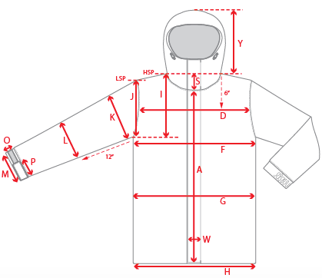 |  |  | 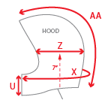 |  |  |  | 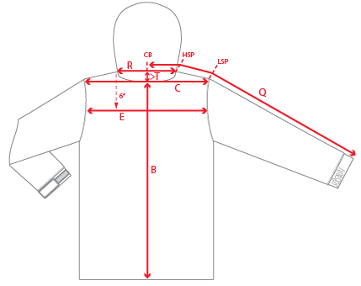
 |  |  |  | 1ST PROTO |  |  | 2ND PROTO |  |  | 3RD PROTO |  |  | S/SAMPLE |  |  | PP SAMPLE |  | FINAL
 |  |  | DATE: |  |  | DATE: |  |  | DATE: |  |  | DATE: |  |  | DATE:
 |  | TOL +/- | INITIAL MEASMNT | SAMPLE MEASURES | REVISE TO | REQUESTED | SAMPLE MEASURES | REVISE TO | REQUESTED | SAMPLE MEASURES | REVISE TO | REQUESTED | SAMPLE MEASURES | REVISE TO | REQUESTED | SAMPLE MEASURES | REVISE TO | APPROVED MEASMNTS
A | CF LENGTH - FROM NECKLINE | 0.25 | 29
B | CB LENGTH - FROM NECKLINE | 0.25 | 32.5
C | SHOULDER WIDTH | 0.25
D | ACROSS FRONT- 6" FROM HPS | 0.25 | 14.25
E | ACROSS BACK- 6" FROM HPS | 0.25 | 14.25
F | CHEST WIDTH - 1" BELOW ARMHOLE (1/2 MEASURE) | 0.25 | 25.25
G | WAIST WIDTH - 1/2 MEASURE, FROM HSP: S-19", M-19.5", L-20", XL-20.5" | 0.25 | 25
H | HEM OPENING - (1/2 MEASURE) | 0.25 | 24.5
I | ARMHOLE FRM HSP - STRAIGHT (1/2 MEASURE) | 0.125 | 12.75
J | ARMHOLE FRM LSP - STRAIGHT (1/2 MEASURE) | 0.125
K | BICEP - 1" BELOW UNDERARM (1/2 MEASURE) | 0.125 | 10.25
L | ELBOW - 12" BELOW UNDERARM (1/2 MEASURE) | 0.125 | 8
M | SLEEVE OPENING - RELAXED (1/2 MEASURE) | 0.125 | 6.5
N | SLEEVE OPENING - STRETCHED (1/2 MEASURE) | 0.125 | 7.25
 | WRIST GATOR LENGTH | 0.125 | 4.25
 | WRIST GATOR OPENING (1/2 MEASURE) | 0.125 | 4
O | CUFF HEIGHT | 0.125 | 2
P | CUFF TAB LENGTH | 0.125 | 4.25
Q | CB SLEEVE LENGTH - 3 PT MEASURE FROM CB | 0.25 | 38.5
R | NECK WIDTH - STRAIGHT HPS TO HPS (1/2 MEASURE) | 0.125 | 9.75
S | FRONT NECK DROP - FROM HSP | 0.125 | 4.5
T | BACK NECK DROP - FROM HSP | 0.125 | 1
U | CF COLLAR HEIGHT | 0.125 | 4.5
V | CB COLLAR HEIGHT | 0.125
W | CENTER FRONT PLACKET WIDTH | 0.125
X | COLLAR CIRCUMFERENCE | 0.25 | 28.5
Y | HOOD HEIGHT - SHOULDER SEAM TO TOP | 0.125 | 15
Z | HOOD WIDTH - 7" UP FROM NECK SEAM | 0.125 | 10.25
AA | HOOD RUN | 0.25 | 22
AB | POWDER SKIRT LENGTH - EDGE TO EDGE, RELAXED | 0.5 | 40.75
AC | WAIST GAITER ELASTIC - FULL MEAS. RELAXED | 0.5 | 33.75
AD | WAIST GAITER ELASTIC - MIN. FULL MEAS. EXTENDED | 0.5 | 45
AE | POWDER SKIRT HEIGHT AT CB (INCLUDES ELASTIC) | 0.25 | 6
 | CHEST POCKET WELT LENGTH | 0.125
 | CHEST POCKET WELT WIDTH | 0.125
 | HAND POCKET WELT LENGTH | 0.125
 | HAND POCKET WELT WIDTH | 0.125
ZIPPERS | CENTER FRONT | 0.25 | 33.5
 | CHEST POCKET VERTICAL | 0.125 | 6.5
 | #REF! | 0.125
 | #REF! | 0.125
 | #REF! | 0.125
 | UNDERARM VENTS | 0.25 | 12
 | HAND POCKETS VERTICAL | 0.125 | 7.5
 | #REF! | 0.125
 | LINING POCKET VERTICAL | 0.125 | 6.5
 | #REF! | 0.125
 | #REF! | 0.25

 | ZIPPER RULES:
 | CF = XXX SHORTER THAN CF LENGTH

