SHELL
 | L1 Mens Jacket
 | SEASON: |  | WINTER 2017/2018 |  | CONTRACTOR: |  | SOLUNA
 | STYLE NUMBER: |  | L1-105-17 |  | DATE CREATED: |  | 2016-03-14
 | STYLE NAME: |  | LAWTON |  | DATE REVISED:
 | FABRIC RATING: |  | 10K/10K |  | BLOCK: |  | L1-107-16 CHIEFTAN
 | SEAM SEALING: |  | CRITICALLY TAPED |  | FIT: |  | REGULAR
 | INSULATION: |  | SYNTHETIC DOWN |  | TARGET FOB: |  | $55.00
 | SAMPLE SIZE: |  | MENS LARGE
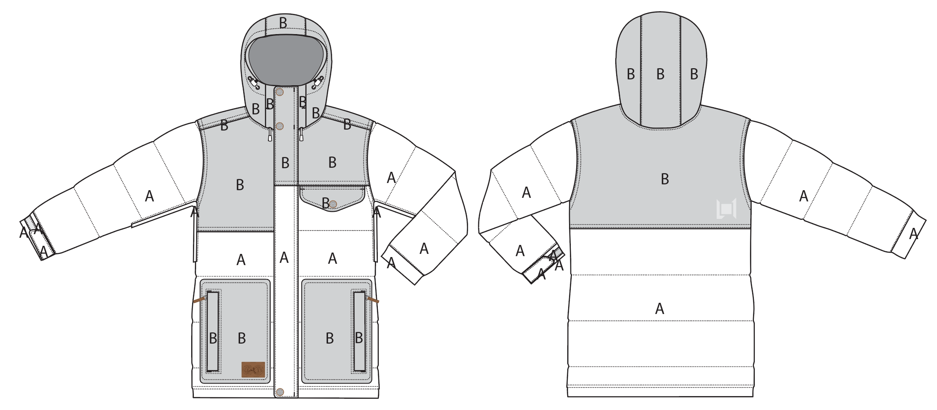
 |  |  |  | COLORWAYS
SHELL FABRIC | ITEM | SUPPLIER/ REF NUMBER | CONTENT | COLORWAY 1 | COLORWAY 2 | COLORWAY 3
A | WIP003-QPRDF6 $4.40/ OXFORD $4.00 | WIDE +

INSULATION | ITEM | SUPPLIER/ REF NUMBER | CONTENT | COLORWAY 1 | COLORWAY 2 | COLORWAY 3 | 0 | 0 | 0
HOOD & SLEEVES | SYNTHETIC DOWN | DF 200gm | 100% POLY | DF 200gm
BODY | SYNTHETIC DOWN | DF 240gm | 100% POLY | DF 240gm

SEAM TAPE | ITEM | SUPPLIER/ REF NUMBER | CONTENT | COLORWAY 1 | COLORWAY 2 | COLORWAY 3 | 0 | 0 | 0
CRITICALLY TAPED | WIDTH...SEAM TAPE | SEALON |  | CRITICALLY TAPED

LINING | ITEM | SUPPLIER/ REF NUMBER | CONTENT | COLORWAY 1 | COLORWAY 2 | COLORWAY 3 | 0 | 0 | 0
HOOD, SLEEVES, CHEST POCKET BAG | SOLID 210D | SOLIS / REF NUMBER
FRONT AND BACK PANELS | PRINTED 210T | SOLIS / REF NUMBER
LOWER BODY & POWDER SKIRT | SOLID COATED 210D | SOLIS / REF NUMBER
CHIN & HAND POCKET BAGS | BRUSHED TRICOT | SOLIS / REF NUMBER
UNDERAM VENTS & GOGGLE POCKET | REGULAR MESH | SOLIS / REF NUMBER
SLEEVE GAITER | STRETCH LYCRA | SOLIS / REF NUMBER

TRIMS
 | L1 Mens Jacket
 | SEASON: |  | WINTER 2017/2018 |  | CONTRACTOR: |  | SOLUNA
 | STYLE NUMBER: |  | L1-105-17 |  | DATE CREATED: |  | 2016-03-14
 | STYLE NAME: |  | LAWTON |  | DATE REVISED:
 | FABRIC RATING: |  | 10K/10K |  | BLOCK: |  | L1-107-16 CHIEFTAN
 | SEAM SEALING: |  | CRITICALLY TAPED |  | FIT: |  | REGULAR
 | SAMPLE SIZE: |  | MENS LARGE |  | TARGET FOB: |  | 55

ZIPPERS | ITEM | SUPPLIER/ REF NUMBER | AMOUNT | COLORWAY 1 | COLORWAY 2 | COLORWAY 3 | 0 | 0 | 0
CENTER FRONT | #5 VISLON | YKK ZA SNAP ON // 1-WAY SEPERATING AUTO LOCK | 1 | PSEUDO ANTI SILVER SLIDER AND DTM TEETH / DTM TAPE
UNDERARMS | #5 COIL | DADHR DIECAST WIRE (NON YKK) AUTO LOCK (ZIP UP TO CLOSE) | 1 PER SIDE = 2 | PSEUDO ANTI SILVER SLIDER AND DTM TEETH / DTM TAPE
HAND POCKETS | #5 COIL | DADHR DIECAST WIRE (NON YKK) AUTO LOCK | 1 PER SIDE = 2 | PSEUDO ANTI SILVER SLIDER AND DTM TEETH / DTM TAPE

ZIPPER PULLS | ITEM | SUPPLIER/ REF NUMBER | AMOUNT | COLORWAY 1 | COLORWAY 2 | COLORWAY 3 | 0 | 0 | 0
CENTER FRONT | L1 SNAP ON METAL ZIPPER PULL | LUKS / L1-2016-TRIM-009 | 1 | PSEUDO ANTI SILVER
UNDERARMS | SELF FABRIC PULL | FACTORY MADE // 11NT-045 | 1 PER SIDE = 2 | SHELL FABRIC MATCHING
HAND POCKETS | SPECIAL PULL | FACTORY MADE ?? | 1 PER SIDE = 2 | BROWN | 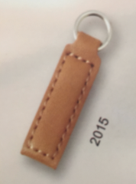

L1 BRANDED TRIMS | ITEM | SUPPLIER/ REF NUMBER | AMOUNT | COLORWAY 1 | COLORWAY 2 | COLORWAY 3 | 0 | 0 | 0
FRONT LEFT SLEEVE | L1 SMALL EMBROIDERY | SOLUNA / L1-2016-026 | 1 | DTM
BACK RIGHT | L1 LARGE EMBROIDERY | SOLUNA / L1-2016-027 | 1 | DTM
FRONT PLACKET AND POCKET FLAP | L1 SNAP | LUKS / L1-2016-TRIM-002 | 4 | PSEUDO ANTI SILVER/ BROWN
RIGHT HAND POCKET | L1 NEW PATCH | LUKS / NEW TRIM | 1 | TBD

SNAPS | ITEM | SUPPLIER/ REF NUMBER | AMOUNT | COLORWAY 1 | COLORWAY 2 | COLORWAY 3 | 0 | 0 | 0
CF POWDER SKIRT CLOSURE | 14 MM PLASTIC SNAP | DURAFLEX / 1414 | 4 MALE, 2 FEMALE | BLACK
POW SKIRT: JACKET TO PANT CONNECTION ON POWDERSKIRT HEM | 14 MM PLASTIC SNAP | DURAFLEX / 1414 | 3 SETS | BLACK
"SNAP AWAY POWDER SKIRT" SNAP POWDER SKIRT TO FRONT FACING WHEN NOT IN USE | 14 MM PLASTIC SNAP | DURAFLEX / 1414 | 1 MALE, 1 FEMALE | BLACK

CORD LOCKS | ITEM | SUPPLIER/ REF NUMBER | AMOUNT | COLORWAY 1 | COLORWAY 2 | COLORWAY 3 | 0 | 0 | 0
FRONT HOOD CORD LOCKS | CORD LOCK | KNK / SP-204 | 1 PER SIDE = 2 | TBD
FRONT HOOD SHOCKCORD TIPS | SHOCKCORD TIP | PLEASE SORCE | 1 PER SIDE = 2 | TBD
HEM CORD LOCKS | CORD LOCK | KNK / SP-177 | 1 PER SIDE = 2 | TBD
HEM CORD PULL | CORD TIP | KNK / CS-074 | 1 PER SIDE = 2 | TBD

GROMMETS | ITEM | SUPPLIER/ REF NUMBER | AMOUNT | COLORWAY 1 | COLORWAY 2 | COLORWAY 3 | 0 | 0 | 0
FRONT HOOD ADJUST CORD EXIT | GROMMET 8mm diameter | PLEASE SORCE | 2 PER SIDE = 4 | PSEUDO ANTI SILVER
HEM ADJUST CORD EXIT | GROMMET 8mm diameter | PLEASE SORCE | 2 PER SIDE = 4 | PSEUDO ANTI SILVER
HEM ADJUST CORD EXIT IN LINING POCKET | GROMMET 8mm diameter | PLEASE SORCE | 1 PER SIDE = 2 | PSEUDO ANTI SILVER

SHOCKCORD | ITEM | SUPPLIER/ REF NUMBER | AMOUNT | COLORWAY 1 | COLORWAY 2 | COLORWAY 3 | 0 | 0 | 0
HOOD & HEM | 3mm STRETCH SHOCKCORD | SUPPLER / REF NUBER

WEBBING | ITEM | SUPPLIER/ REF NUMBER | AMOUNT | COLORWAY 1 | COLORWAY 2 | COLORWAY 3 | 0 | 0 | 0
KEYCLIP LOOP RIGHT HAND POCKET | 1/4" FLAT X 1 3/4" LOOP | SUPPLER / REF NUBER | 1 | BLACK
HEM & HOOD CORD LOCK TIE DOWNS | 1/4" FLAT WEBBING LOOP | SUPPLER / REF NUBER | 5 | BLACK
RIGHT HAND POCKET | PLASTIC KEYCLIP | SUPPLER / REF NUBER | 1 | BLACK
INNER POCKET TAB | 3/4" | SUPPLER / REF NUBER | 1 | BLACK
JACKET TO PANT CONNECTION CENTER BACK | 3/4" X 1" FINISHED | SUPPLER / REF NUBER | TAB BEHIND EACH SNAP = 2 | BLACK
JACKET TO PANT CONNECTION AT SIDE TABS | 3/4" X 3 1/4" FLAT WEBBING | SUPPLER / REF NUBER | 1 | BLACK

ELASTIC | ITEM | SUPPLIER/ REF NUMBER | AMOUNT | COLORWAY 1 | COLORWAY 2 | COLORWAY 3 | 0 | 0 | 0
POWDER SKIRT GRIPPER ELASTIC | 25mm | SUPPLER / REF NUBER | 1 | STOCK
GOGGLE POCKET | ELASTINE BINDING | SUPPLER / REF NUBER | 1 | BLACK
LINING MEDIA POCKET CABLE GUIDE | 1/4" FLAT ELASTIC | SUPPLER / REF NUBER | 1 | BLACK
ENCASED IN BACK OF SLEEVE HEM |  | SUPPLER / REF NUBER | 1 | BLACK
JACKET TO PANT CONNECTION CENTER BACK TAB | FLAT ELASTIC TAPE 3/4" x 4 1/4" | SUPPLER / REF NUBER | 1 | BLACK

VELCRO | ITEM | SUPPLIER/ REF NUMBER | AMOUNT | COLORWAY 1 | COLORWAY 2 | COLORWAY 3 | 0 | 0 | 0
CUFF | 2.5cm X 9cm | PAIHO / Loop#1057 | 1 LOOP TAB | MATCHING
CUFF TAB | 2.5cm X 6.5cm | PAIHO / HookETN7 | 1 HOOK TAB | MATCHING
CF PLACKET | 1.3 cm X 7.5cm | PAIHO / HookETN7 / Loop#1057 | 4 SETS | MATCHING
MEDIA POCKET |  | PAIHO / HookETN7 / Loop#1057 | 1 SET | MATCHING

THREAD | SPI | REF NUMBER | AMOUNT | COLORWAY 1 | COLORWAY 2 | COLORWAY 3 | 0 | 0 | 0
SEAMS |  | #604 |  | MATCHING
TOPSTITCH |  |  |  | MATCHING
BARTACKS |  |  |  | MATCHING
SLEEVE GAITER COVER STITCH |  |  |  | MATCHING

MARKETING | DESCRIPTION | REF NUMBER | AMOUNT | COLORWAY 1 | COLORWAY 2 | COLORWAY 3 | 0 | 0 | 0
LEFT HAND POCKET ZIPPER HEAD | L1 HANG TAG |  | 1 | L1 HANG TAG
LINING CB FACING | WP BREATH / SIZE LABEL / RN CA / MADE IN ___ |  | 1
LINING LEFT SIDE SEAM | ADDRESS LABEL | SEW AS LOOP | 1 | ADDRESS LABEL
LINING LEFT SIDE SEAM | CONTENT LABEL | SEW AS LOOP | 1 | CONTENT LABEL
LINING LEFT SIDE SEAM | WASHING LABEL | SEW AS LOOP | 1 | WASHING LABEL
FRONT LEFT BELT LOOP TO ATTACH HANG TAGS | CLEAR ZIP TIE | SUPPLIER // | 1 | CLEAR ZIP TIE

MEASURMENTS
 | L1 Mens Jacket
 | SEASON: |  | WINTER 2017/2018 |  |  |  |  |  | DATE CREATED:
 | STYLE NUMBER: |  | L1-105-17 |  |  |  |  |  | DATE REVISED:
 | STYLE NAME: |  | LAWTON |  |  |  |  |  | BLOCK: |  |  |  |  |  | L1-107-16 CHIEFTAN
 | SAMPLE SIZE: |  | MENS LARGE |  |  |  |  |  | FIT: |  |  |  |  |  | REGULAR
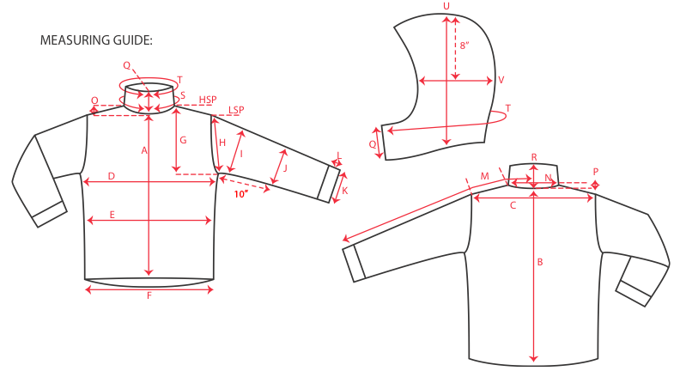
 |  |  |  |  | 1ST PROTO |  |  | 2ND PROTO |  |  | 3RD PROTO |  |  | S/SAMPLE |  |  | PP SAMPLE |  | FINAL
 |  |  |  | DATE: |  |  | DATE: |  |  | DATE: |  |  | DATE: | 2016-01-05 |  | DATE:
 |  |  | TOL +/- | INITIAL MEASMNT | SAMPLE MEASURES | REVISE TO | REQUESTED | SAMPLE MEASURES | REVISE TO | REQUESTED | SAMPLE MEASURES | REVISE TO | REQUESTED | SAMPLE MEASURES | REVISE TO | REQUESTED | SAMPLE MEASURES | REVISE TO | APPROVED MEASMNTS
A | CF LENGTH - FROM NECKLINE |  | 0.25 | 26.5
B | CB LENGTH - FROM NECKLINE |  | 0.25 | 32

C | SHOULDER WIDTH |  | 0.5 | 19.5
D | CHEST WIDTH - 1" BELOW ARMHOLE, HALF MEASURE |  | 0.5 | 25.25
E | WAIST WIDTH - 1/2 MEASURE, FROM HSP: S-19", M-19.5", L-20", XL-20.5" |  | 0.5 | 24.75
F | HEM OPENING - 1/2 MEASURE |  | 0.5 | 24.25

G | ARMHOLE FRM HSP - STRAIGHT 1/2 MEASURE |  | 0.125
H | ARMHOLE FRM LSP - STRAIGHT 1/2 MEASURE |  | 0.125 | 10.75
I | BICEP - 1" BELOW UNDERARM (1/2 MEASURE) |  | 0.25 | 10.25
J | ELBOW - 12" BELOW UNDERARM (1/2 MEASURE) |  | 0.25 | 8.25
K | SLEEVE OPENING - INCL GUSSET (1/2 MEASURE) |  | 0.125 | 6.5
L | CUFF HEIGHT |  | 0.125 | 1.5
M | SLEEVE LENGTH - 3 PT MEASURE FROM CB |  | 0.25 | 39

N | NECK WIDTH |  | 0.125 | 9.75
O | FRONT NECK DROP FROM HSP |  | 0.125 | 4.5
P | BACK NECK DROP FROM HSP |  | 0.125 | 1
Q | CF COLLAR HEIGHT |  | 0.125 | 4.5
R | CB COLLAR HEIGHT |  | 0.125
S | NECK CIRCUMFERENCE |  | 0.5 | 26
T | COLLAR CIRCUMFERENCE |  | 0.5 | 29
U | HOOD HEIGHT - SHOULDER SEAM TO TOP |  | 0.125 | 15
V | HOOD WIDTH - 8" DOWN |  | 0.125 | 10.75
W | HOOD RUN |  | 0.25 | 21.75
X | WAIST GATOR ELASTIC - FULL MEAS. RELAXED |  | 0.5 | 33.75
Y | WAIST GATOR ELASTIC - FULL MEAS. EXTENDED |  | 0.5 | 45

 | CENTER FRONT | #5 VISLON | 0.25 | 33
 | UNDERARMS | #5 COIL | 0.25 | 12
 | HAND POCKETS | #5 COIL | 0.25 | 7.5
 | 0 | 0 | 0.25

