SHELL
L1 MENS JACKET |  |  |  |  |  |  | SAMPLE SIZE LARGE / XS-XXL
SEASON: |  | WINTER 2018/2019 |  |  | CONTRACTOR: |  | SOLUNA
STYLE NUMBER: |  | L1-105-18 |  |  | DATE CREATED: |  | 2017-02-23
STYLE NAME: |  | AFTERSHOCK |  |  | DATE REVISED: |  | 2017-04-07
WATERPROOF/BREATHABILITY: |  | 10K/10K |  |  | BLOCK: |  | L1-105-17 LAWTON
SEAM SEALING: |  | CRITICALLY TAPED |  |  | FIT: |  | REGULAR INSULATED
INSULATION: |  | 150G PINNECO CORE |  |  | TARGET FOB:
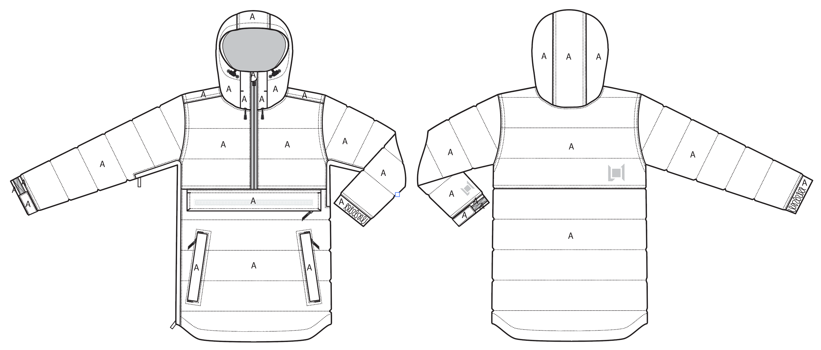
 |  |  |  | COLORWAYS
SHELL FABRIC | SUPPLIER/ REFERENCE NUMBER | LOCATION | CONTENT | SILT | WALNUT | BLACK
MICRO RIPSTOP | SOLIS / SOTL120-PU01 MICRO RIP 2L DOT LAM 10K/10K / C6 + DWR | A |  | SILT | WALNUT | BLACK

INSULATION | SUPPLIER/ REFERENCE NUMBER | LOCATION | CONTENT | SILT | WALNUT | BLACK | 0 | 0 | 0
POLYFILL INSULATION | PINNECO CORE 150G | ALL OVER | 100% POLYESTER | PINNECO CORE 150G | PINNECO CORE 150G | PINNECO CORE 150G

SEAM TAPE | SUPPLIER/ REFERENCE NUMBER | LOCATION | CONTENT | SILT | WALNUT | BLACK | 0 | 0 | 0
SEAM TAPE | TSGS | CRITICALLY SEAM TAPED |  | CRITICALLY SEAM TAPED | CRITICALLY SEAM TAPED | CRITICALLY SEAM TAPED

LINING | SUPPLIER/ REFERENCE NUMBER | LOCATION | CONTENT | SILT | WALNUT | BLACK | 0 | 0 | 0
SOLID 210T | SOLIS / SONP006-1 | HOOD | 100% NYLON | BLACK | BLACK | BLACK
SOLID 210T | SOLIS / SONP006-1 | MAIN BODY | 100% NYLON | BLACK | BLACK | BLACK
SOLID 210T | SOLIS / SONP006-1 | SLEEVES | 100% NYLON | BLACK | BLACK | BLACK
SOLID 210T | SOLIS / SONP006-1 | CHEST POCKET BAG | 100% NYLON | BLACK | BLACK | BLACK
SOLID COATED 210T | SOLIS / SONP006-PU03 | LOWER BODY & POWDER SKIRT | 100% NYLON | BLACK | BLACK | BLACK
BRUSHED TRICOT | SOLIS / BRUSHED TRICOT | HAND POCKET BAGS | 100% POLYESTER | BLACK | BLACK | BLACK
BRUSHED TRICOT | SOLIS / BRUSHED TRICOT | CHIN GUARD | 100% POLYESTER | BLACK | BLACK | BLACK
STRETCH LYCRA | SUPPLIER / REF CODE | SLEEVE GAITERS |  | BLACK | BLACK | BLACK

TRIMS
L1 MENS JACKET |  |  |  |  | SAMPLE SIZE LARGE / XS-XXL
SEASON: |  | WINTER 2018/2019 |  |  | CONTRACTOR: |  | SOLUNA
STYLE NUMBER: |  | L1-105-18 |  |  | DATE CREATED: |  | 2017-02-23
STYLE NAME: |  | AFTERSHOCK |  |  | DATE REVISED: |  | 2017-04-07
WATERPROOF/BREATHABILITY: |  | 10K/10K |  |  | BLOCK: |  | L1-105-17 LAWTON
SEAM SEALING: |  | CRITICALLY TAPED |  |  | FIT: |  | REGULAR INSULATED
INSULATION: |  | 150G PINNECO CORE |  |  | TARGET FOB: |  | $0.00

ZIPPERS | SUPPLIER/ REFERENCE NUMBER | LOCATION | AMOUNT | SILT | WALNUT | BLACK | 0 | 0 | 0
#5 MATTE WATER RESISTANT REVERSE COIL | YKK / 1-WAY SEMI AUTO LOCKING WITH 1 L1 CUSTOM PULL | CENTER FRONT | 1 | SLIDER/PULL COLOR: X6 BLACK OXIDES ZIPPER TAPE/TEETH COLOR: MATTE BLACK | SLIDER/PULL COLOR: X6 BLACK OXIDES ZIPPER TAPE/TEETH COLOR: MATTE BLACK | SLIDER/PULL COLOR: X6 BLACK OXIDES ZIPPER TAPE/TEETH COLOR: MATTE BLACK
#5 COIL ZIPPER | NON YKK / 1-WAY DADHR DIE CAST WIRE NON LOCKING | CHEST POCKET HORIZONTAL | 1 | SILDER/PULL COLOR: X6 BLACK OXIDES ZIPPER TAPE/TEETH COLOR: BLACK | SILDER/PULL COLOR: X6 BLACK OXIDES ZIPPER TAPE/TEETH COLOR: BLACK | SILDER/PULL COLOR: X6 BLACK OXIDES ZIPPER TAPE/TEETH COLOR: BLACK
#5 COIL ZIPPER | NON YKK / 2-WAY CLOSED END TOP, OPEN END BOTTOM ZIP OUT TO CLOSE. DADHR DIE CAST WIRE NON LOCKING | RIGHT SIDE ENTRY | 1 | SILDER/PULL COLOR: X6 BLACK OXIDES ZIPPER TAPE/TEETH COLOR: BLACK | SILDER/PULL COLOR: X6 BLACK OXIDES ZIPPER TAPE/TEETH COLOR: BLACK | SILDER/PULL COLOR: X6 BLACK OXIDES ZIPPER TAPE/TEETH COLOR: BLACK
#5 COIL ZIPPER | NON YKK / 1-WAY DADHR DIE CAST WIRE NON LOCKING | LEFT UNDERARM VENT | 1 | SILDER/PULL COLOR: X6 BLACK OXIDES ZIPPER TAPE/TEETH COLOR: BLACK | SILDER/PULL COLOR: X6 BLACK OXIDES ZIPPER TAPE/TEETH COLOR: BLACK | SILDER/PULL COLOR: X6 BLACK OXIDES ZIPPER TAPE/TEETH COLOR: BLACK
#5 COIL ZIPPER | NON YKK / 1-WAY DADHR DIE CAST WIRE NON LOCKING | HAND POCKETS VERTICAL | 1 PER SIDE = 2 | SILDER/PULL COLOR: X6 BLACK OXIDES ZIPPER TAPE/TEETH COLOR: BLACK | SILDER/PULL COLOR: X6 BLACK OXIDES ZIPPER TAPE/TEETH COLOR: BLACK | SILDER/PULL COLOR: X6 BLACK OXIDES ZIPPER TAPE/TEETH COLOR: BLACK

ADDITIONAL ZIPPER PULLS | SUPPLIER/ REFERENCE NUMBER | LOCATION | AMOUNT | SILT | WALNUT | BLACK | 0 | 0 | 0
L1-2018-TRIM-017 L1 Zipper Pull | YKK | CENTER FRONT | 1 | X6 BLACK OXIDES | X6 BLACK OXIDES | X6 BLACK OXIDES
L1-2018-TRIM-018 / Non branded zipper pull Faux Leather | PLEASE SOURCE: SAME SUPPLIER AS OTHER FAUX LEATHER TRIMS | CHEST POCKET (1) HAND POCKETS (2) | 3 | BLACK FAUX LEATHER | BLACK FAUX LEATHER | BLACK FAUX LEATHER
11NT-045 / SELF FABRIC PULL | FACTORY MADE | RIGHT SIDE ENTRY | 2 | MATCH TO SHELL | MATCH TO SHELL | MATCH TO SHELL
11NT-045 / SELF FABRIC PULL | FACTORY MADE | LEFT UNDERARM VENT | 1 | MATCH TO SHELL | MATCH TO SHELL | MATCH TO SHELL

BRANDED TRIMS | SUPPLIER/ REFERENCE NUMBER | LOCATION | AMOUNT | SILT | WALNUT | BLACK | 0 | 0 | 0
L1-2018-TRIM-007/ Large black faux leather hem wrap | PLEASE SOURCE: SAME SUPPLIER AS OTHER FAUX LEATHER TRIMS | CHEST POCKET HORIZONTAL | 1 | BLACK FAUX LEATHER | BLACK FAUX LEATHER | BLACK FAUX LEATHER
L1-2018-TRIM-002 Black Faux Leather patch | PLEASE SOURCE: SAME SUPPLIER AS OTHER FAUX LEATHER TRIMS | FRONT LEFT | 1 | BLACK FAUX LEATHER | BLACK FAUX LEATHER | BLACK FAUX LEATHER
L1-2018-TRIM-024/ L1 EMBROIDERY SMALL 3cm x 2.77cm | SOLUNA | FRONT LEFT SLEEVE HEM | 1 | MATCH TO SHELL | MATCH TO SHELL | MATCH TO SHELL
L1-2018-TRIM-025 / L1 EMBROIDERY LARGE 3.7cm x 3.4cm | SOLUNA | BACK RIGHT | 1 | MATCH TO SHELL | MATCH TO SHELL | MATCH TO SHELL

TRIMS | SUPPLIER/ REFERENCE NUMBER | LOCATION | AMOUNT | SILT | WALNUT | BLACK | 0 | 0 | 0
15MM METAL SNAP | LUK'S / 404 | POWDER SKIRT - SIDE CLOSURE | 2 FEMALE, 4 MALE | AL023 ALLOY (D) | AL023 ALLOY (D) | AL023 ALLOY (D)
15MM METAL SNAP | LUK'S / 404 | SNAP AWAY POWDER SKIRT - LINING FACING | 1 MALE 1 FEMALE | AL023 ALLOY (D) | AL023 ALLOY (D) | AL023 ALLOY (D)
15MM METAL SNAP | LUK'S / 404 | POWDER SKIRT - JACKET TO PANT CONNECTION | 3 SETS | AL023 ALLOY (D) | AL023 ALLOY (D) | AL023 ALLOY (D)
METAL EYELETS 8MM | LUK'S / ET04 | HOOD CORD EXIT FRONT | 2 PER SIDE = 4 | AL023 ALLOY (D) | AL023 ALLOY (D) | AL023 ALLOY (D)
CORD LOCK: SMALL CORD LOCK WITH TIE DOWN | SUN SUN/ SV160824-2A | FRONT HOOD ADJUST | 1 PER SIDE = 2 | MATTE BLACK | MATTE BLACK | MATTE BLACK | 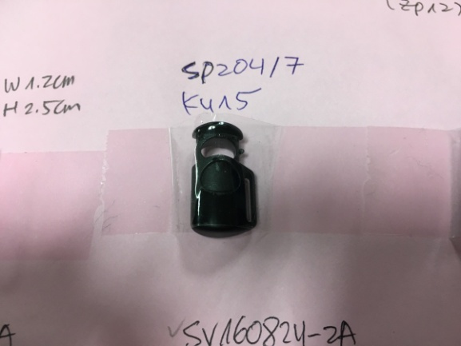
SHOCKCORD TIP | AS BULK PRODUCTION | FRONT HOOD SHOCKCORD ENDS | 1 PER SIDE = 2 | MATTE BLACK | MATTE BLACK | MATTE BLACK | 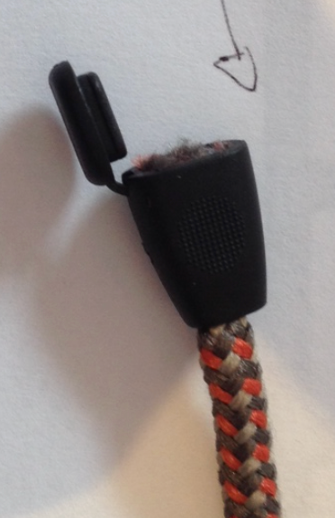
KEYCLIP | AS BULK PRODUCTION | RIGHT HAND POCKET | 1 | BLACK | BLACK | BLACK

NOTIONS | SUPPLIER/ REFERENCE NUMBER | LOCATION | AMOUNT | SILT | WALNUT | BLACK | 0 | 0 | 0
1/4" GROSGRAIN | SOLUNA | ATTACH FRONT HOOD CORD LOCK | 1 PER SIDE = 2 | BLACK | BLACK | BLACK
1/4" GROSGRAIN | SOLUNA | ATTACH KEYCLIP RIGHT HAND POCKET | 1 | BLACK | BLACK | BLACK
GROSGRAIN | XXX | POWDER SKIRT - SIDE TABS JACKET TO PANT CONNECTION | 1 | BLACK | BLACK | BLACK
GROSGRAIN 3/4" X 3 1/2" FLAT WEBBING (FINISHED LENGTH) |  | POWDER SKIRT - SIDE TABS JACKET TO PANT CONNECTION | 2 | BLACK | BLACK | BLACK
SHELL FABRIC TAB 1" X 1" WRAP AROUND |  | JACKET TO PANT CONNECTION CENTER BACK ON TAB | 1 | MATCH TO SHELL | MATCH TO SHELL | MATCH TO SHELL
SHELL FABRIC TAB 1" X 1" WRAP AROUND |  | JACKET TO PANT CONNECTION CENTER BACK UNDER SNAP ON GRIPPER ELASTIC | 1 | MATCH TO SHELL | MATCH TO SHELL | MATCH TO SHELL
SHELL FABRIC TAB 3/4" X 1" |  | JACKET TO PANT CONNECTION AT SIDE TABS UNDER SNAPS | 1 PER SIDE = 2 | MATCH TO SHELL | MATCH TO SHELL | MATCH TO SHELL
ELASTIC 1" X 4" |  | POWDER SKIRT MIDDLE TAB - JACKET TO PANT CONNECTION | 1 | BLACK | BLACK | BLACK
ELASTIC | XXX | BACK OF SLEEVE CUFFS | 1 | BLACK | BLACK | BLACK
L1-2018-TRIM-030 Two-color Shock Cord SEE COLOR UPS FOR COLORS | CHUN WO HO / | HOOD | 1 | TWO-COLOR SHOCK CORD = COLORWAY: 1 19-4006 TCX BLACK/ 18-0403 TCX GUNMETAL | TWO-COLOR SHOCK CORD = COLORWAY: 1 19-4006 TCX BLACK/ 18-0403 TCX GUNMETAL | TWO-COLOR SHOCK CORD = COLORWAY: 1 19-4006 TCX BLACK/ 18-0403 TCX GUNMETAL
SHOCKCORD | XXX | HEM | 1 | BLACK | BLACK | BLACK
GRIPPER ELASTIC 25mm NON LOGO | MTT0022 | POWDER SKIRT HEM | 1 | BLACK | BLACK | BLACK

VELCRO | SUPPLIER/ REFERENCE NUMBER | LOCATION | AMOUNT | SILT | WALNUT | BLACK | 0 | 0 | 0
3/4" X 3 3/4" VELCRO WITH ROUNDED CORNERS | XXX | CUFF ON BODY | 1 PER SIDE = 2 | MATCH TO SHELL | MATCH TO SHELL | MATCH TO SHELL
3/4" X 2 1/2" VELCRO WITH ROUNDED CORNERS | XXX | CUFF ON TAB | 1 PER SIDE = 2 | MATCH TO SHELL | MATCH TO SHELL | MATCH TO SHELL

THREAD | SPI | SUPPLIER/ REF NUMBER | AMOUNT | SILT | WALNUT | BLACK | 0 | 0 | 0
SEAMS | 10-12 SPI | 30 / 2 |  | MATCH TO SHELL | MATCH TO SHELL | MATCH TO SHELL
DENIM WEIGHT TOPSTITCH | 8-10 SPI |  | HEAVY WEIGHT TOPSTITCH THREAD | MATCH TO SHELL | MATCH TO SHELL | MATCH TO SHELL
BARTACKS |  | 100 / 2 |  | MATCH TO SHELL | MATCH TO SHELL | MATCH TO SHELL

LABELS | SUPPLIER/ REFERENCE NUMBER | LOCATION | AMOUNT | SILT | WALNUT | BLACK | 0 | 0 | 0
10K/10K CRITICALLY TAPED | SOLUNA/ MAIN LABEL | CENTER BACK BELOW NECK SEAM | 1 | 10K/10K CRITICALLY TAPED | 10K/10K CRITICALLY TAPED | 10K/10K CRITICALLY TAPED
SIZE LABEL (SAMPLE SIZE L) | SOLUNA/ SIZE LABEL | CENTER BACK BELOW MAIN LABEL | 1 | XS, S, M, L, XL | XS, S, M, L, XL | XS, S, M, L, XL

HANG TAGS | SUPPLIER/ REFERENCE NUMBER | LOCATION | AMOUNT | SILT | WALNUT | BLACK | 0 | 0 | 0
MENS JACKET HANG TAG | SOLUNA/ MENS JACKET HANG TAG | LEFT SIDE HAND POCKET ZIPPER | 1 | MENS JACKET HANG TAG | MENS JACKET HANG TAG | MENS JACKET HANG TAG

CARE AND CONTENT LABELS | SUPPLIER/ REFERENCE NUMBER | LOCATION | AMOUNT | SILT | WALNUT | BLACK | 0 | 0 | 0
ADDRESS LABEL | FACTORY SOURCED | LINING LEFT SIDE SEAM | 1 | ADDRESS LABEL | ADDRESS LABEL | ADDRESS LABEL
CONTENT LABEL | FACTORY SOURCED | LINING LEFT SIDE SEAM | 1 | CONTENT LABEL | CONTENT LABEL | CONTENT LABEL
WASHING LABEL | FACTORY SOURCED | LINING LEFT SIDE SEAM | 1 | WASHING LABEL | WASHING LABEL | WASHING LABEL

MEASUREMENTS
L1 MENS JACKET |  |  |  |  |  |  |  | SAMPLE SIZE LARGE / XS-XXL
SEASON: |  | WINTER 2018/2019 |  |  |  |  |  | CONTRACTOR: |  |  |  |  |  | SOLUNA
STYLE NUMBER: |  | L1-105-18 |  |  |  |  |  | DATE CREATED: |  |  |  |  |  | 2017-02-23
STYLE NAME: |  | AFTERSHOCK |  |  |  |  |  | DATE REVISED: |  |  |  |  |  | 2017-04-07
WATERPROOF/BREATHABILITY: |  | 10K/10K |  |  |  |  |  | BLOCK: |  |  |  |  |  | L1-105-17 LAWTON
SEAM SEALINING: |  | CRITICALLY TAPED |  |  |  |  |  | FIT: |  |  |  |  |  | REGULAR INSULATED
INSULATION: |  | 150G PINNECO CORE |  |  |  |  |  | TARGET FOB: |  |  |  |  |  | $0.00
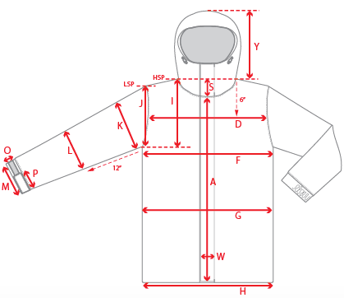 |  |  | 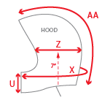 |  |  |  | 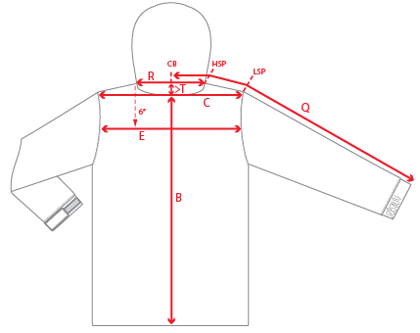
 |  |  |  | 1ST PROTO |  |  | 2ND PROTO |  |  | 3RD PROTO |  |  | S/SAMPLE |  |  | PP SAMPLE |  | FINAL
 |  |  | DATE: |  |  | DATE: |  |  | DATE: |  |  | DATE: |  |  | DATE:
 |  | TOL +/- | INITIAL MEASMNT | SAMPLE MEASURES | REVISE TO | REQUESTED | SAMPLE MEASURES | REVISE TO | REQUESTED | SAMPLE MEASURES | REVISE TO | REQUESTED | SAMPLE MEASURES | REVISE TO | REQUESTED | SAMPLE MEASURES | REVISE TO | APPROVED MEASMNTS
A | CF LENGTH - FROM NECKLINE | 0.25 | 28.5
B | CB LENGTH - FROM NECKLINE | 0.25 | 32
 | SHIRT TAIL HEM HEIGHT | 0.125 | 2.5
C | SHOULDER WIDTH | 0.25 | 19.5
D | ACROSS FRONT- 6" FROM HPS | 0.25 | 17.5
E | ACROSS BACK- 6" FROM HPS | 0.25 | 18
F | CHEST WIDTH - 1" BELOW ARMHOLE (1/2 MEASURE) | 0.25 | 25.75
G | WAIST WIDTH - 1/2 MEASURE, FROM HSP: S-19", M-19.5", L-20", XL-20.5" | 0.25 | 25.25
H | HEM OPENING - (1/2 MEASURE) | 0.25 | 24.75
I | ARMHOLE FRM HSP - STRAIGHT (1/2 MEASURE) | 0.125 | 12.25
J | ARMHOLE FRM LSP - STRAIGHT (1/2 MEASURE) | 0.125 | 11
K | BICEP - 1" BELOW UNDERARM (1/2 MEASURE) | 0.125 | 10.375
L | ELBOW - 12" BELOW UNDERARM (1/2 MEASURE) | 0.125 | 8.25
M | SLEEVE OPENING - RELAXED (1/2 MEASURE) | 0.125 | 6.25
N | SLEEVE OPENING - STRETCHED (1/2 MEASURE) | 0.125 | 7
O | CUFF HEIGHT | 0.125 | 1.5
P | CUFF TAB LENGTH | 0.125 | 4.25
Q | CB SLEEVE LENGTH - 3 PT MEASURE FROM CB | 0.25 | 39
R | NECK WIDTH - STRAIGHT HPS TO HPS (1/2 MEASURE) | 0.125 | 9.75
S | FRONT NECK DROP - FROM HSP | 0.125 | 4.5
T | BACK NECK DROP - FROM HSP | 0.125 | 1
U | CF COLLAR HEIGHT | 0.125 | 4.5
V | CB COLLAR HEIGHT | 0.125
W | CENTER FRONT PLACKET WIDTH | 0.125
X | COLLAR CIRCUMFERENCE | 0.25 | 29
Y | HOOD HEIGHT - SHOULDER SEAM TO TOP | 0.125 | 15.25
Z | HOOD WIDTH - 7" UP FROM NECK SEAM | 0.125 | 11
AA | HOOD RUN | 0.25 | 22.5
AB | POWDER SKIRT LENGTH - EDGE TO EDGE, RELAXED | 0.5 | 40.75
AC | WAIST GAITER ELASTIC - FULL MEAS. RELAXED | 0.5 | 33.75
AD | WAIST GAITER ELASTIC - MIN. FULL MEAS. EXTENDED | 0.5 | 45
AE | POWDER SKIRT HEIGHT AT CB (INCLUDES ELASTIC) | 0.25 | 6
 | CHEST POCKET FLAP LENGTH | 0.125 | 18
 | CHEST POCKET FLAT HEIGHT | 0.125 | 2.5
 | HAND POCKET FLAP LENGTH | 0.125 | 7.5
 | HAND POCKET FLAP WIDTH | 0.125 | 1
ZIPPERS | CENTER FRONT | 0.25 | 13.5
 | #REF! | 0.125
 | CHEST POCKET HORIZONTAL | 0.125 | 17.5
 | #REF! | 0.125
 | RIGHT SIDE ENTRY | 0.25 | 25.5
 | LEFT UNDERARM VENT | 0.25 | 12
 | HAND POCKETS VERTICAL | 0.125 | 7.5
 | #REF! | 0.125
 | #REF! | 0.125
 | #REF! | 0.125
 | #REF! | 0.25

 | ZIPPER RULES:
 | CF = XXX SHORTER THAN CF LENGTH

COMMENTS
L1 MENS JACKET
SEASON: |  | WINTER 2018/2019 | CONTRACTOR: | SOLUNA
STYLE NUMBER: |  | L1-105-18 | DATE CREATED: | 2017-02-23
STYLE NAME: |  | AFTERSHOCK | DATE REVISED: | 2017-04-07
WATERPROOF/BREATHABILITY: |  | 10K/10K | BLOCK: | L1-105-17 LAWTON
SEAM SEALING: |  | CRITICALLY TAPED | FIT: | REGULAR INSULATED
INSULATION: |  | 150G PINNECO CORE | TARGET FOB: | $0.00

STATUS: | X | DATE SENT:
 |  | NOT APPROVED FOR S/SAMPLES; SUBMIT A 2nd PROTO SAMPLE (subject to revisions)
 |  | NOT APPROVED FOR S/SAMPLES; SUBMIT A 3rd PROTO SAMPLE (subject to revisions)
 |  | NOT APPROVED FOR S/SAMPLES; SUBMIT A MOCK UP (subject to revisions)
 |  | APPROVED FOR S/SAMPLES (subject to revisions)
 |  | NOT APPROVED FOR PRODUCTION; SUBMIT A P/P SAMPLE (subject to revisions)
 |  | APPROVED FOR PRODUCTION (subject to revisions)

FEB. 23, 2017 | 1ST PROTO REQUEST:
 | >FIT BLOCK IS BASED OFF OF THE L1-105-17 LAWTON WITH SEVERAL DESIGN REVISIONS, REFER TO PDF FILE.
 | >SEE HOW TO MEASURE SHIRT TAIL HEM HEIGHT BELOW:
 | 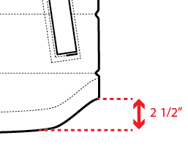
 | SUBMIT 1ST PROTO FOR APPROVAL

2017-04-07 | TRIM AND COLORWAY INFO IS ADDED TO FILES
 | >ALL LEATHER TRIMS CORRECTED TO FAUX LEATHER
 | >GRIPPER ELASTIC IS ADDED TO EXCEL SHEET
 | >SNAP AWAY POWDER SKIRT SNAPS ADDED TO PDF LINING SHEET
 | >HOOD SHOCKCORD ENDS ARE SAME AS LAST YEAR PRODUCTION ------>SEE PHOTO

