SHELL
 | L1 Mens Jacket
 | SEASON: |  | WINTER 2017/2018 |  | CONTRACTOR: |  | SOLUNA
 | STYLE NUMBER: |  | L1-111-17 |  | DATE CREATED: |  | 2016-03-14
 | STYLE NAME: |  | FLINT JACKET |  | DATE REVISED:
 | FABRIC RATING: |  | 5K/5K |  | BLOCK: |  | L1-111-16 FLINT REVERSIBLE
 | SEAM SEALING: |  | NOT TAPED |  | FIT: |  | STREET
 | INSULATION: |  | 40G "CS" POLYFILL |  | TARGET FOB: |  | $36.00
 | SAMPLE SIZE: |  | MENS LARGE
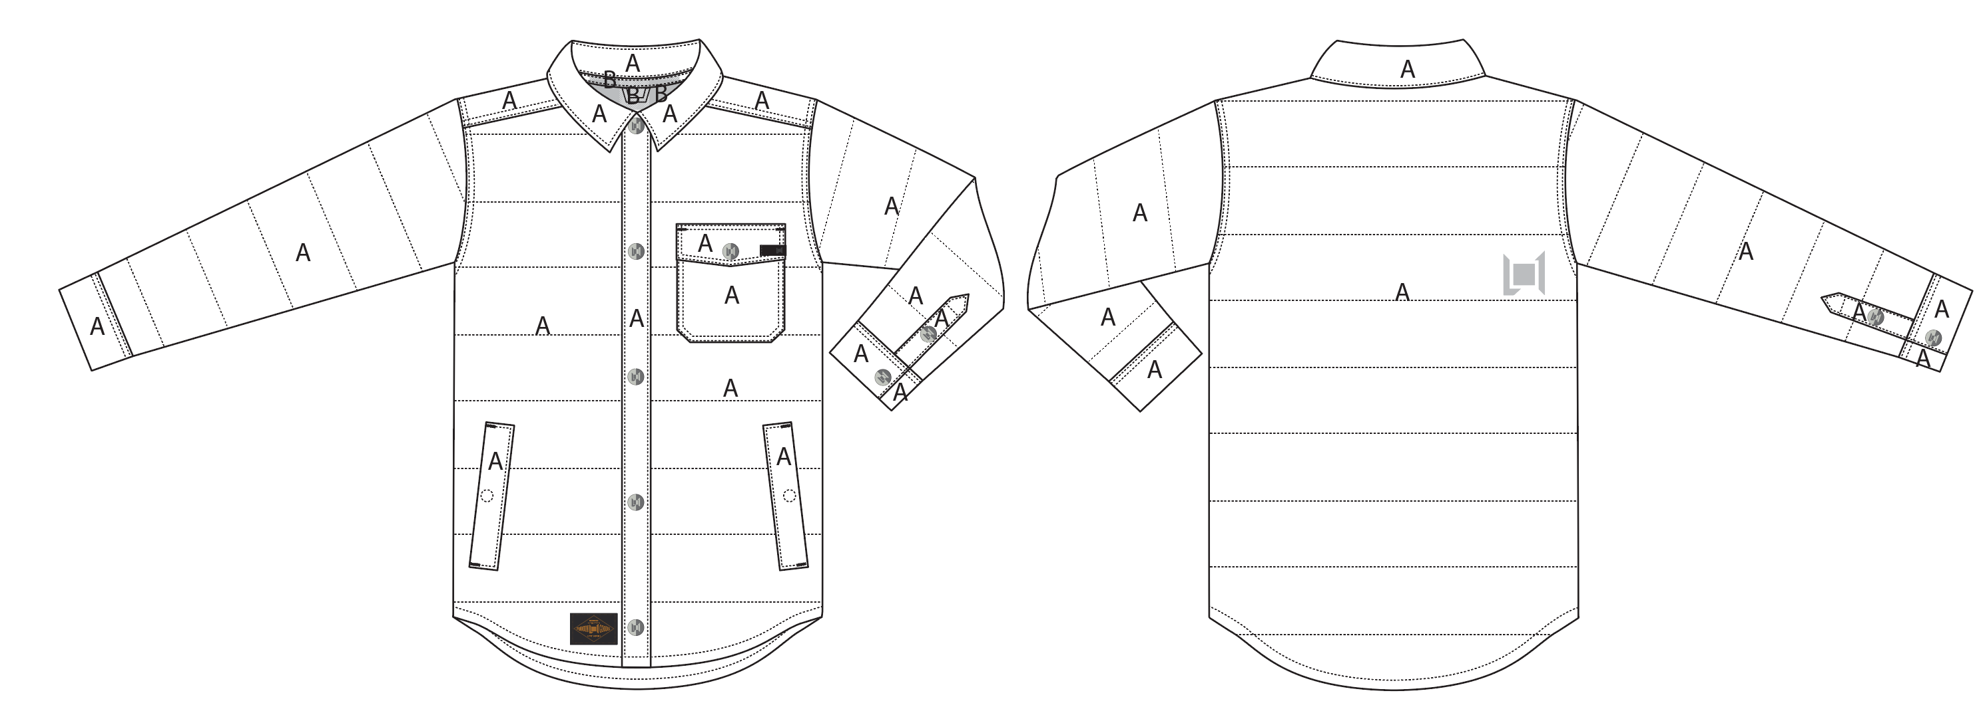
 |  |  |  | COLORWAYS
SHELL FABRIC | ITEM | SUPPLIER/ REF NUMBER | CONTENT | SOIL / BLACK | BLACK / OXBLOOD
SHELL | COTTON TOUCH SONP020-CC01-M $3.95 |  |  | SOIL | BLACK

INSULATION | ITEM | SUPPLIER/ REF NUMBER | CONTENT | SOIL / BLACK | BLACK / OXBLOOD | 0 | 0 | 0 | 0
40G "CS" POLYFILL BODY AND SLEEVES |  |  |  | 40G "CS" POLYFILL BODY AND SLEEVES | 40G "CS" POLYFILL BODY AND SLEEVES
LIGHTLY INSULATE COLLAR |  |  |  | LIGHTLY INSULATE COLLAR | LIGHTLY INSULATE COLLAR

SEAM TAPE | ITEM | SUPPLIER/ REF NUMBER | CONTENT | SOIL / BLACK | BLACK / OXBLOOD | 0 | 0 | 0 | 0
NOT SEAM TAPED |  |  |  | NOT SEAM TAPED | NOT SEAM TAPED

LINING | ITEM | SUPPLIER/ REF NUMBER | CONTENT | SOIL / BLACK | BLACK / OXBLOOD | 0 | 0 | 0 | 0
BODY | SOTY003 WITH BRUSH DWR |  |  | SOIL / BLACK | SOIL / BLACK
SLEEVES & HAND POCKET BAGS | SOLID 210T | SOLIS / REF NUMBER |  | BLACK | BLACK

MEASURMENTS
 | L1 Mens Jacket
 | SEASON: | WINTER 2017/2018 |  |  |  |  |  | DATE CREATED:
 | STYLE NUMBER: | L1-111-17 |  |  |  |  |  | DATE REVISED:
 | STYLE NAME: | FLINT JACKET |  |  |  |  |  | BLOCK: |  |  |  |  |  | L1-111-16 FLINT REVERSIBLE
 | SAMPLE SIZE: | MENS LARGE |  |  |  |  |  | FIT: |  |  |  |  |  | STREET
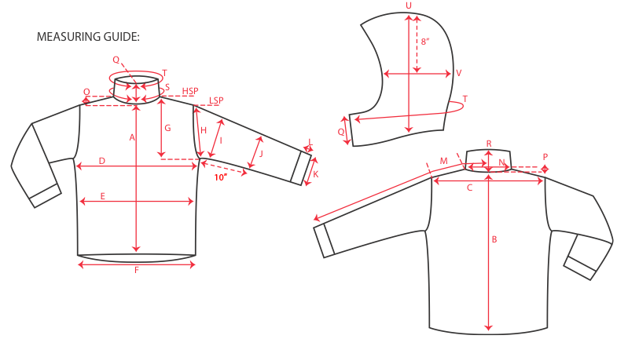
 |  |  |  | 1ST PROTO |  |  | 2ND PROTO |  |  | 3RD PROTO |  |  | S/SAMPLE |  |  | PP SAMPLE |  | FINAL
 |  |  | DATE: |  |  | DATE: |  |  | DATE: |  |  | DATE: | 2016-01-05 |  | DATE:
 |  | TOL +/- | INITIAL MEASMNT | SAMPLE MEASURES | REVISE TO | REQUESTED | SAMPLE MEASURES | REVISE TO | REQUESTED | SAMPLE MEASURES | REVISE TO | REQUESTED | SAMPLE MEASURES | REVISE TO | REQUESTED | SAMPLE MEASURES | REVISE TO | APPROVED MEASMNTS
A | CF LENGTH - FROM NECKLINE | 0.25 | 28
B | CB LENGTH - FROM NECKLINE | 0.25 | 32.5

C | SHOULDER WIDTH | 0.5 | 19.5
D | CHEST WIDTH - 1" BELOW ARMHOLE, HALF MEASURE | 0.5 | 24
E | WAIST WIDTH - 1/2 MEASURE, FROM HSP: S-19", M-19.5", L-20", XL-20.5" | 0.5 | 23.5
F | HEM OPENING - 1/2 MEASURE | 0.5 | 23

G | ARMHOLE FRM HSP - STRAIGHT 1/2 MEASURE | 0.125
H | ARMHOLE FRM LSP - STRAIGHT 1/2 MEASURE | 0.125 | 10.5
I | BICEP - 1" BELOW UNDERARM (1/2 MEASURE) | 0.25 | 9.5
J | ELBOW - 12" BELOW UNDERARM (1/2 MEASURE) | 0.25 | 7.25
K | SLEEVE OPENING - INCL GUSSET (1/2 MEASURE) | 0.125 | 5.5
L | CUFF HEIGHT | 0.125 | 2.25
M | SLEEVE LENGTH - 3 PT MEASURE FROM CB | 0.25 | 37.5

N | NECK WIDTH | 0.125 | 7.75
O | FRONT NECK DROP FROM HSP | 0.125 | 4.5
P | BACK NECK DROP FROM HSP | 0.125 | 0.75
Q | CF COLLAR HEIGHT | 0.125 | 2.625
R | CB COLLAR HEIGHT | 0.125 | 2.125
 | COLLAR STAND HEIGHT | 0.125 | 1.125
 | COLLAR CIRCUM. (ALONG TOP EDGE, POINT TO POINT) | 0.25 | 22
 | CHEST POCKET FLAP WIDTH | 0.125 | 5.5
 | CHEST POCKET FLAP HEIGHT (CENTRE) | 0.125 | 6.5
 | CHEST POCKET BAG HEIGHT | 0.125 | 6
 | CHEST POCKET BAG WIDTH | 0.125 | 5.5
 | PLACKET WIDTH | 0.125 | 1.375
 | HAND POCKET WELT LENGTH | 0.125 | 7
 | HAND POCKET WELT WIDTH | 0.125 | 1

