SHELL
L1 MENS PANT |  |  |  |  |  |  | SAMPLE SIZE LARGE / XS-XXL
SEASON: |  | WINTER 2018/2019 |  |  | CONTRACTOR: |  | SOLUNA
STYLE NUMBER: |  | L1-201-18 |  |  | DATE CREATED: |  | 2017-03-13
STYLE NAME: |  | GEMINI |  |  | DATE REVISED: |  | 2017-04-05
WATERPROOF/BREATHABILITY: |  | 20K/20K |  |  | BLOCK: |  | L1-201-16 FIELD PAPER PATTERN
SEAM SEALING: |  | FULLY SEAM SEALED |  |  | FIT: |  | REGULAR
INSULATION: |  | SHELL WITH REVERSE TRICOT SEAT |  |  | TARGET FOB: |  | $48
 |  | 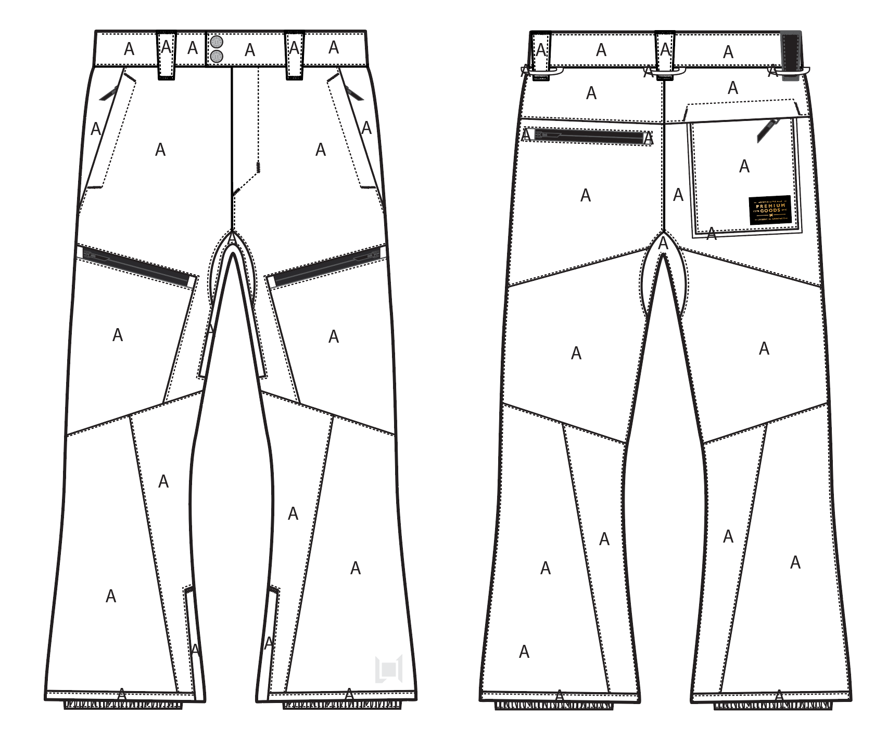
 |  |  |  | COLORWAYS
SHELL FABRIC | SUPPLIER/ REFERENCE NUMBER | LOCATION | CONTENT | BLACK | DUSTY GREEN | SILT | WALNUT
 | LUCKY / LTC32509-R5-H311 2L / 20K/20K | A |  | BLACK | DUSTY GREEN | SILT | WALNUT
FAUX LEATHER | SUPPLER? CAN YOU SOURCE. SAME QUALITY AS OTHER FAUX LEATHER TRIMS | BACK RIGHT BELT LOOP |  | BLACK FAUX LEATHER | BLACK FAUX LEATHER | BLACK FAUX LEATHER | BLACK FAUX LEATHER

INSULATION | SUPPLIER/ REFERENCE NUMBER | LOCATION | CONTENT | BLACK | DUSTY GREEN | SILT | WALNUT | 0 | 0
NON INSULATED

SEAM TAPE | SUPPLIER/ REFERENCE NUMBER | LOCATION | CONTENT | BLACK | DUSTY GREEN | SILT | WALNUT | 0 | 0
SEAM TAPE | TSGS | FULLY TAPED |  | FULLY TAPED | FULLY TAPED | FULLY TAPED | FULLY TAPED

LINING | SUPPLIER/ REFERENCE NUMBER | LOCATION | CONTENT | BLACK | DUSTY GREEN | SILT | WALNUT | 0 | 0
SOLID 210T | SOLIS / SONP006-1 | MAIN BODY | 100% NYLON | BLACK | BLACK | BLACK | BLACK
REVERSE BRUSHED TRICOT | SUPPLIER / REF CODE | SEAT | 100% POLYESTER | BLACK | BLACK | BLACK | BLACK
SOLID 210T | SOLIS / SONP006-1 | SECONDARY POCKET BAGS | 100% NYLON | BLACK | BLACK | BLACK | BLACK
SOLID COATED 210T | SOLIS / SONP006-PU03 | LOWER LEG & GAITER | 100% POLYESTER | BLACK | BLACK | BLACK | BLACK
BRUSHED TRICOT | SUPPLIER / REF CODE | WAISTBAND, FLY, HAND POCKET BAGS | 100% POLYESTER | BLACK | BLACK | BLACK | BLACK
POWER STRETCH MESH | SUPPLIER / REF CODE | LEG VENTS | 100% POLYESTER | BLACK | BLACK | BLACK | BLACK

LOWER LEG LINING PRINT (SEE PDF) | SUPPLIER/ REFERENCE NUMBER | LOCATION | CONTENT | BLACK | DUSTY GREEN | SILT | WALNUT | 0 | 0
ON COATED 210T | PLEASE SOURCE | LOWER LEG FRONT AND BACK |  | PANTONE 18-0950 TCX HARVEST SCREEN PRINT | PANTONE 18-0403 TCX GUNMETAL | PANTONE 18-0403 TCX GUNMETAL | PANTONE 18-0950 TCX HARVEST SCREEN PRINT

TRIMS
L1 MENS PANT |  |  |  |  | SAMPLE SIZE LARGE / XS-XXL
SEASON: |  | WINTER 2018/2019 |  |  | CONTRACTOR: |  | SOLUNA
STYLE NUMBER: |  | L1-201-18 |  |  | DATE CREATED: |  | 2017-03-13
STYLE NAME: |  | GEMINI |  |  | DATE REVISED: |  | 2017-04-05
WATERPROOF/BREATHABILITY: |  | 20K/20K |  |  | BLOCK: |  | L1-201-16 FIELD PAPER PATTERN
SEAM SEALING: |  | FULLY SEAM SEALED |  |  | FIT: |  | REGULAR
INSULATION: |  | SHELL WITH REVERSE TRICOT SEAT |  |  | TARGET FOB: |  | $48.00

ZIPPERS | SUPPLIER/ REFERENCE NUMBER | LOCATION | AMOUNT | BLACK | DUSTY GREEN | SILT | WALNUT | 0 | 0
#5 COIL ZIPPER | YKK / 1-WAY SEMI AUTO LOCKING DALH | FLY | 1 | SILDER/PULL COLOR: X6 BLACK OXIDES ZIPPER TAPE &TEETH COLOR: BLACK | SILDER/PULL COLOR: X6 BLACK OXIDES ZIPPER TAPE &TEETH COLOR: BLACK | SILDER/PULL COLOR: X6 BLACK OXIDES ZIPPER TAPE &TEETH COLOR: BLACK | SILDER/PULL COLOR: X6 BLACK OXIDES ZIPPER TAPE &TEETH COLOR: BLACK
#5 COIL ZIPPER | NON YKK / 1-WAY NON LOCKING / DADHR DIECAST WIRE | HAND POCKETS | 1 PER SIDE = 2 | SILDER/PULL COLOR: X6 BLACK OXIDES ZIPPER TAPE &TEETH COLOR: BLACK | SILDER/PULL COLOR: X6 BLACK OXIDES ZIPPER TAPE &TEETH COLOR: BLACK | SILDER/PULL COLOR: X6 BLACK OXIDES ZIPPER TAPE &TEETH COLOR: BLACK | SILDER/PULL COLOR: X6 BLACK OXIDES ZIPPER TAPE &TEETH COLOR: BLACK
#5 MATT WATER RESISTANT COIL | NON YKK / 1-WAY NON LOCKING / DADHR DIECAST WIRE | LEG POCKETS HORIZONTAL | 1 PER SIDE = 2 | SILDER/PULL COLOR: X6 BLACK OXIDES ZIPPER TAPE &TEETH COLOR: MATTE BLACK | SILDER/PULL COLOR: X6 BLACK OXIDES ZIPPER TAPE &TEETH COLOR: MATTE BLACK | SILDER/PULL COLOR: X6 BLACK OXIDES ZIPPER TAPE &TEETH COLOR: MATTE BLACK | SILDER/PULL COLOR: X6 BLACK OXIDES ZIPPER TAPE &TEETH COLOR: MATTE BLACK
#5 MATT WATER RESISTANT COIL | NON YKK / 1-WAY NON LOCKING / DADHR DIECAST WIRE | BACK LEFT POCKET | 1 | SILDER/PULL COLOR: X6 BLACK OXIDES ZIPPER TAPE &TEETH COLOR: MATTE BLACK | SILDER/PULL COLOR: X6 BLACK OXIDES ZIPPER TAPE &TEETH COLOR: MATTE BLACK | SILDER/PULL COLOR: X6 BLACK OXIDES ZIPPER TAPE &TEETH COLOR: MATTE BLACK | SILDER/PULL COLOR: X6 BLACK OXIDES ZIPPER TAPE &TEETH COLOR: MATTE BLACK
#5 COIL ZIPPER | NON YKK / 1-WAY NON LOCKING / DADHR DIECAST WIRE | BACK RIGHT | 1 | SILDER/PULL COLOR: X6 BLACK OXIDES ZIPPER TAPE &TEETH COLOR: BLACK | SILDER/PULL COLOR: X6 BLACK OXIDES ZIPPER TAPE &TEETH COLOR: BLACK | SILDER/PULL COLOR: X6 BLACK OXIDES ZIPPER TAPE &TEETH COLOR: BLACK | SILDER/PULL COLOR: X6 BLACK OXIDES ZIPPER TAPE &TEETH COLOR: BLACK
#5 COIL ZIPPER | NON YKK / 2-WAY NON LOCKING / DADHR DIECAST WIRE (ZIP DOWN TO CLOSE) | BALLS OUT VENTING | 1 | SILDER/PULL COLOR: X6 BLACK OXIDES ZIPPER TAPE &TEETH COLOR: BLACK | SILDER/PULL COLOR: X6 BLACK OXIDES ZIPPER TAPE &TEETH COLOR: BLACK | SILDER/PULL COLOR: X6 BLACK OXIDES ZIPPER TAPE &TEETH COLOR: BLACK | SILDER/PULL COLOR: X6 BLACK OXIDES ZIPPER TAPE &TEETH COLOR: BLACK
#5 COIL ZIPPER | NON YKK / 1-WAY NON LOCKING / DADHR DIECAST WIRE | HEM GUSSET | 1 PER SIDE = 2 | SILDER/PULL COLOR: X6 BLACK OXIDES ZIPPER TAPE &TEETH COLOR: BLACK | SILDER/PULL COLOR: X6 BLACK OXIDES ZIPPER TAPE &TEETH COLOR: BLACK | SILDER/PULL COLOR: X6 BLACK OXIDES ZIPPER TAPE &TEETH COLOR: BLACK | SILDER/PULL COLOR: X6 BLACK OXIDES ZIPPER TAPE &TEETH COLOR: BLACK

ADDITIONAL ZIPPER PULLS | SUPPLIER/ REFERENCE NUMBER | LOCATION | AMOUNT | BLACK | DUSTY GREEN | SILT | WALNUT | 0 | 0
L1-2018-TRIM-018 Non branded zipper pull. | PLEASE SOURCE, SAME FAUX LEATHER QUALITY AS OTHER TRIMS | HAND POCKET ZIPPERS (2), LEG POCKET ZIPPERS (2), BACK POCKET ZIPPERS (2) | 6 | BLACK FAUX LEATHER | BLACK FAUX LEATHER | BLACK FAUX LEATHER | BLACK FAUX LEATHER
11NT-045 / SELF FABRIC PULL | FACTORY MADE | BALLS OUT VENTING | 1 PER SIDE = 2 | MATCH TO SHELL | MATCH TO SHELL | MATCH TO SHELL | MATCH TO SHELL

BRANDED TRIMS | SUPPLIER/ REFERENCE NUMBER | LOCATION | AMOUNT | BLACK | DUSTY GREEN | SILT | WALNUT | 0 | 0
L1-2018-TRIM-010 faux Leather backed Snap | LUKS | FRONT WAIST BAND | 2 | SAS54 PSEUDO ANTI SILVER / BLACK FAUX LEATHER | SAS54 PSEUDO ANTI SILVER / BLACK FAUX LEATHER | SAS54 PSEUDO ANTI SILVER / BLACK FAUX LEATHER | SAS54 PSEUDO ANTI SILVER / BLACK FAUX LEATHER
L1-2018-TRIM-012 Heat Transfer Label | PLEASE SOURCE | BACK RIGHT POCKET BAG | 1 | BLACK/GOLD | BLACK/GOLD | BLACK/GOLD | BLACK/GOLD
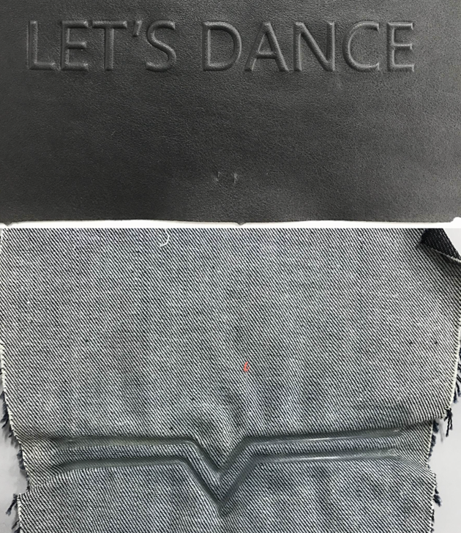 L1-2018-TRIM-015 L1 Injection mold logo | PLEASE SOURCE | FRONT LEFT HEM | 1 | 2 mm EMBOSS OF THE SHELL FABRIC | 2 mm EMBOSS OF THE SHELL FABRIC | 2 mm EMBOSS OF THE SHELL FABRIC | 2 mm EMBOSS OF THE SHELL FABRIC

TRIMS | SUPPLIER/ REFERENCE NUMBER | LOCATION | AMOUNT | BLACK | DUSTY GREEN | SILT | WALNUT | 0 | 0
15MM METAL SNAP | LUK'S / 404 | BACK GAITER/ PANT HEM | 1 PER SIDE = 2 | AL023 ALLOY (D) | AL023 ALLOY (D) | AL023 ALLOY (D) | AL023 ALLOY (D)
BOOT HOOK | XXX | FRONT GAITER | 1 PER SIDE = 2 | AL023 ALLOY (D) | AL023 ALLOY (D) | AL023 ALLOY (D) | AL023 ALLOY (D)
KEYCLIP | AS LAST YEAR PRODUCTION | RIGHT LEG POCKET | 1 | BLACK | BLACK | BLACK | BLACK

NOTIONS | SUPPLIER/ REFERENCE NUMBER | LOCATION | AMOUNT | BLACK | DUSTY GREEN | SILT | WALNUT | 0 | 0
SELF FABRIC TAB 1X1 | FACTORY | FRONT GAITER UNDER BOOT HOOK | 1 PER SIDE = 2 | MATCH TO SHELL | MATCH TO SHELL | MATCH TO SHELL | MATCH TO SHELL
SELF FABRIC TAB 1X1 | FACTORY | BACK GAITER UNDER FINGER SNAP HEM ADJUST | 1 PER SIDE = 2 | MATCH TO SHELL | MATCH TO SHELL | MATCH TO SHELL | MATCH TO SHELL
GROSSGRAIN 1/4" | FACTORY | ATTACH KEY CLIP IN RIGHT LEG POCKET | 1 | BLACK | BLACK | BLACK | BLACK
GROSSGRAIN 1/4" | FACTORY | BALLS OUT VENTING MESH GUARD | 1 | BLACK | BLACK | BLACK | BLACK
GRIPPER ELASTIC 25mm NON LOGO | MTT0022 | LEG GAITERS | 2 | BLACK | BLACK | BLACK | BLACK

BONDING FILM | SUPPLIER/ REFERENCE NUMBER | LOCATION | AMOUNT | BLACK | DUSTY GREEN | SILT | WALNUT | 0 | 0
BONDING FILM |  | FLY OPENING | 1 | BONDING FILM | BONDING FILM | BONDING FILM | BONDING FILM
BONDING FILM |  | HAND POCKET OPENINGS | 1 PER SIDE = 2 | BONDING FILM | BONDING FILM | BONDING FILM | BONDING FILM
BONDING FILM |  | BACK RIGHT POCKET WELT | 1 PER SIDE = 2 | BONDING FILM | BONDING FILM | BONDING FILM | BONDING FILM
BONDING FILM |  | ZIPPER GARAGES | 1 PER SIDE = 2 | BONDING FILM | BONDING FILM | BONDING FILM | BONDING FILM

VELCRO | SUPPLIER/ REFERENCE NUMBER | LOCATION | AMOUNT | BLACK | DUSTY GREEN | SILT | WALNUT | 0 | 0
1" X 1" VELCRO WITH ROUNDED CORNERS | PAIHO / Loop#1057, PAIHO / HookETN7 | WAIST BAND | 1 | MATCH TO SHELL | MATCH TO SHELL | MATCH TO SHELL | MATCH TO SHELL

THREAD | SPI | SUPPLIER/ REF NUMBER | AMOUNT | BLACK | DUSTY GREEN | SILT | WALNUT | 0 | 0
SEAMS | 10-12 SPI | 30/2 | REGULAR THREAD | MATCHING | MATCHING | MATCHING | MATCHING
REGULAR TOPSTITCH | 8-10 SPI | 30/2 | REGULAR TOPSTITCH | MATCHING | MATCHING | MATCHING | MATCHING
BARTACKS |  | 100/2 | REGULAR THREAD | MATCHING | MATCHING | MATCHING | MATCHING

LABELS | SUPPLIER/ REFERENCE NUMBER | LOCATION | AMOUNT | BLACK | DUSTY GREEN | SILT | WALNUT | 0 | 0
20K/20K FULLY TAPED | SOLUNA/ MAIN LABEL | INNER FRONT RIGHT | 1 | 20K/20K FULLY TAPED
SIZE LABEL (SAMPLE SIZE L) | SOLUNA/ SIZE LABEL | CENTER BACK | 1 | XS, S, M, L, XL

HANG TAGS | SUPPLIER/ REFERENCE NUMBER | LOCATION | AMOUNT | BLACK | DUSTY GREEN | SILT | WALNUT | 0 | 0
MENS JACKET HANG TAG | SOLUNA/ MENS JACKET HANG TAG | LEFT SIDE HAND POCKET ZIPPER | 1 | MENS JACKET HANG TAG
PANT REGULAR FIT HANG TAG | SOLUNA/ PANT FIT HANG TAG | LEFT SIDE HAND POCKET ZIPPER | 1 | PANT REGULAR FIT HANG TAG

CARE AND CONTENT LABELS | SUPPLIER/ REFERENCE NUMBER | LOCATION | AMOUNT | BLACK | DUSTY GREEN | SILT | WALNUT | 0 | 0
ADDRESS LABEL | FACTORY SOURCED | LINING LEFT SIDE SEAM | 1
CONTENT LABEL | FACTORY SOURCED | LINING LEFT SIDE SEAM | 1
WASHING LABEL | FACTORY SOURCED | LINING LEFT SIDE SEAM | 1

MEASUREMENTS
L1 MENS PANT
SEASON: |  | WINTER 2018/2019 |  |  |  |  |  |  | CONTRACTOR: |  |  |  | SOLUNA
STYLE NUMBER: |  | L1-201-18 |  |  |  |  |  |  | DATE CREATED: |  |  |  | 2017-03-13
STYLE NAME: |  | GEMINI |  |  |  |  |  |  | DATE REVISED:
WATERPROOF/BREATHABILITY: |  | 20K/20K |  |  |  |  |  |  | BLOCK: |  |  |  | L1-201-16 FIELD PAPER PATTERN
SEAM SEALING: |  | FULLY SEAM SEALED |  |  |  |  |  |  | FIT: |  |  |  | REGULAR
INSULATION: |  | SHELL WITH REVERSE TRICOT SEAT |  |  |  |  |  |  | TARGET FOB: |  |  |  | $48.00
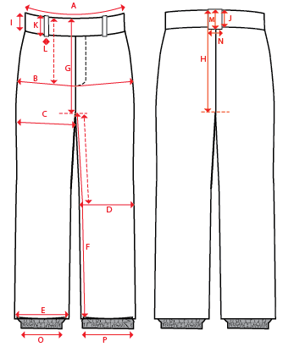
 |  |  |  |  | 1ST PROTO |  |  | 2ND PROTO |  |  | 3RD PROTO |  |  | S/SAMPLE |  |  | PP SAMPLE |  | FINAL
 |  |  |  | DATE: |  |  | DATE: |  |  | DATE: |  |  | DATE: |  |  | DATE:
 |  |  | TOL +/- | INITIAL MEASMNT | SAMPLE MEASURES | REVISE TO | REQUESTED | SAMPLE MEASURES | REVISE TO | REQUESTED | SAMPLE MEASURES | REVISE TO | REQUESTED | SAMPLE MEASURES | REVISE TO | REQUESTED | SAMPLE MEASURES | REVISE TO | APPROVED MEASMNTS
A | WAIST WIDTH |  | 0.25 | 18.5
B | HIP -7" DOWN FROM TOP EDGE OF WAIST TOP EDGE |  | 0.25 | 22.25
C | THIGH - 1" BELOW CROTCH |  | 0.25 | 13.75
D | KNEE -XS-13", S - 13.5", M-14", L-14.5" DOWN FROM CROTCH |  | 0.25 | 10
E | HEM OPENING |  | 0.25 | 11.25
F | INSEAM - FROM CENTER OF CROTCH |  | 0.25 | 33.5
G | FRONT RISE to crotch zip - INCL WAIST BAND & GUSSET |  | 0.125 | 12.75
H | BACK RISE to crotch zip - INCL WAIST BAND & GUSSET |  | 0.125 | 16.25
 | FRONT GUSSET WIDTH - TO CENTER OF ZIPPER |  | 0.125 | 2
 | FRONT GUSSET LENGTH |  | 0.125 | 9.25
 | BACK GUSSET WIDTH - TO CENTER OF ZIPPER |  | 0.125 | 2
 | BACK GUSSET LENGTH |  | 0.125 | 9.25
I | CF WAIST BAND HEIGHT |  | 0.125 | 2.125
J | CB WAIST BAND HEIGHT |  | 0.125 | 2.125
K | BELT LOOP LENGTH |  | 0.125 | 3
L (a) | BELT LOOP WIDTH - TOP EDGE |  | 0.125 | 1.25
L (b) | BELT LOOP WIDTH - BOTTOM EDGE |  | 0.125 | 0.875
M | CB BELT LOOP LENGTH |  | 0.125 | 3
N | CB BELT LOOP WIDTH |  | 0.125
O | STORM CUFF RELAXED |  | 0.25 | 7.5
P | STORM CUFF STRETCHED |  | 0.25 | 12.5
 | BACK RIGHT POCKET BAG VERTICAL |  | 0.125
 | BACK RIGHT POCKET BAG HORIZONTAL |  | 0.125
 | BACK RIGHT POCKET BAG GUSSET WIDTH |  | 0.125
 | CF FLY TOPSTITCHING WIDTH |  | 0.125
ZIPPERS | FLY |  | 0.125 | 6.5
 | HAND POCKETS |  | 0.125 | 7
 | LEG POCKETS HORIZONTAL |  | 0.125 | 6.5
 | BACK LEFT POCKET |  | 0.125 | 6.5
 | BACK RIGHT |  | 0.125 | 6
 | BALLS OUT VENTING |  | 0.125 | 16
 | HEM GUSSET |  | 0.125 | 8

COMMENTS
L1 MENS PANT
SEASON: |  | WINTER 2018/2019 | CONTRACTOR: | SOLUNA
STYLE NUMBER: |  | L1-201-18 | DATE CREATED: | 2017-03-13
STYLE NAME: |  | GEMINI | DATE REVISED: | 2017-04-05
WATERPROOF/BREATHABILITY: |  | 20K/20K | BLOCK: | L1-201-16 FIELD PAPER PATTERN
SEAM SEALING: |  | FULLY SEAM SEALED | FIT: | REGULAR
INSULATION: |  | SHELL WITH REVERSE TRICOT SEAT | TARGET FOB: | $48.00

STATUS: |  | DATE SENT:
 |  | NOT APPROVED FOR S/SAMPLES; SUBMIT A 2nd PROTO SAMPLE (subject to revisions)
 |  | NOT APPROVED FOR S/SAMPLES; SUBMIT A 3rd PROTO SAMPLE (subject to revisions)
 |  | NOT APPROVED FOR S/SAMPLES; SUBMIT A MOCK UP (subject to revisions)
 |  | APPROVED FOR S/SAMPLES (subject to revisions)
 |  | NOT APPROVED FOR PRODUCTION; SUBMIT A P/P SAMPLE (subject to revisions)
 |  | APPROVED FOR PRODUCTION (subject to revisions)

2017-03-13 | >USE L1-201-16 FIELD PAPER PATTERN AS A BLOCK, FOLLOW AS IS FOR BODY AND ARTICULATION. ADD KNEE DART ARTICULATION INTO THE KNEE SEAMS. FOLLOW PDF FILE FOR POCKET DETAILS.
 | >LEGS SHOULD LOOK ARTICULATED AND PRE BENT OFF THE BODY
 | >THIS STYLE USES BONDING TAPE ON CERTAIN AREAS - REVIEW PDF
 | 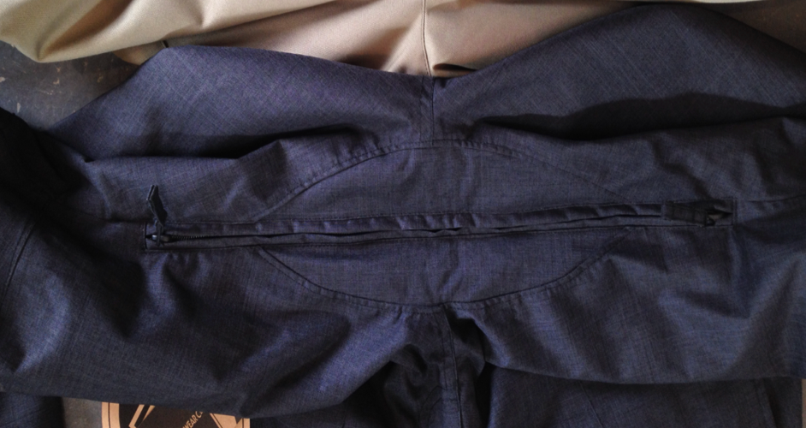 >BALLS OUT VENTING PHOTO IS BELOW
 | 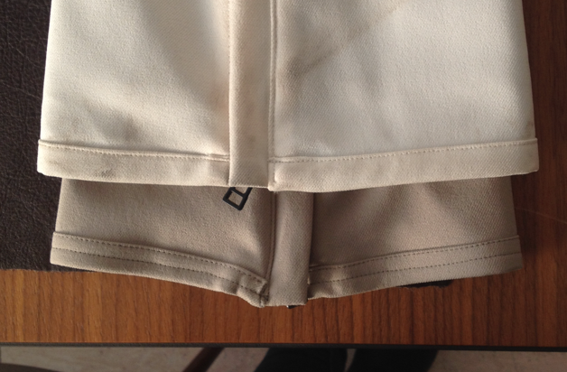 >MAKE SURE HEMS ARE EVEN AS WHITE PANT IN BELOW PHOTO-------->
 | >NOTE THAT FOR THIS STYLE THE MEASUREMENT FOR THE FRONT AND BACK RISE IS TO THE CROTCH ZIPPER (INCLUDES THE GUSSET).
 | >FOLLOW THE PAPER PATTERN FOR BLOCK AND NOTE IF THERE ARE ANY DISCREPANCIES BETWEEN THE PAPER PATTERN AND THE SPEC.
 | SUBMIT PROTO FOR REVIEW

2017-03-16 | COMMENTS SINCE 1ST SUBMISSION
 | >SHELL FABRIC CODE IS UPDATED TO LTC32509-R5-H311 2L

2017-04-05 | >TRIM AND COLORWAY INFO IS ADDED TO EXCEL AND PDF
 | >BACK RIGHT BELT LOOP IS REVISED TO FAUX LEATHER
 | >LOWER LEG LINING PRINT IS ADDED TO PDF AND EXCEL SHELL PAGE
 |  | >LOWER LEG SCREEN ON SILT AND DUSTY GREEN COLORWAYS IS 18-0403 TCX GUNMETAL
 | >KEY CLIP REVISED TO 1 UNIT
 | >L1-2018-TRIM-015 HEM INJECTION MOLD IS ADDED TO PDF = CAN YOU DO THIS APPLICATION.
 | >LEATHER TRIMS ARE REVISED TO BE FAUX LEATHER

