SHELL
L1 MENS PANT |  |  |  |  |  |  | SAMPLE SIZE LARGE / XS-XXL
SEASON: |  | WINTER 2018/2019 |  |  | CONTRACTOR: |  | SOLUNA
STYLE NUMBER: |  | L1-208-18 |  |  | DATE CREATED: |  | 2017-03-13
STYLE NAME: |  | SKINNY TWILL |  |  | DATE REVISED: |  | 2017-04-04
WATERPROOF/BREATHABILITY: |  | 10K/10K |  |  | BLOCK: |  | L1-205-16 SKINNY TWILL PAPER PATTERN
SEAM SEALING: |  | CRITICALLY SEAM SEALED |  |  | FIT: |  | SKINNY FIT
INSULATION: |  | NON INSULATED |  |  | TARGET FOB: |  | $30
 |  | 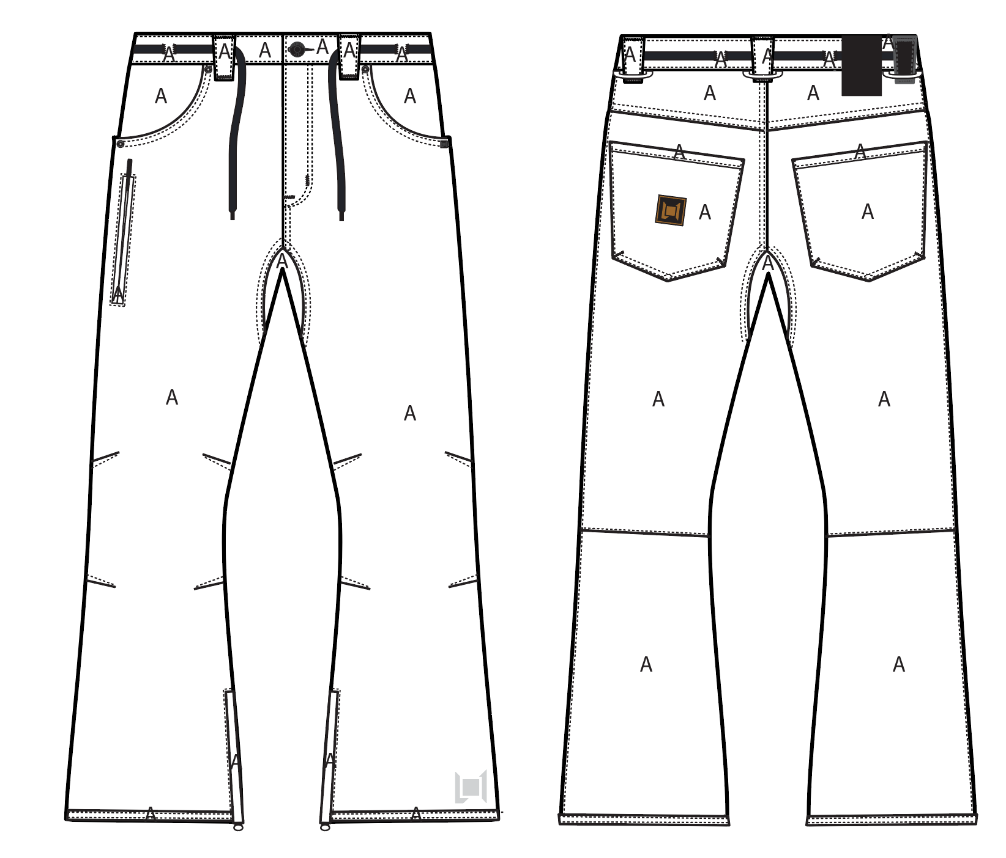
 |  |  |  | COLORWAYS
SHELL FABRIC | SUPPLIER/ REFERENCE NUMBER | LOCATION | CONTENT | BLACK | GUNMETAL | INK | RUST | SOIL
CALVARY STRETCH TWILL | RACO / CALVARY STRETCH TWILL 950703-B / 10K/10K / C6 + DWR | A | 100% POLYESTER | BLACK | GUNMETAL | INK | RUST | SOIL
LEATHER | SUPPLER? CAN YOU SOURCE SAME QUALITY AS OTHER FAUX LEATHER TRIMS | BACK RIGHT BELT LOOP |  | BLACK FAUX LEATHER | BLACK FAUX LEATHER | BLACK FAUX LEATHER | BLACK FAUX LEATHER | BLACK FAUX LEATHER

INSULATION | SUPPLIER/ REFERENCE NUMBER | LOCATION | CONTENT | BLACK | GUNMETAL | INK | RUST | SOIL | 0
NON INSULATED

SEAM TAPE | SUPPLIER/ REFERENCE NUMBER | LOCATION | CONTENT | BLACK | GUNMETAL | INK | RUST | SOIL | 0
SEAM TAPE | TSGS | CRITICALLY TAPED |  | CRITICALLY TAPED | CRITICALLY TAPED | CRITICALLY TAPED | CRITICALLY TAPED | CRITICALLY TAPED

LINING | SUPPLIER/ REFERENCE NUMBER | LOCATION | CONTENT | BLACK | GUNMETAL | INK | RUST | SOIL | 0
REGULAR MESH | 1606B02 (ALS-16038) | MAIN BODY | 100% POLYESTER | BLACK | BLACK | BLACK | BLACK | BLACK
SOLID 210T | SOLIS / SONP006-1 | SECONDARY POCKET BAGS | 100% NYLON | BLACK | BLACK | BLACK | BLACK | BLACK
SOLID COATED 210T | SOLIS / SONP006-PU03 | LOWER LEG | 100% NYLON | BLACK | BLACK | BLACK | BLACK | BLACK
BRUSHED TRICOT | SUPPLIER / REF CODE | WAISTBAND, FLY, HAND POCKET BAGS | 100% POLYESTER | BLACK | BLACK | BLACK | BLACK | BLACK

LOWER LEG LINING PRINT (SEE PDF) | SUPPLIER/ REFERENCE NUMBER | LOCATION | CONTENT | BLACK | GUNMETAL | INK | RUST | SOIL | 0
ON COATED 210T | PLEASE SOURCE | LOWER LEG FRONT AND BACK |  | PANTONE 18-0950 TCX HARVEST SCREEN PRINT | PANTONE 18-0950 TCX HARVEST SCREEN PRINT | PANTONE 18-0950 TCX HARVEST SCREEN PRINT | PANTONE 18-0403 TCX GUNMETAL | PANTONE 18-0950 TCX HARVEST SCREEN PRINT

MEASUREMENTS
L1 MENS PANT
SEASON: |  | WINTER 2018/2019 |  |  |  |  |  |  | CONTRACTOR: |  |  |  | SOLUNA
STYLE NUMBER: |  | L1-208-18 |  |  |  |  |  |  | DATE CREATED: |  |  |  | 2017-03-13
STYLE NAME: |  | SKINNY TWILL |  |  |  |  |  |  | DATE REVISED:
WATERPROOF/BREATHABILITY: |  | 10K/10K |  |  |  |  |  |  | BLOCK: |  |  |  | L1-205-16 SKINNY TWILL PAPER PATTERN
SEAM SEALING: |  | CRITICALLY SEAM SEALED |  |  |  |  |  |  | FIT: |  |  |  | SKINNY FIT
INSULATION: |  | NON INSULATED |  |  |  |  |  |  | TARGET FOB: |  |  |  | $30.00
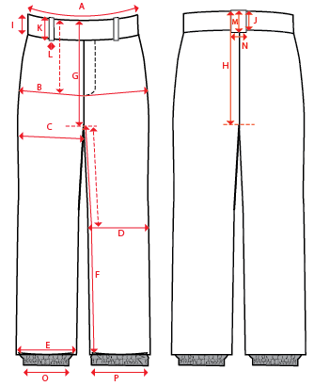
 |  |  |  |  | 1ST PROTO |  |  | 2ND PROTO |  |  | 3RD PROTO |  |  | S/SAMPLE |  |  | PP SAMPLE |  | FINAL
 |  |  |  | DATE: |  |  | DATE: |  |  | DATE: |  |  | DATE: |  |  | DATE:
 |  |  | TOL +/- | INITIAL MEASMNT | SAMPLE MEASURES | REVISE TO | REQUESTED | SAMPLE MEASURES | REVISE TO | REQUESTED | SAMPLE MEASURES | REVISE TO | REQUESTED | SAMPLE MEASURES | REVISE TO | REQUESTED | SAMPLE MEASURES | REVISE TO | APPROVED MEASMNTS
A | WAIST WIDTH |  | 0.25 | 17.75
B | HIP -7" DOWN FROM TOP EDGE OF WAIST TOP EDGE |  | 0.25 | 21.75
C | THIGH - 1" BELOW CROTCH |  | 0.25 | 12.5
D | KNEE -XS-13", S - 13.5", M-14", L-14.5" DOWN FROM CROTCH |  | 0.25 | 8.5
E | HEM OPENING |  | 0.25 | 10.75
F | INSEAM - FROM CENTER OF CROTCH |  | 0.25 | 34
G | FRONT RISE - INCL WAIST BAND, NOT INCLUDING GUSSET |  | 0.125 | 10
H | BACK RISE - INCL WAIST BAND, NOT INCLUDING GUSSET |  | 0.125 | 14.75
 | GUSSET LENGTH |  | 0.125
 | GUSSET WIDTH |  | 0.125 | 3.5
I | CF WAIST BAND HEIGHT |  | 0.125 | 1.625
J | CB WAIST BAND HEIGHT |  | 0.125 | 1.625
K | BELT LOOP LENGTH |  | 0.125 | 2.875
L (a) | BELT LOOP WIDTH - TOP EDGE |  | 0.125 | 1.25
L (b) | BELT LOOP WIDTH - BOTTOM EDGE |  | 0.125 | 0.875
 | DRAWCORD LENGTH |  | 0.125 | 57
O | STORM CUFF RELAXED |  | 0.25
P | STORM CUFF STRETCHED |  | 0.25
 | FRONT POCKET OPENING ALONG WAISTBAND |  | 0.125
 | FRONT POCKET OPENING ALONG SIDESEAM |  | 0.125 | 3
 | BACK POCKET HEIGHT |  | 0.125 | 6
 | BACK POCKET WIDTH |  | 0.125 | 6
ZIPPERS | FLY |  | 0.125 | 6
 | #REF! |  | 0.125
 | #REF! |  | 0.125
 | LEG POCKET VERTICAL |  | 0.125 | 6
 | #REF! |  | 0.125
 | HEM GUSSET |  | 0.125 | 8

COMMENTS
L1 MENS PANT
SEASON: |  | WINTER 2018/2019 | CONTRACTOR: | SOLUNA
STYLE NUMBER: |  | L1-208-18 | DATE CREATED: | 2017-03-13
STYLE NAME: |  | SKINNY TWILL | DATE REVISED: | 2017-04-04
WATERPROOF/BREATHABILITY: |  | 10K/10K | BLOCK: | L1-205-16 SKINNY TWILL PAPER PATTERN
SEAM SEALING: |  | CRITICALLY SEAM SEALED | FIT: | SKINNY FIT
INSULATION: |  | NON INSULATED | TARGET FOB: | $30.00

STATUS: |  | DATE SENT:
 |  | NOT APPROVED FOR S/SAMPLES; SUBMIT A 2nd PROTO SAMPLE (subject to revisions)
 |  | NOT APPROVED FOR S/SAMPLES; SUBMIT A 3rd PROTO SAMPLE (subject to revisions)
 |  | NOT APPROVED FOR S/SAMPLES; SUBMIT A MOCK UP (subject to revisions)
 |  | APPROVED FOR S/SAMPLES (subject to revisions)
 |  | NOT APPROVED FOR PRODUCTION; SUBMIT A P/P SAMPLE (subject to revisions)
 |  | APPROVED FOR PRODUCTION (subject to revisions)
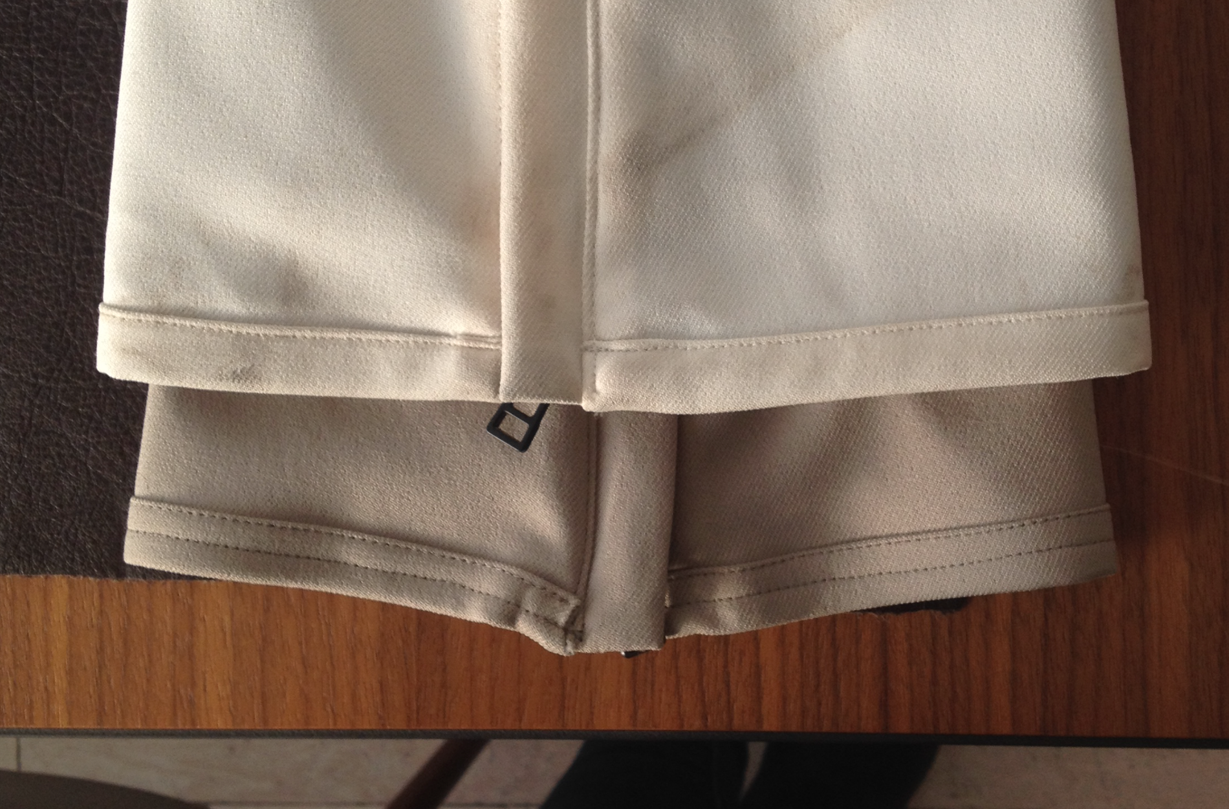
2017-03-13 | >USE L1-205-16 SKINNY TWILL PAPER PATTERN AS A BLOCK
 | >MAKE SURE HEMS ARE EVEN AS WHITE PANT IN BELOW PHOTO-------->
 | >NOTE THAT THIS RISE MEASUREMENT DOES NOT INCLUDE THE GUSSET, GUSSET
 | MEASUREMENT IS RECORDED SEPARATELY
 | >FOLLOW THE PAPER PATTERN AND NOTE ANY DISCREPANCIES BETWEEN THE PAPER
 | PATTERN AND THE SPEC'D MEASUREMENTS.
 | >SUBMIT PROTO FOR REVIEW

2017-03-30 | >FABRIC CODE UPDATED
 | >TRIM AND COLORWAY INFO IS ADDED TO FILES
 | >BACK RIGHT BELT LOOP IS BLACK FAUX LEATHER SAME QUALITY AS TRIMS
 | >MAIN BODY LINING IN EXCEL REVISED TO REGULAR MESH, PDF IS CORRECT
 | >LOWER LEG LINING PRINT IS ADDED TO PDF AND EXCEL SHELL PAGE
 |  | >LOWER LEG SCREEN ON RUST COLORWAY IS 18-0403 TCX GUNMETAL

