SHELL
 | L1 PANT
 | SEASON: |  | WINTER 2017/2018 |  | CONTRACTOR: |  | SOLUNA
 | STYLE NUMBER: |  | L1-209-17 |  | DATE CREATED: |  | 2016-02-14
 | STYLE NAME: |  | SKINNY DENIM PANT |  | DATE REVISED:
 | WATERPROOF/BREATHABILITY: |  | MARKED AS: 10K/10K |  | BLOCK: |  | L1-205-16 SKINNY TWILL REFERENCE SAMPLE
 | SEAM SEALINING: |  | CRITICALLY TAPED |  | FIT: |  | SKINNY FIT
 | INSULATION: |  | SHELL |  | TARGET FOB: |  | $41, $48

 | 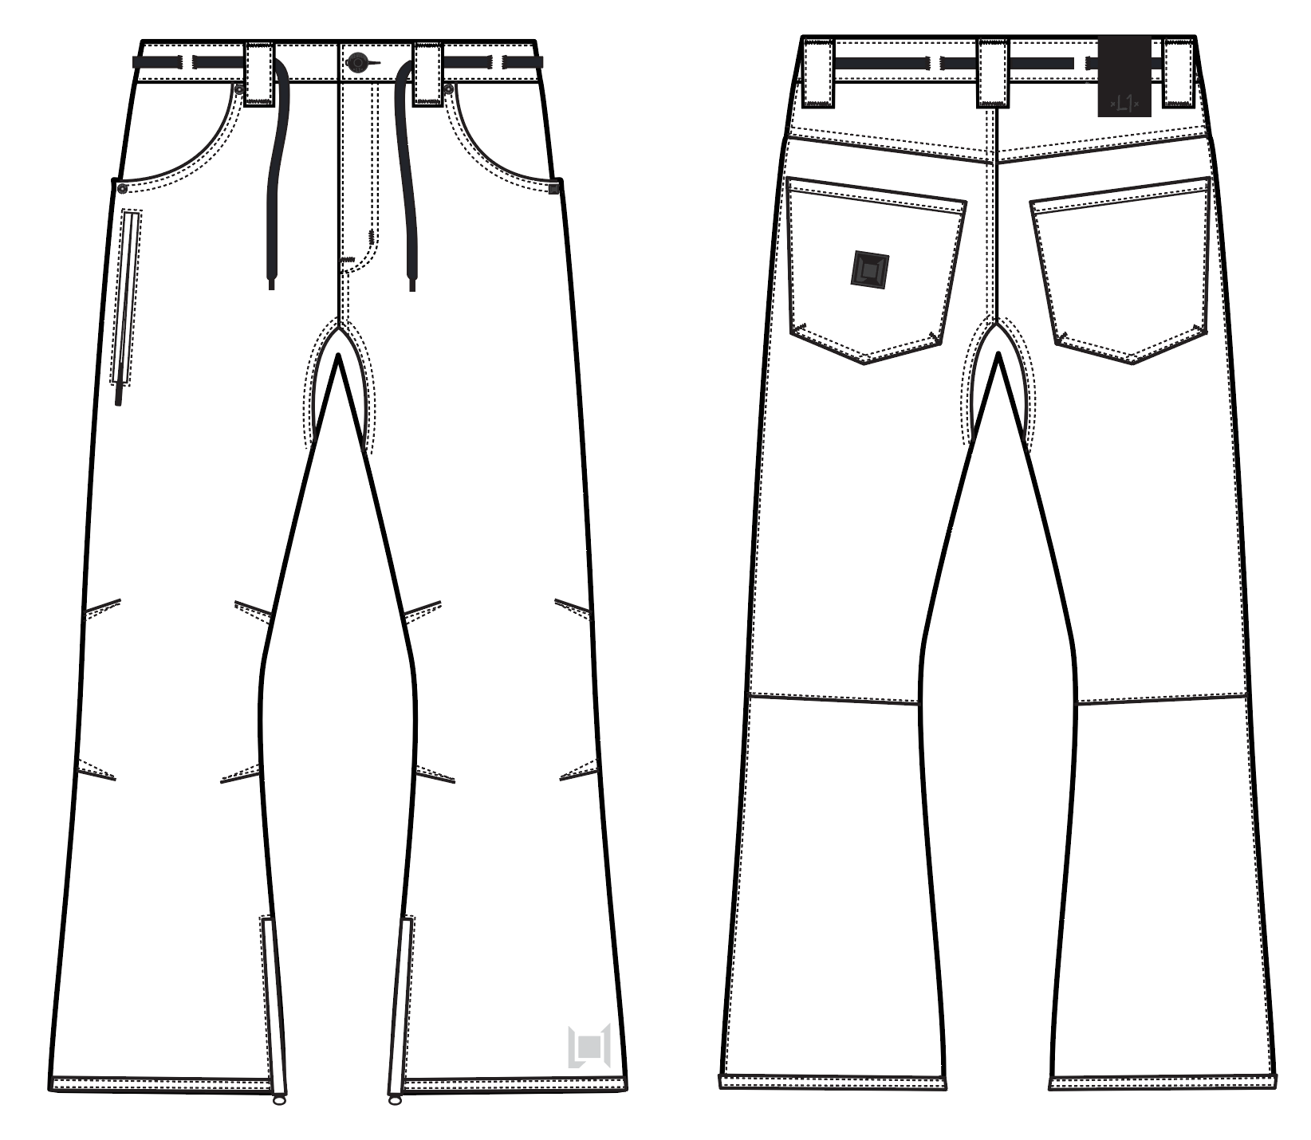
 |  |  |  | COLORWAYS
SHELL FABRIC | ITEM | SUPPLIER/ REF NUMBER | CONTENT | BLACK OVERDYE DENIM | BROWN OVERDYE DENIM
ALL SHELL IS SAME FABRIC | OVERDYE PIGMENT $6.90 10K/10K | LAKA TEX LS1068-DL2A | 85% COTTON, 13% POLY, 2% SPANDEX | BLACK OVERDYE DENIM | NO
ALL SHELL IS SAME FABRIC | BROWN OVERDYE DENIM 10K/10K LAMINATION + W/R + PIGMENT, $10.65 | SOLIS - L2-1081 | 84.5% COTTON/ 13.5 % POLY/ 2% SPANDEX | NO | BROWN L2-1081 OVERDYE DENIM

INSULATION | ITEM | SUPPLIER/ REF NUMBER | CONTENT | BLACK OVERDYE DENIM | BROWN OVERDYE DENIM | 0 | 0 | 0 | 0
NON INSULATED |  |  |  | NO | NO

SEAM TAPE | ITEM | SUPPLIER/ REF NUMBER | CONTENT | BLACK OVERDYE DENIM | BROWN OVERDYE DENIM | 0 | 0 | 0 | 0
CRITICALLY TAPED | WIDTH...SEAM TAPE | SEALON |  | YES | YES

LINING | ITEM | SUPPLIER/ REF NUMBER | CONTENT | BLACK OVERDYE DENIM | BROWN OVERDYE DENIM | 0 | 0 | 0 | 0
MAIN BODY | SMALL HOLE MESH | PLEASE SORCE | 100% POLY | BLACK | BLACK
LOWER LEG | COATED 210T | PLEASE SORCE | 100% NYLON | BLACK | BLACK
WAISTBAND & FLY | 120G BRUSHED TRICOT | PLEASE SORCE | 100% POLY | BLACK | BLACK
HAND POCKET LINING | 120G BRUSHED TRICOT | PLEASE SORCE | 100% POLY | BLACK | BLACK

MEASUREMENTS
 | L1 PANT
 | SEASON: |  | WINTER 2017/2018 |  |  |  |  |  | DATE CREATED:
 | STYLE NUMBER: |  | L1-209-17 |  |  |  |  |  | DATE REVISED:
 | STYLE NAME: |  | SKINNY DENIM PANT |  |  |  |  |  | BLOCK: |  |  |  |  |  | L1-205-16 SKINNY TWILL REFERENCE SAMPLE
 | SAMPLE SIZE: |  | MENS LARGE |  |  |  |  |  | FIT: |  |  |  |  |  | SKINNY FIT
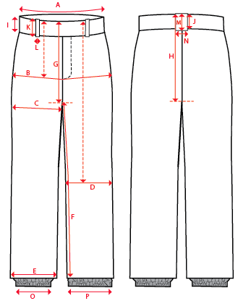
 |  |  |  |  | REF SAMPLE |  |  | 1ST PROTO |  |  | 2ND PROTO |  |  | S/SAMPLE |  |  | PP SAMPLE |  | FINAL
 |  |  |  | DATE: | 2016-02-14 |  | DATE: |  |  | DATE: |  |  | DATE: |  |  | DATE:
 |  |  | TOL +/- | INITIAL MEASMNT | SAMPLE MEASURES | REVISE TO | REQUESTED | SAMPLE MEASURES | REVISE TO | REQUESTED | SAMPLE MEASURES | REVISE TO | REQUESTED | SAMPLE MEASURES | REVISE TO | REQUESTED | SAMPLE MEASURES | REVISE TO | APPROVED MEASMNTS
A | WAIST WIDTH |  | 0.25 | 17.75 | 18 | 17.75 | 17.75
B | HIP -7" DOWN FROM TOP EDGE OF WAIST |  | 0.25 | 21.75 | 21.75 |  | 21.75
C | THIGH - 1" BELOW CROTCH |  | 0.125 | 12.5 | 12.5 |  | 12.5
D | KNEE -XS-22.125", S - 22.625", M-23.125", L-23.625" ,XL-24.125, XXL-24.625 DOWN FROM TOP EDGE OF WAIST |  | 0.125 | 8.5 | 8.5 |  | 8.5
E | HEM OPENING |  | 0.125 | 10.75 | 10.75 |  | 10.75
F | INSEAM - FROM CENTER OF CROTCH |  | 0.25 | 34 | 34 |  | 34

G | FRONT RISE - INC WAIST BAND, NOT GUSSSET |  | 0.125 | 10 | 10 |  | 10
H | BACK RISE - INC WAIST BAND, NOT GUSSSET |  | 0.125 | 14.75 | 14.75 |  | 14.75
 | CROTCH GUSSET RISE |  | 0.125 | 3.5 | 3.5 |  | 3.5

I | CF WAIST BAND HEIGHT |  | 0.125 | 1.625 | 1.625 |  | 1.625
J | CB WAIST BAND HEIGHT |  | 0.125 | 1.625 | 1.625 |  | 1.625
K | BELT LOOP LENGTH |  | 0.125 | 2.875 | 2.875 |  | 2.875
L | BELT LOOP WIDTH |  | 0.125 | 1 | 1 |  | 1
M | CB BELT LOOP LENGTH |  | 0.125 | 2.875 | 2.875 |  | 2.875
N | CB BELT LOOP WIDTH |  | 0.125 | 1 | 1 |  | 1

O | STORM CUFF RELAXED |  | 0.25
P | STORM CUFF STRETCHED |  | 0.25

 | FLY | #5 COIL | 0.125 | 6 | 6 |  | 6
 | LEG POCKET | #3 COIL | 0.125 | 6 | 6 |  | 6
 | HEM | #5 COIL | 0.125 | 8 | 8 |  | 8

