SHELL
BRAND MENS PANT |  |  |  |  |  |  | SAMPLE SIZE LARGE / XS-XXL
SEASON: |  | WINTER 2018/2019 |  |  | CONTRACTOR: |  | SOLUNA
STYLE NUMBER: |  | L1-211-18 |  |  | DATE CREATED: |  | 2017-03-13
STYLE NAME: |  | AFTERSHOCK |  |  | DATE REVISED: |  | 2017-04-05
WATERPROOF/BREATHABILITY: |  | 10K/10K |  |  | BLOCK:
SEAM SEALING: |  | CRITICALLY SEAM SEALED |  |  | FIT: |  | REGULAR STRAIGHT LEG
INSULATION: |  | 60G PINNECO CORE OR SYNTHETIC DOWN, WAIST BAND 20G |  |  | TARGET FOB:
 |  | 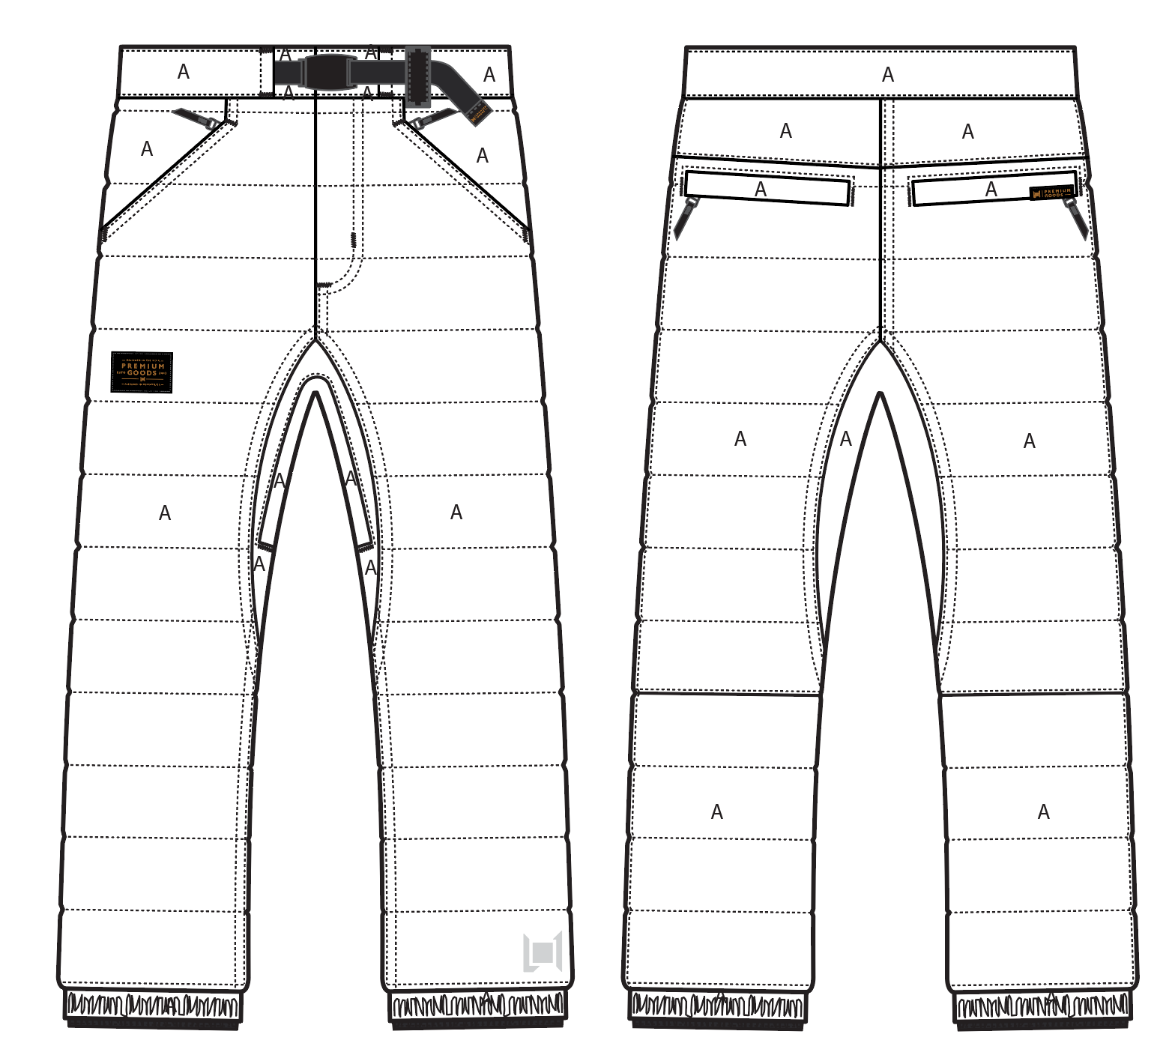
 |  |  |  | COLORWAYS
SHELL FABRIC | SUPPLIER/ REFERENCE NUMBER | LOCATION | CONTENT | BLACK | GUNMETAL | SILT | WALNUT
MICRO RIPSTOP | SOLIS/ SOTL120-PU01 MICRO RIP 2L DOT LAM | A | 100% POLYESTER | BLACK | GUNMETAL | SILT | WALNUT
FAUX LEATHER | SUPPLER? CAN YOU SOURCE SAME QUALITY AS OTHER FAUX LEATHER TRIMS | FRONT LEFT BELT LOOP |  | BLACK FAUX LEATHER | BLACK FAUX LEATHER | BLACK FAUX LEATHER | BLACK FAUX LEATHER

INSULATION | SUPPLIER/ REFERENCE NUMBER | LOCATION | CONTENT | BLACK | GUNMETAL | SILT | WALNUT | 0 | 0
POLYFILL | 60G PINNECO CORE OR SYNTHETIC DOWN | BODY, BACK YOKE | 100% POLYESTER | 60G PINNECO CORE OR SYNTHETIC DOWN | 60G PINNECO CORE OR SYNTHETIC DOWN | 60G PINNECO CORE OR SYNTHETIC DOWN | 60G PINNECO CORE OR SYNTHETIC DOWN
POLYFILL | 20G PINNECO MANTLE | WAISTBAND, BACK POCKET WELTS | 100% POLYESTER | 20G PINNECO CORE OR SYNTHETIC DOWN | 20G PINNECO CORE OR SYNTHETIC DOWN | 20G PINNECO CORE OR SYNTHETIC DOWN | 20G PINNECO CORE OR SYNTHETIC DOWN

SEAM TAPE | SUPPLIER/ REFERENCE NUMBER | LOCATION | CONTENT | BLACK | GUNMETAL | SILT | WALNUT | 0 | 0
SEAM TAPE | TSGS | CRITICALLY TAPED |  | CRITICALLY TAPED | CRITICALLY TAPED | CRITICALLY TAPED | CRITICALLY TAPED

LINING | SUPPLIER/ REFERENCE NUMBER | LOCATION | CONTENT | BLACK | GUNMETAL | SILT | WALNUT | 0 | 0
SOLID 210T | SOLIS / SONP006-1 | BODY | 100% NYLON | BLACK | BLACK | BLACK | BLACK
SOLID 210T | SOLIS / SONP006-1 | POCKET BAGS | 100% NYLON | BLACK | BLACK | BLACK | BLACK
REVERSE BRUSHED TRICOT | SUPPLIER / REF CODE | SEAT | 100% POLYESTER | BLACK | BLACK | BLACK | BLACK
BRUSHED TRICOT | SUPPLIER / REF CODE | WAISTBAND AND FLY | 100% POLYESTER | BLACK | BLACK | BLACK | BLACK
SOLID COATED 210T | SOLIS / SONP006-PU03 | LOWER LEG & GAITER | 100% POLYESTER | BLACK | BLACK | BLACK | BLACK
REGULAR MESH | 1606B02 (ALS-16038) | VENTS | 100% POLYESTER | BLACK | BLACK | BLACK | BLACK

LOWER LEG LINING PRINT (SEE PDF) | SUPPLIER/ REFERENCE NUMBER | LOCATION | CONTENT | BLACK | GUNMETAL | SILT | WALNUT | 0 | 0
ON COATED 210T | PLEASE SOURCE | LOWER LEG FRONT AND BACK |  | PANTONE 18-0950 TCX HARVEST SCREEN PRINT | PANTONE 18-0950 TCX HARVEST SCREEN PRINT | PANTONE 18-0403 TCX GUNMETAL | PANTONE 18-0950 TCX HARVEST SCREEN PRINT

TRIMS
BRAND MENS PANT |  |  |  |  | SAMPLE SIZE LARGE / XS-XXL
SEASON: |  | WINTER 2018/2019 |  |  | CONTRACTOR: |  | SOLUNA
STYLE NUMBER: |  | L1-211-18 |  |  | DATE CREATED: |  | 2017-03-13
STYLE NAME: |  | AFTERSHOCK |  |  | DATE REVISED: |  | 2017-04-05
WATERPROOF/BREATHABILITY: |  | 10K/10K |  |  | BLOCK: |  | 0
SEAM SEALING: |  | CRITICALLY SEAM SEALED |  |  | FIT: |  | REGULAR STRAIGHT LEG
INSULATION: |  | 60G PINNECO CORE OR SYNTHETIC DOWN, WAIST BAND 20G |  |  | TARGET FOB: |  | $0.00

ZIPPERS | SUPPLIER/ REFERENCE NUMBER | LOCATION | AMOUNT | BLACK | GUNMETAL | SILT | WALNUT | 0 | 0
#5 COIL ZIPPER | YKK / 1-WAY SEMI AUTO LOCKING DALH | FLY | 1 | SILDER/PULL COLOR: X6 BLACK OXIDES ZIPPER TAPE &TEETH COLOR: BLACK | SILDER/PULL COLOR: X6 BLACK OXIDES ZIPPER TAPE &TEETH COLOR: BLACK | SILDER/PULL COLOR: X6 BLACK OXIDES ZIPPER TAPE &TEETH COLOR: BLACK | SILDER/PULL COLOR: X6 BLACK OXIDES ZIPPER TAPE &TEETH COLOR: BLACK
#5 COIL ZIPPER | NON YKK / 1-WAY DADHR DIE CAST WIRE NON LOCKING | HAND POCKETS | 1 PER SIDE = 2 | SILDER/PULL COLOR: X6 BLACK OXIDES ZIPPER TAPE &TEETH COLOR: BLACK | SILDER/PULL COLOR: X6 BLACK OXIDES ZIPPER TAPE &TEETH COLOR: BLACK | SILDER/PULL COLOR: X6 BLACK OXIDES ZIPPER TAPE &TEETH COLOR: BLACK | SILDER/PULL COLOR: X6 BLACK OXIDES ZIPPER TAPE &TEETH COLOR: BLACK
#5 COIL ZIPPER | NON YKK / 1-WAY DADHR DIE CAST WIRE NON LOCKING | BACK POCKETS | 1 PER SIDE = 2 | SILDER/PULL COLOR: X6 BLACK OXIDES ZIPPER TAPE &TEETH COLOR: BLACK | SILDER/PULL COLOR: X6 BLACK OXIDES ZIPPER TAPE &TEETH COLOR: BLACK | SILDER/PULL COLOR: X6 BLACK OXIDES ZIPPER TAPE &TEETH COLOR: BLACK | SILDER/PULL COLOR: X6 BLACK OXIDES ZIPPER TAPE &TEETH COLOR: BLACK
#5 COIL ZIPPER | NON YKK / 2-WAY ZIP DOWN TO CLOSE DADHR DIE CAST WIRE NON LOCKING | BALLS OUT VENTING | 1 | SILDER/PULL COLOR: X6 BLACK OXIDES ZIPPER TAPE &TEETH COLOR: BLACK | SILDER/PULL COLOR: X6 BLACK OXIDES ZIPPER TAPE &TEETH COLOR: BLACK | SILDER/PULL COLOR: X6 BLACK OXIDES ZIPPER TAPE &TEETH COLOR: BLACK | SILDER/PULL COLOR: X6 BLACK OXIDES ZIPPER TAPE &TEETH COLOR: BLACK

ADDITIONAL ZIPPER PULLS | SUPPLIER/ REFERENCE NUMBER | LOCATION | AMOUNT | BLACK | GUNMETAL | SILT | WALNUT | 0 | 0
L1-2018-TRIM-018 Non branded zipper pull. | PLEASE SOURCE: SAME SUPPLIER AS OTHER FAUX LEATHER TRIMS | FRONT AND BACK HAND POCKETS | 4 | BLACK FAUX LEATHER | BLACK FAUX LEATHER | BLACK FAUX LEATHER | BLACK FAUX LEATHER
11NT-045 / SELF FABRIC PULL | FACTORY MADE | BALLS OUT VENTING | 1 PER SIDE = 2 | MATCH TO SHELL | MATCH TO SHELL | MATCH TO SHELL | MATCH TO SHELL

BRANDED TRIMS | SUPPLIER/ REFERENCE NUMBER | LOCATION | AMOUNT | BLACK | GUNMETAL | SILT | WALNUT | 0 | 0
L1-2018-TRIM-010 Leather backed Snap | LUKS | WAIST BAND CLOSURE | 1 | PSEUDO ANTI SILVER SAS54 BLACK FAUX LEATHER | PSEUDO ANTI SILVER SAS54 BLACK FAUX LEATHER | PSEUDO ANTI SILVER SAS54 BLACK FAUX LEATHER | PSEUDO ANTI SILVER SAS54 BLACK FAUX LEATHER
L1-2018-TRIM-002 Black FAUX Leather patch | PLEASE SOURCE | FRONT RIGHT THIGH | 1 | BLACK FAUX LEATHER | BLACK FAUX LEATHER | BLACK FAUX LEATHER | BLACK FAUX LEATHER
1-2018-TRIM-007 Large black faux leather hem wrap | PLEASE SOURCE | BACK RIGHT POCKET WELT | 1 | BLACK FAUX LEATHER | BLACK FAUX LEATHER | BLACK FAUX LEATHER | BLACK FAUX LEATHER
L1-2018-TRIM-031 Large black faux leather belt end wrap | PLEASE SOURCE | HEM WRAP ON END OF WAIST BELT | 1 | BLACK FAUX LEATHER | BLACK FAUX LEATHER | BLACK FAUX LEATHER | BLACK FAUX LEATHER
L1-2018-TRIM-025 L1 EMBROIDERY LARGE 3.7cm x 3.4cm | PLEASE SOURCE | HEM FRONT LEFT LEG | 1 | MATCH TO SHELL | MATCH TO SHELL | MATCH TO SHELL | MATCH TO SHELL

TRIMS | SUPPLIER/ REFERENCE NUMBER | LOCATION | AMOUNT | BLACK | GUNMETAL | SILT | WALNUT | 0 | 0
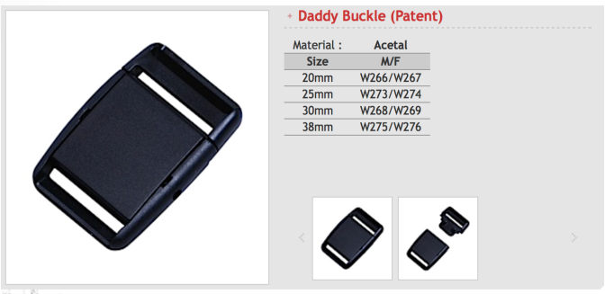 DADDY BUCKLE 30mm | SUPPLIER/ WOOJIN | FRONT WAIST BAND | 1 | BLACK | BLACK | BLACK | BLACK
15MM METAL SNAP | LUK'S / 404 | BACK GAITER/ PANT HEM | 1 PER SIDE = 2 | AL023 ALLOY (D) | AL023 ALLOY (D) | AL023 ALLOY (D) | AL023 ALLOY (D)
BOOT HOOK | SUPPLIER | FRONT GAITER | 1 PER SIDE = 2 | AL023 ALLOY (D) | AL023 ALLOY (D) | AL023 ALLOY (D) | AL023 ALLOY (D)
KEYCLIP | XXX | RIGHT LEG POCKET | 1 | METAL COLOR
KEYCLIP | AS LAST YEAR PRODUCTION | RIGHT HAND POCKET | 1 | BLACK | BLACK | BLACK | BLACK

NOTIONS | SUPPLIER/ REFERENCE NUMBER | LOCATION | AMOUNT | BLACK | GUNMETAL | SILT | WALNUT | 0 | 0
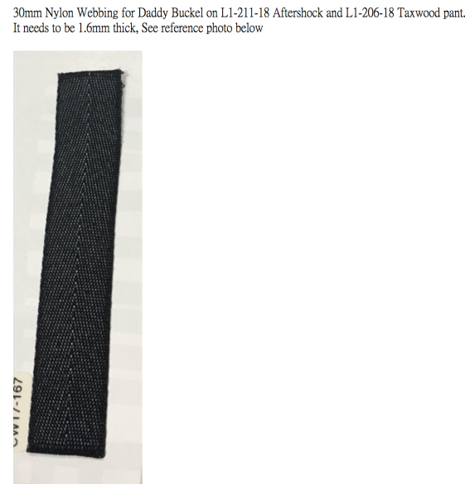 WEBBING 30MM WIDE, 1.6MM THICK | PLEASE SOURCE AS PHOTO | WAIST BAND | 1 | BLACK | BLACK | BLACK | BLACK
GROSGRAIN 1/4" | XXX | RIGHT HAND POCKET ATTACH KEYCLIP | 1 | BLACK | BLACK | BLACK | BLACK
GROSSGRAIN 1/4" | FACTORY | BALLS OUT VENTING MESH GUARD | 1 | BLACK | BLACK | BLACK | BLACK
SELF FABRIC TAB 1X1 | FACTORY | FRONT GAITER UNDER BOOT HOOK | 1 PER SIDE = 2 | MATCH TO SHELL | MATCH TO SHELL | MATCH TO SHELL | MATCH TO SHELL
SELF FABRIC TAB 1X1 | FACTORY | BACK GAITER UNDER FINGER SNAP HEM ADJUST | 1 PER SIDE = 2 | MATCH TO SHELL | MATCH TO SHELL | MATCH TO SHELL | MATCH TO SHELL
ELASTIC 1" | FACTORY | PANT HEM | 1 PER SIDE = 2 | AVAILABLE | AVAILABLE | AVAILABLE | AVAILABLE
GRIPPER ELASTIC 25mm NON LOGO | MTT0022 | LEG GAITERS | 2 | BLACK | BLACK | BLACK | BLACK
GROSSGRAIN 1/4" | FACTORY | BALLS OUT VENTING MESH GUARD | 1 | BLACK | BLACK | BLACK | BLACK

VELCRO | SUPPLIER/ REFERENCE NUMBER | LOCATION | AMOUNT | BLACK | GUNMETAL | SILT | WALNUT | 0 | 0

THREAD | SPI | SUPPLIER/ REF NUMBER | AMOUNT | BLACK | GUNMETAL | SILT | WALNUT | 0 | 0
SEAMS | 10-12 SPI | 30/2 |  | MATCH TO SHELL | MATCH TO SHELL | MATCH TO SHELL | MATCH TO SHELL
TOPSTITCH | 8-10 SPI | 30/2 |  | MATCH TO SHELL | MATCH TO SHELL | MATCH TO SHELL | MATCH TO SHELL
BARTACKS |  | 100/2 |  | MATCH TO SHELL | MATCH TO SHELL | MATCH TO SHELL | MATCH TO SHELL
SLEEVE GAITER COVER STITCH | MUST BE STRETCH THREAD |  |  | MATCH TO SHELL | MATCH TO SHELL | MATCH TO SHELL | MATCH TO SHELL

LABELS | SUPPLIER/ REFERENCE NUMBER | LOCATION | AMOUNT | BLACK | GUNMETAL | SILT | WALNUT | 0 | 0
10K/10K CRITICALLY TAPE | SOLUNA/ MAIN LABEL | INNER FRONT RIGHT | 1 | 10K/10K CRITICALLY TAPE
SIZE LABEL (SAMPLE SIZE L) | SOLUNA/ SIZE LABEL | CENTER BACK | 1 | XS, S, M, L, XL

HANG TAGS | SUPPLIER/ REFERENCE NUMBER | LOCATION | AMOUNT | BLACK | GUNMETAL | SILT | WALNUT | 0 | 0
MENS JACKET HANG TAG | SOLUNA/ MENS JACKET HANG TAG | LEFT SIDE HAND POCKET ZIPPER | 1 | MENS JACKET HANG TAG
PANT REGULAR FIT HANG TAG | SOLUNA/ PANT FIT HANG TAG | LEFT SIDE HAND POCKET ZIPPER | 1 | PANT REGULAR FIT HANG TAG

CARE AND CONTENT LABELS | SUPPLIER/ REFERENCE NUMBER | LOCATION | AMOUNT | BLACK | GUNMETAL | SILT | WALNUT | 0 | 0
ADDRESS LABEL | FACTORY SOURCED | LINING LEFT SIDE SEAM | 1
CONTENT LABEL | FACTORY SOURCED | LINING LEFT SIDE SEAM | 1
WASHING LABEL | FACTORY SOURCED | LINING LEFT SIDE SEAM | 1

MEASUREMENTS
BRAND MENS PANT
SEASON: |  | WINTER 2018/2019 |  |  |  |  |  |  | CONTRACTOR: |  |  |  | SOLUNA
STYLE NUMBER: |  | L1-211-18 |  |  |  |  |  |  | DATE CREATED: |  |  |  | 2017-03-13
STYLE NAME: |  | AFTERSHOCK |  |  |  |  |  |  | DATE REVISED:
WATERPROOF/BREATHABILITY: |  | 10K/10K |  |  |  |  |  |  | BLOCK: |  |  |  | 0
SEAM SEALING: |  | CRITICALLY SEAM SEALED |  |  |  |  |  |  | FIT: |  |  |  | REGULAR STRAIGHT LEG
INSULATION: |  | 60G PINNECO CORE OR SYNTHETIC DOWN, WAIST BAND 20G |  |  |  |  |  |  | TARGET FOB: |  |  |  | $0.00
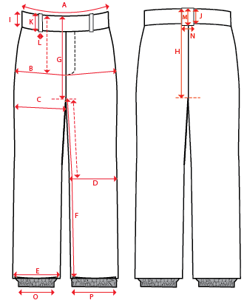
 |  |  |  |  | 1ST PROTO |  |  | 2ND PROTO |  |  | 3RD PROTO |  |  | S/SAMPLE |  |  | PP SAMPLE |  | FINAL
 |  |  |  | DATE: |  |  | DATE: |  |  | DATE: |  |  | DATE: |  |  | DATE:
 |  |  | TOL +/- | INITIAL MEASMNT | SAMPLE MEASURES | REVISE TO | REQUESTED | SAMPLE MEASURES | REVISE TO | REQUESTED | SAMPLE MEASURES | REVISE TO | REQUESTED | SAMPLE MEASURES | REVISE TO | REQUESTED | SAMPLE MEASURES | REVISE TO | APPROVED MEASMNTS
A | WAIST WIDTH |  | 0.25 | 18.5
B | HIP -7" DOWN FROM TOP EDGE OF WAIST TOP EDGE |  | 0.25 | 22.25
C | THIGH - 1" BELOW CROTCH |  | 0.25 | 13.75
D | KNEE -XS-13", S - 13.5", M-14", L-14.5" DOWN FROM CROTCH |  | 0.25 | 10
E | HEM OPENING - RELAXED |  | 0.25 | 8
 | HEM OPENING - EXTENDED |  | 0.25 | 11
F | INSEAM - FROM CENTER OF CROTCH |  | 0.25 | 32
G | FRONT RISE - TO CENTRE CROTCH ZIP, INC WAIST BAND & GUSSET |  | 0.125 | 12.75
H | BACK RISE - TO CENTRE CROTCH ZIP, INC WAIST BAND & GUSSET |  | 0.125 | 16.25
 | GUSSET LENGTH |  | 0.125 | 22
 | GUSSET WIDTH - FRONT |  | 0.125 | 1.25
 | GUSSET WIDTH - BACK |  | 0.125 | 1.75
I | CF WAIST BAND HEIGHT |  | 0.125 | 2
J | CB WAIST BAND HEIGHT |  | 0.125 | 2
K | BELT LOOP LENGTH |  | 0.125 | 2.5
L | BELT LOOP WIDTH |  | 0.125 | 1
 | BACK POCKET WELT WIDTH |  | 0.125 | 1
 | WEBBING BELT LENGTH - TOTAL |  | 0.125 | 44
 | WEBBING BELT WIDTH |  | 0.125 | 1.125
O | STORM CUFF RELAXED |  | 0.25 | 7.5
P | STORM CUFF STRETCHED |  | 0.25 | 12.5
ZIPPERS | FLY |  | 0.125 | 6.5
 | HAND POCKETS |  | 0.125 | 6
 | BACK POCKETS |  | 0.125 | 5.5
 | BALLS OUT VENTING |  | 0.125 | 16
 | #REF! |  | 0.125

