SHELL
L1TA WOMENS JACKET |  |  |  |  |  |  | SAMPLE SIZE SMALL / XS-L
SEASON: |  | WINTER 2018/2019 |  |  | CONTRACTOR: |  | SOLUNA
STYLE NUMBER: |  | L1TA-102-18 |  |  | DATE CREATED: |  | 2017-03-01
STYLE NAME: |  | TAMARYN |  |  | DATE REVISED: |  | 2017-04-04
WATERPROOF/BREATHABILITY: |  | 10K/10K |  |  | BLOCK: |  | L1TA-102-17 TAMARYN
SEAM SEALING: |  | CRITICALLY SEAM SEALED |  |  | FIT:
INSULATION: |  | 150G PINNECO CORE |  |  | TARGET FOB:
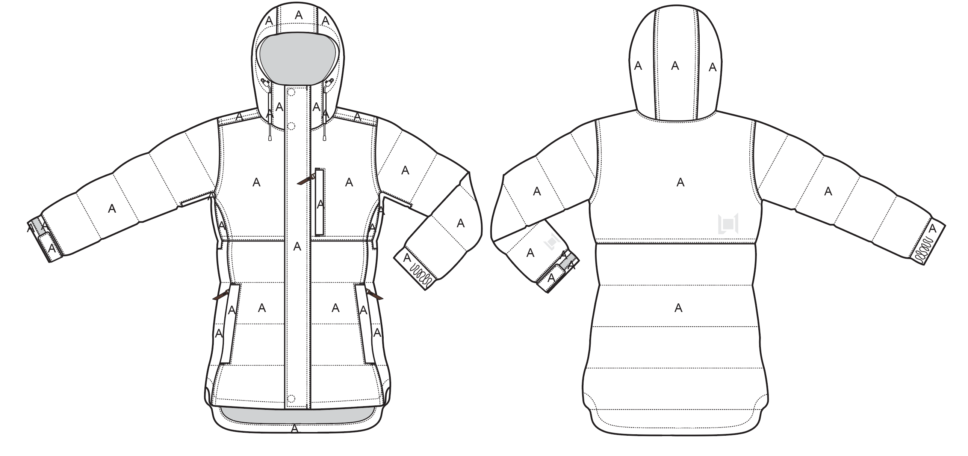
 |  |  |  | COLORWAYS
SHELL FABRIC | SUPPLIER/ REFERENCE NUMBER | LOCATION | CONTENT | SILT | PORT | WALNUT | BLACK
MICRO RIP STOP | SOLIS / SOTL120-D MICRO RIP | A |  | SILT | PORT | WALNUT | BLACK

INSULATION | SUPPLIER/ REFERENCE NUMBER | LOCATION | CONTENT | SILT | PORT | WALNUT | BLACK | 0 | 0
POLYFILL INSULATION | PINNECO CORE 150G | ALL OVER |  | 150G | 150G | 150G | 150G

SEAM TAPE | SUPPLIER/ REFERENCE NUMBER | LOCATION | CONTENT | SILT | PORT | WALNUT | BLACK | 0 | 0
SEAM TAPE | TSGS | CRITICALLY SEAM TAPED |  | CRITICALLY SEAM TAPED | CRITICALLY SEAM TAPED | CRITICALLY SEAM TAPED | CRITICALLY SEAM TAPED

LINING | SUPPLIER/ REFERENCE NUMBER | LOCATION | CONTENT | SILT | PORT | WALNUT | BLACK | 0 | 0
PRINTED SATIN | SOLIS/ PR258 WOMENS PRINT | HOOD | 100% POLYESTER | SOLIS/ PR258 WOMENS PRINT | SOLIS/ PR258 WOMENS PRINT | SOLIS/ PR258 WOMENS PRINT | SOLIS/ PR258 WOMENS PRINT
PRINTED SATIN | SOLIS/ PR258 WOMENS PRINT | MAIN BODY | 100% POLYESTER | SOLIS/ PR258 WOMENS PRINT | SOLIS/ PR258 WOMENS PRINT | SOLIS/ PR258 WOMENS PRINT | SOLIS/ PR258 WOMENS PRINT
SOLID 210T | SOLIS/ SONP006-1 | SLEEVES | 100% NYLON | BLACK | BLACK | BLACK | BLACK
SOLID 210T | SOLIS/ SONP006-1 | SECONDARY POCKET BAGS | 100% NYLON | BLACK | BLACK | BLACK | BLACK
SOLID COATED 210T | SOLIS / SONP006-PU03 | LOWER BODY & POWDER SKIRT | 100% NYLON | BLACK | BLACK | BLACK | BLACK
BRUSHED TRICOT | SUPPLIER / REF CODE | HAND POCKET BAGS | 100% POLYESTER | BLACK | BLACK | BLACK | BLACK
BRUSHED TRICOT | SUPPLIER / REF CODE | CHIN GUARD | 100% POLYESTER | BLACK | BLACK | BLACK | BLACK
POWERSTRETCH MESH | SUPPLIER / REF CODE | UNDERARM VENTS | 100% POLYESTER | BLACK | BLACK | BLACK | BLACK
POWERSTRETCH MESH | SUPPLIER / REF CODE | GOGGLE POCKET | 100% POLYESTER | BLACK | BLACK | BLACK | BLACK
STRETCH LYCRA | SUPPLIER / REF CODE | SLEEVE GAITERS | CONTENT | BLACK | BLACK | BLACK | BLACK

TRIMS
L1TA WOMENS JACKET |  |  |  |  | SAMPLE SIZE SMALL / XS-L
SEASON: |  | WINTER 2018/2019 |  |  | CONTRACTOR: |  | SOLUNA
STYLE NUMBER: |  | L1TA-102-18 |  |  | DATE CREATED: |  | 2017-03-01
STYLE NAME: |  | TAMARYN |  |  | DATE REVISED: |  | 2017-04-04
WATERPROOF/BREATHABILITY: |  | 10K/10K |  |  | BLOCK: |  | L1TA-102-17 TAMARYN
SEAM SEALING: |  | CRITICALLY SEAM SEALED |  |  | FIT: |  | 0
INSULATION: |  | 150G PINNECO CORE |  |  | TARGET FOB: |  | $0.00

ZIPPERS | SUPPLIER/ REFERENCE NUMBER | LOCATION | AMOUNT | SILT | PORT | WALNUT | BLACK | 0 | 0
#5 VISLON ZIPPER | YKK / 2-WAY SEMI AUTO LOCKING WITH 2 L1 CUSTOM PULLS | CENTER FRONT | 1 | SILDER/ PULL COLOR: MATCH COLOR TO YKK RL BRIGHT COPPER/ ZIPPER TAPE AND TEETH COLOR: BLACK | SILDER/ PULL COLOR: MATCH COLOR TO YKK RL BRIGHT COPPER/ ZIPPER TAPE AND TEETH COLOR: BLACK | SILDER/ PULL COLOR: MATCH COLOR TO YKK RL BRIGHT COPPER/ ZIPPER TAPE AND TEETH COLOR: BLACK | SILDER/ PULL COLOR: MATCH COLOR TO YKK RL BRIGHT COPPER/ ZIPPER TAPE AND TEETH COLOR: BLACK
#5 COIL ZIPPER (SPECIAL HERRINGBONE TAPE) | NON YKK / 1-WAY DADHR DIE CAST WIRE NON LOCKING | CHEST POCKET VERTICAL | 1 | SILDER/ PULL COLOR: MATCH COLOR TO YKK RL BRIGHT COPPER/ ZIPPER TAPE AND TEETH COLOR: 16-5807 TCX SILT | SILDER/ PULL COLOR: MATCH COLOR TO YKK RL BRIGHT COPPER/ ZIPPER TAPE AND TEETH COLOR: 19-1718 TCX PORT | SILDER/ PULL COLOR: MATCH COLOR TO YKK RL BRIGHT COPPER/ ZIPPER TAPE AND TEETH COLOR: 18-0513 TCX WALNUT | SILDER/ PULL COLOR: MATCH COLOR TO YKK RL BRIGHT COPPER/ ZIPPER TAPE AND TEETH COLOR: 19-4006 TCX BLACK | 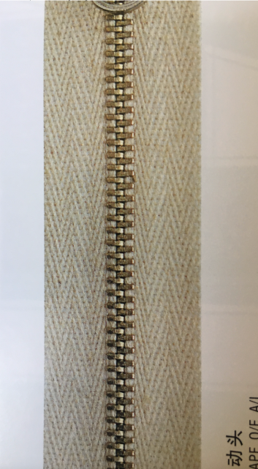
#5 COIL ZIPPER | NON YKK / 1-WAY DADHR DIE CAST WIRE NON LOCKING | UNDERARM VENTS | 1 PER SIDE = 2 | SILDER/ PULL COLOR: MATCH COLOR TO YKK RL BRIGHT COPPER/ ZIPPER TAPE AND TEETH COLOR: BLACK | SILDER/ PULL COLOR: MATCH COLOR TO YKK RL BRIGHT COPPER/ ZIPPER TAPE AND TEETH COLOR: BLACK | SILDER/ PULL COLOR: MATCH COLOR TO YKK RL BRIGHT COPPER/ ZIPPER TAPE AND TEETH COLOR: BLACK | SILDER/ PULL COLOR: MATCH COLOR TO YKK RL BRIGHT COPPER/ ZIPPER TAPE AND TEETH COLOR: BLACK
#5 COIL ZIPPER | NON YKK / 1-WAY DADHR DIE CAST WIRE NON LOCKING | HAND POCKETS VERTICAL | 1 PER SIDE = 2 | SILDER/ PULL COLOR: MATCH COLOR TO YKK RL BRIGHT COPPER/ ZIPPER TAPE AND TEETH COLOR: BLACK | SILDER/ PULL COLOR: MATCH COLOR TO YKK RL BRIGHT COPPER/ ZIPPER TAPE AND TEETH COLOR: BLACK | SILDER/ PULL COLOR: MATCH COLOR TO YKK RL BRIGHT COPPER/ ZIPPER TAPE AND TEETH COLOR: BLACK | SILDER/ PULL COLOR: MATCH COLOR TO YKK RL BRIGHT COPPER/ ZIPPER TAPE AND TEETH COLOR: BLACK
#5 COIL ZIPPER | NON YKK / 1-WAY 5C DFW SHORT NON LOCKING | LINING POCKET VERTICAL | 1 | SILDER/ PULL COLOR: MATCH COLOR TO YKK RL BRIGHT COPPER/ ZIPPER TAPE AND TEETH COLOR: BLACK | SILDER/ PULL COLOR: MATCH COLOR TO YKK RL BRIGHT COPPER/ ZIPPER TAPE AND TEETH COLOR: BLACK | SILDER/ PULL COLOR: MATCH COLOR TO YKK RL BRIGHT COPPER/ ZIPPER TAPE AND TEETH COLOR: BLACK | SILDER/ PULL COLOR: MATCH COLOR TO YKK RL BRIGHT COPPER/ ZIPPER TAPE AND TEETH COLOR: BLACK

ADDITIONAL ZIPPER PULLS | SUPPLIER/ REFERENCE NUMBER | LOCATION | AMOUNT | SILT | PORT | WALNUT | BLACK | 0 | 0
L1-2018-TRIM-017 L1 Zipper Pull. Graphic debossed 1mm 3.2 cm x 0.92 cm | YKK | CENTER FRONT | TOP AND BOTTOM PULL = 2 | YKK RL BRIGHT COPPER | YKK RL BRIGHT COPPER | YKK RL BRIGHT COPPER | YKK RL BRIGHT COPPER
L1-2018-TRIM-018 / Non branded zipper pull Faux Leather | PLEASE SOURCE: SAME SUPPLIER AS OTHER FAUX LEATHER TRIMS | CHEST POCKET VERTICAL | 1 | BROWN FAUX LEATHER | BROWN FAUX LEATHER | BROWN FAUX LEATHER | BROWN FAUX LEATHER
11NT-045 / SELF FABRIC PULL | FACTORY MADE | UNDER ARM VENTS | 1 PER SIDE = 2 | SILT SHELL FABRIC | PORT SHELL FABRIC | WALNUT SHELL FABRIC | BLACK SHELL FABRIC
L1-2018-TRIM-018 / Non branded zipper pull Faux Leather | PLEASE SOURCE: SAME SUPPLIER AS OTHER FAUX LEATHER TRIMS | HAND POCKETS VERTICAL | 1 PER SIDE = 2 | BROWN FAUX LEATHER | BROWN FAUX LEATHER | BROWN FAUX LEATHER | BROWN FAUX LEATHER
11NT-045 / SELF FABRIC PULL | FACTORY MADE | LINING POCKET | 1 | SILT SHELL FABRIC | PORT SHELL FABRIC | WALNUT SHELL FABRIC | BLACK SHELL FABRIC

BRANDED TRIMS | SUPPLIER/ REFERENCE NUMBER | LOCATION | AMOUNT | SILT | PORT | WALNUT | BLACK | 0 | 0
L1-2018-TRIM-W-001 / Woven label: 5.3 cm x 6.2 cm | PLEASE SOURCE | FRONT RIGHT HEM | 1 | L1-2018-TRIM-W-001 / Woven label: 5.3 cm x 6.2 cm | L1-2018-TRIM-W-001 / Woven label: 5.3 cm x 6.2 cm | L1-2018-TRIM-W-001 / Woven label: 5.3 cm x 6.2 cm | L1-2018-TRIM-W-001 / Woven label: 5.3 cm x 6.2 cm
L1-2018-TRIM-004 Brown FAUX leather hem wrap / artwork debossed 1mm 5.7 cm x 2.87 cm | PLEASE SOURCE | LEFT HAND POCKET | 1 | BROWN FAUX LEATHER | BROWN FAUX LEATHER | BROWN FAUX LEATHER | BROWN FAUX LEATHER
L1-2018-TRIM-024/ L1 EMBROIDERY SMALL 3cm x 2.77cm | SOLUNA | LEFT SLEEVE HEM | 1 | MATCHING | MATCHING | MATCHING | MATCHING
L1-2018-TRIM-025 / L1 EMBROIDERY LARGE 3.7cm x 3.4cm | SOLUNA | BACK RIGHT | 1 | MATCHING | MATCHING | MATCHING | MATCHING

TRIMS | SUPPLIER/ REFERENCE NUMBER | LOCATION | AMOUNT | SILT | PORT | WALNUT | BLACK | 0 | 0
15MM METAL SNAP | LUK'S / 404 | FRONT PLACKET CHIN AND HEM (HIDDEN) | 2 SETS | CP016 COPPER | CP016 COPPER | CP016 COPPER | CP016 COPPER
15MM METAL SNAP | LUK'S / 404 | POWDER SKIRT - FRONT CLOSURE | 2 FEMALE, 4 MALE | CP016 COPPER | CP016 COPPER | CP016 COPPER | CP016 COPPER
15MM METAL SNAP | LUK'S / 404 | SNAP AWAY POWDER SKIRT - LINING FACING | 1 MALE 1 FEMALE | CP016 COPPER | CP016 COPPER | CP016 COPPER | CP016 COPPER
15MM METAL SNAP | LUK'S / 404 | POWDER SKIRT - JACKET TO PANT CONNECTION | 3 SETS | CP016 COPPER | CP016 COPPER | CP016 COPPER | CP016 COPPER
METAL EYELETS 8MM | LUK'S / ET04 | HOOD CORD EXIT FRONT | 1 PER SIDE = 2 | CP016 COPPER | CP016 COPPER | CP016 COPPER | CP016 COPPER
CORD LOCK: SMALL CORD LOCK WITH TIE DOWN | SUN SUN/ SV160824-2A | FRONT HOOD ADJUST | 1 PER SIDE = 2 | 16-5807 TCX SILT | 19-1718 TCX PORT | 18-0513 TCX WALNUT | 19-4006 TCX BLACK | 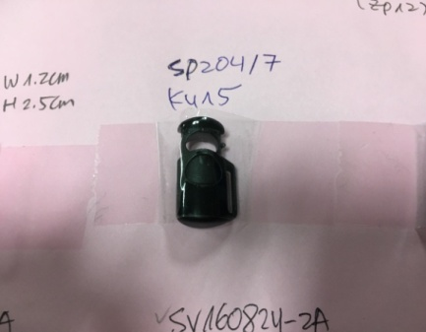
METAL DRAWCORD TIP | SEE PHOTO | HOOD SHOCKCORD TIPS | 1 PER SIDE = 2 | CP016 COPPER | CP016 COPPER | CP016 COPPER | CP016 COPPER | 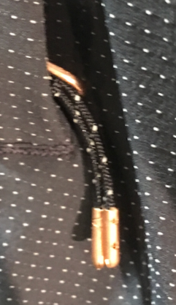
KEYCLIP | AS PRODUCTION | RIGHT HAND POCKET | 1 | BLACK | BLACK | BLACK | BLACK

NOTIONS | SUPPLIER/ REFERENCE NUMBER | LOCATION | AMOUNT | SILT | PORT | WALNUT | BLACK | 0 | 0
GROSGRAIN 1/4" |  | ATTACH FRONT HOOD CORD LOCK | 1 PER SIDE = 2 | BLACK | BLACK | BLACK | BLACK
GROSGRAIN 1/4" |  | ATTACH KEYCLIP RIGHT HAND POCKET | 1 | BLACK | BLACK | BLACK | BLACK
GROSGRAIN 3/4" X 3 1/2" FLAT WEBBING (FINISHED LENGTH) |  | POWDER SKIRT - SIDE TABS JACKET TO PANT CONNECTION | 2 | BLACK | BLACK | BLACK | BLACK
SHELL FABRIC TAB 1" X 1" WRAP AROUND |  | JACKET TO PANT CONNECTION CENTER BACK ON TAB | 1 | SILT SHELL FABRIC | PORT SHELL FABRIC | WALNUT SHELL FABRIC | BLACK SHELL FABRIC
SHELL FABRIC TAB 1" X 1" WRAP AROUND |  | JACKET TO PANT CONNECTION CENTER BACK UNDER SNAP ON GRIPPER ELASTIC | 1 | SILT SHELL FABRIC | PORT SHELL FABRIC | WALNUT SHELL FABRIC | BLACK SHELL FABRIC
SHELL FABRIC TAB 3/4" X 1" |  | JACKET TO PANT CONNECTION AT SIDE TABS UNDER SNAPS | 1 PER SIDE = 2 | SILT SHELL FABRIC | PORT SHELL FABRIC | WALNUT SHELL FABRIC | BLACK SHELL FABRIC
ELASTIC 1" X 4" |  | POWDER SKIRT MIDDLE TAB - JACKET TO PANT CONNECTION | 1 | BLACK | BLACK | BLACK | BLACK
ELASTIC |  | BACK OF SLEEVE CUFFS | 1 PER SIDE = 2 | AVAILABLE | AVAILABLE | AVAILABLE | AVAILABLE
ELASTIC 1/4" |  | LINING CABLE GUIDE | 1 | BLACK | BLACK | BLACK | BLACK
GRIPPER ELASTIC 25mm NON LOGO | MTT0022 | POWDER SKIRT HEM | 1 | BLACK | BLACK | BLACK | BLACK
ELASTINE BINDING |  | GOGGLE POCKET BINDING | 1 | BLACK | BLACK | BLACK | BLACK
L1-2018-TRIM-030 2-COLOR SHOCKCORD 3.5mm (HEATHERED 2 COLOR MIX) | EXAMPLE: CW17-062 CHUN WO HO (PLEASE SOURCE) | HOOD | 1 | COLORWAY: 3 = 12-0105 TCX BONE/ 16-5807 TCX SILT | COLORWAY: 7 =19-1718 TCX PORT/ 18-1703 TCX SMOKE | COLORWAY: 5 = 18-0513 TCX WALNUT/ 19-4006 TCX BLACK | COLORWAY: 1 = 19-4006 TCX BLACK/ 18-0403 TCX GUNMETAL

VELCRO | SUPPLIER/ REFERENCE NUMBER | LOCATION | AMOUNT | SILT | PORT | WALNUT | BLACK | 0 | 0
1/2" X 1 1/2" VELCRO WITH ROUNDED CORNERS | PAIHO / Loop#1057 / HookETN7 | CHIN | 1 | MATCH TO SHELL | MATCH TO SHELL | MATCH TO SHELL | MATCH TO SHELL
1/2" X 2 VELCRO WITH ROUNDED CORNERS | PAIHO / Loop#1057 / HookETN7 | CENTER FRONT PLACKET | 4 | MATCH TO SHELL | MATCH TO SHELL | MATCH TO SHELL | MATCH TO SHELL
3/4" X 3 3/4" VELCRO WITH ROUNDED CORNERS | PAIHO / Loop#1057 | CUFF ON BODY | 1 PER SIDE = 2 | MATCH TO SHELL | MATCH TO SHELL | MATCH TO SHELL | MATCH TO SHELL
3/4" X 2 1/2" VELCRO WITH ROUNDED CORNERS | PAIHO / HookETN7 | CUFF ON TAB | 1 PER SIDE = 2 | MATCH TO SHELL | MATCH TO SHELL | MATCH TO SHELL | MATCH TO SHELL

THREAD | SPI | SUPPLIER/ REF NUMBER | AMONT | SILT | PORT | WALNUT | BLACK | 0 | 0
SEAMS | 10-12 SPI | 30/2 |  | MATCH TO SHELL | MATCH TO SHELL | MATCH TO SHELL | MATCH TO SHELL
TOPSTITCH | 8-10 SPI | HEAVY WEIGHT TOPSTITCH |  | MATCH TO SHELL | MATCH TO SHELL | MATCH TO SHELL | MATCH TO SHELL
BARTACKS |  | 100/2 |  | MATCH TO SHELL | MATCH TO SHELL | MATCH TO SHELL | MATCH TO SHELL

LABELS | SUPPLIER/ REFERENCE NUMBER | LOCATION | AMONT | SILT | PORT | WALNUT | BLACK | 0 | 0
10K/10K CRITICALLY SEAM SEALED | SOLUNA/ MAIN LABEL | CENTER BACK BELOW NECK SEAM | 1
SIZE LABEL (SAMPLE SIZE S) | SOLUNA/ SIZE LABEL | CENTER BACK BELOW MAIN LABEL | 1

HANG TAGS | SUPPLIER/ REFERENCE NUMBER | LOCATION |  | SILT | PORT | WALNUT | BLACK | 0 | 0
WOMENS JACKET HANG TAG | SOLUNA/ WOMENS JACKET HANG TAG | LEFT SIDE HAND POCKET ZIPPER

CARE AND CONTENT LABELS | SUPPLIER/ REFERENCE NUMBER | LOCATION |  | SILT | PORT | WALNUT | BLACK | 0 | 0
ADDRESS LABEL | FACTORY SOURCED | LINING LEFT SIDE SEAM
CONTENT LABEL | FACTORY SOURCED | LINING LEFT SIDE SEAM
WASHING LABEL | FACTORY SOURCED | LINING LEFT SIDE SEAM

MEASUREMENTS
L1TA WOMENS JACKET |  |  |  |  |  |  |  | SAMPLE SIZE SMALL / XS-L
SEASON: |  | WINTER 2018/2019 |  |  |  |  |  | CONTRACTOR: |  |  |  |  |  | SOLUNA
STYLE NUMBER: |  | L1TA-102-18 |  |  |  |  |  | DATE CREATED: |  |  |  |  |  | 2017-03-01
STYLE NAME: |  | TAMARYN |  |  |  |  |  | DATE REVISED: |  |  |  |  |  | 2017-04-04
WATERPROOF/BREATHABILITY: |  | 10K/10K |  |  |  |  |  | BLOCK: |  |  |  |  |  | L1TA-102-17 TAMARYN
SEAM SEALINING: |  | CRITICALLY SEAM SEALED |  |  |  |  |  | FIT: |  |  |  |  |  | 0
INSULATION: |  | 150G PINNECO CORE |  |  |  |  |  | TARGET FOB: |  |  |  |  |  | $0.00
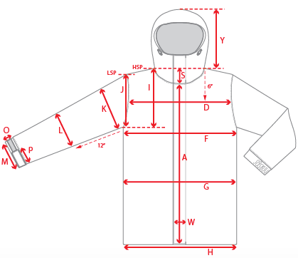 |  |  | 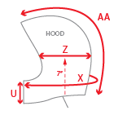 |  |  | 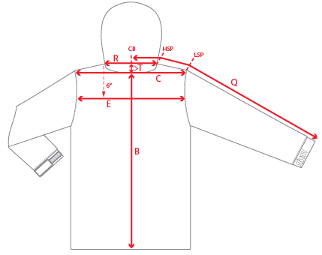
 |  |  |  | 1ST PROTO |  |  | 2ND PROTO |  |  | 3RD PROTO |  |  | S/SAMPLE |  |  | PP SAMPLE |  | FINAL
 |  |  | DATE: |  |  | DATE: |  |  | DATE: |  |  | DATE: |  |  | DATE:
 |  | TOL +/- | INITIAL MEASMNT | SAMPLE MEASURES | REVISE TO | REQUESTED | SAMPLE MEASURES | REVISE TO | REQUESTED | SAMPLE MEASURES | REVISE TO | REQUESTED | SAMPLE MEASURES | REVISE TO | REQUESTED | SAMPLE MEASURES | REVISE TO | APPROVED MEASMNTS
A | CF LENGTH - FROM NECKLINE | 0.25 | 25.5
B | CB LENGTH - FROM NECKLINE | 0.25 | 29.5
C | SHOULDER WIDTH | 0.25 | 16
D | ACROSS FRONT- 6" FROM HPS | 0.25
E | ACROSS BACK- 6" FROM HPS | 0.25
F | CHEST WIDTH - 1" BELOW ARMHOLE (1/2 MEASURE) | 0.25 | 21
G | WAIST WIDTH - FROM HSP: XS-16", S-16.5", M-17", L-17.5" (1/2 MEASURE) | 0.25 | 20.5
 | HIP WIDTH - FROM HSP: XS-22", S-22.5", M-23", L-23.5" (1/2 MEASURE) | 0.25
H | HEM OPENING - (1/2 MEASURE) | 0.25 | 22
I | ARMHOLE FRM HSP - STRAIGHT (1/2 MEASURE) | 0.125
J | ARMHOLE FRM LSP - STRAIGHT (1/2 MEASURE) | 0.125 | 9.5
K | BICEP - 1" BELOW UNDERARM (1/2 MEASURE) | 0.125 | 8.5
L | ELBOW - 10" BELOW UNDERARM (1/2 MEASURE) | 0.125 | 7
M | SLEEVE OPENING - RELAXED (1/2 MEASURE) | 0.125 | 6
N | SLEEVE OPENING - STRETCHED (1/2 MEASURE) | 0.125
 | WRIST GATOR LENGTH | 0.125 | 4
 | WRIST GATOR OPENING (1/2 MEASURE) | 0.125 | 3.5
O | CUFF HEIGHT | 0.125 | 1.5
P | CUFF TAB LENGTH | 0.125
Q | CB SLEEVE LENGTH - 3 PT MEASURE FROM CB | 0.25 | 34.5
R | NECK WIDTH - STRAIGHT HPS TO HPS (1/2 MEASURE) | 0.125 | 9
S | FRONT NECK DROP - FROM HSP | 0.125 | 4
T | BACK NECK DROP - FROM HSP | 0.125 | 1
U | CF COLLAR HEIGHT | 0.125 | 4.25
V | CB COLLAR HEIGHT | 0.125
W | CENTER FRONT PLACKET WIDTH | 0.125
X | COLLAR CIRCUMFERENCE | 0.25 | 28
Y | HOOD HEIGHT - SHOULDER SEAM TO TOP | 0.125 | 14.5
Z | HOOD WIDTH - 8" DOWN | 0.125 | 10.5
AA | HOOD RUN | 0.25 | 21.75
AB | POWDER SKIRT LENGTH - EDGE TO EDGE, RELAXED | 0.5
AC | WAIST GAITER ELASTIC - FULL MEAS. RELAXED | 0.5 | 29.5
AD | WAIST GAITER ELASTIC - MIN. FULL MEAS. EXTENDED | 0.5 | 37
AE | POWDER SKIRT HEIGHT AT CB (INCLUDES ELASTIC) | 0.25
 | CHEST POCKET WELT LENGTH | 0.125 | 5.5
 | CHEST POCKET WELT WIDTH | 0.125
 | HAND POCKET WELT/FLAP LENGTH | 0.125 | 6.5
 | HAND POCKET WELT/FLAP WIDTH | 0.125
ZIPPERS | CENTER FRONT | 0.25 | 29.75
 | CHEST POCKET VERTICAL | 0.125 | 5.5
 | #REF! | 0.125
 | #REF! | 0.125
 | #REF! | 0.125
 | UNDERARM VENTS | 0.25 | 10
 | HAND POCKETS VERTICAL | 0.125 | 6.5
 | #REF! | 0.125
 | LINING POCKET VERTICAL | 0.125 | 6
 | #REF! | 0.125
 | #REF! | 0.25

 | ZIPPER RULES:
 | CF = XXX SHORTER THAN CF LENGTH

COMMENTS
L1TA WOMENS JACKET
SEASON: |  | WINTER 2018/2019 |  | CONTRACTOR: | SOLUNA
STYLE NUMBER: |  | L1TA-102-18 |  | DATE CREATED: | 2017-03-01
STYLE NAME: |  | TAMARYN |  | DATE REVISED:
WATERPROOF/BREATHABILITY: |  | 10K/10K |  | BLOCK: | L1TA-102-17 TAMARYN
SEAM SEALING: |  | CRITICALLY SEAM SEALED |  | FIT: | 0
INSULATION: |  | 150G PINNECO CORE |  | TARGET FOB: | $0.00

STATUS: | X | DATE SENT: | 2017-03-01
 |  | NOT APPROVED FOR S/SAMPLES; SUBMIT A 2nd PROTO SAMPLE (subject to revisions)
 |  | NOT APPROVED FOR S/SAMPLES; SUBMIT A 3rd PROTO SAMPLE (subject to revisions)
 |  | NOT APPROVED FOR S/SAMPLES; SUBMIT A MOCK UP (subject to revisions)
 |  | APPROVED FOR S/SAMPLES (subject to revisions)
 |  | NOT APPROVED FOR PRODUCTION; SUBMIT A P/P SAMPLE (subject to revisions)
 |  | APPROVED FOR PRODUCTION (subject to revisions)

2017-03-01 | 1ST PROTO REQUEST
 | >CARRY OVER FROM LAST SEASON, NO FIT UPDATES
 | >SEE PDF FILE FOR DESIGN DETAIL UPDATES
 | SUBMIT PROTO FOR REVIEW

2017-03-27 | >FABRIC CODE UPDATED
 | >CENTER FRONT ZIPPER REVISED TO 2-WAY
 | >COLORWAY ADDED
 | >TRIMS ADDED
 | >HOOD EYELET NUMBER REDUCED TO 1 PER SIDE
 | >** CHEST POCKET DETAIL: ZIPPER TAPE IS EXPOSED ON OPEN SIDE OF WELT, SEE DETAIL IN PDF
 |  >CHEST POCKET ZIPPER TAPE - CAN YOU SOURCE HERRINGBONE WEAVE TAPE? ---------->SEE PHOTO

2017-04-04 | TRIM CHANGES
UNIVERSAL | >L1-2018-TRIM-018 REVISE TO FAUX LEATHER
 | >L1-2018-TRIM-004 REVISE TO FAUX LEATHER
 | >WE WOULD LIKE THE L1 CUSTOM PULL ON THE TOP AND BOTTOM ZIPPER SLIDER

