SHELL
L1 WOMENS JACKET |  |  |  |  |  |  | SAMPLE SIZE SMALL / XS-L
SEASON: |  | WINTER 2018/2019 |  |  | CONTRACTOR: |  | SOLUNA
STYLE NUMBER: |  | L1TA-205-18 |  |  | DATE CREATED: |  | 2017-03-04
STYLE NAME: |  | HELLDIVER |  |  | DATE REVISED: |  | 2017-04-05
WATERPROOF/BREATHABILITY: |  | 10K/10K |  |  | BLOCK: |  | L1TA-203-16 SCARLETT & LITA-103-17 FAIRBANKS
SEAM SEALING: |  | CRITICAL SEAM SEALING |  |  | FIT: |  | RELAXED FIT
INSULATION: |  | 60g UPPER BODY, 40g SEAT AND KNEES "PINNECO MANTLE" |  |  | TARGET FOB:
 |  | 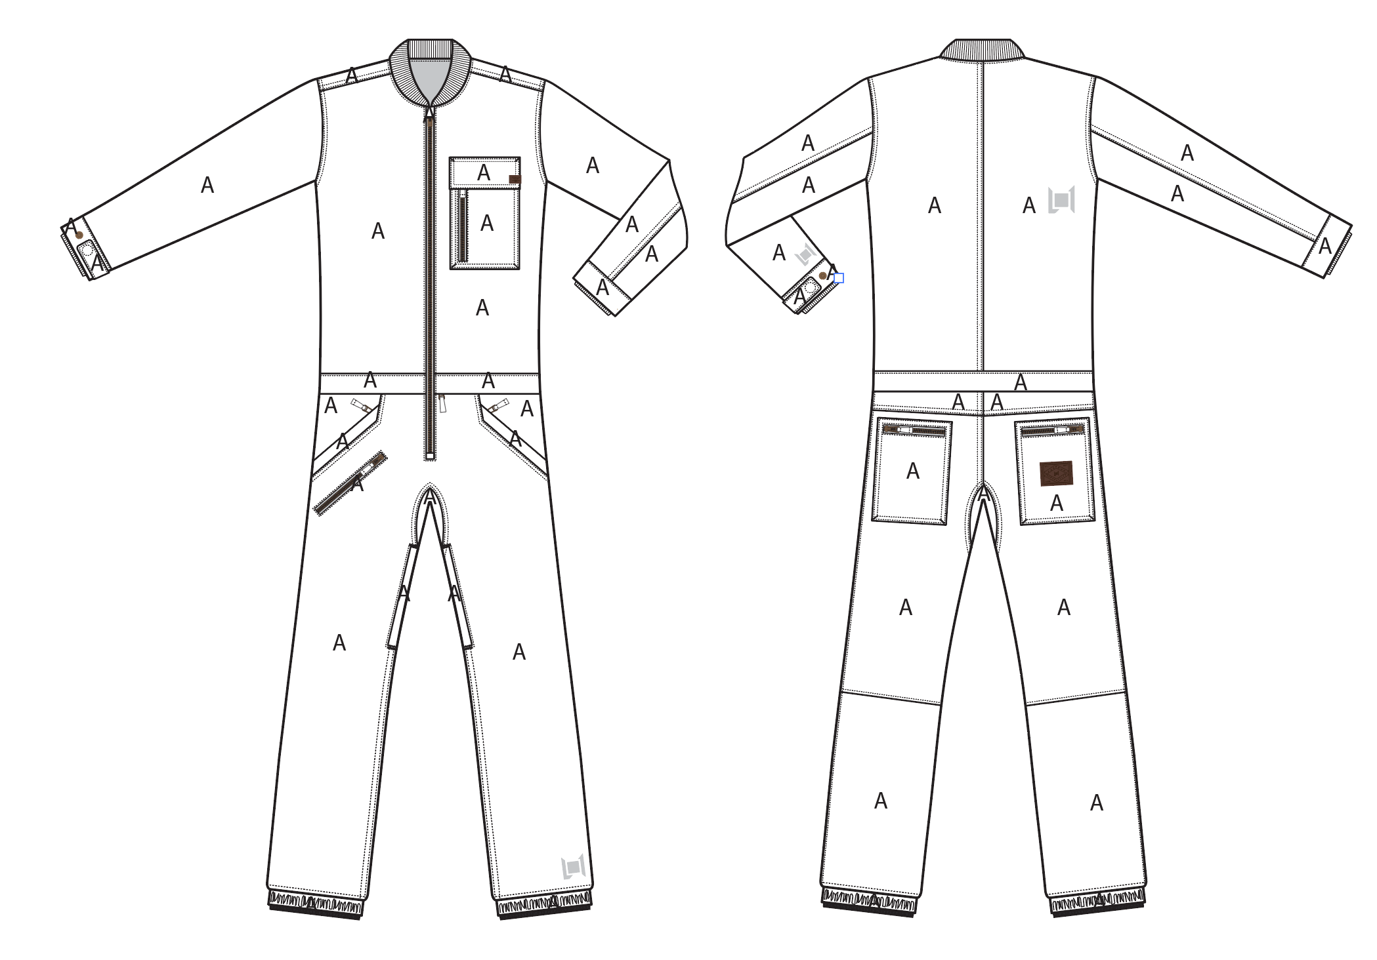
 |  |  |  | COLORWAYS
SHELL FABRIC | SUPPLIER/ REFERENCE NUMBER | LOCATION | CONTENT | BLACK | MILITARY | VINTAGE CAMO BROKEN TWILL
OXFORD | SOLIS/ OXFORD L2-581 ,10K/10K, C6 +DWR | A |  | BLACK | MILITARY | X
BROKEN TWILL | SOLIS/ WL248 BROKEN TWILL, 10K/10K, C6 +DWR | A |  | X | X | VINTAGE CAMO BROKEN TWILL
RIBBING | LEADER COLLAR / AS LAST PRODUCTION | COLLAR, SLEEVE HEM |  | BLACK | MILITARY | BLACK

INSULATION | SUPPLIER/ REFERENCE NUMBER | LOCATION | CONTENT | BLACK | MILITARY | VINTAGE CAMO BROKEN TWILL | 0 | 0 | 0
POLYFILL | PINNECO MANTLE | UPPER BODY | 100% POLYESTER | 60G | 60G | 60G
POLYFILL | PINNECO MANTLE | SLEEVES | 100% POLYESTER | 60G | 60G | 60G
POLYFILL | PINNECO MANTLE | SEAT | 100% POLYESTER | 40G | 40G | 40G
POLYFILL | PINNECO MANTLE | KNEES (FRONT) | 100% POLYESTER | 40G | 40G | 40G

SEAM TAPE | SUPPLIER/ REFERENCE NUMBER | LOCATION | CONTENT | BLACK | MILITARY | VINTAGE CAMO BROKEN TWILL | 0 | 0 | 0
SEAM TAPE | TSGS | CRITICALLY TAPED |  | CRITICALLY TAPED | CRITICALLY TAPED | CRITICALLY TAPED

LINING | SUPPLIER/ REFERENCE NUMBER | LOCATION | CONTENT | BLACK | MILITARY | VINTAGE CAMO BROKEN TWILL | 0 | 0 | 0
SOLID QUILTED SATIN | SOLIS/ PR258 | UPPER BODY | 100% POLYESTER | 18-1250 TCX Bombay | 18-1250 TCX Bombay | 18-1250 TCX Bombay
SOLID 210T | SOLIS/ SONP006-1 | SLEEVES | 100% NYLON | 18-1250 TCX Bombay | 18-1250 TCX Bombay | 18-1250 TCX Bombay
SOLID 210T | SOLIS/ SONP006-1 | PANTS | 100% NYLON | 18-1250 TCX Bombay | 18-1250 TCX Bombay | 18-1250 TCX Bombay
SOLID 210T | SOLIS / SONP006-PU03 | LOWER LEG & GAITER | 100% NYLON | BLACK | BLACK | BLACK
SOLID 210T | SOLIS/ SONP006-1 | SECONDARY POCKET BAGS | 100% NYLON | BLACK | BLACK | BLACK
BRUSHED TRICOT | SUPPLIER / REF CODE | CHIN GUARD | 100% POLYESTER | BLACK | BLACK | BLACK
BRUSHED TRICOT | SUPPLIER / REF CODE | HAND POCKET BAGS | 100% POLYESTER | BLACK | BLACK | BLACK
REGULAR MESH | 1606B02 (ALS-16038) | LEG VENTS | 100% POLYESTER | BLACK | BLACK | BLACK

LOWER LEG LINING PRINT (SEE PDF) | SUPPLIER/ REFERENCE NUMBER | LOCATION | CONTENT | BLACK | MILITARY | VINTAGE CAMO BROKEN TWILL | 0 | 0 | 0
ON COATED 210T | PLEASE SOURCE | LOWER LEG FRONT AND BACK |  | PANTONE 16-5807 TCX SILT | PANTONE 16-5807 TCX SILT | PANTONE 16-5807 TCX SILT

MEASUREMENTS
L1 WOMENS JACKET |  |  |  |  |  |  |  |  | SAMPLE SIZE SMALL / XS-L
SEASON: |  |  | WINTER 2018/2019 |  |  |  |  |  | CONTRACTOR: |  |  |  |  |  | SOLUNA
STYLE NUMBER: |  |  | L1TA-205-18 |  |  |  |  |  | DATE CREATED: |  |  |  |  |  | 2017-03-04
STYLE NAME: |  |  | HELLDIVER |  |  |  |  |  | DATE REVISED: |  |  |  |  |  | 2017-04-05
WATERPROOF/BREATHABILITY: |  |  | 10K/10K |  |  |  |  |  | BLOCK: |  |  |  |  |  | L1TA-203-16 SCARLETT & LITA-103-17 FAIRBANKS
SEAM SEALINING: |  |  | CRITICAL SEAM SEALING |  |  |  |  |  | FIT: |  |  |  |  |  | RELAXED FIT
INSULATION: |  |  | 60g UPPER BODY, 40g SEAT AND KNEES "PINNECO MANTLE" |  |  |  |  |  | TARGET FOB: |  |  |  |  |  | $0.00
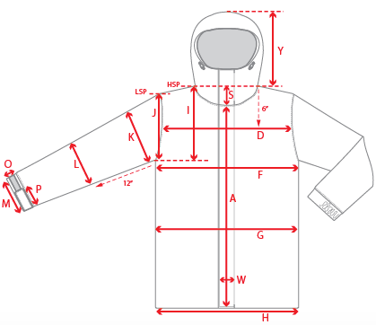 |  | 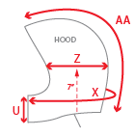 |  |  | 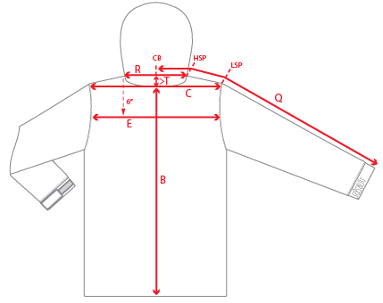 |  |  |  |  |  |  |  |  | 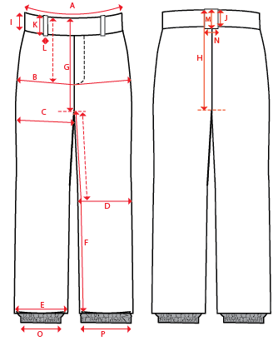
 |  |  |  |  | 1ST PROTO |  |  | 2ND PROTO |  |  | 3RD PROTO |  |  | S/SAMPLE |  |  | PP SAMPLE |  | FINAL
 |  |  |  | DATE: |  |  | DATE: |  |  | DATE: |  |  | DATE: |  |  | DATE:
 |  |  | TOL +/- | INITIAL MEASMNT | SAMPLE MEASURES | REVISE TO | REQUESTED | SAMPLE MEASURES | REVISE TO | REQUESTED | SAMPLE MEASURES | REVISE TO | REQUESTED | SAMPLE MEASURES | REVISE TO | REQUESTED | SAMPLE MEASURES | REVISE TO | APPROVED MEASMNTS
A | CF LENGTH - FROM NECKLINE |  | 0.25 | 18.5
B | CB LENGTH - FROM NECKLINE |  | 0.25 | 21.5
C | SHOULDER WIDTH |  | 0.25 | 17
D | ACROSS FRONT- 6" FROM HPS |  | 0.25
E | ACROSS BACK- 6" FROM HPS |  | 0.25
F | CHEST WIDTH - 1" BELOW ARMHOLE (1/2 MEASURE) |  | 0.25 | 21
I | ARMHOLE FRM HSP - STRAIGHT (1/2 MEASURE) |  | 0.125
J | ARMHOLE FRM LSP - STRAIGHT (1/2 MEASURE) |  | 0.125 | 9.25
K | BICEP - 1" BELOW UNDERARM (1/2 MEASURE) |  | 0.125 | 8.5
L | ELBOW - 10" BELOW UNDERARM (1/2 MEASURE) |  | 0.125 | 7
M | SLEEVE OPENING - RELAXED (1/2 MEASURE) |  | 0.125 | 5.75
N | SLEEVE OPENING - STRETCHED (1/2 MEASURE) |  | 0.125
 | RIB CUFF LENGTH |  | 0.125 | 2.5
 | RIB CUFF OPENING (1/2 MEASURE) |  | 0.125 | 4
O | CUFF HEIGHT |  | 0.125 | 1.75
P | CUFF TAB LENGTH |  | 0.125
Q | CB SLEEVE LENGTH - 3 PT MEASURE FROM CB |  | 0.25 | 34.5
R | NECK WIDTH - STRAIGHT HPS TO HPS (1/2 MEASURE) |  | 0.125 | 7
S | FRONT NECK DROP - FROM HSP |  | 0.125 | 4
T | BACK NECK DROP - FROM HSP |  | 0.125 | 1
V | CB COLLAR HEIGHT |  | 0.125 | 3
 | CHEST POCKET HEIGHT INCLUDING FLAP |  | 0.125 | 6.5
 | CHEST POCKET FLAP HEIGHT |  | 0.125 | 2
 | CHEST POCKET WIDTH |  | 0.125 | 4.5
PANT - A | WAIST WIDTH |  | 0.25 | 20
PANT - B | HIP -7" DOWN FROM TOP EDGE OF WAIST TOP EDGE |  | 0.25 | 22
PANT - C | THIGH - 1" BELOW CROTCH |  | 0.25 | 13
PANT - D | KNEE -XS-12.75", S - 13", M-13.25", L-13.5" DOWN FROM CROTCH |  | 0.25 | 9
PANT - E | HEM OPENING - RELAXED |  | 0.25 | 7.5
 | HEM OPENING - EXTENDED |  | 0.25 | 10.5
PANT - F | INSEAM - FROM CENTER OF CROTCH |  | 0.25 | 32
PANT - G | FRONT RISE - INCL WAIST BAND, NOT INCL GUSSET |  | 0.125 | 9
PANT - H | BACK RISE - INCL WAIST BAND, NOT INCL GUSSET |  | 0.125 | 14.5
 | GUSSET RISE |  | 0.125 | 3
 | GUSSET LENGTH (ALONG INSEAM) |  | 0.125
PANT - I | CF WAIST BAND HEIGHT |  | 0.125 | 2
PANT - J | CB WAIST BAND HEIGHT |  | 0.125 | 2
 | HAND POCKET VERTICAL- ALONG WAIST SEAM |  | 0.125 | 5.25
 | HAND POCKET HORIZONTAL - ALONG SIDESEAM |  | 0.125 | 4.5
 | BACK POCKET VERTICAL |  | 0.125 | 6.5
 | BACK POCKET HORIZONTAL |  | 0.125 | 4.75
ZIPPERS | CENTER FRONT |  | 0.25 | 25
 | CHEST POCKET VERTICAL |  | 0.125 | 4.5
 | WAIST |  | 0.25
 | LEG VENTS |  | 0.25 | 9
 | HAND POCKETS HORIZONTAL |  | 0.125 | 5
 | THIGH POCKET HORIZONTAL |  | 0.125 | 5
 | BACK POCKETS |  | 0.125 | 4.25
 | ZIPPER RULES:
 | CF = XXX SHORTER THAN CF LENGTH

