SHELL
 | L1 JACKET
 | SEASON: |  | WINTER 2016/2017 |  | CONTRACTOR:
 | STYLE NUMBER: |  | L1-104-16 |  | DATE CREATED: |  | JAN 4, 2015
 | STYLE NAME: |  | LEGACY |  | DATE REVISED:
 | WATERPROOF/BREATHABILITY: |  | 10K/10K |  | BLOCK: |  | L1-104-16 SAMPLE
 | SEAM SEALINING: |  | CRITICALLY TAPED |  | FIT: |  | RIDING FIT
 | INSULATION: |  | 60g BODY, 40G HOOD/SLEEVES "CS" POLYFILL |  | FABRIC: |  | BROKEN TWILL/ OXFORD
 |  |  |  |  | TARGET FOB: |  | $51.00
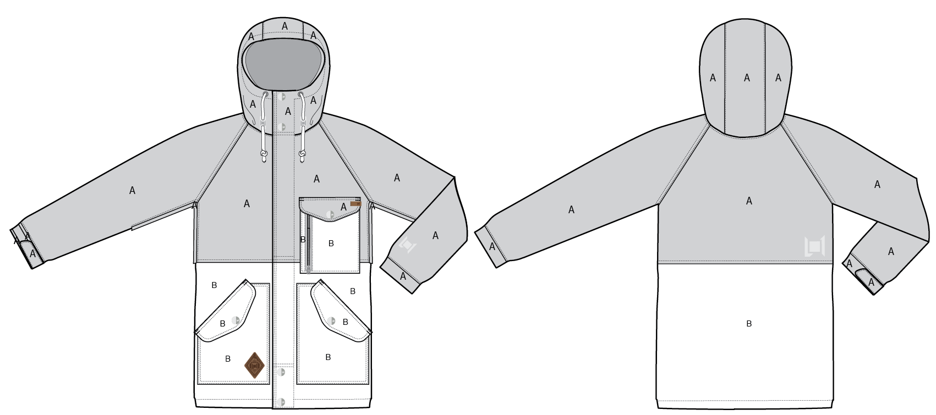
 |  |  |  | COLORWAYS
SHELL FABRIC | DESCRIPTION | REF NUMBER | CONTENT | COLORWAYS
A | OXFORD NO WASHOUT 5k/5k COATING + C6 DWR 80/10 $4.00 | SOLIS L2-584 | 100% POLY
B | BROKEN TWILL 5K/5K HYDROPHILIC COATING C6 DWR 80/10 | SOLIS WL248 | 100% POLY

INSULATION | DESCRIPTION | REF NUMBER | CONTENT | COLORWAYS | 0 | 0 | 0 | 0 | 0
HOOD & SLEEVES | INSULATION | "CS" TYPE POLYFILL | 100% POLY | 40G
BODY | INSULATION | "CS" TYPE POLYFILL | 100% POLY | 60G

SEAM TAPE | DESCRIPTION | REF NUMBER |  | COLORWAYS | 0 | 0 | 0 | 0 | 0
CRITICALLY TAPED | BEMIS | ST-004 |  | CRITICALLY TAPED

LINING | DESCRIPTION | REF NUMBER | CONTENT | COLORWAYS | 0 | 0 | 0 | 0 | 0
BACK | BONE COLLECTOR PRINT | TE ER JIA TEXTILE | 100% POLY | BONE COLLECTOR PRINT
CHIN | BT-120 120G BRUSHED TRICOT | FUK LUEN | 100% POLY | BLACK
LOWER BODY & POW | COATED 210T | TE ER JIA TEXTILE | 100% NYLON | BLACK
SLEEVE GAITER | LYCRA E3953B | Ching Hing Textile | 82% Polyester 18% Elastane | BLACK
VENTS | REGULAR MESH A-1014 | FUK LUEN | 100% POLY | BLACK
GOGGLE POCKET | REGULAR MESH A-1014 | FUK LUEN | 100% POLY | BLACK
HOOD | SOLID 210T | TE ER JIA TEXTILE | 100% NYLON | BLACK
FRONTS | SOLID 210T | TE ER JIA TEXTILE | 100% NYLON | BLACK
SLEEVES | SOLID 210T | TE ER JIA TEXTILE | 100% NYLON | BLACK
HAND POCKET LINING | SOLID 210T | TE ER JIA TEXTILE | 100% NYLON | BLACK

MEASURMENTS
 | L1 JACKET
 | SEASON: |  | WINTER 2016/2017 |  |  |  |  |  | DATE CREATED:
 | STYLE NUMBER: |  | L1-104-16 |  |  |  |  |  | DATE REVISED: |  |  |  |  |  | 2015-06-21
 | STYLE NAME: |  | LEGACY |  |  |  |  |  | BLOCK: |  |  |  |  |  | L1-104-16 SAMPLE
 | SAMPLE SIZE: |  | MENS LARGE |  |  |  |  |  | FIT: |  |  |  |  |  | RIDING FIT
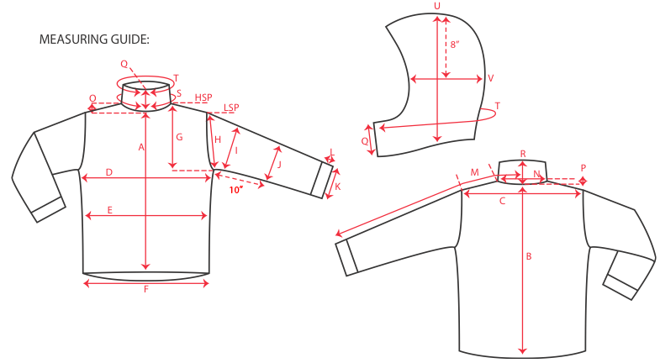
 |  |  |  |  | SAMPLE MEASURES |  |  | 1ST PROTO |  |  | 3RD PROTO |  |  | S/SAMPLE |  |  | PP SAMPLE |  | FINAL
 |  |  |  | DATE: |  |  | DATE: |  |  | DATE: |  |  | DATE: |  |  | DATE:
 |  |  | TOL +/- | INITIAL MEASMNT | SAMPLE MEASURES | REVISE TO | REQUESTED | SAMPLE MEASURES | REVISE TO | REQUESTED | SAMPLE MEASURES | REVISE TO | REQUESTED | SAMPLE MEASURES | REVISE TO | REQUESTED | SAMPLE MEASURES | REVISE TO | APPROVED MEASMNTS
A | CF LENGTH - FROM NECKLINE |  | 0.25 | 28 | 28 |  | 28
B | CB LENGTH - FROM NECKLINE |  | 0.25 | 33 | 33 |  | 33

C | SHOULDER WIDTH |  | 0.5
D | CHEST WIDTH - 1" BELOW ARMHOLE, HALF MEASURE |  | 0.5 | 24.5 | 24.5 | 25 | 25
E | WAIST WIDTH - 1/2 MEASURE, FROM HSP: S-19", M-19.5", L-20", XL-20.5" |  | 0.5 | 24 | 24 | 24.5 | 24.5
F | HEM OPENING - 1/2 MEASURE |  | 0.5 | 23.5 | 23.5 | 24 | 24

G | ARMHOLE FRM HSP - STRAIGHT 1/2 MEASURE |  | 0.125 | 12 | 12 | 12.75 | 12.75
H | ARMHOLE FRM LSP - STRAIGHT 1/2 MEASURE |  | 0.125
I | BICEP - 1" BELOW UNDERARM (1/2 MEASURE) |  | 0.25 | 10 | 10 | 10.25 | 10.25
J | ELBOW - 12" BELOW UNDERARM (1/2 MEASURE) |  | 0.25 | 8 | 8 |  | 8
K | SLEEVE OPENING - INCL GUSSET (1/2 MEASURE) |  | 0.125 | 6.5 | 6.5 |  | 6.5
L | CUFF HEIGHT |  | 0.125 | 2 | 2 |  | 2
M | SLEEVE LENGTH - 3 PT MEASURE FROM CB |  | 0.25 | 38.5 | 38.5 |  | 38.5

N | NECK WIDTH |  | 0.125 | 9.75 | 9.5 | 9.75 | 9.75
O | FRONT NECK DROP FROM HSP |  | 0.125 | 4.5 | 4.5 |  | 4.5
P | BACK NECK DROP FROM HSP |  | 0.125 | 1 | 1 |  | 1
Q | CF COLLAR HEIGHT |  | 0.125 | 4.5 | 4.5 |  | 4.5
R | CB COLLAR HEIGHT |  | 0.125
S | NECK CIRCUMFERENCE |  | 0.5 | 26 | 25 | 26 | 26
T | COLLAR CIRCUMFERENCE |  | 0.5 | 28.5 | 28 | 28.5 | 28.5
U | HOOD HEIGHT - SHOULDER SEAM TO TOP |  | 0.125 | 14.75 | 14.75 | 15 | 15
V | HOOD WIDTH - 8" DOWN |  | 0.125 | 10 | 10 | 10.25 | 10.25
W | HOOD RUN |  | 0.25 | 21 | 21 | 21.5 | 21.5
 | HOOD DRAWCORD LENGTH (EXPOSED, EACH SIDE) |  |  | 7 | 5 | 7 | 7
X | WAIST GATOR ELASTIC - FULL MEAS. RELAXED |  | 0.5 | 33.75 | 33.75 |  | 33.75
Y | WAIST GATOR ELASTIC - FULL MEAS. EXTENDED |  | 0.5 | 45 | 45 |  | 45

 | CENTER FRONT | #5 VISLON | 0.25 | 32 | 32.5 | OK | 32.5
 | CHEST LEFT | #5 METAL | 0.25 | 6 | 6 | 5.75 | 5.75
 | HAND POCKETS | VELCRO TO CLOSE | 0.25
 | PIT ZIPS | #5 COIL | 0.25 | 12 | 11.75 | 12 | 12
 | INSIDE POCKET | #5 COIL | 0.25 | 6.5 | 6.5 |  | 6.5
 | #REF! | #REF! | 0.25

