SHELL
 | L1 Mens Jacket
 | SEASON: |  | WINTER 2017/2018 |  | CONTRACTOR: |  | SOLUNA
 | STYLE NUMBER: |  | L1-108-17 |  | DATE CREATED: |  | 2016-03-14
 | STYLE NAME: |  | ROCKEFELLER |  | DATE REVISED:
 | FABRIC RATING: |  | 5K/5K |  | BLOCK: |  | L1-108-16_OG_ROCKEFELLER
 | SEAM SEALING: |  | CRITICALLY TAPED |  | FIT: |  | STREET
 | INSULATION: |  | 60G "CS" POLYFILL |  | TARGET FOB: |  | $33.00
 | SAMPLE SIZE: |  | MENS LARGE
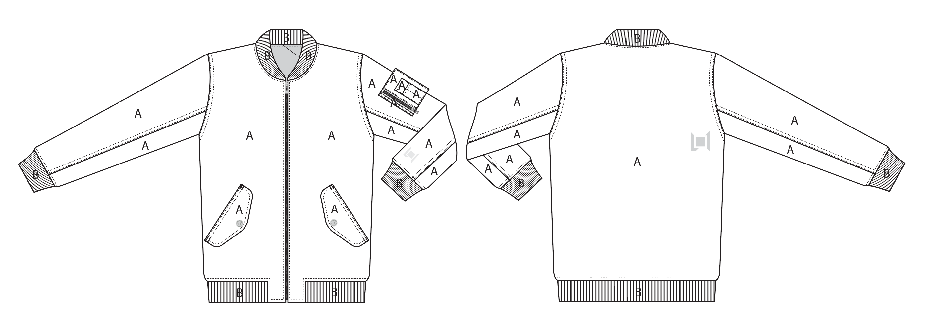
 |  |  |  | COLORWAYS
SHELL FABRIC | ITEM | SUPPLIER/ REF NUMBER | CONTENT | BLACK | MILITARY
BODY | MICROTWILL SOTT023-2L2-I $3.75 |  |  | BLACK | MILITARY
CUFF RIBBING | 1 X 1 POLYESTER RIBBING |  |  | BLACK | BLACK | BLACK ON BOTH COLORWAYS

INSULATION | ITEM | SUPPLIER/ REF NUMBER | CONTENT | BLACK | MILITARY | 0 | 0 | 0 | 0
60G "CS" POLYFILL ALL OVER |  |  |  | 60G "CS" POLYFILL ALL OVER | 60G "CS" POLYFILL ALL OVER

SEAM TAPE | ITEM | SUPPLIER/ REF NUMBER | CONTENT | BLACK | MILITARY | 0 | 0 | 0 | 0
CRITICALLY TAPED |  | SEALON |  | CRITICALLY TAPED | CRITICALLY TAPED

LINING | ITEM | SUPPLIER/ REF NUMBER | CONTENT | BLACK | MILITARY | 0 | 0 | 0 | 0
BODY | SOLID QUILTED 210T | SOLIS / REF NUMBER |  | BLACK | BLACK
SLEEVES, HAND POCKET LINING | SOLID 210T | SOLIS / REF NUMBER |  | BLACK | BLACK

MEASURMENTS
 | L1 Mens Jacket
 | SEASON: |  | WINTER 2017/2018 |  |  |  |  |  | DATE CREATED:
 | STYLE NUMBER: |  | L1-108-17 |  |  |  |  |  | DATE REVISED:
 | STYLE NAME: |  | ROCKEFELLER |  |  |  |  |  | BLOCK: |  |  |  |  |  | L1-108-16_OG_ROCKEFELLER
 | SAMPLE SIZE: |  | MENS LARGE |  |  |  |  |  | FIT: |  |  |  |  |  | STREET
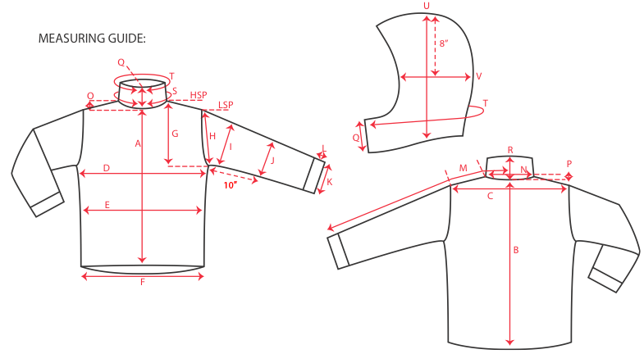
 |  |  |  |  | 1ST PROTO |  |  | 2ND PROTO |  |  | 3RD PROTO |  |  | S/SAMPLE |  |  | PP SAMPLE |  | FINAL
 |  |  |  | DATE: |  |  | DATE: |  |  | DATE: |  |  | DATE: | 2016-01-05 |  | DATE:
 |  |  | TOL +/- | INITIAL MEASMNT | SAMPLE MEASURES | REVISE TO | REQUESTED | SAMPLE MEASURES | REVISE TO | REQUESTED | SAMPLE MEASURES | REVISE TO | REQUESTED | SAMPLE MEASURES | REVISE TO | REQUESTED | SAMPLE MEASURES | REVISE TO | APPROVED MEASMNTS
A | CF LENGTH - FROM NECKLINE |  | 0.25 | 26
B | CB LENGTH - FROM NECKLINE |  | 0.25 | 30.5

C | SHOULDER WIDTH |  | 0.5 | 19.5
D | CHEST WIDTH - 1" BELOW ARMHOLE, HALF MEASURE |  | 0.5 | 23.5
E | WAIST WIDTH - 1/2 MEASURE, FROM HSP: S-19", M-19.5", L-20", XL-20.5" |  | 0.5 | 22.5
F | HEM OPENING - 1/2 MEASURE |  | 0.5 | 19.75

G | ARMHOLE FRM HSP - STRAIGHT 1/2 MEASURE |  | 0.125
H | ARMHOLE FRM LSP - STRAIGHT 1/2 MEASURE |  | 0.125 | 10.5
I | BICEP - 1" BELOW UNDERARM (1/2 MEASURE) |  | 0.25 | 9.75
J | ELBOW - 12" BELOW UNDERARM (1/2 MEASURE) |  | 0.25 | 7.75
K | SLEEVE OPENING - INCL GUSSET (1/2 MEASURE) |  | 0.125 | 4.5
L | CUFF HEIGHT |  | 0.125 | 2.5
M | SLEEVE LENGTH - 3 PT MEASURE FROM CB |  | 0.25 | 38.5

N | NECK WIDTH |  | 0.125 | 7.5
O | FRONT NECK DROP FROM HSP |  | 0.125 | 4.875
P | BACK NECK DROP FROM HSP |  | 0.125 | 1
Q | CF COLLAR HEIGHT |  | 0.125
R | CB COLLAR HEIGHT |  | 0.125 | 2.5

 | CENTER FRONT | #5 METAL | 0.25 | 26
 | LEFT ARM POCKET | #5 METAL | 0.25

