SHELL
L1 MENS JACKET |  |  |  |  |  |  | SAMPLE SIZE LARGE / XS-XXL
SEASON: |  | WINTER 2018/2019 |  |  | CONTRACTOR: |  | SOLUNA
STYLE NUMBER: |  | L1-109-18 |  |  | DATE CREATED: |  | 2017-02-23
STYLE NAME: |  | ROCKEFELLER |  |  | DATE REVISED: |  | 2017-04-07
WATERPROOF/BREATHABILITY: |  | 5K/5K |  |  | BLOCK: |  | L1-109-17 & L1-111-17 BULK
SEAM SEALING: |  | CRITICALLY TAPED |  |  | FIT: |  | STREET
INSULATION: |  | PINNECO MANTLE 60G INSULATION ALL OVER |  |  | TARGET FOB:
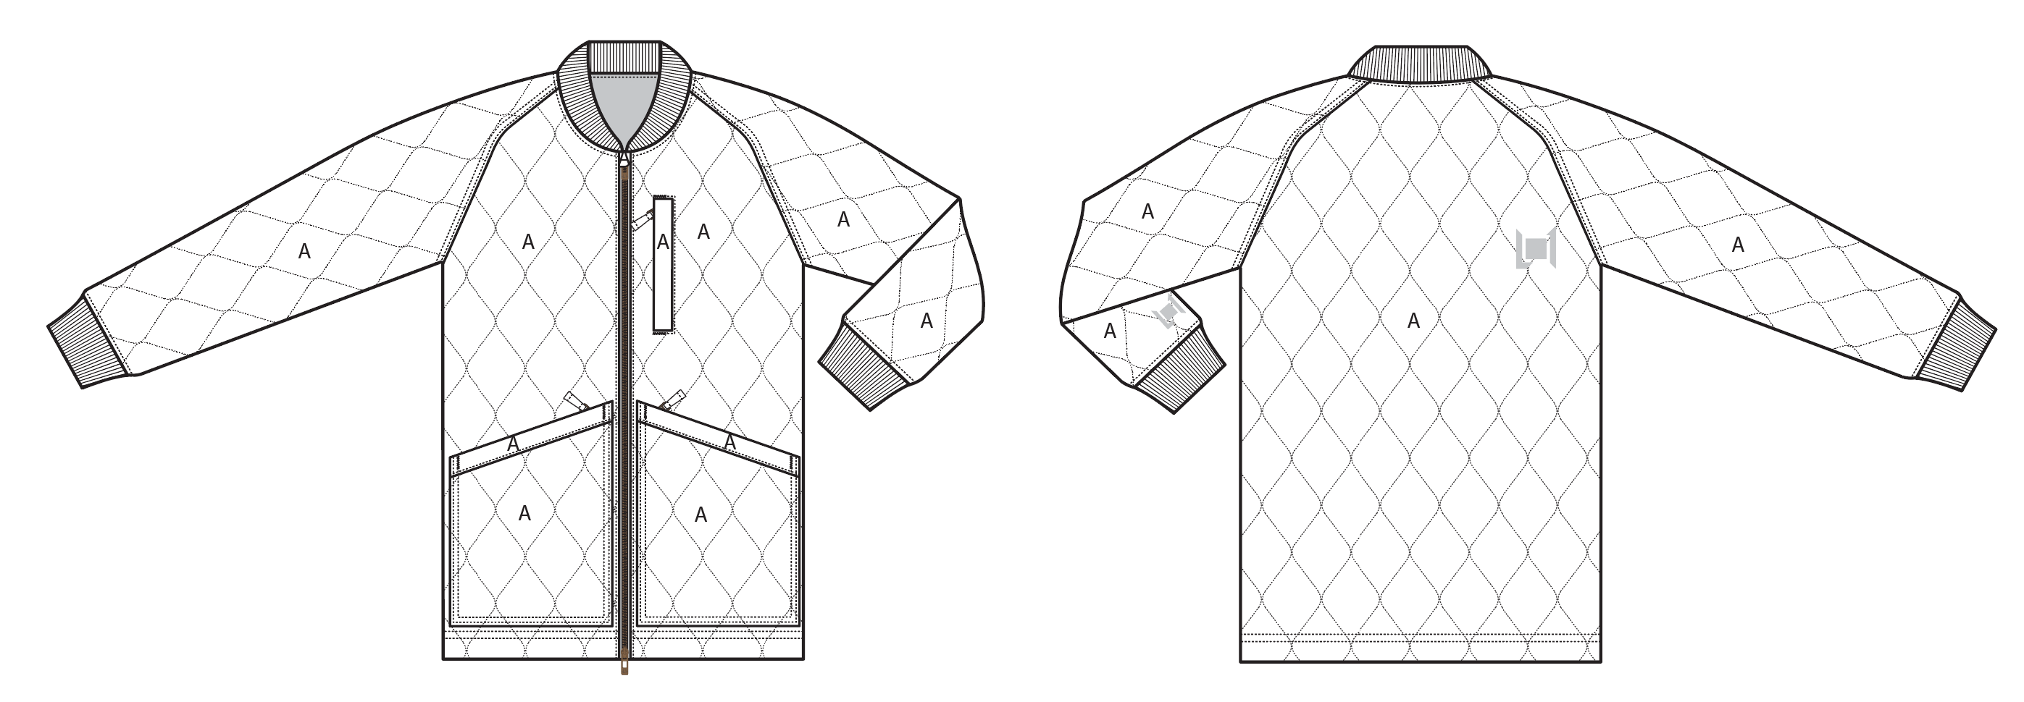
 |  |  |  | COLORWAYS
SHELL FABRIC | SUPPLIER/ REFERENCE NUMBER | LOCATION | CONTENT | BLACK | WALNUT | DARK SLATE
COTTON TOUCH | SOLIS / SONP020-CC01-M / C6 + DWR / 5K/5K | A |  | BLACK | WALNUT | DARK SLATE
RIBBING | LEADER COLLAR / AS LAST YEAR PRODUCTION | COLLAR, SLEEVE HEM |  | BLACK | WALNUT | DARK SLATE

INSULATION | SUPPLIER/ REFERENCE NUMBER | LOCATION | CONTENT | BLACK | WALNUT | DARK SLATE | 0 | 0 | 0
POLYFILL INSULATION | PINNECO MANTLE 60G | ALL OVER | 100% POLYESTER | 60G | 60G | 60G

SEAM TAPE | SUPPLIER/ REFERENCE NUMBER | LOCATION | CONTENT | BLACK | WALNUT | DARK SLATE | 0 | 0 | 0
CRITICALLY SEAM SEALED | TSGS | CRITICALLY SEAM SEALED |  | CRITICALLY SEAM SEALED | CRITICALLY SEAM SEALED | CRITICALLY SEAM SEALED

LINING | SUPPLIER/ REFERENCE NUMBER | LOCATION | CONTENT | BLACK | WALNUT | DARK SLATE | 0 | 0 | 0
BLANKET LINING | SOLIS / SOTY066-D BLANKET LINING / BRUSH / NO DWR | MAIN BODY |  | BLANKET LINING | BLANKET LINING | BLANKET LINING
SOLID 210T | SOLIS / SONP006-1 | SLEEVES | 100% NYLON | BLACK | BLACK | BLACK
SOLID 210T | SOLIS / SONP006-1 | POCKET BAGS | 100% NYLON | BLACK | BLACK | BLACK

MEASUREMENTS
L1 MENS JACKET |  |  |  |  |  |  |  | SAMPLE SIZE LARGE / XS-XXL
SEASON: |  | WINTER 2018/2019 |  |  |  |  |  | CONTRACTOR: |  |  |  |  |  | SOLUNA
STYLE NUMBER: |  | L1-109-18 |  |  |  |  |  | DATE CREATED: |  |  |  |  |  | 2017-02-23
STYLE NAME: |  | ROCKEFELLER |  |  |  |  |  | DATE REVISED: |  |  |  |  |  | 2017-04-07
WATERPROOF/BREATHABILITY: |  | 5K/5K |  |  |  |  |  | BLOCK: |  |  |  |  |  | L1-109-17 & L1-111-17 BULK
SEAM SEALINING: |  | CRITICALLY TAPED |  |  |  |  |  | FIT: |  |  |  |  |  | STREET
INSULATION: |  | PINNECO MANTLE 60G INSULATION ALL OVER |  |  |  |  |  | TARGET FOB: |  |  |  |  |  | $0.00
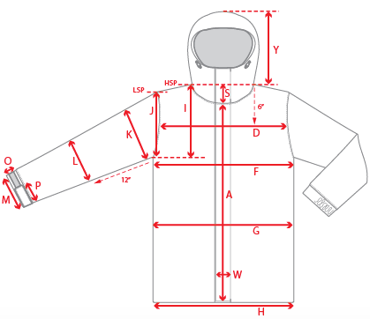 |  |  | 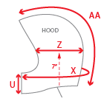 |  |  |  | 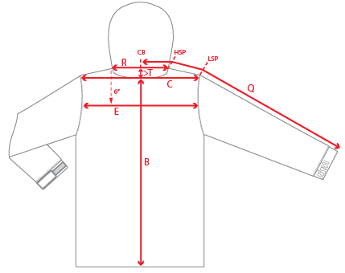
 |  |  |  | 1ST PROTO |  |  | 2ND PROTO |  |  | 3RD PROTO |  |  | S/SAMPLE |  |  | PP SAMPLE |  | FINAL
 |  |  | DATE: |  |  | DATE: |  |  | DATE: |  |  | DATE: |  |  | DATE:
 |  | TOL +/- | INITIAL MEASMNT | SAMPLE MEASURES | REVISE TO | REQUESTED | SAMPLE MEASURES | REVISE TO | REQUESTED | SAMPLE MEASURES | REVISE TO | REQUESTED | SAMPLE MEASURES | REVISE TO | REQUESTED | SAMPLE MEASURES | REVISE TO | APPROVED MEASMNTS
A | CF LENGTH - FROM NECKLINE | 0.25 | 26
B | CB LENGTH - FROM NECKLINE | 0.25 | 30.5
C | SHOULDER WIDTH | 0.25
D | ACROSS FRONT- 6" FROM HPS | 0.25
E | ACROSS BACK- 6" FROM HPS | 0.25
F | CHEST WIDTH - 1" BELOW ARMHOLE (1/2 MEASURE) | 0.25 | 24.5
G | WAIST WIDTH - 1/2 MEASURE, FROM HSP: S-19", M-19.5", L-20", XL-20.5" | 0.25 | 24
H | HEM OPENING - (1/2 MEASURE) | 0.25 | 23.5
I | ARMHOLE FRM HSP - STRAIGHT (1/2 MEASURE) | 0.125 | 12.5
J | ARMHOLE FRM LSP - STRAIGHT (1/2 MEASURE) | 0.125
K | BICEP - 1" BELOW UNDERARM (1/2 MEASURE) | 0.125 | 10.25
L | ELBOW - 12" BELOW UNDERARM (1/2 MEASURE) | 0.125 | 7.75
M | SLEEVE OPENING - RELAXED (1/2 MEASURE) | 0.125 | 4.5
N | SLEEVE OPENING - STRETCHED (1/2 MEASURE) | 0.125
O | CUFF HEIGHT | 0.125 | 2.5
P | CUFF TAB LENGTH | 0.125
Q | CB SLEEVE LENGTH - 3 PT MEASURE FROM CB | 0.25 | 38
R | NECK WIDTH - STRAIGHT HPS TO HPS (1/2 MEASURE) | 0.125 | 7.5
S | FRONT NECK DROP - FROM HSP | 0.125 | 4.875
T | BACK NECK DROP - FROM HSP | 0.125 | 0.5
U | CF COLLAR HEIGHT | 0.125
V | CB COLLAR HEIGHT | 0.125 | 2.5
W | CENTER FRONT PLACKET WIDTH | 0.125
X | COLLAR CIRCUMFERENCE | 0.25
Y | HOOD HEIGHT - SHOULDER SEAM TO TOP | 0.125
Z | HOOD WIDTH - 7" UP FROM NECK SEAM | 0.125
AA | HOOD RUN | 0.25
 | CHEST POCKET WELT WIDTH | 0.125 | 0.875
 | HAND POCKET WELT WIDTH | 0.125 | 0.875
 | HAND POCKET HEIGHT (CLOSEST TO CF) | 0.25 | 9.5
 | HAND POCKET HEIGHT (CLOSEST TO SIDESEAM) | 0.25 | 7.25
 | HAND POCKET WIDTH | 0.25 | 8
ZIPPERS | CENTER FRONT | 0.25 | 26
 | CHEST POCKET VERTICAL | 0.125
 | #REF! | 0.125 | 6.5
 | #REF! | 0.125
 | #REF! | 0.125
 | #REF! | 0.25
 | #REF! | 0.125
 | HAND POCKETS HORIZONTAL | 0.125 | 8
 | #REF! | 0.125
 | #REF! | 0.125
 | #REF! | 0.25

 | ZIPPER RULES:
 | CF = XXX SHORTER THAN CF LENGTH

COMMENTS
L1 MENS JACKET
SEASON: |  | WINTER 2018/2019 |  | CONTRACTOR: | SOLUNA
STYLE NUMBER: |  | L1-109-18 |  | DATE CREATED: | 2017-02-23
STYLE NAME: |  | ROCKEFELLER |  | DATE REVISED:
WATERPROOF/BREATHABILITY: |  | 5K/5K |  | BLOCK: | L1-109-17 & L1-111-17 BULK
SEAM SEALING: |  | CRITICALLY TAPED |  | FIT: | STREET
INSULATION: |  | PINNECO MANTLE 60G INSULATION ALL OVER |  | TARGET FOB: | $0.00

STATUS: | X | DATE SENT: | FEB. 24, 2017
 |  | NOT APPROVED FOR S/SAMPLES; SUBMIT A 2nd PROTO SAMPLE (subject to revisions)
 |  | NOT APPROVED FOR S/SAMPLES; SUBMIT A 3rd PROTO SAMPLE (subject to revisions)
 |  | NOT APPROVED FOR S/SAMPLES; SUBMIT A MOCK UP (subject to revisions)
 |  | APPROVED FOR S/SAMPLES (subject to revisions)
 |  | NOT APPROVED FOR PRODUCTION; SUBMIT A P/P SAMPLE (subject to revisions)
 |  | APPROVED FOR PRODUCTION (subject to revisions)

FEB. 23, 2017 | 1ST PROTO REQUEST:
 | >NEW STYLE BASED OFF OF THE L1-109-17 ROCKERFELLER AND L1-111-17 STOOGE BLOCKS
 | >SEE PDF FILE FOR ALL NEW DESIGN DETAILS
 | >FOLLOW MEASUREMENT SHEET FOR NEW MEASUREMENTS
 | 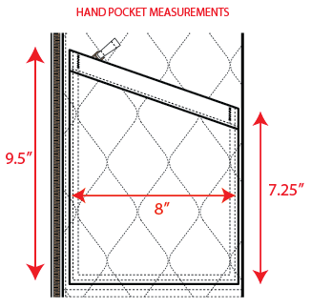 >NEW HAND POCKET MEASUREMENTS:
 | SUBMIT 1ST PROTO FOR REVIEW

 | >TRIM AND COLORWAY INFO IS ADDED TO EXCEL AND PDF
 | >CODE FOR BLANKET LINING IS UPDATED TO SOLIS / SOTY066-D

