SHELL
L1 MENS JACKET |  |  |  |  |  |  | SAMPLE SIZE LARGE / XS-XXL
SEASON: |  | WINTER 2018/2019 |  |  | CONTRACTOR: |  | SOLUNA
STYLE NUMBER: |  | L1-111-18 |  |  | DATE CREATED: |  | 2017-02-22
STYLE NAME: |  | STOOGE |  |  | DATE REVISED: |  | 2017-04-06
WATERPROOF/BREATHABILITY: |  | 5K/5K |  |  | BLOCK: |  | L1-111-17_STOOGE_BULK
SEAM SEALING: |  | NOT SEAM SEALED |  |  | FIT: |  | STREET
INSULATION: |  | PINNECO MANTLE 40G INSULATION ALL OVER |  |  | TARGET FOB:
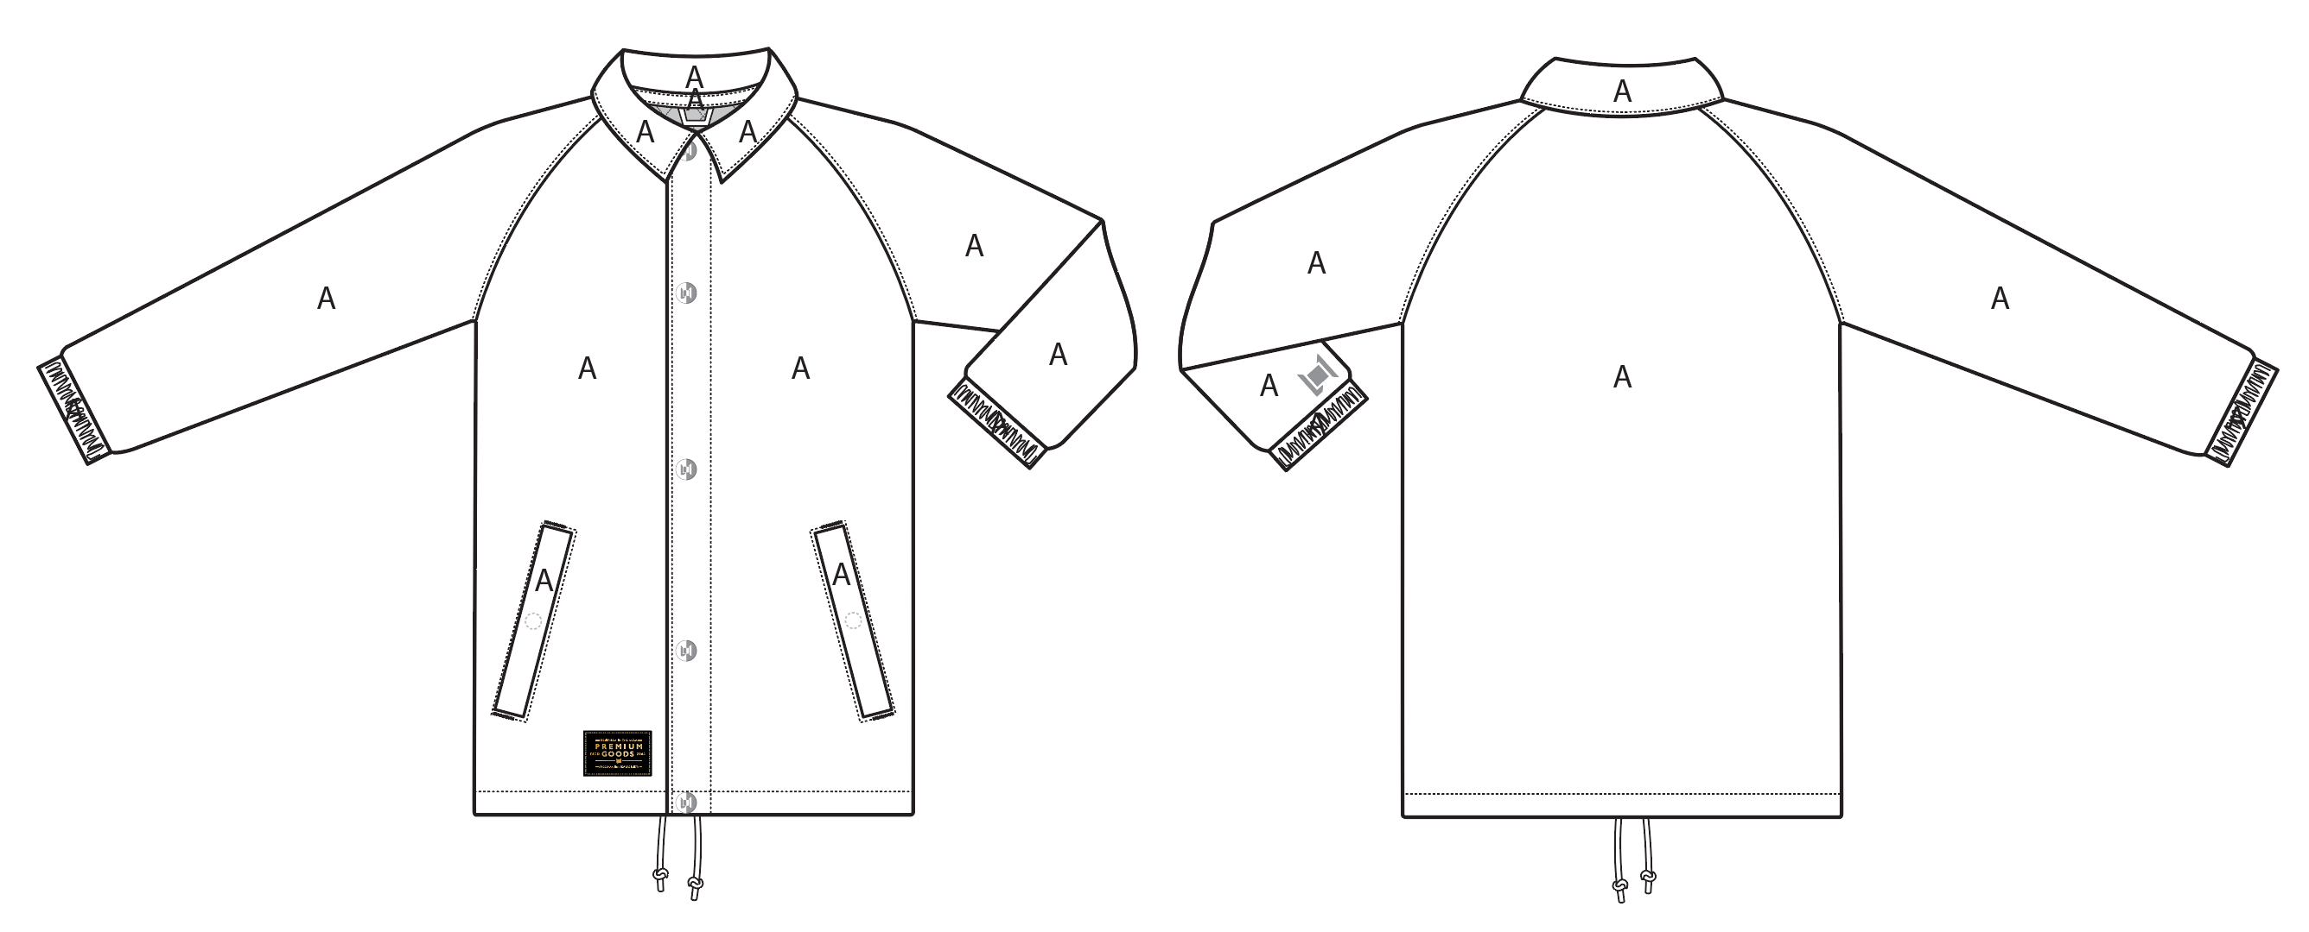
 |  |  |  | COLORWAYS
SHELL FABRIC | SUPPLIER/ REFERENCE NUMBER | LOCATION | CONTENT | VINTAGE CAMO BROKEN TWILL | BLACK
BROKEN TWILL | SOLIS/ WL248 BROKEN TWILL, 10K/10K | A |  | VINTAGE CAMO BROKEN TWILL | X
COTTON TOUCH | SOLIS/ COTTON TOUCH SONP020-CC01-M +C6 + DWR 5K/5K | A |  | X | BLACK

INSULATION | SUPPLIER/ REFERENCE NUMBER | LOCATION | CONTENT | VINTAGE CAMO BROKEN TWILL | BLACK | 0 | 0 | 0 | 0
POLYFILL INSULATION | PINNECO MANTLE 40G | ALL OVER | 100% POLYESTER | 40G | 40G

SEAM TAPE | SUPPLIER/ REFERENCE NUMBER | LOCATION | CONTENT | VINTAGE CAMO BROKEN TWILL | BLACK | 0 | 0 | 0 | 0
NO SEAM TAPE ON THIS STYLE |  |  |  | NO SEAM TAPE ON THIS STYLE | NO SEAM TAPE ON THIS STYLE

LINING | SUPPLIER/ REFERENCE NUMBER | LOCATION | CONTENT | VINTAGE CAMO BROKEN TWILL | BLACK | 0 | 0 | 0 | 0
QUILTED SATIN | SOLIS / PR258 | BODY | 100% POLYESTER | PANTONE 18-0950 TPX HARVEST | PANTONE 18-0950 TPX HARVEST
SOLID 210T | SOLIS / SONP006-1 | SLEEVES | 100% NYLON | BLACK | BLACK
SOLID 210T | SOLIS / SONP006-1 | HAND POCKET BAGS | 100% NYLON | BLACK | BLACK

MEASUREMENTS
L1 MENS JACKET |  |  |  |  |  |  |  | SAMPLE SIZE LARGE / XS-XXL
SEASON: |  | WINTER 2018/2019 |  |  |  |  |  | CONTRACTOR: |  |  |  |  |  | SOLUNA
STYLE NUMBER: |  | L1-111-18 |  |  |  |  |  | DATE CREATED: |  |  |  |  |  | 2017-02-22
STYLE NAME: |  | STOOGE |  |  |  |  |  | DATE REVISED: |  |  |  |  |  | 2017-04-06
WATERPROOF/BREATHABILITY: |  | 5K/5K |  |  |  |  |  | BLOCK: |  |  |  |  |  | L1-111-17_STOOGE_BULK
SEAM SEALINING: |  | NOT SEAM SEALED |  |  |  |  |  | FIT: |  |  |  |  |  | STREET
INSULATION: |  | PINNECO MANTLE 40G INSULATION ALL OVER |  |  |  |  |  | TARGET FOB: |  |  |  |  |  | $0.00
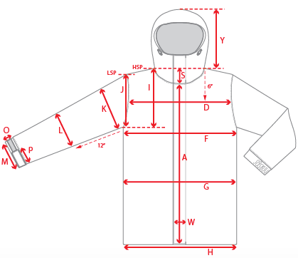 |  |  | 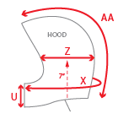 |  |  |  | 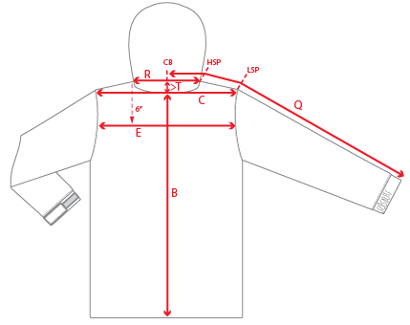
 |  |  |  | 1ST PROTO |  |  | 2ND PROTO |  |  | 3RD PROTO |  |  | S/SAMPLE |  |  | PP SAMPLE |  | FINAL
 |  |  | DATE: |  |  | DATE: |  |  | DATE: |  |  | DATE: |  |  | DATE:
 |  | TOL +/- | INITIAL MEASMNT | SAMPLE MEASURES | REVISE TO | REQUESTED | SAMPLE MEASURES | REVISE TO | REQUESTED | SAMPLE MEASURES | REVISE TO | REQUESTED | SAMPLE MEASURES | REVISE TO | REQUESTED | SAMPLE MEASURES | REVISE TO | APPROVED MEASMNTS
A | CF LENGTH - FROM NECKLINE | 0.25 | 27.75
B | CB LENGTH - FROM NECKLINE | 0.25 | 30.5
C | SHOULDER WIDTH | 0.25
D | ACROSS FRONT- 6" FROM HPS | 0.25
E | ACROSS BACK- 6" FROM HPS | 0.25
F | CHEST WIDTH - 1" BELOW ARMHOLE (1/2 MEASURE) | 0.25 | 24.5
G | WAIST WIDTH - 1/2 MEASURE, FROM HSP: S-19", M-19.5", L-20", XL-20.5" | 0.25 | 24
H | HEM OPENING - (1/2 MEASURE) | 0.25 | 23.5
I | ARMHOLE FRM HSP - STRAIGHT (1/2 MEASURE) | 0.125 | 12.5
J | ARMHOLE FRM LSP - STRAIGHT (1/2 MEASURE) | 0.125
K | BICEP - 1" BELOW UNDERARM (1/2 MEASURE) | 0.125 | 10.25
L | ELBOW - 12" BELOW UNDERARM (1/2 MEASURE) | 0.125 | 7.75
M | SLEEVE OPENING - RELAXED (1/2 MEASURE) | 0.125 | 4.5
N | SLEEVE OPENING - STRETCHED (1/2 MEASURE) | 0.125 | 5.25
O | CUFF HEIGHT | 0.125 | 1.125
P | CUFF TAB LENGTH | 0.125
Q | CB SLEEVE LENGTH - 3 PT MEASURE FROM CB | 0.25 | 38
R | NECK WIDTH - STRAIGHT HPS TO HPS (1/2 MEASURE) | 0.125 | 8
S | FRONT NECK DROP - FROM HSP | 0.125 | 3.25
T | BACK NECK DROP - FROM HSP | 0.125 | 0.5
 | COLLLAR POINT LENGTH | 0.125 | 3.125
V | CB COLLAR HEIGHT (NOT INCLUDING COLLAR STAND) | 0.125 | 2
 | COLLAR STAND HEIGHT AT CB | 0.125 | 1.125
W | CENTER FRONT PLACKET WIDTH | 0.125 | 2.25
X | COLLAR CIRCUMFERENCE | 0.25 | 23.5
Y | HOOD HEIGHT - SHOULDER SEAM TO TOP | 0.125
Z | HOOD WIDTH - 7" UP FROM NECK SEAM | 0.125
AA | HOOD RUN | 0.25
 | HAND POCKET WELT LENGTH | 0.25 | 7
 | HAND POCKET WELT WIDTH | 0.125 | 1
 | HEM DRAWCORD LENGTH (TOTAL, BEFORE KNOTS) | 0.5 | 58
 |  | 0.25
ZIPPERS | CENTER FRONT | 0.25 | 27.75
 | #REF! | 0.125
 | #REF! | 0.125
 | #REF! | 0.125
 | #REF! | 0.125
 | #REF! | 0.25
 | #REF! | 0.125
 | #REF! | 0.125
 | LINING POCKET VERTICAL | 0.125 | 6.5
 | #REF! | 0.125
 | #REF! | 0.25

 | ZIPPER RULES:
 | CF = XXX SHORTER THAN CF LENGTH

