SHELL
L1TA WOMENS JACKET |  |  |  |  |  |  | SAMPLE SIZE SMALL / XS-L
SEASON: |  | WINTER 2018/2019 |  |  | CONTRACTOR: |  | SOLUNA
STYLE NUMBER: |  | L1TA-107-18 |  |  | DATE CREATED: |  | 2017-03-01
STYLE NAME: |  | NIGHTINGALE |  |  | DATE REVISED: |  | 2017-04-04
WATERPROOF/BREATHABILITY: |  | 5K/5K |  |  | BLOCK: |  | L1TA-107-17 MOONAGE
SEAM SEALING: |  | CRITICALLY SEAM SEALED |  |  | FIT: |  | STREET LONG
INSULATION: |  | 60G "PINNECO CORE" ALL OVER |  |  | TARGET FOB:
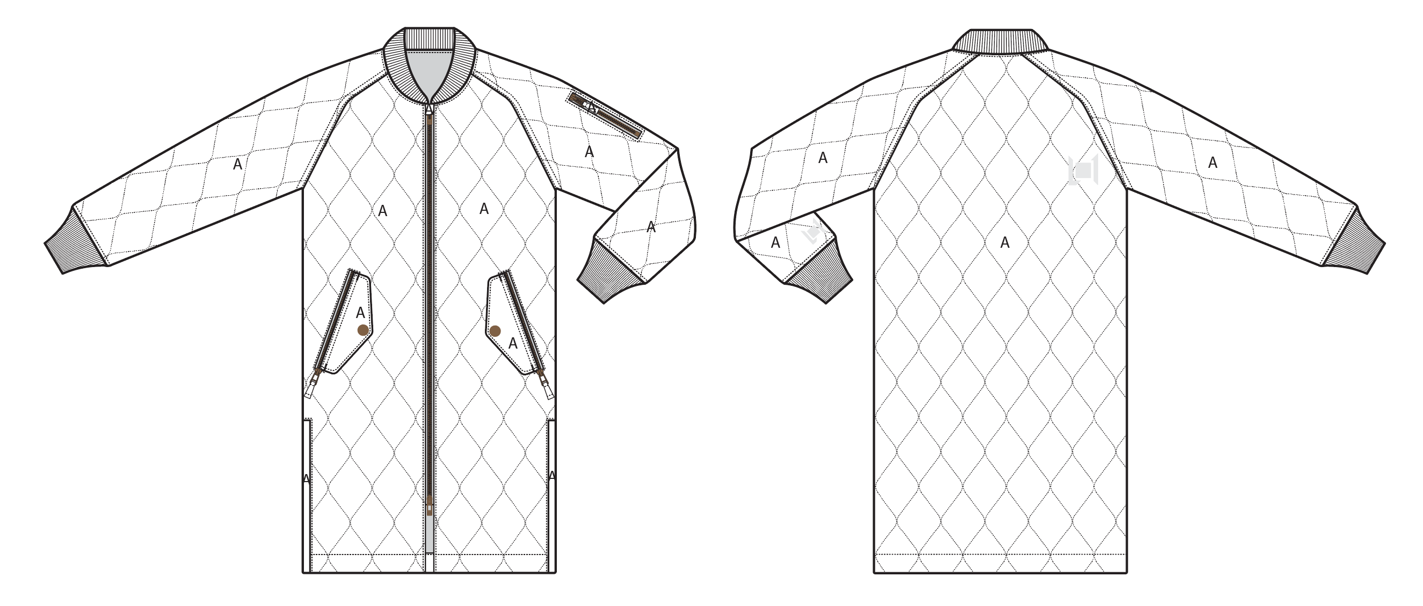
 |  |  |  | COLORWAYS
SHELL FABRIC | SUPPLIER/ REFERENCE NUMBER | LOCATION | CONTENT | SILT | MILITARY | BLACK
BROKEN TWILL | SOLUNA/ SONP020-CC01-M COTTON TOUCH, 5K/5K, C6+DWR | A |  | SILT | MILITARY | BLACK
RIBBING | LEADER COLLAR AS LAST YEAR | COLLAR, SLEEVE HEMS |  | SILT | MILITARY | BLACK

INSULATION | SUPPLIER/ REFERENCE NUMBER | LOCATION | CONTENT | SILT | MILITARY | BLACK | 0 | 0 | 0
POLYFILL | 60G PINNECO CORE | ALL OVER | 100% POLYESTER | 60G PINNECO CORE | 60G PINNECO CORE | 60G PINNECO CORE

SEAM TAPE | SUPPLIER/ REFERENCE NUMBER | LOCATION | CONTENT | SILT | MILITARY | BLACK | 0 | 0 | 0
NOT SEAM TAPED | TSGS | CRITICALLY TAPED |  | CRITICALLY TAPED | CRITICALLY TAPED | CRITICALLY TAPED

LINING | SUPPLIER/ REFERENCE NUMBER | LOCATION | CONTENT | SILT | MILITARY | BLACK | 0 | 0 | 0
PRINTED SATIN | SOLIS/ PR258 WOMENS PRINT | HOOD | 100% POLYESTER | SOLIS/ PR258 WOMENS PRINT | SOLIS/ PR258 WOMENS PRINT | SOLIS/ PR258 WOMENS PRINT
SOLID 210T | SOLIS/ SONP006-1 | SLEEVES | 100% NYLON | BLACK | BLACK | BLACK
SOLID 210T | SUPPLIER / REF CODE | ARM POCKET BAG | 100% NYLON | BLACK | BLACK | BLACK
PRINTED SATIN | SOLIS/ PR258 WOMENS PRINT | HAND POCKET BAGS | 100% POLYESTER | SOLIS/ PR258 WOMENS PRINT | SOLIS/ PR258 WOMENS PRINT | SOLIS/ PR258 WOMENS PRINT
BRUSHED TRICOT | SUPPLIER / REF CODE | CHIN GUARD | 100% POLYESTER | BLACK | BLACK | BLACK

MEASUREMENTS
L1TA WOMENS JACKET |  |  |  |  |  |  |  | SAMPLE SIZE SMALL / XS-L
SEASON: |  | WINTER 2018/2019 |  |  |  |  |  | CONTRACTOR: |  |  |  |  |  | SOLUNA
STYLE NUMBER: |  | L1TA-107-18 |  |  |  |  |  | DATE CREATED: |  |  |  |  |  | 2017-03-01
STYLE NAME: |  | NIGHTINGALE |  |  |  |  |  | DATE REVISED: |  |  |  |  |  | 2017-04-04
WATERPROOF/BREATHABILITY: |  | 5K/5K |  |  |  |  |  | BLOCK: |  |  |  |  |  | L1TA-107-17 MOONAGE
SEAM SEALINING: |  | CRITICALLY SEAM SEALED |  |  |  |  |  | FIT: |  |  |  |  |  | STREET LONG
INSULATION: |  | 60G "PINNECO CORE" ALL OVER |  |  |  |  |  | TARGET FOB: |  |  |  |  |  | $0.00
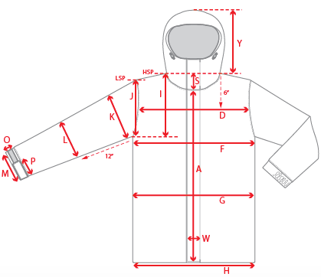 |  |  | 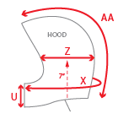 |  |  | 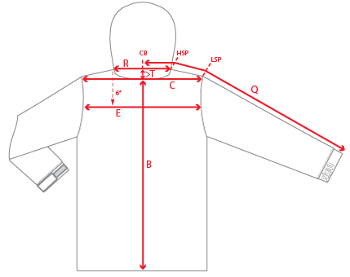
 |  |  |  | 1ST PROTO |  |  | 2ND PROTO |  |  | 3RD PROTO |  |  | S/SAMPLE |  |  | PP SAMPLE |  | FINAL
 |  |  | DATE: |  |  | DATE: |  |  | DATE: |  |  | DATE: |  |  | DATE:
 |  | TOL +/- | INITIAL MEASMNT | SAMPLE MEASURES | REVISE TO | REQUESTED | SAMPLE MEASURES | REVISE TO | REQUESTED | SAMPLE MEASURES | REVISE TO | REQUESTED | SAMPLE MEASURES | REVISE TO | REQUESTED | SAMPLE MEASURES | REVISE TO | APPROVED MEASMNTS
A | CF LENGTH - FROM NECKLINE | 0.25 | 33
B | CB LENGTH - FROM NECKLINE | 0.25 | 36
C | SHOULDER WIDTH | 0.25
D | ACROSS FRONT- 6" FROM HPS | 0.25
E | ACROSS BACK- 6" FROM HPS | 0.25
F | CHEST WIDTH - 1" BELOW ARMHOLE (1/2 MEASURE) | 0.25 | 21.25
G | WAIST WIDTH - FROM HSP: XS-16", S-16.5", M-17", L-17.5" (1/2 MEASURE) | 0.25 | 21.25
 | HIP WIDTH - FROM HSP: XS-22", S-22.5", M-23", L-23.5" (1/2 MEASURE) | 0.25 | 21.25
H | HEM OPENING - (1/2 MEASURE) | 0.25 | 20.75
I | ARMHOLE FRM HSP - STRAIGHT (1/2 MEASURE) | 0.125 | 10.75
J | ARMHOLE FRM LSP - STRAIGHT (1/2 MEASURE) | 0.125
K | BICEP - 1" BELOW UNDERARM (1/2 MEASURE) | 0.125 | 8.5
L | ELBOW - 10" BELOW UNDERARM (1/2 MEASURE) | 0.125 | 7
M | SLEEVE OPENING - RELAXED (1/2 MEASURE) | 0.125 | 4.5
N | SLEEVE OPENING - STRETCHED (1/2 MEASURE) | 0.125
O | CUFF HEIGHT | 0.125 | 3
P | CUFF TAB LENGTH | 0.125
Q | CB SLEEVE LENGTH - 3 PT MEASURE FROM CB | 0.25 | 34.5
R | NECK WIDTH - STRAIGHT HPS TO HPS (1/2 MEASURE) | 0.125 | 7
S | FRONT NECK DROP - FROM HSP | 0.125 | 4
T | BACK NECK DROP - FROM HSP | 0.125 | 1
U | CF COLLAR HEIGHT | 0.125
V | CB COLLAR HEIGHT | 0.125 | 3
W | CENTER FRONT PLACKET WIDTH | 0.125
X | COLLAR CIRCUMFERENCE | 0.25
Y | HOOD HEIGHT - SHOULDER SEAM TO TOP | 0.125
Z | HOOD WIDTH - 8" DOWN | 0.125
AA | HOOD RUN | 0.25
 | HAND POCKET FLAP LENGTH | 0.5 | 7.5
 | HAND POCKET FLAP WIDTH AT CENTRE | 0.5 | 2.5
 | HAND POCKET FLAP WIDTH AT SIDES | 0.5 | 1.5
 |  | 0.25
ZIPPERS | CENTER FRONT | 0.25 | 28.5
 | SLEEVE POCKET | 0.125 | 4.5
 | HAND POCKETS VERTICAL | 0.125 | 9
 | SIDE SEAMS | 0.125 | 12
 | REMOVABLE POWDER SKIRT | 0.25

 | ZIPPER RULES:
 | CF = XXX SHORTER THAN CF LENGTH

