SHELL
L1 WOMENS PANT |  |  |  |  |  |  | SAMPLE SIZE SMALL / XS-L
SEASON: |  | WINTER 2018/2019 |  |  | CONTRACTOR: |  | SOLUNA
STYLE NUMBER: |  | L1TA-201-18 |  |  | DATE CREATED: |  | 2017-03-03
STYLE NAME: |  | LORETTA OVERALL |  |  | DATE REVISED: |  | 2017-04-05
WATERPROOF/BREATHABILITY: |  | 10K/10K |  |  | BLOCK: |  | L1TA-202-16 LORETTA OVERALL
SEAM SEALING: |  | FULLY SEAM SEALED |  |  | FIT: |  | SLIM
INSULATION: |  | SHELL |  |  | TARGET FOB:
 |  | 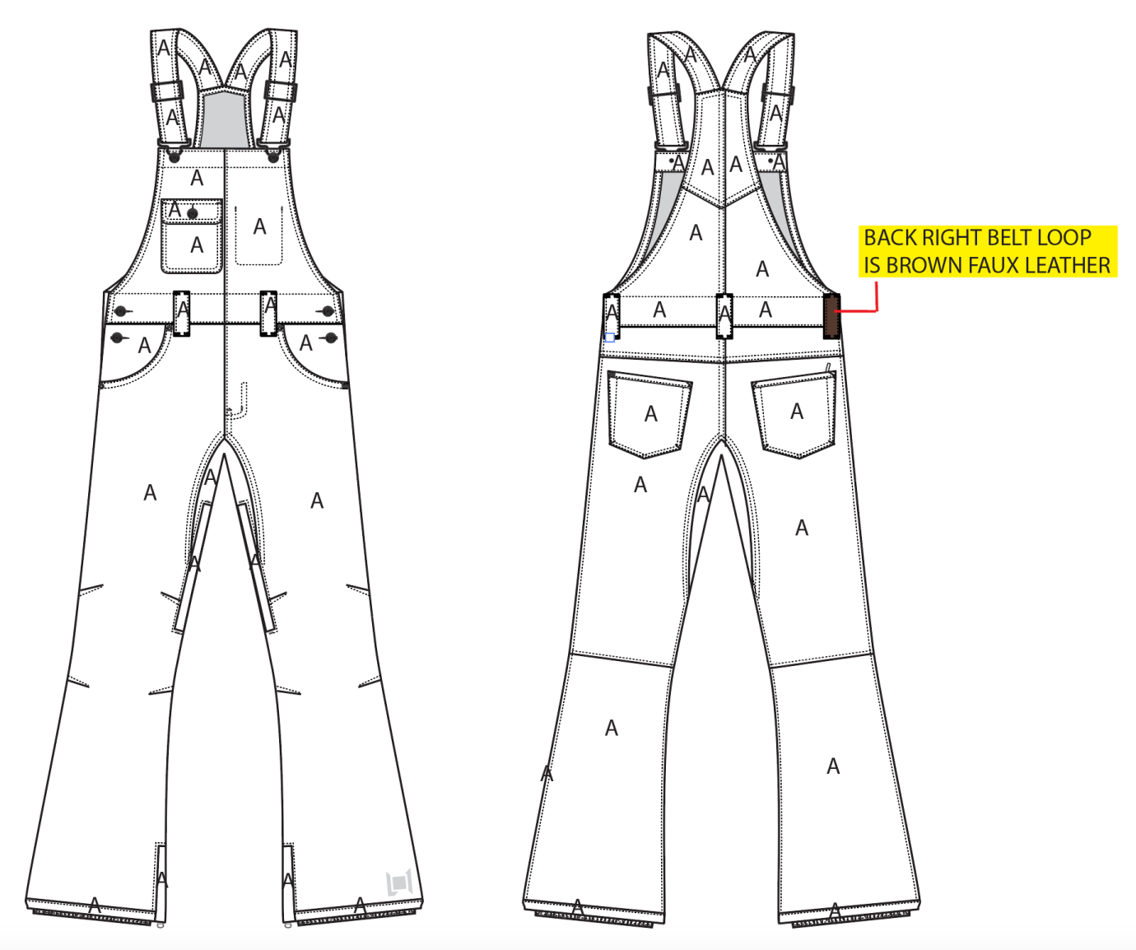
 |  |  |  | COLORWAYS
SHELL FABRIC | SUPPLIER/ REFERENCE NUMBER | LOCATION | CONTENT | INK | BONE | BLACK | WALNUT
CAVALRY STRETCH TWILL | RACO / CALVARY STRETCH TWILL 950703-B / 10K/10K / C6 + DWR | A |  | INK | BONE | BLACK | WALNUT
BROWN FAUX LEATHER | PLEASE SOURCE | BACK RIGHT BELT LOOP |  | BROWN FAUX LEATHER | BROWN FAUX LEATHER | BROWN FAUX LEATHER | BROWN FAUX LEATHER

INSULATION | SUPPLIER/ REFERENCE NUMBER | LOCATION | CONTENT | INK | BONE | BLACK | WALNUT | 0 | 0
NON INSULATED

SEAM TAPE | SUPPLIER/ REFERENCE NUMBER | LOCATION | CONTENT | INK | BONE | BLACK | WALNUT | 0 | 0
SEAM TAPE | TSGS | FULLY TAPED |  | FULLY TAPED | FULLY TAPED | FULLY TAPED | FULLY TAPED

LINING | SUPPLIER/ REFERENCE NUMBER | LOCATION | CONTENT | INK | BONE | BLACK | WALNUT | 0 | 0
REGULAR MESH | 1606B02 (ALS-16038) | MAIN BODY | 100% POLYESTER | BLACK | BLACK | BLACK | BLACK
SOLID 210T | SOLIS/ SONP006-1 | UPPER BODY | 100% NYLON | BLACK | BLACK | BLACK | BLACK
SOLID 210T | SOLIS/ SONP006-1 | POCKET BAGS | 100% NYLON | BLACK | BLACK | BLACK | BLACK
SOLID COATED 210T | SOLIS / SONP006-PU03 | LOWER LEG & GAITER | 100% NYLON | BLACK | BLACK | BLACK | BLACK
REGULAR MESH | 1606B02 (ALS-16038) | LEG VENTS | 100% POLYESTER | BLACK | BLACK | BLACK | BLACK

MEASUREMENTS
L1 WOMENS PANT
SEASON: |  | WINTER 2018/2019 |  |  |  |  |  |  | CONTRACTOR: |  |  |  | SOLUNA
STYLE NUMBER: |  | L1TA-201-18 |  |  |  |  |  |  | DATE CREATED: |  |  |  | 2017-03-03
STYLE NAME: |  | LORETTA OVERALL |  |  |  |  |  |  | DATE REVISED:
WATERPROOF/BREATHABILITY: |  | 10K/10K |  |  |  |  |  |  | BLOCK: |  |  |  | L1TA-202-16 LORETTA OVERALL
SEAM SEALING: |  | FULLY SEAM SEALED |  |  |  |  |  |  | FIT: |  |  |  | SLIM
INSULATION: |  | SHELL |  |  |  |  |  |  | TARGET FOB: |  |  |  | $0.00
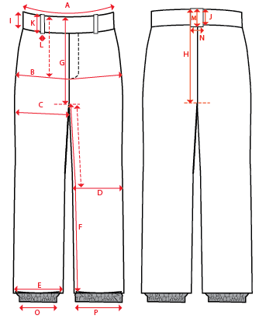
 |  |  |  |  | 1ST PROTO |  |  | 2ND PROTO |  |  | 3RD PROTO |  |  | S/SAMPLE |  |  | PP SAMPLE |  | FINAL
 |  |  |  | DATE: |  |  | DATE: |  |  | DATE: |  |  | DATE: |  |  | DATE:
 |  |  | TOL +/- | INITIAL MEASMNT | SAMPLE MEASURES | REVISE TO | REQUESTED | SAMPLE MEASURES | REVISE TO | REQUESTED | SAMPLE MEASURES | REVISE TO | REQUESTED | SAMPLE MEASURES | REVISE TO | REQUESTED | SAMPLE MEASURES | REVISE TO | APPROVED MEASMNTS
A | WAIST WIDTH |  | 0.25 | 17.75
B | HIP -7" DOWN FROM TOP EDGE OF WAIST TOP EDGE |  | 0.25 | 20
C | THIGH - 1" BELOW CROTCH |  | 0.25 | 11.5
D | KNEE -XS-12.75", S - 13", M-13.25", L-13.5" DOWN FROM CROTCH |  | 0.25 | 8
E | HEM OPENING |  | 0.25 | 10
F | INSEAM - FROM CENTER OF CROTCH |  | 0.25 | 33
G | FRONT RISE - INCL WAIST BAND, NOT INCLUDING GUSSET |  | 0.125 | 8.25
H | BACK RISE - INCL WAIST BAND , NOT INCLUDING GUSSET |  | 0.125 | 13.5
 | GUSSET RISE |  | 0.125 | 3
 | GUSSET LENGTH (ALONG INSEAM) |  | 0.125
I | CF WAIST BAND HEIGHT |  | 0.125 | 1.75
J | CB WAIST BAND HEIGHT |  | 0.125 | 1.75
K | BELT LOOP LENGTH |  | 0.125 | 2.75
L | BELT LOOP WIDTH |  | 0.125 | 0.75
M | CB BELT LOOP LENGTH |  | 0.125 | 2.75
N | CB BELT LOOP WIDTH |  | 0.125 | 1
 | CHEST POCKET HEIGHT - INCLUDING FLAP |  | 0.125
 | CHEST POCKET WIDTH |  | 0.125
 | CHEST POCKET FLAP HEIGHT |  | 0.125
 | HAND POCKET OPENING VERTICAL - ALONG SIDESEAM |  | 0.125
 | HAND POCKET OPENING HORIZONAL - ALONG WAIST |  | 0.125
 | BACK POCKET HEIGHT |  | 0.125 | 5.875
 | BACK POCKET WIDTH |  | 0.125 | 6
 | STRAP LENGTH (WITH 5" OVERLAP, NOT EXTENDED) |  | 0.125 | 15.5
 | STRAP LENGTH FULLY EXTENDED |  | 0.125 | 20
 | STRAP WIDTH |  | 0.125 | 1.75
 | BIB HEIGHT AT CF (WAIST TOPSTITCH TO TOP BIB EDGE) |  | 0.125 | 12.5
 | FRONT BIB WIDTH - ALONG TOP EDGE |  | 0.125 | 8.25
 | BACK BIB WIDTH - 1" DOWN FROM BACK NECK EDGE |  | 0.125 | 3.75
O | STORM CUFF RELAXED |  | 0.25 | 7
P | STORM CUFF STRETCHED |  | 0.25 | 11
ZIPPERS | #REF! |  | 0.125
 | #REF! |  | 0.125
 | BACK RIGHT POCKET HORIZONTAL |  | 0.125 | 5
 | #REF! |  | 0.125
 | LEG VENT |  | 0.125 | 9
 | HEM GUSSET |  | 0.125 | 8

