SHELL
BRAND WOMENS PANT |  |  |  |  |  |  | SAMPLE SIZE SMALL / XS-L
SEASON: |  | WINTER 2018/2019 |  |  | CONTRACTOR: |  | SOLUNA
STYLE NUMBER: |  | L1TA-203-18-A |  |  | DATE CREATED: |  | 2017-03-02
STYLE NAME: |  | SIREN |  |  | DATE REVISED: |  | 2017-04-05
WATERPROOF/BREATHABILITY: |  | 10K/10K |  |  | BLOCK: |  | L1TA-203-16 SCARLETT
SEAM SEALING: |  | FULLY SEAM SEALED |  |  | FIT: |  | BOYFRIEND FIT
INSULATION: |  | 40G PINNECO MANTLE KNEES AND SEAT |  |  | TARGET FOB:
 | 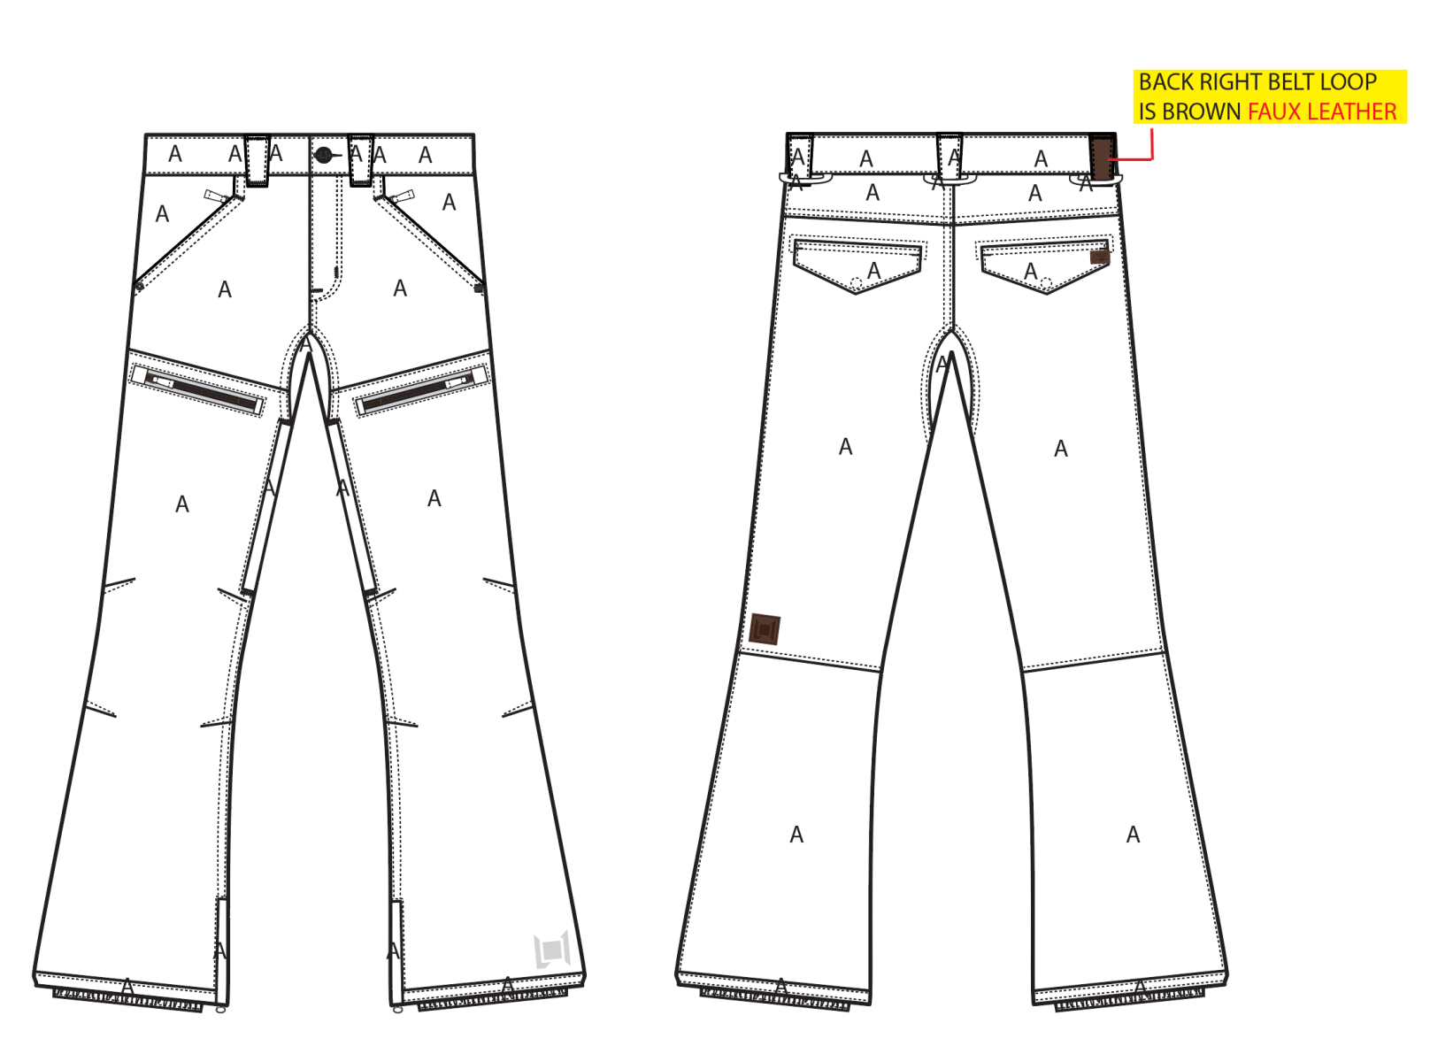
 |  |  |  | COLORWAYS
SHELL FABRIC | SUPPLIER/ REFERENCE NUMBER | LOCATION | CONTENT | WALNUT | INK | MILITARY | BLACK | SILT
CAVALRY STRETCH TWILL | RACO / CALVARY STRETCH TWILL 950703-B / 10K/10K / C6 + DWR | A |  | WALNUT | INK | MILITARY | BLACK | SILT
BROWN FAUX LEATHER | PLEASE SOURCE | BACK RIGHT BELT LOOP |  | BROWN FAUX LEATHER | BROWN FAUX LEATHER | BROWN FAUX LEATHER | BROWN FAUX LEATHER | BROWN FAUX LEATHER

INSULATION | SUPPLIER/ REFERENCE NUMBER | LOCATION | CONTENT | WALNUT | INK | MILITARY | BLACK | SILT | 0
POLYFILL | PINNECO MANTLE | SEAT | 100% POLYESTER | 40G | 40G | 40G | 40G | 40G
POLYFILL | PINNECO MANTLE | KNEES (FRONT) | 100% POLYESTER | 40G | 40G | 40G | 40G | 40G

SEAM TAPE | SUPPLIER/ REFERENCE NUMBER | LOCATION | CONTENT | WALNUT | INK | MILITARY | BLACK | SILT | 0
SEAM TAPE | TSGS | FULLY SEAM SEALED |  | FULLY SEAM SEALED | FULLY SEAM SEALED | FULLY SEAM SEALED | FULLY SEAM SEALED | FULLY SEAM SEALED

LINING | SUPPLIER/ REFERENCE NUMBER | LOCATION | CONTENT | WALNUT | INK | MILITARY | BLACK | SILT | 0
SOLID 210T | SOLIS/ SONP006-1 | LEGS | 100% NYLON | BLACK | BLACK | BLACK | BLACK | BLACK
SOLID 210T | SOLIS / SONP006-PU03 | LOWER LEG & GAITER | 100% NYLON | BLACK | BLACK | BLACK | BLACK | BLACK
SOLID 210T | SOLIS/ SONP006-1 | SECONDARY POCKET BAGS | 100% NYLON | BLACK | BLACK | BLACK | BLACK | BLACK
BRUSHED TRICOT | BRUSHED TRICOT | HAND POCKET BAGS | 100% POLYESTER | BLACK | BLACK | BLACK | BLACK | BLACK
REGULAR MESH | 1606B02 (ALS-16038) | LEG VENTS | 100% POLYESTER | BLACK | BLACK | BLACK | BLACK | BLACK

LOWER LEG LINING PRINT (SEE PDF) | SUPPLIER/ REFERENCE NUMBER | LOCATION | CONTENT | WALNUT | INK | MILITARY | BLACK | SILT | 0
ON COATED 210T | PLEASE SOURCE | LOWER LEG FRONT AND BACK |  | PANTONE 16-5807 TCX SILT | PANTONE 16-5807 TCX SILT | PANTONE 16-5807 TCX SILT | PANTONE 16-5807 TCX SILT | PANTONE 16-5807 TCX SILT

MEASUREMENTS
BRAND WOMENS PANT
SEASON: |  | WINTER 2018/2019 |  |  |  |  |  |  | CONTRACTOR: |  |  |  | SOLUNA
STYLE NUMBER: |  | L1TA-203-18-A |  |  |  |  |  |  | DATE CREATED: |  |  |  | 2017-03-02
STYLE NAME: |  | SIREN |  |  |  |  |  |  | DATE REVISED:
WATERPROOF/BREATHABILITY: |  | 10K/10K |  |  |  |  |  |  | BLOCK: |  |  |  | L1TA-203-16 SCARLETT
SEAM SEALING: |  | FULLY SEAM SEALED |  |  |  |  |  |  | FIT: |  |  |  | BOYFRIEND FIT
INSULATION: |  | 40G PINNECO MANTLE KNEES AND SEAT |  |  |  |  |  |  | TARGET FOB: |  |  |  | $0.00
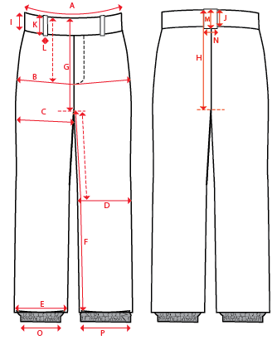
 |  |  |  |  | 1ST PROTO |  |  | 2ND PROTO |  |  | 3RD PROTO |  |  | S/SAMPLE |  |  | PP SAMPLE |  | FINAL
 |  |  |  | DATE: |  |  | DATE: |  |  | DATE: |  |  | DATE: |  |  | DATE:
 |  |  | TOL +/- | INITIAL MEASMNT | SAMPLE MEASURES | REVISE TO | REQUESTED | SAMPLE MEASURES | REVISE TO | REQUESTED | SAMPLE MEASURES | REVISE TO | REQUESTED | SAMPLE MEASURES | REVISE TO | REQUESTED | SAMPLE MEASURES | REVISE TO | APPROVED MEASMNTS
A | WAIST WIDTH |  | 0.25 | 16.5
B | HIP -7" DOWN FROM TOP EDGE OF WAIST TOP EDGE |  | 0.25 | 20.5
C | THIGH - 1" BELOW CROTCH |  | 0.25 | 12.25
D | KNEE -XS-12.75", S - 13", M-13.25", L-13.5" DOWN FROM CROTCH |  | 0.25 | 8.5
E | HEM OPENING |  | 0.25 | 10.75
F | INSEAM - FROM CENTER OF CROTCH |  | 0.25 | 33
G | FRONT RISE - INCL WAIST BAND, NOT INCL GUSSET |  | 0.125 | 8.75
H | BACK RISE - INCL WAIST BAND, NOT INCL GUSSET |  | 0.125 | 14.25
 | GUSSET RISE |  | 0.125 | 3
 | GUSSET LENGTH (ALONG INSEAM) |  | 0.125
I | CF WAIST BAND HEIGHT |  | 0.125 | 2
J | CB WAIST BAND HEIGHT |  | 0.125 | 2
K | BELT LOOP LENGTH |  | 0.125 | 2.75
L (a) | BELT LOOP WIDTH - TOP EDGE |  | 0.125 | 1.125
L (b) | BELT LOOP WIDTH - BOTTOM EDGE |  | 0.125 | 0.75
 | HAND POCKET VERTICAL |  | 0.125
 | HAND POCKET HORIZONTAL |  | 0.125
 | BACK POCKET FLAP LENGTH |  | 0.125 | 5.75
 | BACK POCKET FLAP HEIGHT AT CENTRE |  | 0.125 | 2
 | BACK POCKET FLAP HEIGHT AT SIDES |  | 0.125 | 1.25
O | STORM CUFF RELAXED |  | 0.25 | 7.5
P | STORM CUFF STRETCHED |  | 0.25 | 12
ZIPPERS | FLY |  | 0.125 | 4.5
 | HAND POCKETS |  | 0.125 | 5.5
 | #REF! |  | 0.125 | 5.5
 | #REF! |  | 0.125
 | LEG VENT |  | 0.125 | 9
 | HEM GUSSET |  | 0.125 | 8

