SHELL
L1 WOMENS PANT |  |  |  |  |  |  | SAMPLE SIZE SMALL / XS-L
SEASON: |  | WINTER 2018/2019 |  |  | CONTRACTOR: |  | SOLUNA
STYLE NUMBER: |  | L1TA-204-18 |  |  | DATE CREATED: |  | 2017-03-02
STYLE NAME: |  | HEARTBREAKER TWILL |  |  | DATE REVISED: |  | 2017-04-05
WATERPROOF/BREATHABILITY: |  | 10K/10K |  |  | BLOCK: |  | LITA-205-16 HEARTBREAKER BASIC
SEAM SEALING: |  | CRITICALLY SEAM SEALED |  |  | FIT: |  | SKINNY
INSULATION: |  | SHELL |  |  | TARGET FOB:
 |  | 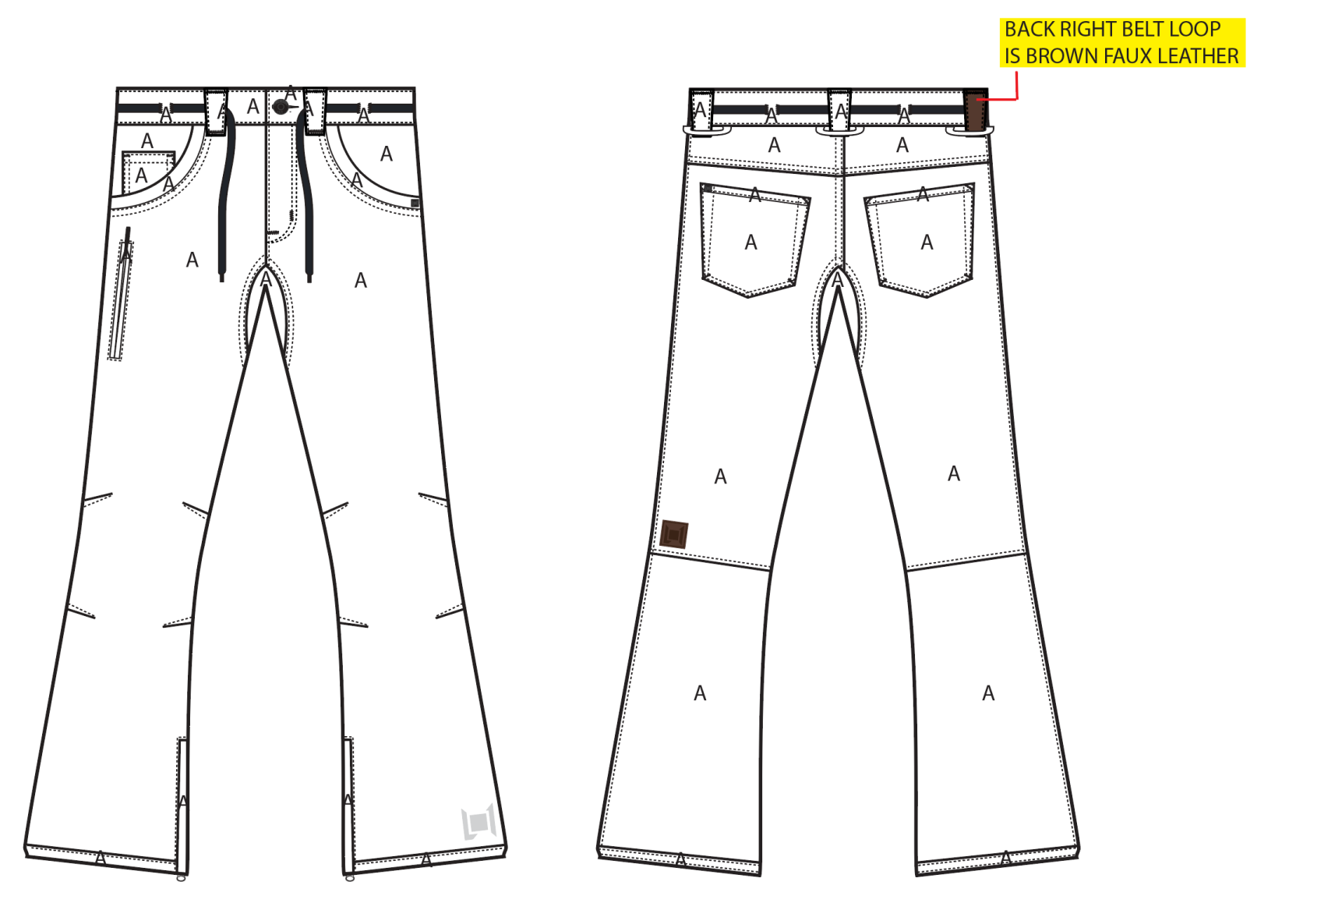
 |  |  |  | COLORWAYS
SHELL FABRIC | SUPPLIER/ REFERENCE NUMBER | LOCATION | CONTENT | SILT | MILITARY | INK | PORT | BONE | BLACK | WALNUT
CAVALRY STRETCH TWILL | RACO / CALVARY STRETCH TWILL 950703-B / 10K/10K / C6 + DWR | A |  | SILT | MILITARY | INK | PORT | BONE | BLACK | WALNUT
BROWN FAUX LEATHER | PLEASE SOURCE | BACK RIGHT BELT LOOP |  | BROWN FAUX LEATHER | BROWN FAUX LEATHER | BROWN FAUX LEATHER | BROWN FAUX LEATHER | BROWN FAUX LEATHER | BROWN FAUX LEATHER | BROWN FAUX LEATHER

INSULATION | SUPPLIER/ REFERENCE NUMBER | LOCATION | CONTENT | SILT | MILITARY | INK | PORT | BONE | BLACK | WALNUT
NON INSULATED

SEAM TAPE | SUPPLIER/ REFERENCE NUMBER | LOCATION | CONTENT | SILT | MILITARY | INK | PORT | BONE | BLACK | WALNUT
SEAM TAPE | TSGS | CRITICALLY TAPED |  | CRITICALLY TAPED | CRITICALLY TAPED | CRITICALLY TAPED | CRITICALLY TAPED | CRITICALLY TAPED | CRITICALLY TAPED | CRITICALLY TAPED

LINING | SUPPLIER/ REFERENCE NUMBER | LOCATION | CONTENT | SILT | MILITARY | INK | PORT | BONE | BLACK | WALNUT
REGULAR MESH | 1606B02 (ALS-16038) | MAIN BODY | 100% POLYESTER | BLACK | BLACK | BLACK | BLACK | BLACK | BLACK | BLACK
SOLID 210T | SOLIS/ SONP006-1 | SECONDARY POCKET BAGS | 100% NYLON | BLACK | BLACK | BLACK | BLACK | BLACK | BLACK | BLACK
SOLID COATED 210T | SOLIS / SONP006-PU03 | LOWER LEG & GAITER | 100% NYLON | BLACK | BLACK | BLACK | BLACK | BLACK | BLACK | BLACK
BRUSHED TRICOT | SUPPLIER / REF CODE | WAISTBAND, FLY, HAND POCKET BAGS | 100% POLYESTER | BLACK | BLACK | BLACK | BLACK | BLACK | BLACK | BLACK

LOWER LEG LINING PRINT (SEE PDF) | SUPPLIER/ REFERENCE NUMBER | LOCATION | CONTENT | SILT | MILITARY | INK | PORT | BONE | BLACK | WALNUT
ON COATED 210T | PLEASE SOURCE | LOWER LEG FRONT AND BACK |  | PANTONE 16-5807 TCX SILT | PANTONE 16-5807 TCX SILT | PANTONE 16-5807 TCX SILT | PANTONE 16-5807 TCX SILT | PANTONE 16-5807 TCX SILT | PANTONE 16-5807 TCX SILT | PANTONE 16-5807 TCX SILT

MEASUREMENTS
L1 WOMENS PANT
SEASON: |  | WINTER 2018/2019 |  |  |  |  |  |  | CONTRACTOR: |  |  |  | SOLUNA
STYLE NUMBER: |  | L1TA-204-18 |  |  |  |  |  |  | DATE CREATED: |  |  |  | 2017-03-02
STYLE NAME: |  | HEARTBREAKER TWILL |  |  |  |  |  |  | DATE REVISED:
WATERPROOF/BREATHABILITY: |  | 10K/10K |  |  |  |  |  |  | BLOCK: |  |  |  | LITA-205-16 HEARTBREAKER BASIC
SEAM SEALING: |  | CRITICALLY SEAM SEALED |  |  |  |  |  |  | FIT: |  |  |  | SKINNY
INSULATION: |  | SHELL |  |  |  |  |  |  | TARGET FOB: |  |  |  | $0.00
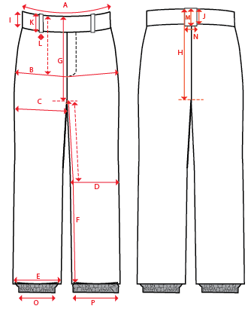
 |  |  |  |  | 1ST PROTO |  |  | 2ND PROTO |  |  | 3RD PROTO |  |  | S/SAMPLE |  |  | PP SAMPLE |  | FINAL
 |  |  |  | DATE: |  |  | DATE: |  |  | DATE: |  |  | DATE: |  |  | DATE:
 |  |  | TOL +/- | INITIAL MEASMNT | SAMPLE MEASURES | REVISE TO | REQUESTED | SAMPLE MEASURES | REVISE TO | REQUESTED | SAMPLE MEASURES | REVISE TO | REQUESTED | SAMPLE MEASURES | REVISE TO | REQUESTED | SAMPLE MEASURES | REVISE TO | APPROVED MEASMNTS
A | WAIST WIDTH |  | 0.25 | 16.25
B | HIP -7" DOWN FROM TOP EDGE OF WAIST TOP EDGE |  | 0.25 | 19
C | THIGH - 1" BELOW CROTCH |  | 0.25 | 11.25
D | KNEE -XS-12.75", S - 13", M-13.25", L-13.5" DOWN FROM CROTCH |  | 0.25 | 7.5
E | HEM OPENING |  | 0.25 | 9.75
F | INSEAM - FROM CENTER OF CROTCH |  | 0.25 | 33
G | FRONT RISE - INCL WAIST BAND, NOT INCL GUSSET |  | 0.125 | 7.875
H | BACK RISE - INCL WAIST BAND, NOT INCL GUSSET |  | 0.125 | 13.75
 | GUSSET RISE |  | 0.125 | 2.75
 | GUSSET LENGTH (ALONG INSEAM) |  | 0.125
I | CF WAIST BAND HEIGHT |  | 0.125 | 1.75
J | CB WAIST BAND HEIGHT |  | 0.125 | 1.75
L (a) | BELT LOOP WIDTH - TOP EDGE |  | 0.125 | 1.125
L (b) | BELT LOOP WIDTH - BOTTOM EDGE |  | 0.125 | 0.75
 | HAND POCKET VERTICAL |  | 0.125
 | HAND POCKET HORIZONTAL |  | 0.125
 | BACK POCKET VERTICAL |  | 0.125 | 6
 | BACK POCKET HORIZONTAL |  | 0.125 | 5.75
 | DRAWCORD LENGTH |  | 0.125 | 48
O | STORM CUFF RELAXED |  | 0.25
P | STORM CUFF STRETCHED |  | 0.25
ZIPPERS | FLY |  | 0.125 | 3.5
 | #REF! |  | 0.125
 | #REF! |  | 0.125
 | LEG POCKET VERTICAL |  | 0.125 | 6
 | #REF! |  | 0.125
 | HEM GUSSET |  | 0.125 | 8

