SHELL
 | L1 WOMENS PANT
 | SEASON: |  | WINTER 2017/2018 |  | CONTRACTOR: |  | SOLUNA
 | STYLE NUMBER: |  | L1TA-201-17 |  | DATE CREATED: |  | 2016-02-14
 | STYLE NAME: |  | LORETTA TWILL OVERALL |  | DATE REVISED:
 | WATERPROOF/BREATHABILITY: |  | MARKED AS: 10K/10K |  | BLOCK: |  | L1TA-202-16 LORETTA OVERALL RERERENCE BLOCK
 | SEAM SEALINING: |  | FULLY TAPED |  | FIT: |  | SLIM
 | INSULATION: |  | SHELL |  | TARGET FOB: |  | $44

 |  | 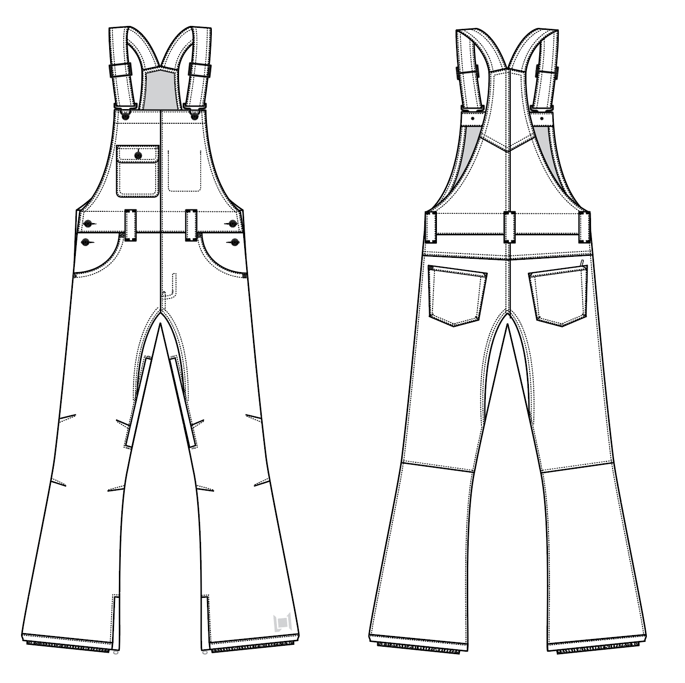
 |  |  |  | COLORWAYS
SHELL FABRIC | ITEM | SUPPLIER/ REF NUMBER | CONTENT | COLORWAY 1 | COLORWAY 2 | COLORWAY 3 | COLORWAY 4 | COLORWAY 5 | COLORWAY 6
ALL SHELL IS SAME FABRIC | NEW STRETCH TWILL 10K/10K LAMINATE C6 DWR, $4.28 | RACO 950703-B | 100% POLYESTER | BLACK

INSULATION | ITEM | SUPPLIER/ REF NUMBER | CONTENT | COLORWAY 1 | COLORWAY 2 | COLORWAY 3 | COLORWAY 4 | COLORWAY 5 | COLORWAY 6
NON INSULATED |  |  |  | NO

SEAM TAPE | ITEM | SUPPLIER/ REF NUMBER | CONTENT | COLORWAY 1 | COLORWAY 2 | COLORWAY 3 | COLORWAY 4 | COLORWAY 5 | COLORWAY 6
FULLY TAPED | WIDTH...SEAM TAPE | SEALON |  | YES

LINING | ITEM | SUPPLIER/ REF NUMBER | CONTENT | COLORWAY 1 | COLORWAY 2 | COLORWAY 3 | COLORWAY 4 | COLORWAY 5 | COLORWAY 6
BIB & HAND POCKET LINING | SOLID 210T | PLEASE SORCE | 100% NYLON | BLACK
LEGS | SMALL HOLE MESH | PLEASE SORCE | 100% POLY | BLACK
LOWER LEG & GAITER | COATED 210T | PLEASE SORCE | 100% NYLON | BLACK
WAISTBAND | 120G BRUSHED TRICOT | PLEASE SORCE | 100% POLY | BLACK

MEASUREMENTS
 | L1 WOMENS PANT
 | SEASON: |  | WINTER 2017/2018 |  |  |  |  |  | DATE CREATED:
 | STYLE NUMBER: |  | L1TA-201-17 |  |  |  |  |  | DATE REVISED:
 | STYLE NAME: |  | LORETTA TWILL OVERALL |  |  |  |  |  | BLOCK: |  |  |  |  |  | L1TA-202-16 LORETTA OVERALL RERERENCE BLOCK
 | SAMPLE SIZE: |  | WOMENS SMALL |  |  |  |  |  | FIT: |  |  |  |  |  | SLIM
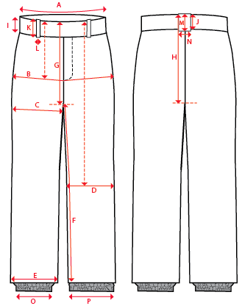
 |  |  |  |  | 1ST PROTO |  |  | 2ND PROTO |  |  | 3RD PROTO |  |  | S/SAMPLE |  |  | PP SAMPLE |  | FINAL
 |  |  |  | DATE: |  |  | DATE: |  |  | DATE: |  |  | DATE: | 2016-01-04 |  | DATE:
 |  |  | TOL +/- | INITIAL MEASMNT | SAMPLE MEASURES | REVISE TO | REQUESTED | SAMPLE MEASURES | REVISE TO | REQUESTED | SAMPLE MEASURES | REVISE TO | REQUESTED | SAMPLE MEASURES | REVISE TO | REQUESTED | SAMPLE MEASURES | REVISE TO | APPROVED MEASMNTS
A | WAIST WIDTH |  | 0.25 | 17.75 | 17.75 |  | 17.75
B | HIP -7" DOWN FROM TOP EDGE OF WAIST TOP EDGE |  | 0.25 | 20 | 20 |  | 20
C | THIGH - 1" BELOW CROTCH |  | 0.125 | 11.5 | 11.5 |  | 11.5
D | KNEE -XS-21", S - 21.5", M-22", L-22.5" DOWN FROM WAIST TOP EDGE |  | 0.125 | 7.75 | 7.75 | 8 | 8
E | HEM OPENING |  | 0.125 | 10 | 9.75 | 10 | 10
F | INSEAM - FROM CENTER OF CROTCH |  | 0.25 | 33 | 32.5 | 33 | 33

G | FRONT RISE - INC WAIST BAND, NOT INCL GUSSET |  | 0.125 | 8.25 | 8.25 |  | 8.25
H | BACK RISE - INCL WAIST BAND, NOT INCL GUSSET |  | 0.125 | 13.5 | 13.5 |  | 13.5
 | CROTCH GUSSET |  | 0.125 | 3 | 3 |  | 3
 |  |  |  |  | 2.75
I | CF WAIST BAND HEIGHT |  | 0.125 | 1.75 | 1.75 |  | 1.75
J | CB WAIST BAND HEIGHT |  | 0.125 | 1.75 | 1.75 |  | 1.75
K | BELT LOOP LENGTH |  | 0.125 | 2.75 | 2.75 |  | 2.75
L | BELT LOOP WIDTH |  | 0.125 | 0.75 | 0.75 |  | 0.75
M | CB BELT LOOP LENGTH |  | 0.125 | 2.75 | 2.75 |  | 2.75
N | CB BELT LOOP WIDTH |  | 0.125 | 1 | 1 |  | 1

O | STORM CUFF RELAXED |  | 0.25 | 7 | 7 | 7.5 | 7.5
P | STORM CUFF STRETCHED |  | 0.25 | 12 | 11 | 12 | 12

 | STRAP LENGTH (WITH 5" OVERLAP, NOT EXTENDED) |  | 0.25 | 16.75 | 17 | 15.5 | 15.5
 | STRAP WIDTH (SINGLE) |  | 0.125 | 1.75 | 1.75 |  | 1.75
 | BIB HEIGHT AT CF (TOP EDGE TO WAIST TOPSTITCH) |  | 0.25 | 12.5 | 12.5 |  | 12.5
 | FRONT BIB WIDTH (ALONG TOP EDGE) |  | 0.25 | 8.5 | 8.25 | OK | 8.25
 | BACK BIB WIDTH (1" DOWN FROM BACK NECK) |  | 0.25 | 3.75 | 3.75 |  | 3.75

 | BACK RIGHT POCKET | #3 COIL | 0.125 | 5 | 5 |  | 5
 | LEG VENTS | #5 COIL | 0.125 | 9 | 9 |  | 9
 | HEM | #5 COIL | 0.125 | 8 | 8 |  | 8

