SHELL
 | L1 WOMENS PANT
 | SEASON: |  | WINTER 2017/2018 |  | CONTRACTOR: |  | SOLUNA
 | STYLE NUMBER: |  | L1TA-204-17 |  | DATE CREATED: |  | 2016-02-14
 | STYLE NAME: |  | HEARTBREAKER DENIM PANT |  | DATE REVISED:
 | WATERPROOF/BREATHABILITY: |  | MARKED AS: 10K/10K |  | BLOCK: |  | L1TA-204-16 HEARTBREAKER PREMIUM RERERENCE BLOCK
 | SEAM SEALINING: |  | CRITICALLY TAPED |  | FIT: |  | SKINNY
 | INSULATION: |  | SHELL |  | TARGET FOB: |  | $41

 | 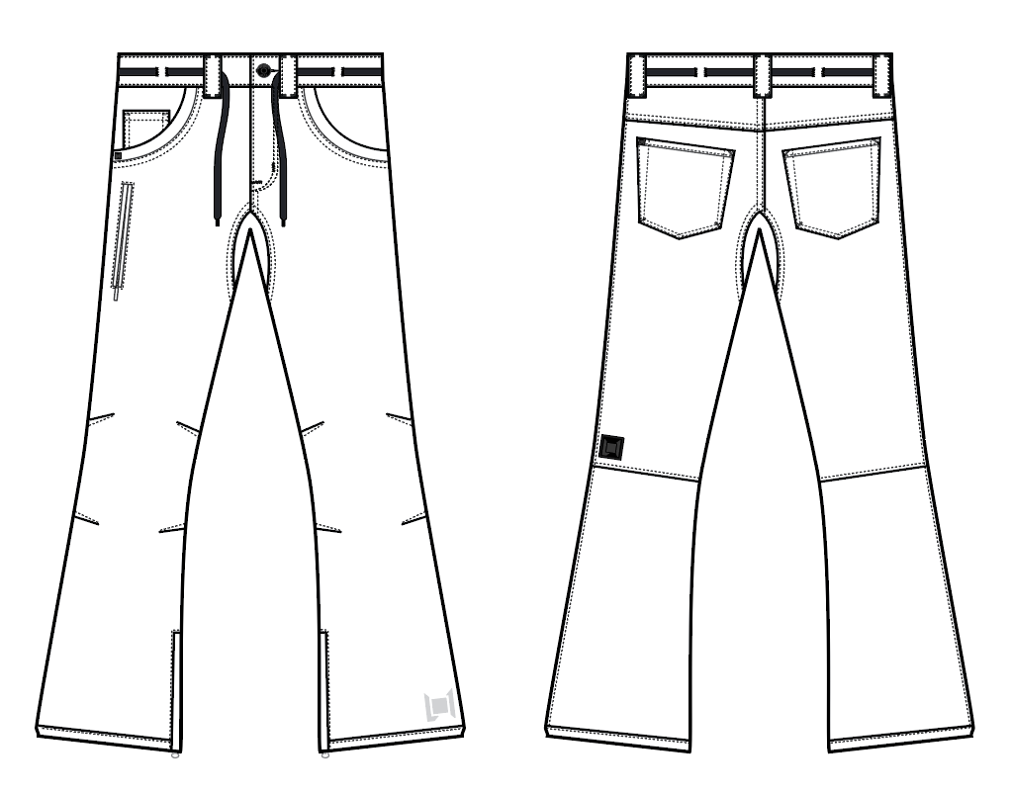
 |  |  |  | COLORWAYS
SHELL FABRIC | ITEM | SUPPLIER/ REF NUMBER | CONTENT | COLORWAY 1 | COLORWAY 2 | COLORWAY 3 | COLORWAY 4 | COLORWAY 5 | COLORWAY 6
ALL SHELL IS SAME FABRIC | OVERDYE PIGMENT $6.90 10K/10K | LAKA TEX LS1068-DL2A | 85% COTTON, 13% POLY, 2% SPANDEX | BLACK OVERDYE DENIM | X
ALL SHELL IS SAME FABRIC | BROWN DENIM OVERDYE 10K/10K $10.65 | SOLIS L2-1081 | 84.5% COTTON, 13.5% POLY, 2% SPANDEX | X | BROWN OVERDYE DENIM

INSULATION | ITEM | SUPPLIER/ REF NUMBER | CONTENT | COLORWAY 1 | COLORWAY 2 | COLORWAY 3 | COLORWAY 4 | COLORWAY 5 | COLORWAY 6
NON INSULATED |  |  |  | NO

SEAM TAPE | ITEM | SUPPLIER/ REF NUMBER | CONTENT | COLORWAY 1 | COLORWAY 2 | COLORWAY 3 | COLORWAY 4 | COLORWAY 5 | COLORWAY 6
CRITICALLY TAPED | WIDTH...SEAM TAPE | SEALON |  | YES

LINING | ITEM | SUPPLIER/ REF NUMBER | CONTENT | COLORWAY 1 | COLORWAY 2 | COLORWAY 3 | COLORWAY 4 | COLORWAY 5 | COLORWAY 6
MAIN BODY | SMALL HOLE MESH | PLEASE SORCE | 100% POLY | BLACK
LOWER LEG | COATED 210T | PLEASE SORCE | 100% NYLON | BLACK
WAISTBAND & FLY | 120G BRUSHED TRICOT | PLEASE SORCE | 100% POLY | BLACK
HAND POCKET LINING | 120G BRUSHED TRICOT | PLEASE SORCE | 100% POLY | BLACK

MEASUREMENTS
 | L1 WOMENS PANT
 | SEASON: |  | WINTER 2017/2018 |  |  |  |  |  | DATE CREATED:
 | STYLE NUMBER: |  | L1TA-204-17 |  |  |  |  |  | DATE REVISED:
 | STYLE NAME: |  | HEARTBREAKER DENIM PANT |  |  |  |  |  | BLOCK: |  |  |  |  |  | L1TA-204-16 HEARTBREAKER PREMIUM RERERENCE BLOCK
 | SAMPLE SIZE: |  | WOMENS SMALL |  |  |  |  |  | FIT: |  |  |  |  |  | SKINNY
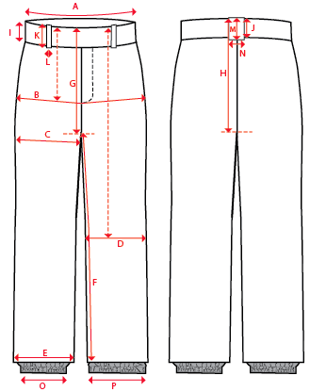
 |  |  |  |  | 1ST PROTO |  |  | 2ND PROTO |  |  | 3RD PROTO |  |  | S/SAMPLE |  |  | PP SAMPLE |  | FINAL
 |  |  |  | DATE: |  |  | DATE: |  |  | DATE: |  |  | DATE: | 2016-01-04 |  | DATE:
 |  |  | TOL +/- | INITIAL MEASMNT | SAMPLE MEASURES | REVISE TO | REQUESTED | SAMPLE MEASURES | REVISE TO | REQUESTED | SAMPLE MEASURES | REVISE TO | REQUESTED | SAMPLE MEASURES | REVISE TO | REQUESTED | SAMPLE MEASURES | REVISE TO | APPROVED MEASMNTS
A | WAIST WIDTH |  | 0.25 | 16.25 | 16.625 | 16.25 | 16.25
B | HIP -7" DOWN FROM TOP EDGE OF WAIST TOP EDGE |  | 0.25 | 19 | 19 |  | 19
C | THIGH - 1" BELOW CROTCH |  | 0.125 | 11.25 | 11.25 |  | 11.25
D | KNEE -XS-21", S - 21.5", M-22", L-22.5" DOWN FROM WAIST TOP EDGE |  | 0.125 | 7.5 | 7.5 |  | 7.5
E | HEM OPENING |  | 0.125 | 9.75 | 9.75 |  | 9.75
F | INSEAM - FROM CENTER OF CROTCH |  | 0.25 | 33 | 33 |  | 33

G | FRONT RISE - INC WAIST BAND, NOT INCL GUSSET |  | 0.125 | 8.125 | 8.125 | 7.875 | 7.875
H | BACK RISE - INCL WAIST BAND, NOT INCL GUSSET |  | 0.125 | 13.5 | 13.75 | OK | 13.75
 | CROTCH GUSSET |  | 0.125 | 2.75 | 2.75 |  | 2.75
 |  |  |  |  | 2.75
I | CF WAIST BAND HEIGHT |  | 0.125 | 1.75 | 1.75 |  | 1.75
J | CB WAIST BAND HEIGHT |  | 0.125 | 1.75 | 1.75 |  | 1.75
K | BELT LOOP LENGTH |  | 0.125 | 2.75 | 2.75 |  | 2.75
L | BELT LOOP WIDTH |  | 0.125 | 0.75 | 0.75 |  | 0.75
M | CB BELT LOOP LENGTH |  | 0.125 | 2.75 | 3 | 2.75 | 2.75
N | CB BELT LOOP WIDTH |  | 0.125 | 1 |  |  | 1

O | STORM CUFF RELAXED |  | 0.25
P | STORM CUFF STRETCHED |  | 0.25

 | FLY | #5 COIL | 0.125 | 3.5 | 3.5 |  | 3.5
 | LEG POCKET | #3 COIL | 0.125 | 6 | 6.5 | 6 | 6
 | HEM | #5 COIL | 0.125 | 8 | 8 |  | 8

