Sheet1
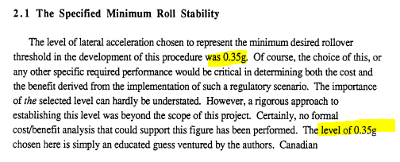
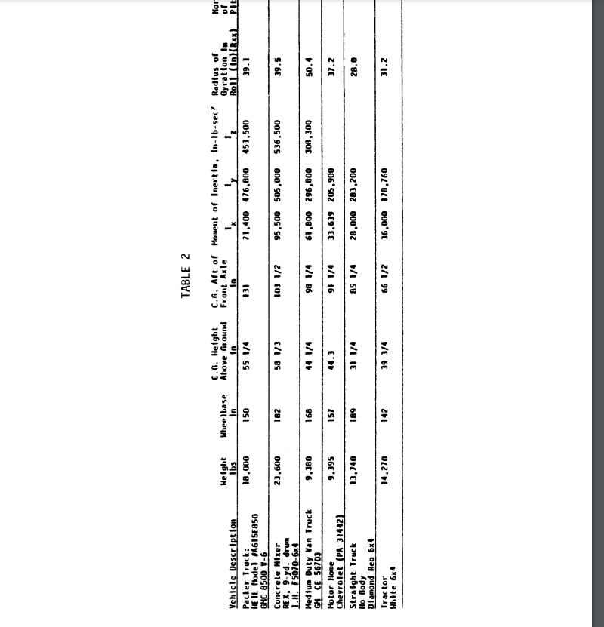
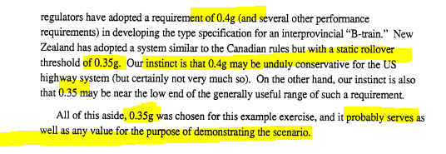
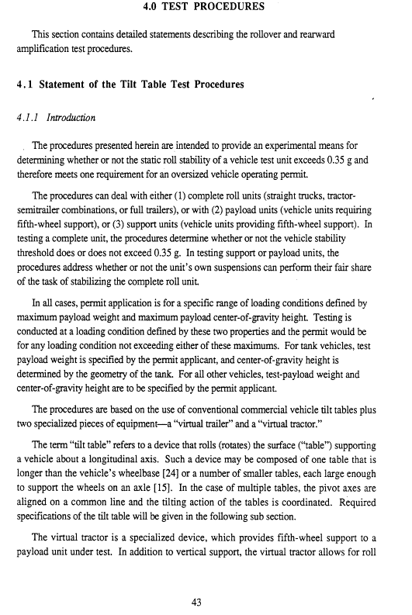
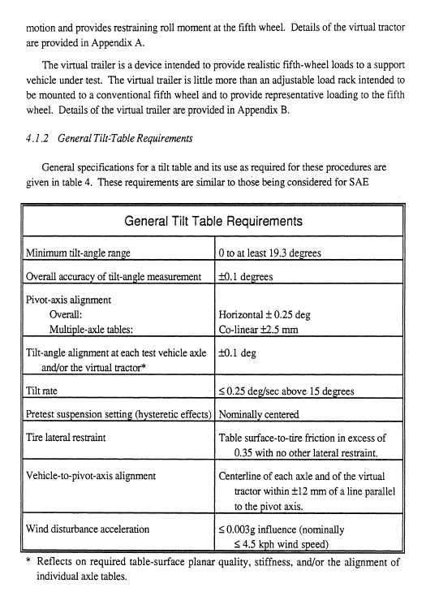
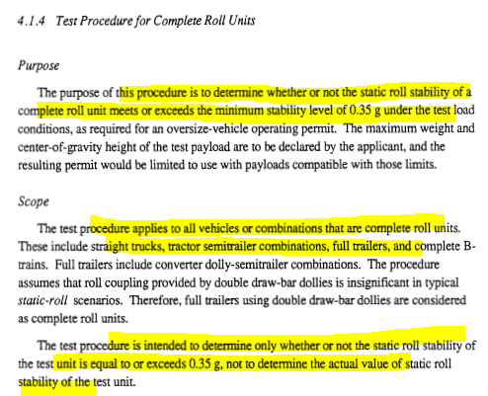
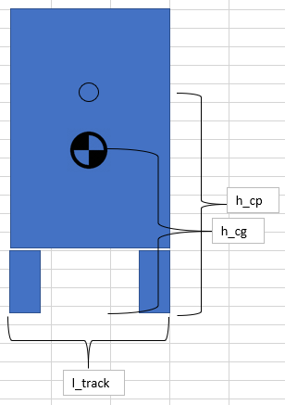
Rollover Monte Carlo Inputs
 | Parameter | Mean | 1σ | Unit
Tractor | height_cg | 1.1 | 0.25 | m |  | https://deepblue.lib.umich.edu/bitstream/handle/2027.42/232/48609.0001.001.pdf?sequence=2
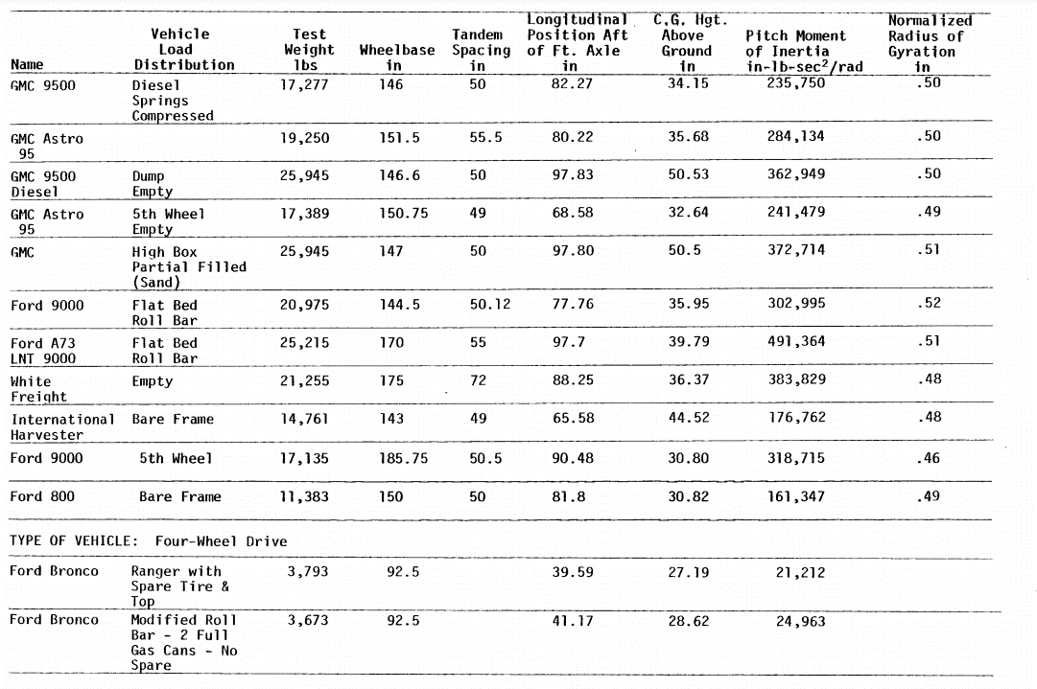
 | mass | 6917 | 500 | kg
 | Inertia_roll | 37500 | 4833 | kg-m^2
 | track_width | 2.53 | 0.15 | m
 | height_cp | 1.925 | 0.25 | m
 | force_drag | 10000 | 1667 | N
Trailer | height_cg | 2.1 | 0.3 | m | guess, do more research
 | mass | 22142 | 2089 | kg
 | Inertia_roll | 95000 | 11667 | kg-m^2
 | track_width | 2.53 | 0.15 | m
 | height_cp | 2.18 | 0.3 | m
 | force_drag | 122000 | 17667 | N

 | h_fw | 1.245 |  | m | fifth wheel support surface

Sources
UMTRI-92-13 | 82343.0001.001.pdf
Section 4, Test Procedures
Section 4 Determines what angle is equivalent to the 0.35g requirement for worst case trailer load.

