Sheet1
 |  |  |  | success with Array2ToRecord2.vee
deeprange | rangestart | $C$11 | foo | band1_nf | B2_nf
1 | 42 | $A$11 |  | 88
2 | 2 |  |  | 77
3 | 3 |  |  | 66
4 | 4 |  |  | 55
5 | 5

7 | 7
8 | 8
9 | 9
10 | 10 |  |  |  |  | https://docs.microsoft.com/en-us/office/vba/api/excel.name
11 | 11 |  |  |  |  | The shekinah glory of the revealed secret
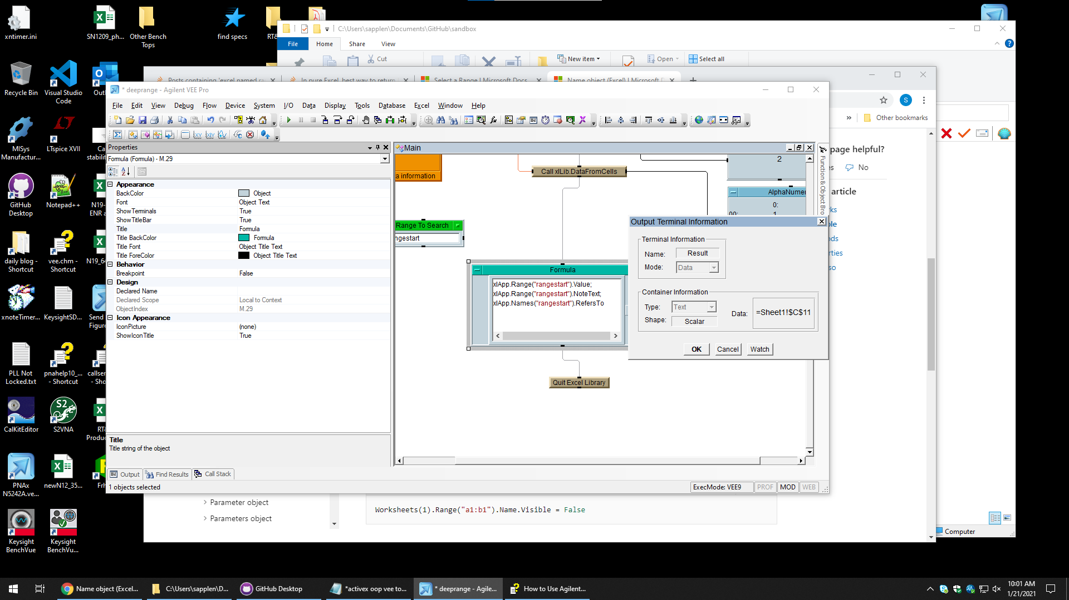
12 | 12
13 | 13
14 | 14
15 | 15
16 | 16
17 | 17
18 | 18
19 | 19
20 | 20
21 | 21
22 | 22
23 | 23
24 | 24
25 | 25
26 | 26
27 | 27
28 | 28
29 | 29
30 | 30
31 | 31
32 | 32
33 | 33
34 | 34
35 | 35
36 | 36
37 | 37
38 | 38
39 | 39
40 | 40
41 | 41
42 | 42
43 | 43
44 | 44
45 | 45
46 | 46
47 | 47
48 | 48
49 | 49
50 | 50
51 | 51
52 | 52
53 | 53
54 | 54
55 | 55
56 | 56
57 | 57
58 | 58
59 | 59
60 | 60
61 | 61
62 | 62
63 | 63
64 | 64
65 | 65
66 | 66 |  |  |  |  |  | Today is Thursday
67 | 67 |  |  |  |  |  | now what
68 | 68
69 | 69
70 | 70
71 | 71
72 | 72
73 | 73
74 | 74
75 | 75
76 | 76
77 | 77
78 | 78
79 | 79
80 | 80
81 | 81
82 | 82
83 | 83
84 | 84
85 | 85
86 | 86
87 | 87
88 | 88
89 | 89
90 | 90
91 | 91

