Psychrometrics & Charging
Psychrometrics & Refrigerant Charging
Calculate Dew Point (Temp in °F)
 |  |  |  | 23.89 |  | 17.625
Dew Point °F |  | Temperature |  | Humidity |  | 243.04
62.44 | °F | 75 | °F | 65 | % | 1.1466390672

Calculate Wet Bulb From Dry Bulb & Humidity. (Temp in °F)*

Wet Bulb |  | Temp DB |  | Humidity
64.40 | °F | 77 | °F | 50 | % | 25
*WB temp doesn't always match online calculator probably due to a rounding error, but usually off less than 1/2°

System Capacity Calc for Evaporator Coil-at sea level

 |  |  | WB Supply Temp | 54.9 |  | 23.16 | BTU/Lb
 |  |  | WB Return Temp | 64.4 | - | 29.61 | BTU/Lb
BTUs/Hr | = | CFM | X | ▲ht |  | 6.45 | ▲ht
23,220 |  | 800 |  | 6.45
1.9 Tons |  | 12,000 | @BTU's/ton |  |  | (4.5 X CFM X ▲ht)
*Used for manual calcs. Manual calcs for enthalpy are not as accurate as using psychrometric probes.

System Capacity Calc for Evaporator Coil-DB, Relative Humidity & Elevation
 |  |  |  |  |  | 14.42 | Baro Press (psia)
 | Elevation | 525 | ft | RH %
 | DB Supply Temp | 59.0 |  | 80.0 |  | 23.57 | BTU/Lb
 | DB Return Temp | 77.0 |  | 50.0 | - | 29.51 | BTU/Lb
BTUs/Hr | = | CFM | X | ▲ht |  | 5.94 | ▲ht
21,394 |  | 800 |  | 5.94
1.8 Tons |  | 12,000 | @BTU's/ton |  |  | (4.5 X CFM X ▲ht)

CFM based on Enthalpy and nominal system capacity.
CFM |  | ▲ht |  | Nominal BTU's
1,346.2 |  | 5.94 |  | 36,000 |  | CFM=BTU/(4.5 * ▲ht)

Chart
Calculate The Target Evaporator Air Temperature Split (°F) Range +- 3°F
 |  | Return Air |  | Return Air
▲T |  | Dry Bulb |  | Wet Bulb
18.20 | °F | 77 | °F | 64.4 | °F
*If it's higher, then check for airflow issues and blower settings. If it's lower, then connect gauges.

Calculate Recovery Tank @ 80%
 |  |  | Tank Tare Weight: | 16.6 |  | Liquid Density (130*F) Ref lb/ft^3
 |  |  | Tank Water Capacity: | 46 |  |  | R-134a | 67.5
 |  |  | Max Temperature: | 130°F |  |  | R-22 | 66.3
 |  |  | Refrigerant Type: | R-410a |  |  | R-410a | 54.7
 |  |  | Density: | 54.700 |  |  | R-404a | 53.18
 |  |  | Total Weight (TW + Fill Weight) @ 80%: | 48.81 | lbs. |  | R-407c | 62.28
 |  |  | Refrigerant Weight (Fill Weight) @ 80%: | 32.21 | lbs. |  | R-290 | 27.711
 |  |  | Existing non-empty tank calc |  |  |  | R-12 | 74.6
 |  |  | Total Tank weight before starting recovery: | 22 | Must be > Tank Tare Wt.
 |  |  | Max. additional refrigerant | 26.81 | lbs.
 |  |  | that can be added to the tank:

Calculate Superheat based on return air WB°F and OAT°F DB-Fixed Orifice

Chart
Superheat Target |  | OA Temp DB |  | Return Air Temp WB
11.6 | °F | 90 | °F | 64.4 | °F

Actual Total Superheat |  | SL Sat Temp |  | SL Clamp Temp
10.0 | °F | 40 | °F | 50 | °F | 1.6
Difference of 1.6 | °F | Charge OK
 |  | Tolerance +- 2° F

Calculate Subcooling-TXV

Subcooling Target |  | Target SC |  | Sat Temp |  | LLTemp
12.0 | °F | 16 | °F | 98 | °F | 86 | °F

Difference of -4 | °F | Recover Refrigerant |  |  |  | -4.0
 |  | Tolerance +- 3° F

Measure ΔT Across Evaporator Coil-After Confirming Proper SH or SC Charge

Range-Low |  | Range-High |  | Return Temp |  | Supply Temp
18.0 | °F | 21 | °F | 77 | °F | 59 | °F

ΔT 18 | °F | ΔT correct refrigerant level |  |  |  | 18.0
 |  | Range 18 °-21° ΔT

Compression Ratio
 |  | Liquid Line |  | Suction Line
Compression Ratio |  | PSIG |  | PSIG |  | Altitude (ft.) |  | psia
(Lower ratio=more efficient) |  | 285 |  | 155 |  | 1,000 |  | 14.17
1.77 : 1 |  | 299.2 psia | / | 169.2 psia |  | Lower ratio=more efficient

Nitrogen Pressure/Temp Calculator

 | Elevation (feet) | 60
 | PSIA | 14.6642
 | Start Temp °F | 80
 | Start Pressure (psig) | 246
 | End Temp °F | 80.4
 | Adjusted Pressure (psig) | 246.19
 | (Range 243.73-248.66 psig)
 | End Pressure (psig) | 247
 |  | Pass

Oil Line Calcs
List of Fuel Pumps
Oil Line Calculations

Anticipated Vacuum
3/8 | "OD copper tube size | 0.0086
15 | GPH Flow rate (Gearset Capacity) for Fuel Unit (TGSC) Most single stage fuel units (Like Riello, Suntec, Beckett CleanCut, use 15-See Table)
10 | Ft. Lift (from bottom of suction line to the center of the fuel unit
20 | Ft. Horizontal length of fuel line
9.629 | Inches of Total Vacuum (anticipated). Does not include valves, filter, etc.

Anticipated Inlet Pressure (tank above fuel unit)
60 | In. Vertical length of fuel line (top fo tank to center of fuel pump)
2.2 | PSI on fuel inlet (anticipated)
Within NFPA guidelines, no OSV needed.

Maximum amount of fuel line you can run (not to exceed). Single Pipe, Single Stage.
1/2 | "OD copper tube size | 0.00218
Suntec A7*** 3 gph-Current | Fuel Unit
15 | GPH Flow rate
Above | Tank Above/Below Pump
100 | Ft. Lift (from bottom of suction line to the center of the fuel unit
2477.1 | Total Feet available. Does not include allowances for valves, filter, etc.
43.3 | psi pump inlet pressure. Exceeds NFPA guidelines (>3 psi) for inlet pressure, install OSV within 3' vertical height of center of fuel unit.

Maximum amount of fuel line you can run (not to exceed). Two Pipe or Oil Deaerator. |  |  |  |  | Riello pump vacuum-Single pipe 6", Two Pipe or Oil Deaerator 12"
3/8 | "OD copper tube size | 0.0086
Beckett A2EA | Fuel Unit
15 | GPH Flow rate (Gearset Capacity) for Fuel Unit (TGSC) Most single stage fuel units (Like Riello, Suntec, Beckett CleanCut, use 15-See Table)
Below | Tank Above/Below Pump
Single-Stage | Single Stage/Two Stage |  | 63.953488372 | 122.09302326
5 | Ft. Lift (from bottom of suction line to the center of the fuel unit
64.0 | Ft. Maximum length of supply tubing.
12.0 | @ 64 ft. Vacuum within manufacturer recommendations. Does not include valves, filter, etc.
 | psi pump inlet pressure. Exceeds NFPA guidelines (>3 psi) for inlet pressure, install OSV within 3' vertical height of center of fuel unit.

Delta T Evap Chart
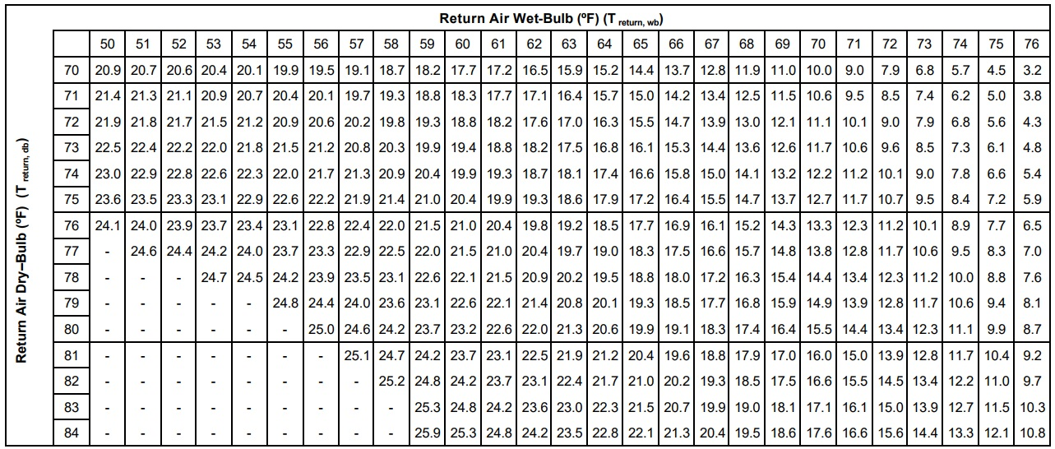
<<Return< to Calcs
Target Delta T Across the Evaporator Coil

SH Chart
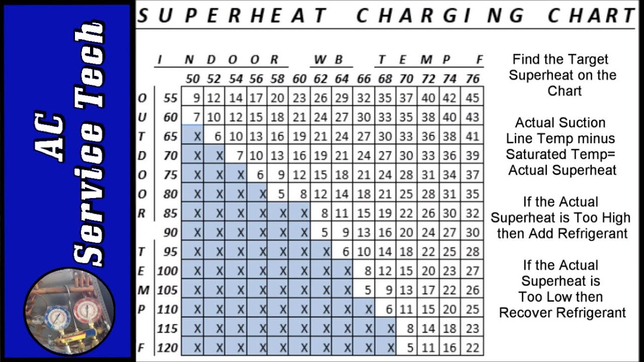
<<<Return to Calcs

Key
Back to Oil Line Calcs

Unlock Sheet to add more fuel units. Make backup first.
 | TGSC
 | Make/Model | Flow Rate 3450 rpm
 | Beckett A2EA | 15
 | Danfoss CFPH-BFPH | 15
 | Riello-up to 2000 | 17
 | Riello-Current | 15
 | Suntec A7*** 3 GPH UNTIL 2000 | 17
 | Suntec A7*** 3 gph-Current | 15
 | Suntec A7*** 7 gph | 20
 | Suntec B82** 3 gph | 21
 | Suntec B89** 7gph | 25
 | Suntec B8850 | 28
 | Suntec B8851 | 33
 | Suntec B8852 | 39
 | Webster M34DK-3 | 17

