DRAFT
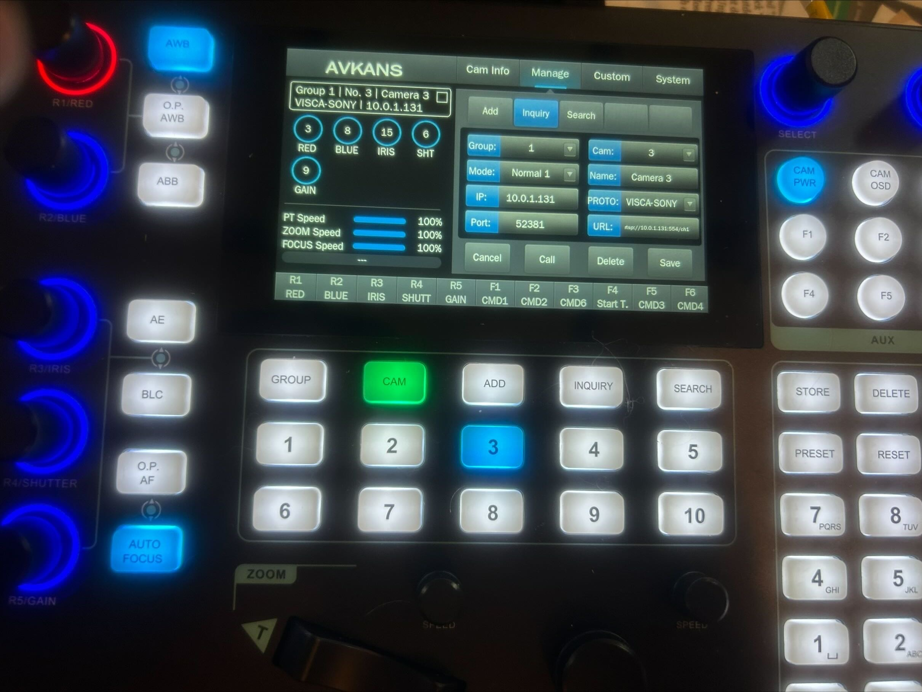
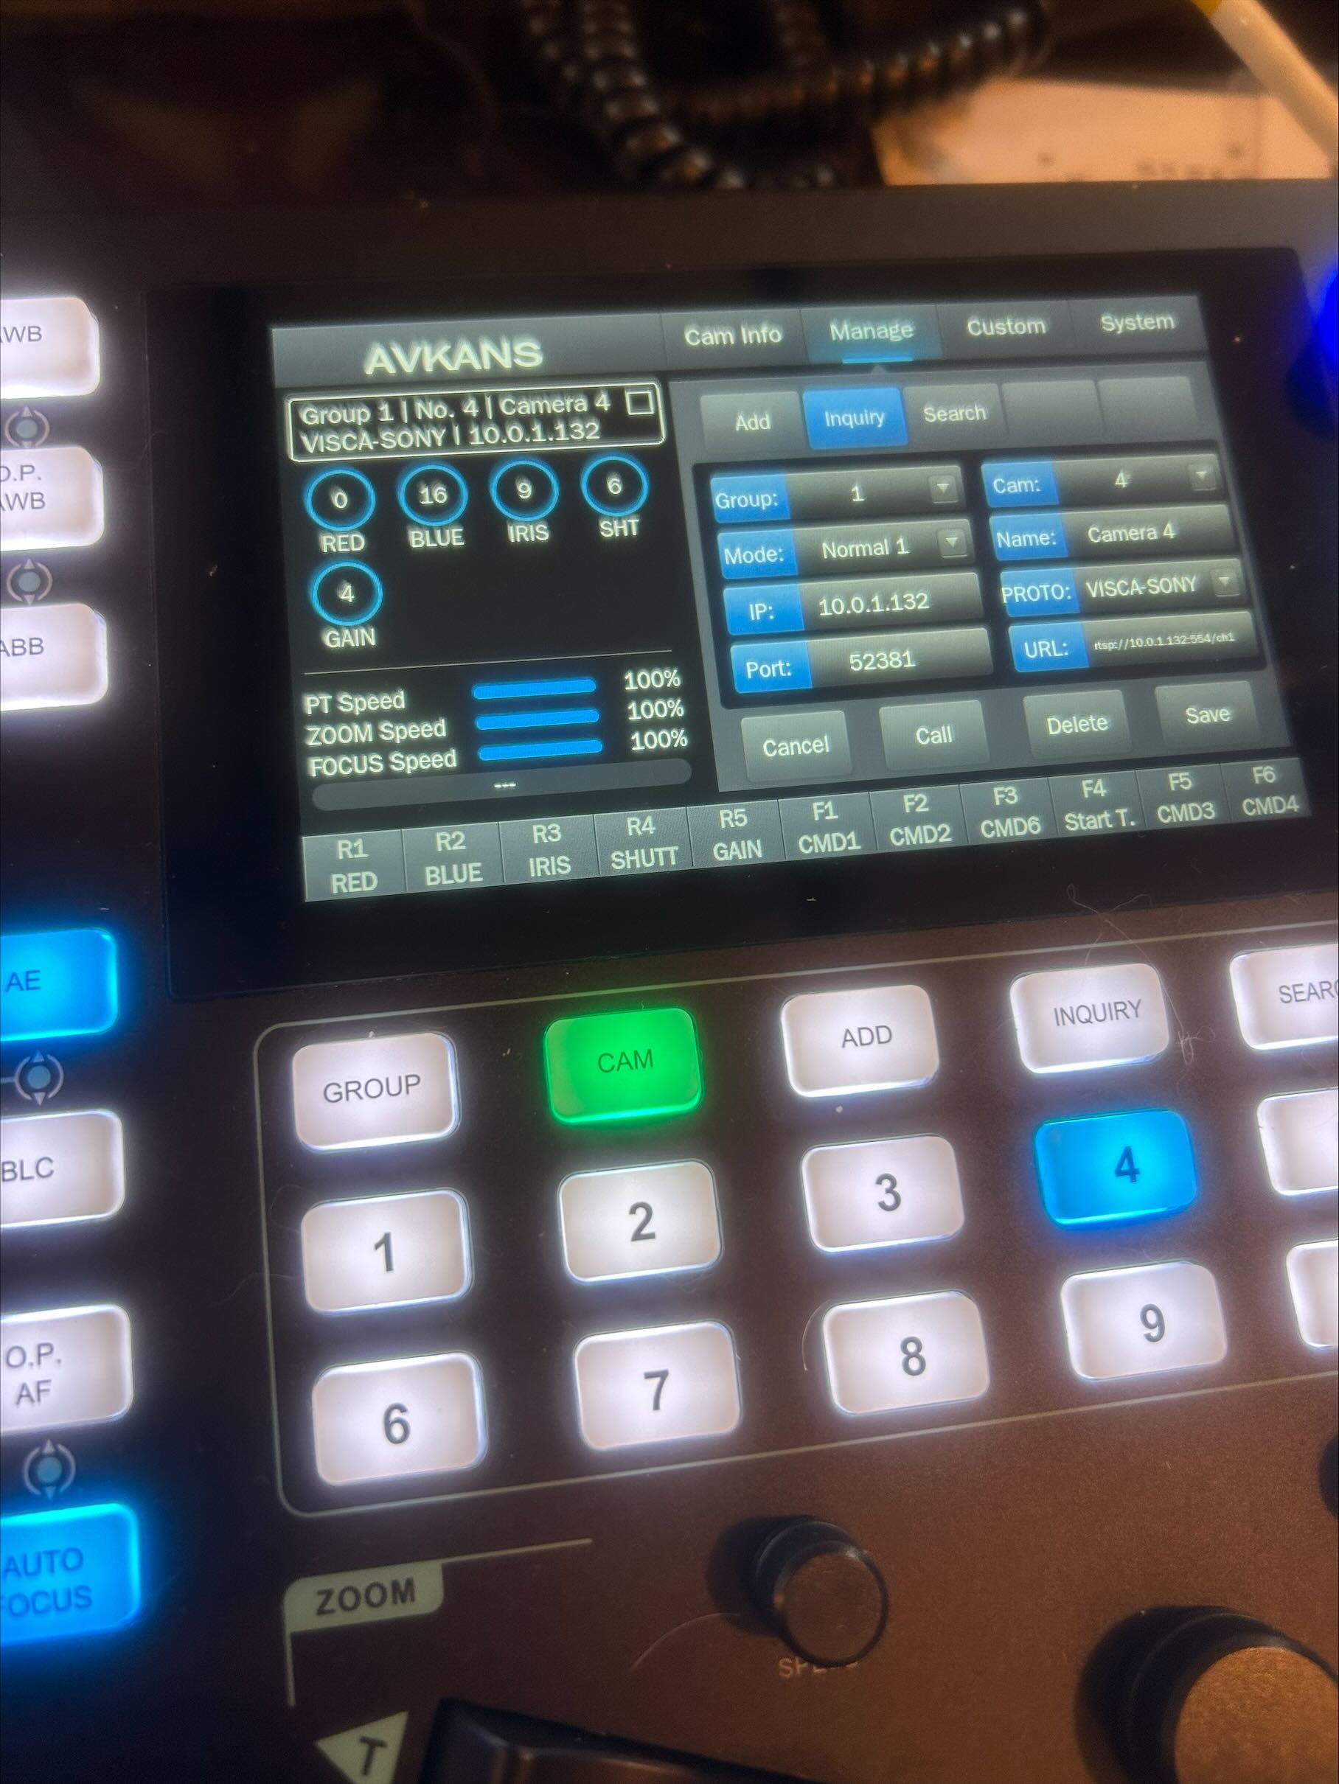
 | Camera 3 |  |  |  |  | Camera 4
Date | RED | BLUE | IRIS | SHT | GAIN | RED | BLUE | IRIS | SHT | GAIN | Notes -- Time of Day / Ambient Lighting / Interior Lights, etc.
2025-10-24 | 3 | 8 | 15 | 6 | 9 | 0 | 16 | 9 | 6 | 4 | Friday working session rough set. Didn't work out very well!

