Notes
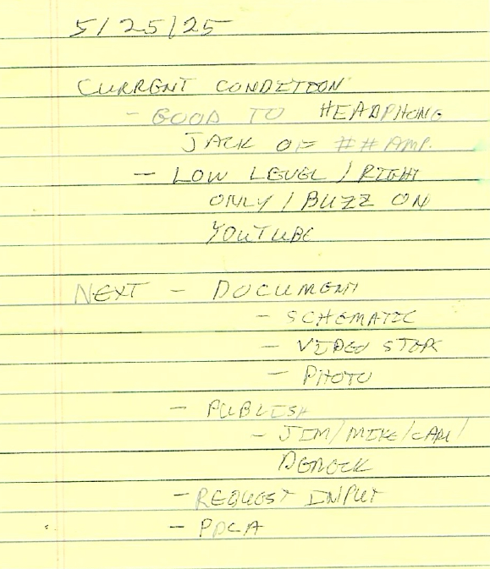
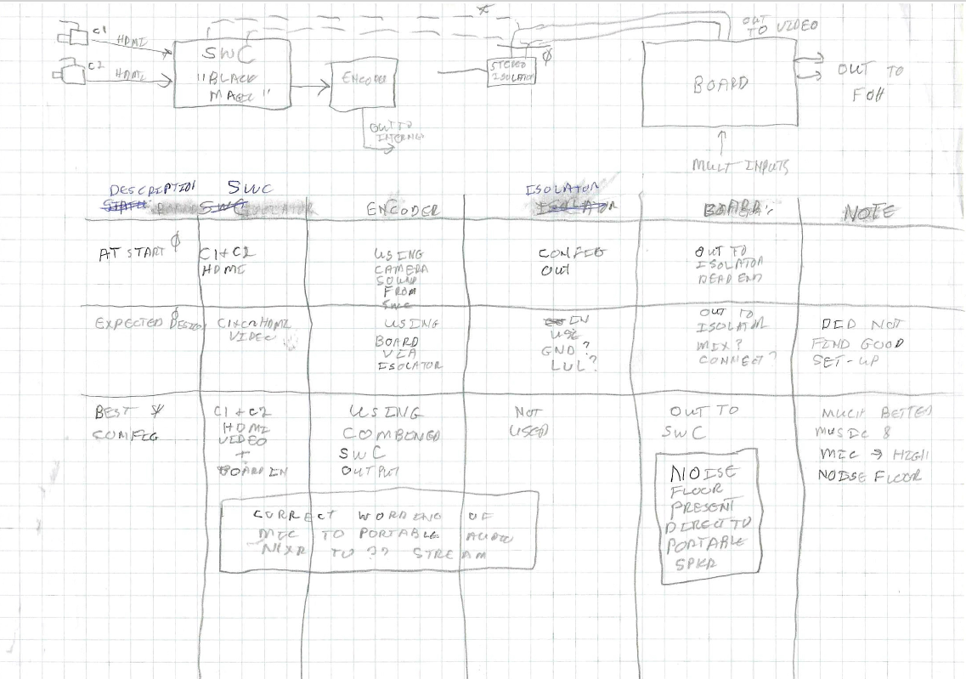
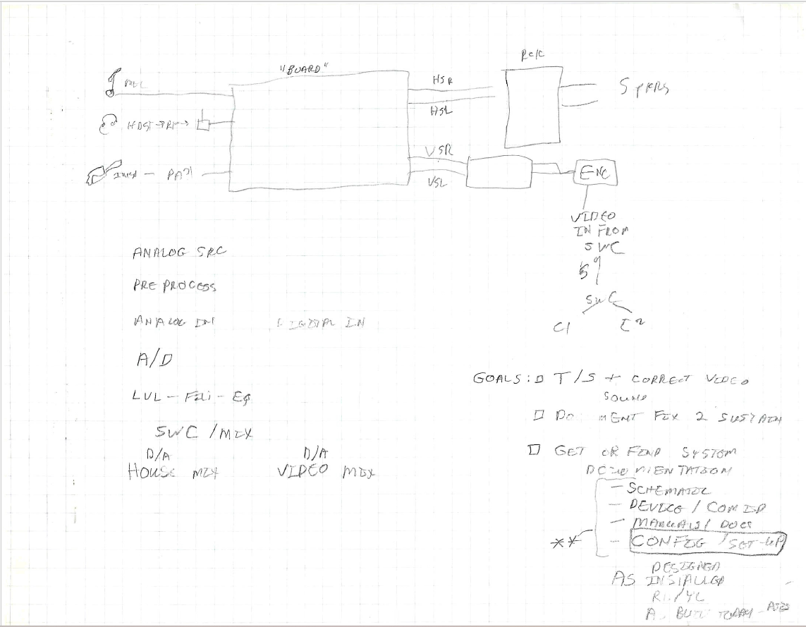

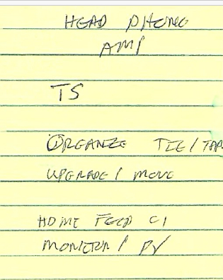

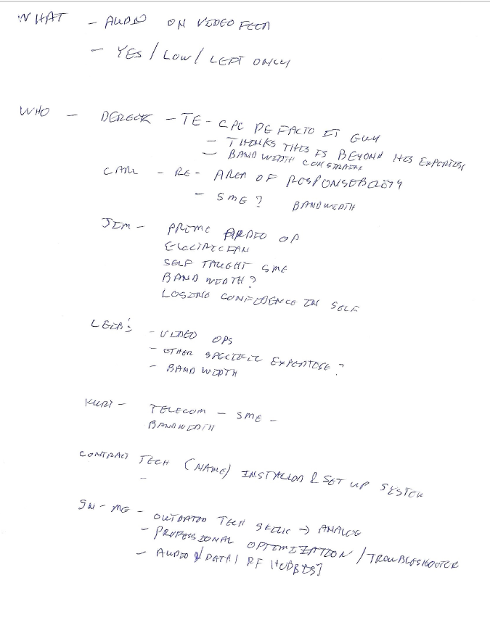

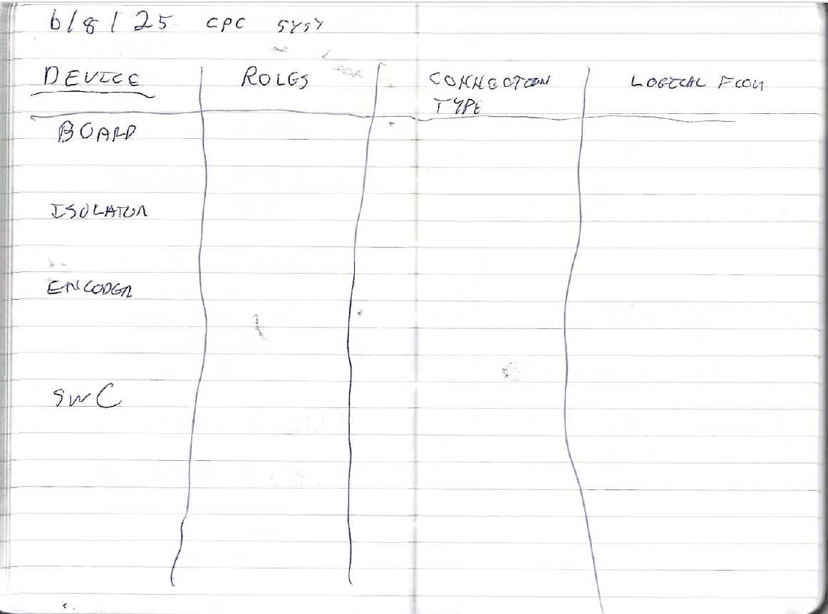

System_and_Config
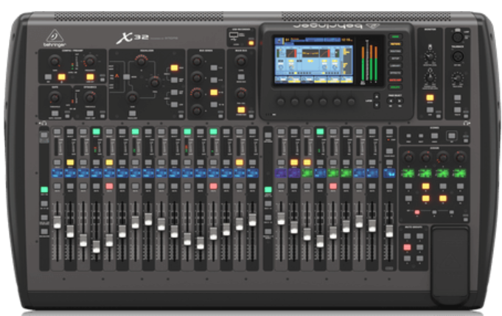
Device | Model | Inputs | Outputs | Roles (e.g., FOH Mix, Stream Audio, Confidence Monitor) | Connection types (HDMI, SDI, XLR, USB, Dante, NDI, etc.) | Logical Flow (Source → Processor → Output)
Board | Behringer X32 |  |  | Process Source Audio to generate FOH Mix and Stream Audio | IN ??? OUT: ??? | IN: Multiple Audio Sources OUT: 1) FOH Feed 2) Video Feed Are we using Ethernet?

Isolator -- NOT USED | Radial J-ISO Stereo Isolator | NA | NA | ??? | IN ??? OUT: ??? | IN: OUT:

Encoder | URayCoder USE265-1L | Video / Audio Mix: SDI From Switcher Control/Config: Ethernet | Stream: Ethernet to Internet | Process Video and Audio into standard format for streaming | IN ??? OUT: ??? | IN: OUT:

Video Switcher | Black Magic Model??? | Video: HDMI from Cameras Audio: Balanced Line from Board |  | * Receive Video From Cameras * OPTIONAL: Receive Audio from Selected Source * Select Video Source to Send * Send Selected Video (and Audio if Desired) to Encoder | IN ??? OUT: ??? | IN: OUT:

Ethernet Switch |  |  |  | * Local Ethernet Communication * Tie to CPC Network and Internet | IN: OUT: | IN: OUT:

