Table 1


 State of Mississippi Retirement Systems Experience Investigation for the Four-Year Period Ending June 30, 2020
Cavanaugh Macdonald C O N S U L T I N G, L L C The experience and dedication you deserve
April 20, 2021
The Board of Trustees Public Employees’ Retirement System of Mississippi 429 Mississippi Street Jackson, MS 39201
Members of the Board:
We are pleased to submit the results of an investigation of the economic and demographic experience for the Public Employees’ Retirement System (PERS), the Highway Safety Patrol Retirement System (HSPRS), the Supplemental Legislative Retirement Plan (SLRP) and the Municipal Retirement Systems (MRS) for the four-year period from July 1, 2016 to June 30, 2020. The study was based on the data submitted by PERS for the annual valuation. In preparing this report, we relied, without audit, on the data provided.
The purpose of the investigation was to assess the reasonability of the current PERS economic assumptions and demographic actuarial assumptions for each Retirement System. As a result of the investigation, it is recommended that revised economic assumptions and demographic tables be adopted by the Board for future use.
All recommended rates of separation, mortality and salary increase at each age for each division are shown in the attached tables in Appendix D of this report. In the actuary’s judgment, the rates recommended are suitable for use until further experience indicates that modifications are desirable.
In order to prepare the results in this report we have utilized appropriate actuarial models that were developed for this purpose. These models use assumptions about future contingent events along with recognized actuarial approaches to develop the needed results.
3550 Busbee Pkwy, Suite 250, Kennesaw, GA 30144
Phone (678) 388-1700 • Fax (678) 388-1730
www.CavMacConsulting.com Offices in Kennesaw, GA • Bellevue, NE
Board of Trustees Page 2
We hereby certify that, to the best of our knowledge and belief, this report is complete and accurate and has been prepared in accordance with generally recognized and accepted actuarial principles and practices which are consistent with the principles prescribed by the Actuarial Standards Board (ASB) and the Code of Professional Conduct and Qualification Standards for Public Statements of Actuarial Opinion of the American Academy of Actuaries.
We further certify that, in our opinion, the assumptions developed in this report satisfy Actuarial Standards of Practice, in particular, No. 27 (Selection of Economic Assumptions for Measuring Pension Obligations) and No. 35 (Selection of Demographic and Other Non-economic Assumptions for Measuring Pension Obligations).
The experience investigation was performed by, and under the supervision of, independent actuaries who are members of the American Academy of Actuaries with experience in performing valuations for public retirement systems. The undersigned meet the Qualification Standards of the American Academy of Actuaries to render the actuarial opinion contained herein.
Respectfully submitted,
Edward J. Koebel, EA, FCA, MAAA Jonathan T. Craven, ASA, EA, FCA, MAAA Chief Executive Officer Consulting Actuary
EJK/JTC:mjn

Section |  | Page
I | Executive Summary | 1
II | Economic Assumptions | 11
III | Actuarial Methods | 27
IV | PERS Demographic Assumptions | 31
 | Rates of Withdrawal | 32
 | Rates of Pre-Retirement Mortality | 38
 | Rates of Disability Retirement | 41
 | Rates of Retirement | 44
 | Rates of Post-Retirement Mortality | 51
 | Rates of Salary Increase | 60
 | Other Assumptions | 63
V | HSPRS Summary of Results | 65
VI | SLRP Summary of Results | 67
VII | MRS Summary of Results | 69
Appendix
A | Historical June CPI(U) Index | 70
B | Capital Market Assumptions and Asset Allocation | 71
C | Social Security Administration Wage Index | 72
D | Recommended Rates | 73
The purpose of an actuarial valuation is to provide a timely best estimate of the ultimate costs of a retirement system. Actuarial valuations of the Mississippi Public Employees’ Retirement System (PERS), the Mississippi Highway Safety Patrol Retirement System (HSPRS), the Mississippi Supplemental Legislative Retirement Plan (SLRP) and the Mississippi Municipal Retirement System (MRS) are prepared annually to determine the actuarial contribution rate required to fund them on an actuarial reserve basis, (i.e. the current assets plus future contributions, along with investment earnings will be sufficient to provide the benefits promised by the system). The valuation requires the use of certain assumptions with respect to the occurrence of future events, such as rates of death, termination of employment, retirement age, and salary changes to estimate the obligations of the system.
The basic purpose of an experience study is to determine whether the actuarial assumptions currently in use have adequately anticipated the actual emerging experience. This information, along with the professional judgment of system personnel and advisors, is used to evaluate the appropriateness of continued use of the current actuarial assumptions. When analyzing experience and assumptions, it is important to recognize that actual experience is reported in the short term while assumptions are intended to be long-term estimates of experience. Therefore, actual experience is expected to vary from study period to study period, without necessarily indicating a change in assumptions is needed.
Cavanaugh Macdonald Consulting, LLC (CMC) has performed a study of the experience of each of the Plans under the PERS’ Board of Trustees purview for the four-year period ending June 30, 2020. This report presents the results, analysis, and resulting recommendations of our study. It is anticipated that the changes, if approved, will first be reflected in the June 30, 2021 actuarial valuations.
These assumptions have been developed in accordance with generally recognized and accepted actuarial principles and practices that are consistent with the applicable Actuarial Standards of Practice adopted by the Actuarial Standards Board (ASB). While the recommended assumptions represent our best estimate of future experience, there are other reasonable assumption sets that could be supported by the results of this experience study. Those other sets of reasonable assumptions could produce liabilities and costs that are either higher or lower.
Our Philosophy
Similar to an actuarial valuation, the calculation of actual and expected experience is a fairly mechanical process, and differences between actuaries in this area are generally minor. However, the setting of assumptions differs, as it is more art than science. In this report, we have recommended changes to certain assumptions. To explain our thought process, we offer a brief summary of our philosophy:
• Do Not Overreact: When we see significant changes in experience, we generally do not adjust our rates to reflect the entire difference. We will typically recommend rates somewhere between the old rates and the new experience. If the experience during the next study period shows the same result, we will probably recognize the trend at that point in time or at least move further in the direction of the observed experience. On the other hand, if experience returns closer to its prior level, we will not have overreacted, possibly causing volatility in the actuarial contribution rates.
• Anticipate Trends: If there is an identified trend that is expected to continue, we believe that this should be recognized. An example is the retiree mortality assumption. It is an established trend that people are living longer. Therefore, we believe the best estimate of liabilities in the valuation should reflect the expected increase in life expectancy.
• Simplify: In general, we attempt to identify which factors are significant and eliminate or ignore the ones that do not materially improve the accuracy of the liability projections.
The following summarizes the findings and recommendations with regard to the assumptions utilized for PERS. Detailed explanations for the recommendations are found in the sections that follow.
Recommended Economic Assumption Changes
Economic assumptions are some of the most visible and significant assumptions used in the valuation process. The items in the broad economy modeled by these assumptions can be very volatile over short periods of time, as clearly seen in the economic downturn in 2008 followed by the rebound in many financial markets in the years following. Our goal is to try to find the emerging long-term trends in the midst of this volatility so that we can then apply reasonable assumptions.
Most of the economic assumptions used by actuaries are developed through a building-block approach. For example, the expected return on assets is based on the expectation for inflation plus the expected real return on assets. At the core of the economic assumptions is the inflation assumption. As we discuss later in the report, based on continued expectation of lower inflation by forecasters, and the Chief Actuary of the Social Security Administration’s view of long-term inflation, we are recommending a decrease in the price inflation assumption from 2.75% to 2.40%.

We are also recommending a 0.75% decrease in the long-term expected return on assets assumption from 7.75% to 7.00%, reflecting the 0.35% decrease in the inflation assumption and a 0.40% decrease in the real rate of return from 5.00% to 4.60%. This will be discussed in detail later in this report, but a real rate of return of 5.00% is no longer supported by the forecasting models developed using the Board’s investment consultant’s capital market assumptions and the Board’s target asset allocation. Further analysis of the 35 sets of capital market assumptions included in the Horizon Actuarial Services, LLC. Survey conducted in 2020 and the Board’s target asset allocation also support this recommendation to decrease the real rate of return to 4.60%.
In the previous experience study, CMC recommended a 7.50% long-term expected return on assets assumption, that consisted of a 4.75% real rate of return and 2.75% inflation assumption.
Based on the Board’s funding policy, the long-term investment return assumption adopted by the PERS’ Board in conjunction with the experience investigation is 7.75% and will be reduced until it reaches the rate recommended by the actuary in the most recent experience study using net investment gains based on the following parameters:
• 2% Excess return over assumed rate, lower assumption by 5 basis points, • 5% Excess return over assumed rate, lower assumption by 10 basis points, • 8% Excess return over assumed rate, lower assumption by 15 basis points, • 12% Excess return over assumed rate, lower assumption by 20 basis points.
An example of this methodology is if the actual net investment return on a market return basis is 15.00% (excess return of 7.25% over the assumed rate) for the fiscal year ending June 30, 2021, then the investment return assumption will be reduced by 10 basis points from 7.75% to 7.65% for the 2021 valuation. This methodology should continue for each subsequent valuation until the investment return assumption is equal to our recommended rate of 7.00%.
Finally, we are recommending that the general wage inflation (payroll growth) assumption used as the underlying payroll growth for active member and used in the level percent of payroll amortization method be decreased from 3.00% to 2.65%.

Table 7
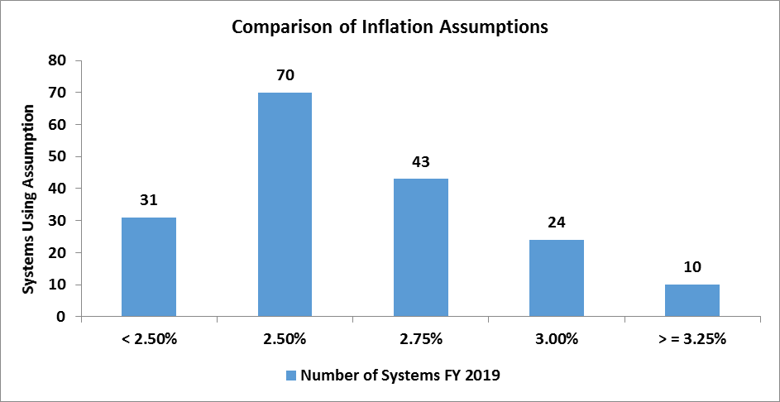
Price Inflation
Background
As can be seen from the table on the previous page, assumed price inflation is used as the basis for both the investment return assumption and the wage inflation assumption. These latter two assumptions will be discussed in detail in the following sections.
It is important that the price inflation assumption be consistently applied throughout the economic assumptions utilized in an actuarial valuation. This is called for in ASOP No. 27 and is also required to meet the parameters for determining pension liabilities and expense under Governmental Accounting Standards Board (GASB) Statements No. 67 and 68.
The long-term relationship between price inflation and investment return has long been recognized by economists. The basic principle is that the investor demands a more or less level “real return” – the excess of actual investment return over price inflation. If inflation rates are expected to be high, investment return rates are also expected to be high, while low inflation rates are expected to result in lower expected investment returns, at least in the long run.
The current price inflation assumption is 2.75% per year.
Past Experience
The Consumer Price Index, US City Average, All Urban Consumers, CPI (U), has been used as the basis for reviewing historical levels of price inflation. The table below provides historical annualized rates and annual standard deviation of the CPI-U over periods ending June 30th.
Period | Number of Years | Annualized Rate of Inflation | Annual Standard Deviation
1926 – 2020 | 94 | 2.87% | 4.05%
1960 – 2020 | 60 | 3.67 | 2.88
1970 – 2020 | 50 | 3.86 | 3.02
1980 – 2020 | 40 | 2.88 | 1.89
1990 – 2020 | 30 | 2.31 | 1.36
2000 – 2020 | 20 | 2.03 | 1.48
2010 - 2020 | 10 | 1.69 | 1.00
The following graph illustrates the historical levels of price inflation measured as of June 30th of each of the last 50 years and compared to the current 3.00% annual rate currently assumed.
Annual Rate of CPI (U) Increases
15.00 13.00 11.00 9.00 7.00 5.00 3.00 1.00 -1.00 -3.00 1970 1975 1980 1985 1990 1995 2000 2005 2010 2015 2020 2.75% CPI (U)
Over the last 30 years, the average annual rate of increase in the CPI-U has been below 2.50%. The volatility of the annual rates in the more recent years has been markedly lower as indicated by the significantly lower annual standard deviations.
Forecasts
Based upon information contained in the “Survey of Professional Forecasters” for the fourth quarter of 2020 as published by the Philadelphia Federal Reserve Bank, the median expected annual rate of inflation for the next ten years is 2.12%. Although 10 years of future expectation is too short of a period for the basis of our inflation assumption, the information does provide some evidence that the consensus expectations of these experts are for rates of inflation lower than our current assumption of 2.75% for the near-term future.
Social Security Administration
Although many economists forecast lower inflation than the assumption used by most retirement plans, they are generally looking at a shorter time horizon than is appropriate for a pension valuation. To consider a longer, similar time frame, we looked at the expected increase in the CPI by the Office of the Chief Actuary for the Social Security Administration. In the 2020 annual report, the projected ultimate average annual increase in the CPI over the next 75 years was estimated to be 2.40%, under the intermediate (best estimate) cost assumption. The range of inflation assumptions used in the Social Security 75-year modeling, which includes a low and high-cost scenario, in addition to the intermediate cost projection, was 1.80% to 3.00%.
Peer Comparison
While we do not recommend the selection of any assumption based on what other systems use, it does provide another set of relevant information to consider. The following chart and graph show the inflation rate assumptions of 178 plans in the Public Plan Database of the Center for Retirement Research. The assumptions are from actuarial valuation reported in FYE 2019.

Table 8
Recommendation
It is difficult to predict inflation accurately. Inflation’s short-term volatility is illustrated by comparing its average rate over the last 10 and 50 years. Although the 10-year average of 1.67% is lower than the System’s assumed rate of 2.75%, the longer 40-year average of 2.88% is closer to PERS’ current rate but it includes the very high rates of inflation from the early 1980s. Those high rates will not be part of the 40-year average for much longer. The reasonableness of PERS’ assumption is, therefore, dependent upon the emphasis one assigns to the short and long-terms.
Current economic forecasts suggest lower inflation but are generally looking at a shorter time period than appropriate for our purposes. We consider the range included in the Social Security Administration of 1.80% to 3.00% with an intermediate assumption of 2.40% to be the most reasonable and recommend lowering the inflation assumption for PERS from 2.75% to 2.40%.
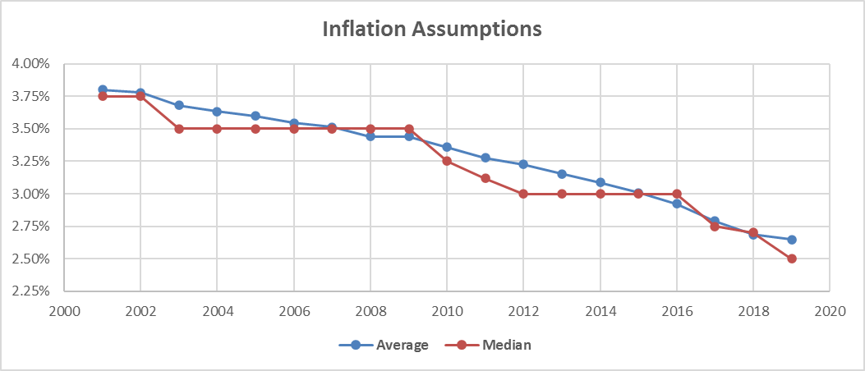
Price Inflation Assumption
Current | 2.75%
Recommended | 2.40%
Investment Return
Background
The assumed investment return is one of the most significant assumptions in the annual actuarial valuation process as it is used to discount the expected benefit payments for all active, inactive and retired members. Minor changes in this assumption can have a major impact on valuation results. The investment return assumption should reflect the asset allocation target for the funds set by the Board of Trustees.
The current assumption is 7.75%, consisting of a price inflation assumption of 2.75% and a real rate of return assumption of 5.00%.
Long Term Perspective
Because the economy is constantly changing, assumptions about what may occur in the near term are volatile. Asset managers and investment consultants usually focus on this near-term horizon in order to make prudent choices regarding how to invest the trust funds. For actuarial calculations, we typically consider very long periods of time. For example, a newly, hired employee who is 25 years old may work for 35 years, to age 60, and live another 30 years, to age 90 (or longer). The retirement system would receive contributions for the first 35 years and then pay out benefits for the next 30 years. During the entire 65-year period, the system is investing assets related to the member. For such a typical career employee, more than one-half of the investment income earned on assets accumulated to pay benefits is received after the employee retires. In addition, in an open, ongoing system like PERS, the stream of benefit payments is continually increasing as new hires replace current members who leave covered employment due to death, termination of employment, and retirement. This difference in the time horizon used by actuaries and investment consultants is frequently a source of debate and confusion when setting economic assumptions.
Past Experience
One of the inherent problems with analyzing historical data is that the results can look significantly different depending on the timeframe used, especially if the year-to-year results vary widely. In addition, the asset allocation can also impact the investment returns so comparing results over long periods when different asset allocations were in place may not be meaningful.
The assets for PERS are valued using a widely accepted asset-smoothing methodology that fully recognizes the expected investment income and also recognizes 20% of each year’s investment gain or loss (the difference between actual and expected investment income). The recent experience over the last five years is shown in the table below.

Table 11
Horizon Survey 10-year horizon
Time Span In Years | Mean Real Return | Standard Deviation | Real Returns by Percentile
 |  |  | 5th | 25th | 50th | 75th | 95th
1 | 5.21% | 13.04% | -14.72% | -3.87% | 4.47% | 13.54% | 27.99%
5 | 4.57% | 5.78% | -4.60% | 0.65% | 4.47% | 8.44% | 14.40%
10 | 4.49% | 4.08% | -2.02% | 1.76% | 4.47% | 7.26% | 11.40%
20 | 4.45% | 2.88% | -0.16% | 2.55% | 4.47% | 6.44% | 9.33%
30 | 4.44% | 2.35% | 0.67% | 2.90% | 4.47% | 6.07% | 8.42%
40 | 4.43% | 2.04% | 1.17% | 3.11% | 4.47% | 5.86% | 7.88%
50 | 4.43% | 1.82% | 1.52% | 3.25% | 4.47% | 5.71% | 7.52%
Horizon Survey 20-year horizon
Time Span In Years | Mean Real Return | Standard Deviation | Real Returns by Percentile
 |  |  | 5th | 25th | 50th | 75th | 95th
1 | 5.91% | 13.04% | -14.04% | -3.17% | 5.18% | 14.25% | 28.68%
5 | 5.27% | 5.78% | -3.90% | 1.36% | 5.18% | 9.14% | 15.10%
10 | 5.19% | 4.08% | -1.32% | 2.46% | 5.18% | 7.96% | 12.10%
20 | 5.15% | 2.88% | 0.54% | 3.25% | 5.18% | 7.18% | 10.03%
30 | 5.14% | 2.35% | 1.37% | 3.60% | 5.18% | 6.78% | 9.12%
40 | 5.13% | 2.04% | 1.87% | 3.81% | 5.18% | 6.56% | 8.58%
50 | 5.13% | 1.82% | 2.22% | 3.95% | 5.18% | 6.41% | 8.22%
As you can see from the two tables above, setting a real return assumption depends on the time horizon a plan seeks. The 20-year horizon is approximately 0.70% higher at all percentiles than the 10-year horizon. While PERS is a long-term vehicle expected to pay benefits to its retirees for many years in the future, a high percentage of the present value of the benefits is determined within the next ten to fifteen years, so the real return recommendation should fall within the bands shown in the 50th percentile columns in the three tables above.
Peer Comparison
The following chart shows the nominal investment return assumptions of 129 plans in the National Association of State Retirement Administrators (NASRA). The assumptions shown below are as of March 2021 and are updated frequently by the NASRA staff.
 |  | 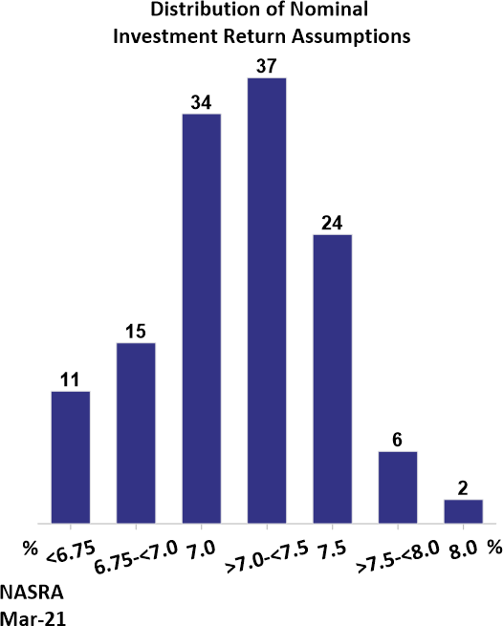
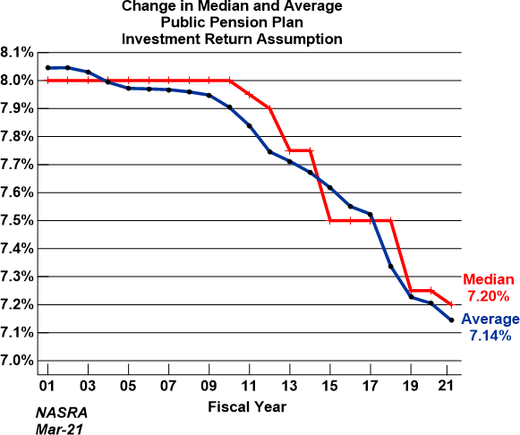
The following chart shows the changes in expected investment return assumption from the NASRA public plan survey over the last 20 years from 2001.

Table 27
COMPARISON OF ACTUAL AND EXPECTED RETIREMENTS
Retirements with 25 or more years of service
AGE OF GROUP | NUMBER OF RETIREMENTS
 | MALES |  |  | FEMALES
 | Actual | Expected | Ratio of Actual to Expected | Actual | Expected | Ratio of Actual to Expected
Below 48 | 178 | 133 | 1.338 | 131 | 104 | 1.260
48-51 | 528 | 393 | 1.344 | 766 | 624 | 1.228
52 | 170 | 135 | 1.259 | 229 | 207 | 1.106
53 | 158 | 113 | 1.398 | 260 | 239 | 1.088
54 | 167 | 151 | 1.106 | 279 | 252 | 1.107
55 | 179 | 178 | 1.006 | 332 | 310 | 1.071
56 | 184 | 180 | 1.022 | 336 | 301 | 1.116
57 | 172 | 159 | 1.082 | 336 | 321 | 1.047
58 | 158 | 138 | 1.145 | 341 | 321 | 1.062
59 | 144 | 138 | 1.043 | 356 | 368 | 0.967
60 | 167 | 166 | 1.006 | 341 | 364 | 0.937
61 | 168 | 173 | 0.971 | 381 | 400 | 0.953
62 | 227 | 256 | 0.887 | 452 | 537 | 0.842
63 | 144 | 174 | 0.828 | 309 | 346 | 0.893
64 | 116 | 144 | 0.806 | 268 | 295 | 0.908
65 | 184 | 160 | 1.150 | 312 | 316 | 0.987
66 | 121 | 123 | 0.984 | 185 | 188 | 0.984
67 | 69 | 70 | 0.986 | 105 | 110 | 0.955
68 | 60 | 60 | 1.000 | 62 | 66 | 0.939
69 | 43 | 49 | 0.878 | 53 | 54 | 0.981
70 | 50 | 44 | 1.136 | 52 | 40 | 1.300
71 | 31 | 28 | 1.107 | 34 | 39 | 0.872
72 | 20 | 20 | 1.000 | 27 | 24 | 1.125
73 | 15 | 17 | 0.882 | 25 | 17 | 1.471
74 | 15 | 19 | 0.789 | 16 | 11 | 1.455
Subtotal | 3,468 | 3,221 | 1.077 | 5,988 | 5,854 | 1.023
75 & Over | 89 | 346 | 0.257 | 56 | 243 | 0.230
GRAND TOTAL | 3,557 | 3,567 | 0.997 | 6,044 | 6,097 | 0.991
The following graphs show a comparison of the present, actual, and proposed rates of service retirements.
RATES OF RETIREMENT FOR ACTIVE MEMBERS WITH LESS THAN 25 YEARS OF SERVICE
Retirement Rates - Svc < 25 - Males 0.3500 0.3000 0.2500 0.2000 0.1500 0.1000 0.0500 0.0000 60 61 62 63 64 65 66 67 68 69 70 71 72 73 74 75 76 77 78 79 AGE Actual Rate Expected Rate Proposed Rate
Retirement Rates - Svc >= 25 - Males
0.4000
0.3500
0.3000
0.2500
0.2000
0.1500
0.1000
0.0500
0.0000
AGE
Actual Rate
Expected Rate
Proposed Rate
Retirement Rates - Svc < 25 - Females 0.3500 0.3000 0.2500 0.2000 0.1500 0.1000 0.0500 0.0000 60 61 62 63 64 65 66 67 68 69 70 71 72 73 74 75 76 77 78 79 AGE Actual Rate Expected Rate Proposed Rate
RATES OF RETIREMENT FOR ACTIVE MEMBERS WITH 25 OR MORE YEARS OF SERVICE

Retirement Rates - Svc >= 25 - Females
0.4500
0.4000
0.3500
0.3000
0.2500
0.2000
0.1500
0.1000
0.0500
0.0000
AGE
Actual Rate
Expected Rate
Proposed Rate

