Sheet1
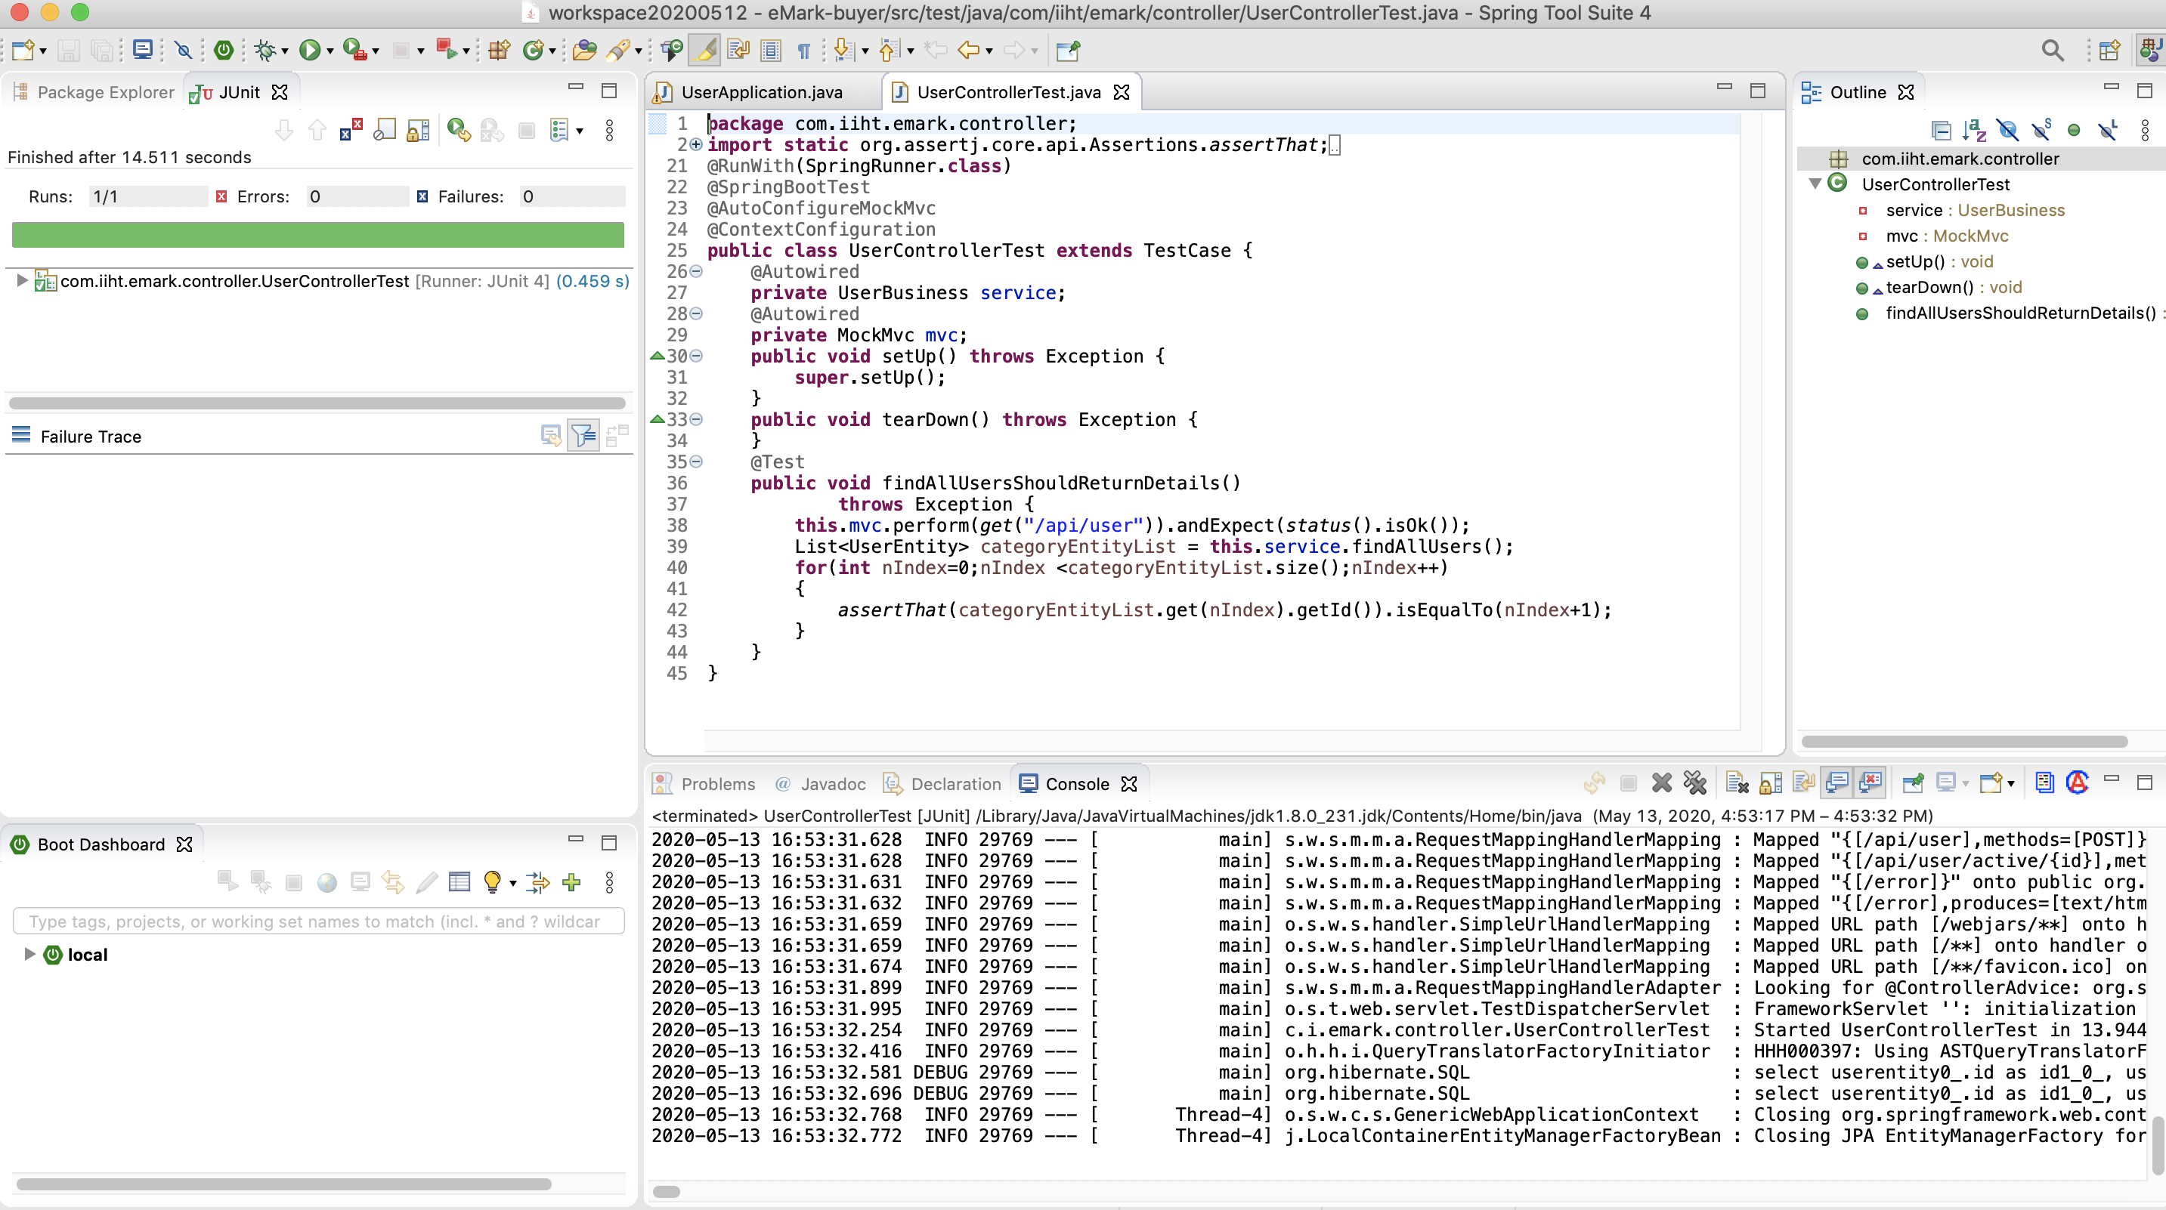
UserApplication Start:
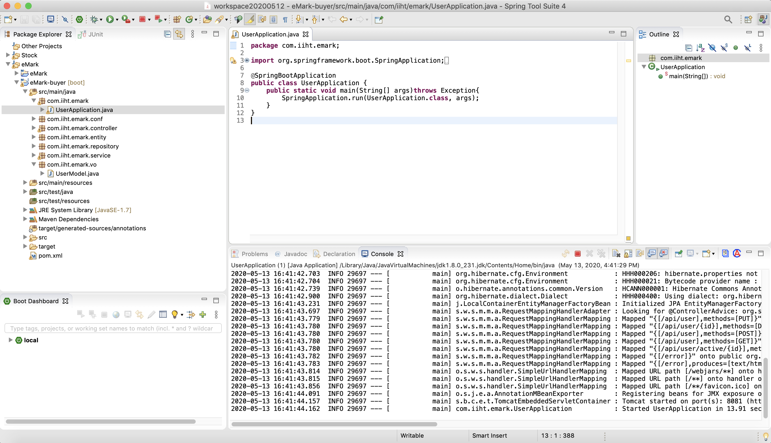

The data of s_user's table:
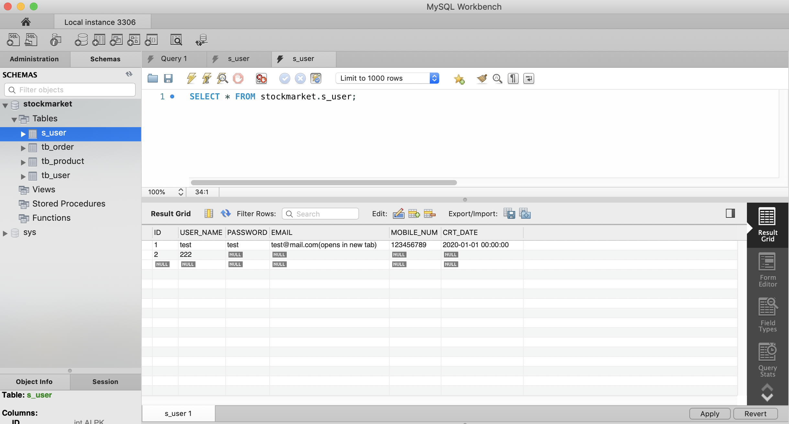

http://localhost:8081/api/user

Test class of UserController:

