Sheet1
 |  | /etc/group

 |  | useradd steven | them user
 |  | usermod steven -aG wheel | thay doi quyen user
 |  | cat /etc/group | kiem tra xem da them vao group wheel hay chua
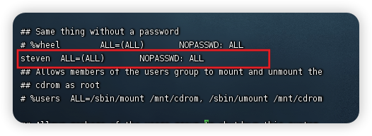
 |  | visudo

rpm | -qa

 |  | ssh root@47.243.140.212

 | SSH key | ssh-copy-id -i ~/.ssh/id_rsa.pub root@16.163.108.190

