Sheet1
Tạo user cho prometheus |  | useradd --no-create-home --shell /bin/false node_exporter

 | cd /opt
 |  | wget https://github.com/prometheus/node_exporter/releases/download/v0.18.1/node_exporter-0.18.1.linux-amd64.tar.gz

 |  | tar xvf node_exporter-0.18.1.linux-amd64.tar.gz

 |  | cp node_exporter-0.18.1.linux-amd64/node_exporter /usr/local/bin

 |  | chown node_exporter:node_exporter /usr/local/bin/node_exporter

 |  | rm -rf node_exporter-0.18.1.linux-amd64*
 | cd -

Bước 3: Chạy exporter dưới systemd |  | cat <<EOF > /etc/systemd/system/node_exporter.service [Unit] Description=Node Exporter Wants=network-online.target After=network-online.target [Service] User=node_exporter Group=node_exporter Type=simple ExecStart=/usr/local/bin/node_exporter [Install] WantedBy=multi-user.target EOF

Khởi động service: |  | systemctl daemon-reload
 |  | systemctl start node_exporter
 |  | systemctl enable node_exporter

done |  | http://172.16.72.173:9100
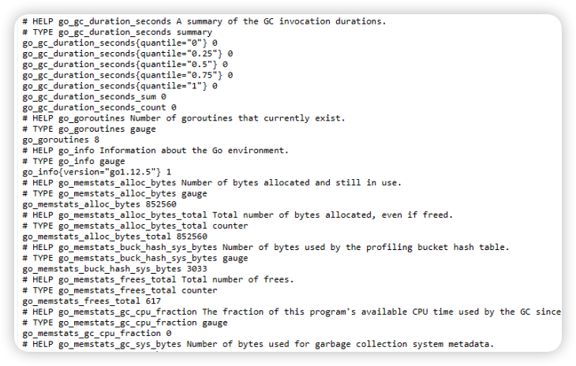

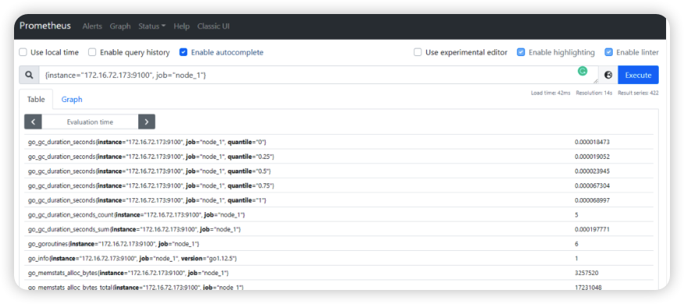
systemctl restart prometheus

Grafana 1860 版本

node port | 9100
prometheus port | 9090
Grafana 1860 版本 | 3000

