Sheet1
Restart | [Jenkins URL]/safeRestart |  | Jenkins 密码在本地路径 | /Users/steven/.jenkins/secrets/initialAdminPassword | 6fd3b54d19864361b0dc447395cc8b7f

 |  |  | http://localhost:8080/

 |  | 用户名 | steven
 |  | 密码 | Duyan123
 |  | 全名 | steven nguyen
 |  | 电子邮件地址 | duyannguyen025@gmail.com

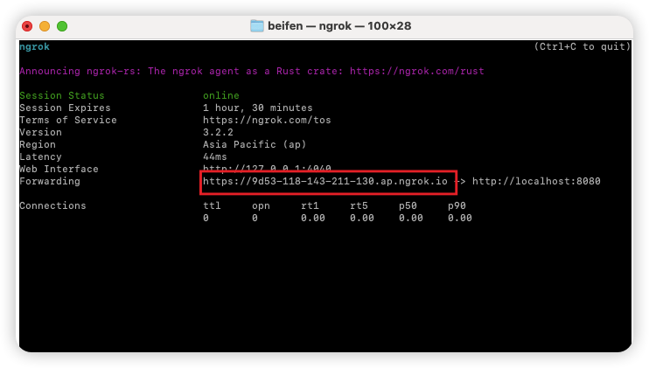

 | dowload | ngrok | brew install ngrok

 |  |  | ngrok http 8080 | lay link cua host 8080

 |  |  | https://9d53-118-143-211-130.ap.ngrok.io

 |  |  | lấy link xong cktra có fangwen đc ko
 |  |  | nếu báo lỗi 6022 thì đăng nhập vô trang chủ ngrok lấy mã auth

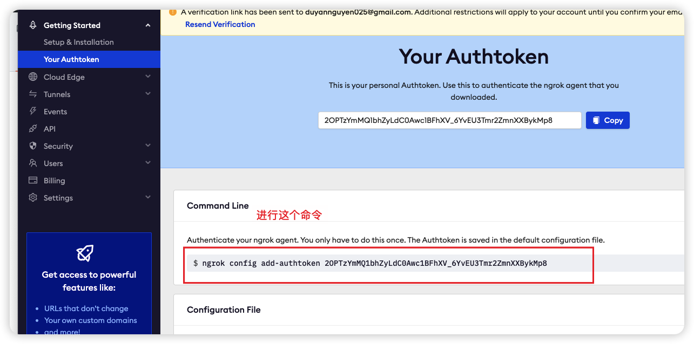
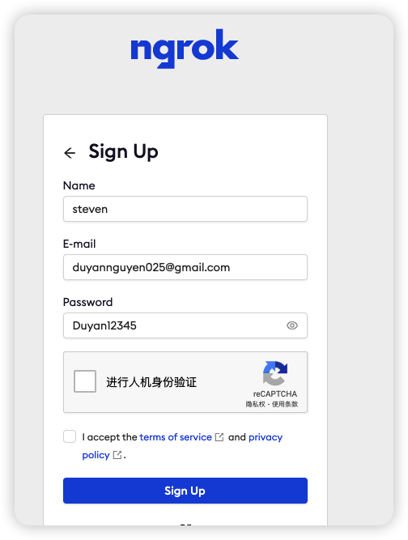

 | tại github thiết lâp liên kết với jenkins
 | sau khi lấy link từ ngrok

 | add link + thêm /github-webhook/
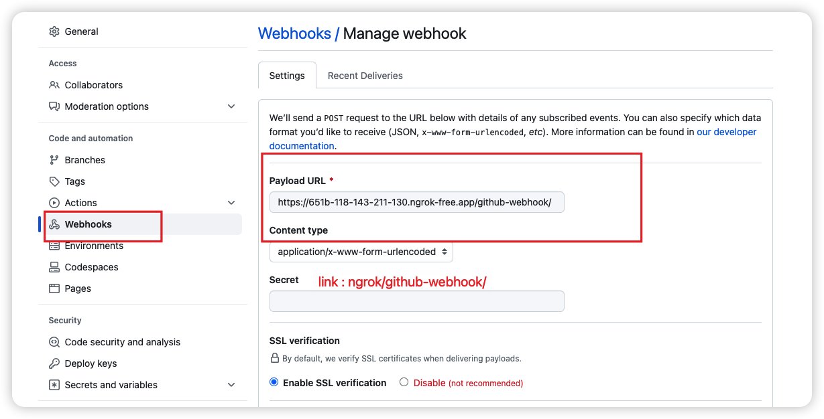

 | thiết lập ở jenkins nếu dán link github repo bị lỗi
 | cách giải quyết
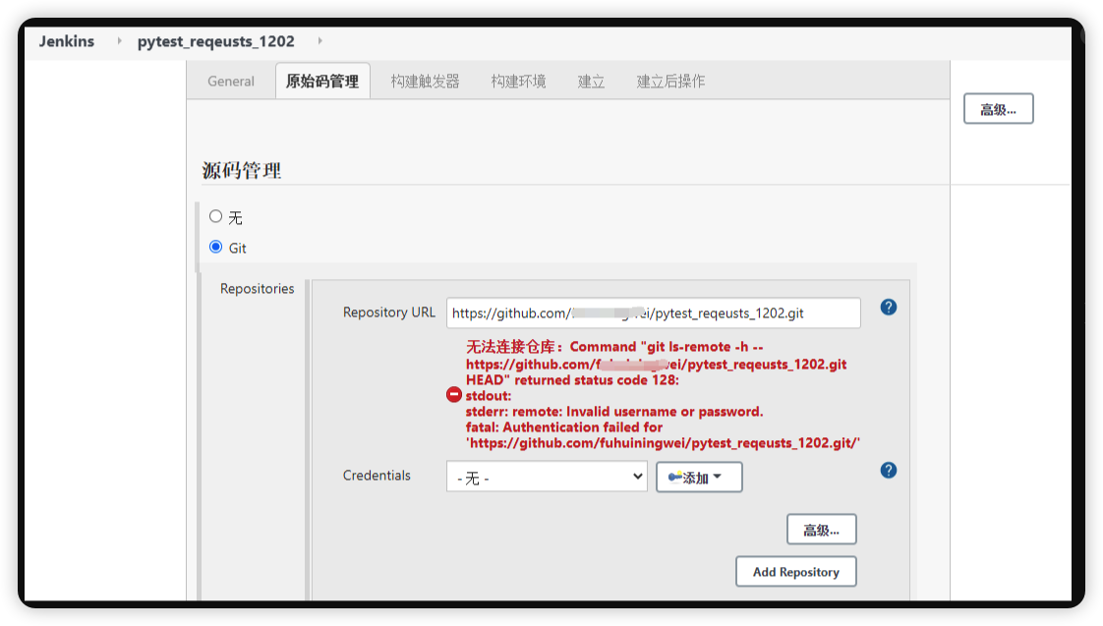
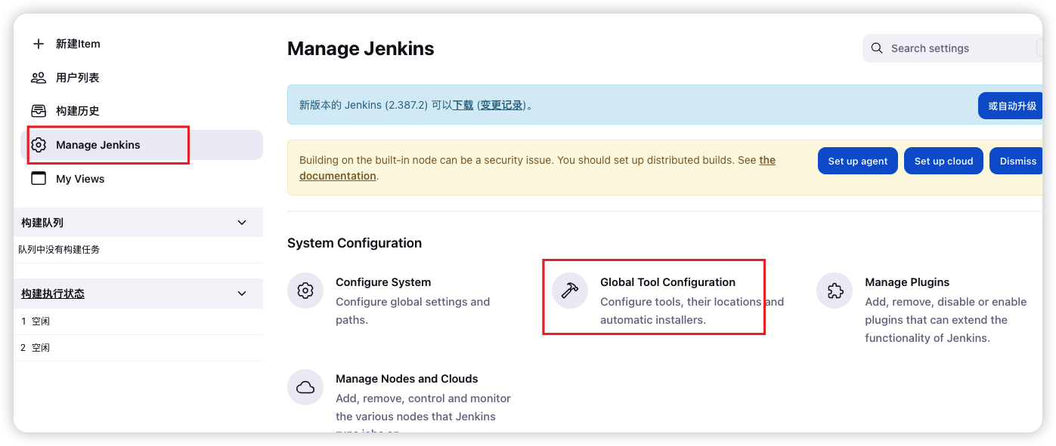

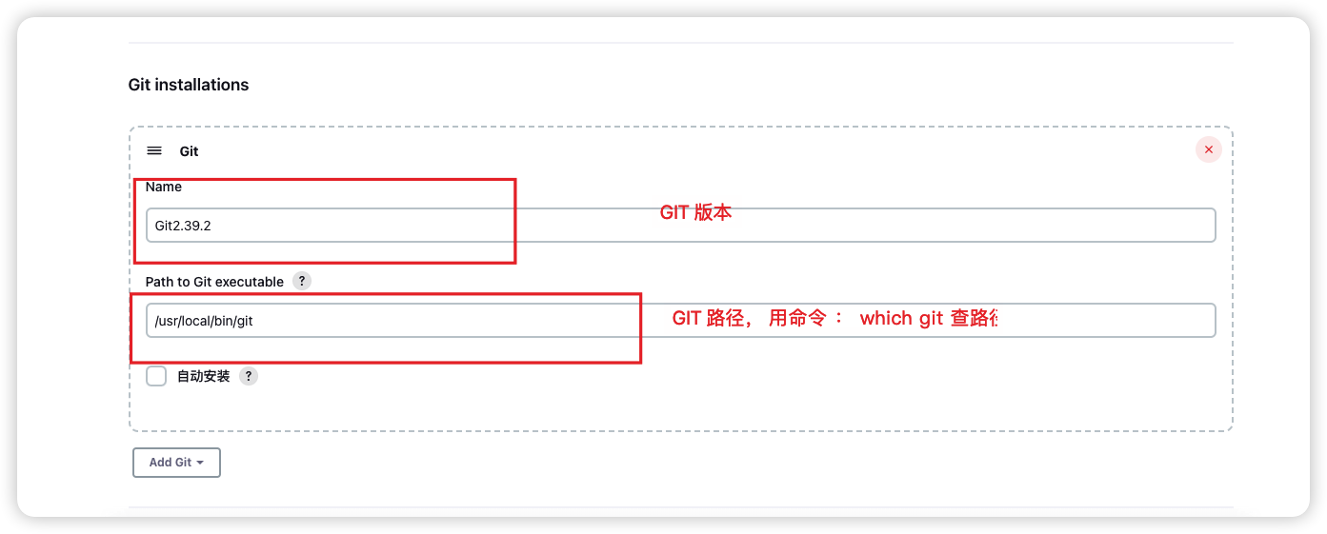

 | để đường link url hoạt động khi tắt terminal

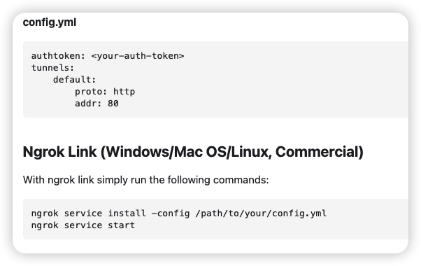
 | tạo một fiele config.yml
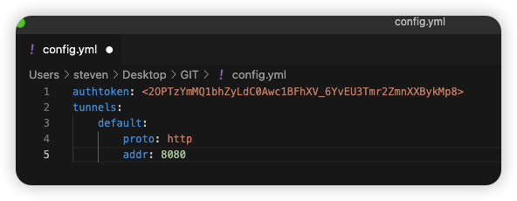

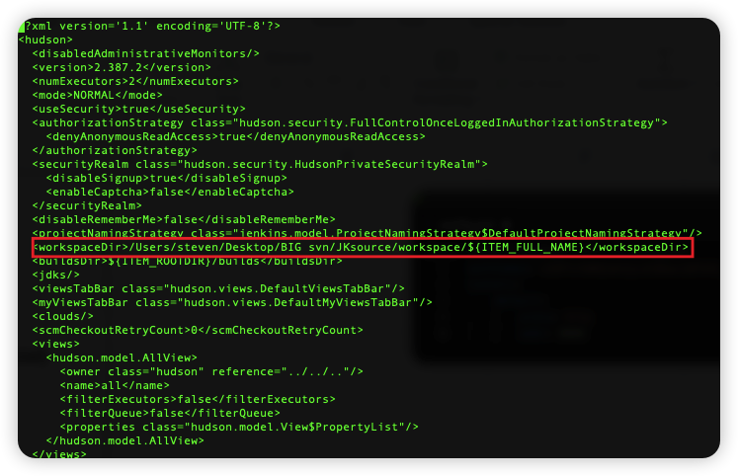

 | 更换JENKINS workspace 路径 vim Users/steven/.jenkins/config.xml

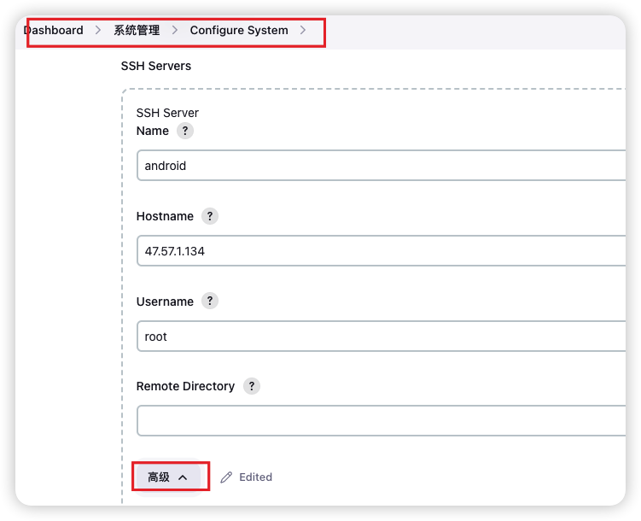
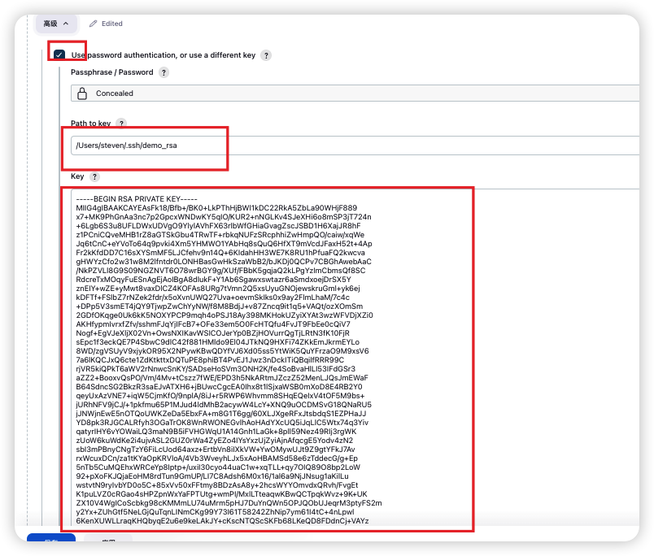

 | thêm SSH server khác vào

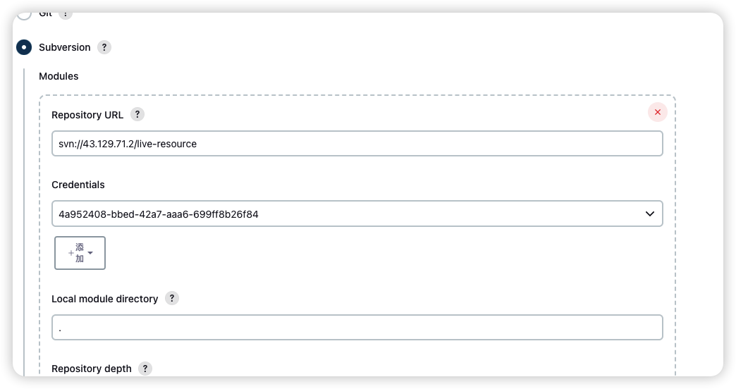

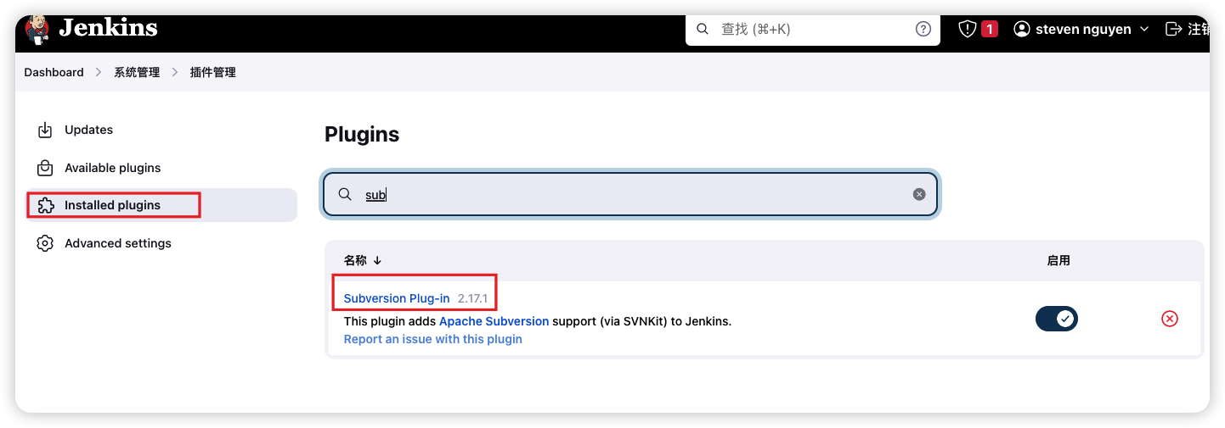

 | jenkins liên kết với svn

Dowload jenkins Centos
 |  |  | upstream jenkins{ keepalive 32; # keepalive connections server 127.0.0.1:8080; # jenkins ip and port } # Required for Jenkins websocket agents map $http_upgrade $connection_upgrade { default upgrade; '' close; } server { listen 80; # Listen on port 80 for IPv4 requests server_name jenkins.tqzhibo.info; # replace 'jenkins.example.com' with your server domain name # this is the jenkins web root directory # (mentioned in the output of "systemctl cat jenkins") root /var/lib/jenkins/%C/jenkins/war/; access_log /var/log/nginx/jenkins.access.log; error_log /var/log/nginx/jenkins.error.log; # pass through headers from Jenkins that Nginx considers invalid ignore_invalid_headers off; location ~ "^/static/[0-9a-fA-F]{8}\/(.*)$" { # rewrite all static files into requests to the root # E.g /static/12345678/css/something.css will become /css/something.css rewrite "^/static/[0-9a-fA-F]{8}\/(.*)" /$1 last; } } server { listen 443 ssl; server_name tqzhibo.info; root /var/lib/jenkins/%C/jenkins/war/; ssl_certificate /etc/nginx/cert/tqzhibo.info.pem; ssl_certificate_key /etc/nginx/cert/tqzhibo.info.key; ssl_session_cache builtin:1000 shared:SSL:10m; ssl_protocols TLSv1 TLSv1.1 TLSv1.2; ssl_ciphers HIGH:!aNULL:!eNULL:!EXPORT:!CAMELLIA:!DES:!MD5:!PSK:!RC4; ssl_prefer_server_ciphers on; access_log /var/log/nginx/jenkins.access.log; location /userContent { # have nginx handle all the static requests to userContent folder # note : This is the $JENKINS_HOME dir root /var/lib/jenkins/; if (!-f $request_filename){ # this file does not exist, might be a directory or a /**view** url rewrite (.*) /$1 last; break; } sendfile on; } location / { sendfile off; proxy_pass http://jenkins ; proxy_redirect default; proxy_http_version 1.1; # Required for Jenkins websocket agents
 | sudo wget -O /etc/yum.repos.d/jenkins.repo \ https://pkg.jenkins.io/redhat/jenkins.repo

 | sudo rpm --import https://pkg.jenkins.io/redhat/jenkins.io-2023.key
 | sudo yum upgrade
 | # Add required dependencies for the jenkins package
 | sudo yum install java-11-openjdk
 | sudo yum install jenkins

 | set up jenkins with Nginx
 | https://www.jenkins.io/doc/book/system-administration/reverse-proxy-configuration-with-jenkins/reverse-proxy-configuration-nginx/

 | root /var/run/jenkins/war/ | tìm ra chính xác đường dẫn của file "war"

 | /var/lib/jenkins/%C/jenkins/war/;
 | systemctl edit jenkins | [Service] Environment="JENKINS_PREFIX=/jenkins"

 | setenforce permissive

 | jenkins tích hợp với git update file index.html
 |  |  | rsync -vzrtopg --delete -e "ssh -i /Users/steven/.ssh/demo_rsa" root@47.57.1.134:/var/www/release/live/ /Users/steven/Desktop/BIG-svn/JKsource/workspace/Android
shell at jenkins | bash /home/admin/abc.sh
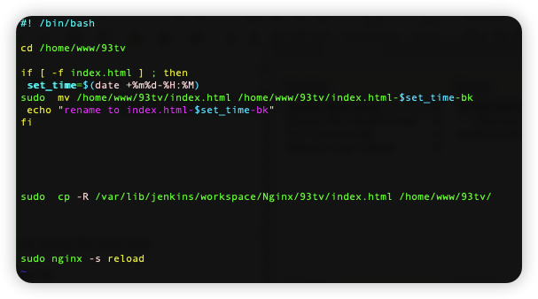
 |  |  | dùng key đông bộ file từ server khác

