Information
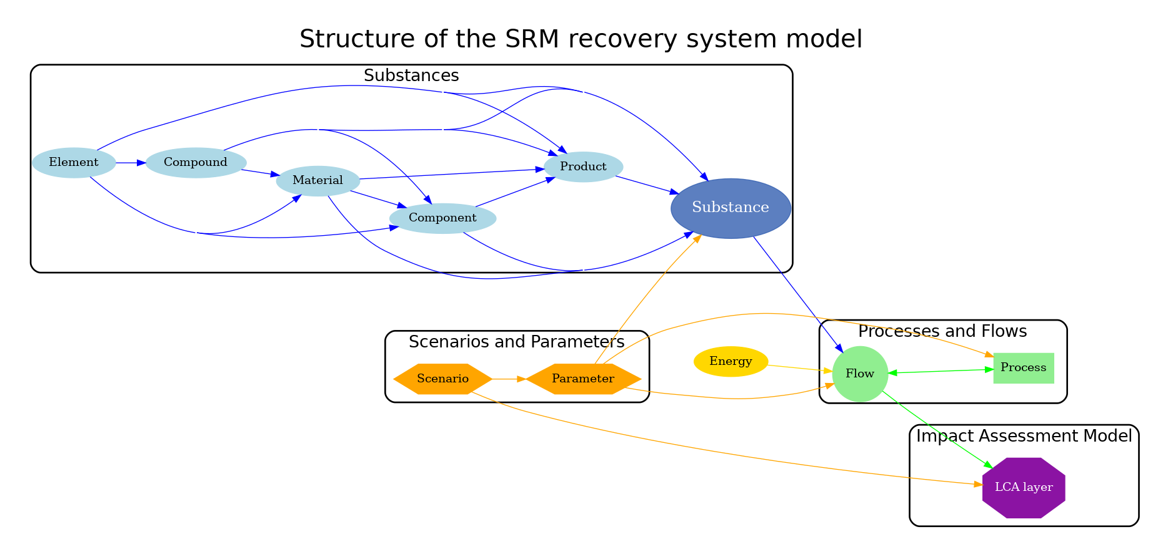
This file contains the list of all processes. Please fill in the information for each process each process must also have a datasheet with complete information about its flows and parameters

The processes should contain the following information:
1. Name
2. Code
3. Category
4. Subcategory
5. Tags
6. Notes
7. Datasheet link

The template for the process datasheet is in the separate file in the templates folder
Process datasheet template

