Information
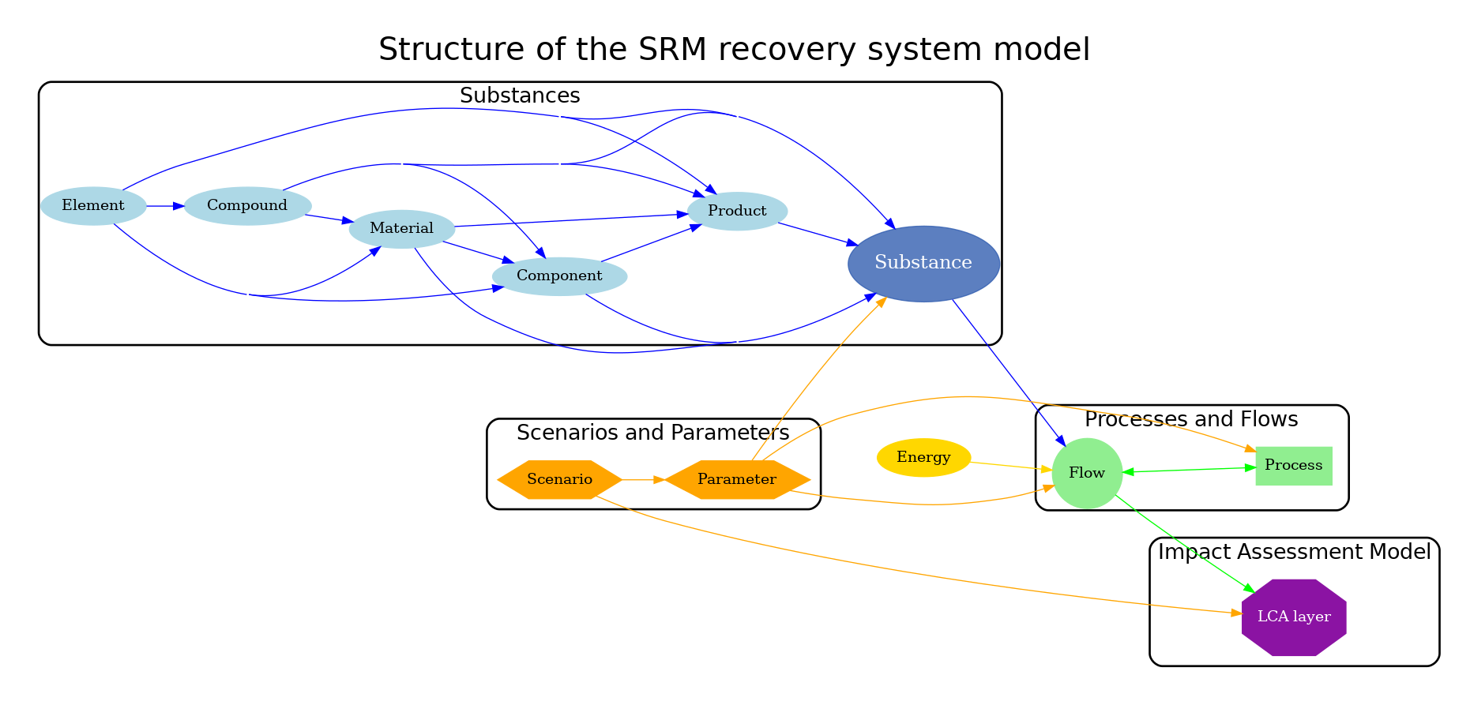
This file contains the templates for parameter class. Please fill in the information for each each parameter must also have a datasheet with complete information

The parameters should contain the following information:

The template for the process datasheet is in the separate file in the templates folder
Process datasheet template

