Information
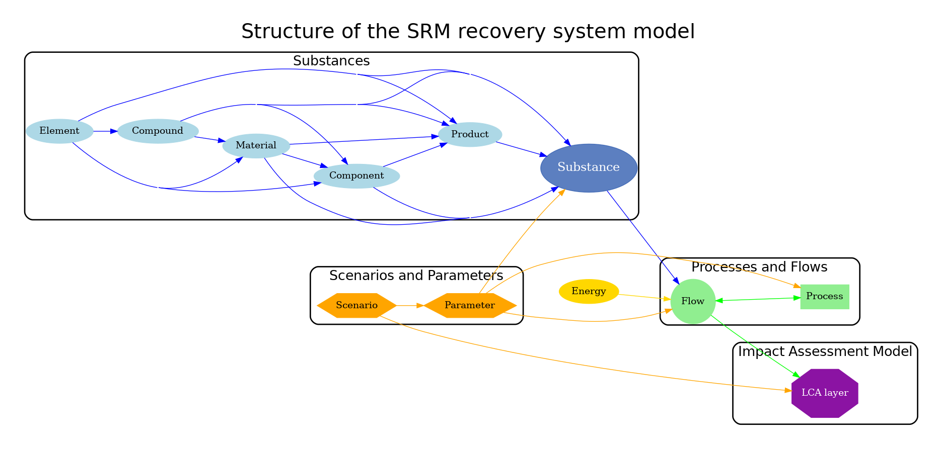
This file contains the templates for the different substance classes. Please fill in the information for each substance in the corresponding sheet.
The following substance classes are available:
1. Elements
2. Compounds
3. Materials
4. Components
5. Products

 | S

