Information
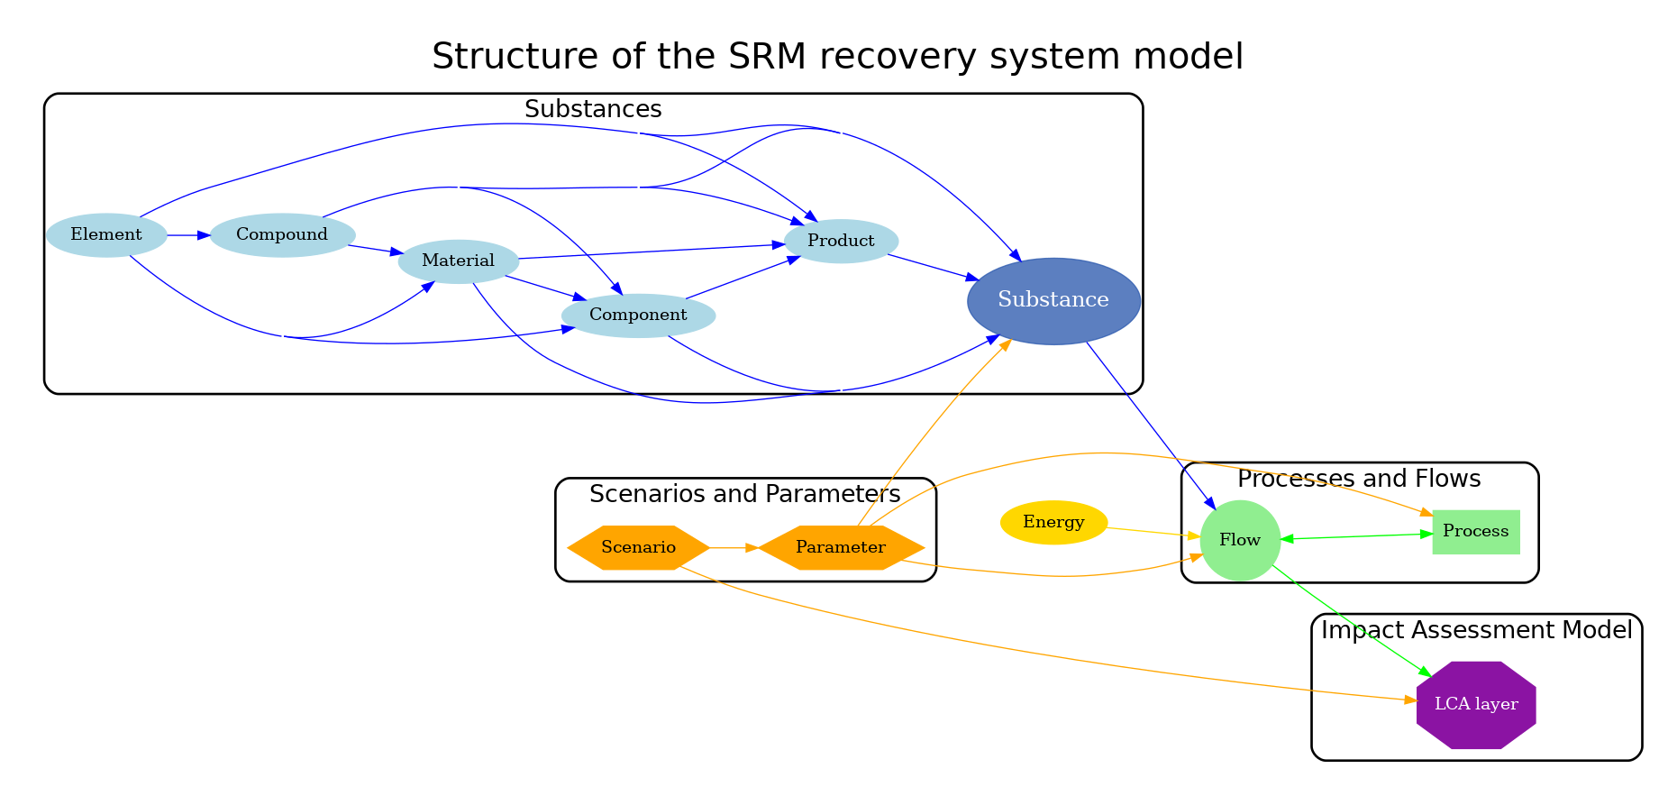
This file contains the templates for the processes. Please fill in the information for each substance in the corresponding sheet.
Each process should have it’s own data sheet

