Simple
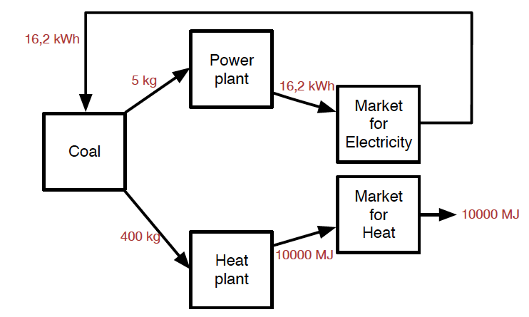
A matrix |  | coal production | power plant | heat plant | market for electricity | market for heat | Final consumption
coal | kg | 1 | -0.4 | -0.4 | 0 | 0 | 0
electricity, power plant | kWh | 0 | 1.3 | 0 | -1.3 | 0 | 0
heat, heat plant | MJ | 0 | 0 | 10 | 0 | -10 | 0
electricity, market | kWh | -0.04 | 0 | 0 | 1.3 | 0 | 0
heat, market | MJ | 0 | 0 | 0 | 0 | 10 | 10000
CO2 | kg | 0.34 | 0.84 | 0.84 | 0 | 0 | 988.16199377

Identity matrix
 |  | 1 | 0 | 0 | 0 | 0
 |  | 0 | 1 | 0 | 0 | 0
 |  | 0 | 0 | 1 | 0 | 0
 |  | 0 | 0 | 0 | 1 | 0
 |  | 0 | 0 | 0 | 0 | 1

A matrix, scaled | A(diag(A-1f)) | coal production | power plant | heat plant | market for electricity | market for heat
coal | kg | 405 | -5 | -400 | 0 | 0
electricity, power plant | kWh | 0 | 16 | 0 | -16 | 0
heat, heat plant | MJ | 0 | 0 | 10000 | 0 | -10000
electricity, market | kWh | -16 | 0 | 0 | 16 | 0
heat, market | MJ | 0 | 0 | 0 | 0 | 10000

Expanded_conseq
Unallocated A matrix |  | coal production | power plant | heat plant | market for electricity | market for heat | heat cogeneration
coal | kg | 1 | -0.4 | -0.4 | 0 | 0 | -0.4 | Final consumption
electricity, power plant | kWh | 0 | 1.3 | 0 | -1.3 | 0 | 0 | 0
heat, heat plant | MJ | 0 | 0 | 10 | 0 | -10 | 0 | 0
electricity, market | kWh | -0.04 | 0 | 0 | 2.6 | 0 | 0 | 0
heat, market | MJ | 0 | 0 | 0 | 0 | 15 | 0 | 10000
heat, cogeneration | MJ | 0 | 0 | 0 | 0 | -5 | 5 | 0
electricity, cogeneration | kWh | 0 | 0 | 0 | -1.3 | 0 | 1.3 | 0
CO2 |  | 0.34 | 0.84 | 0.84 | 0 | 0 | 0.84 | BA-1f
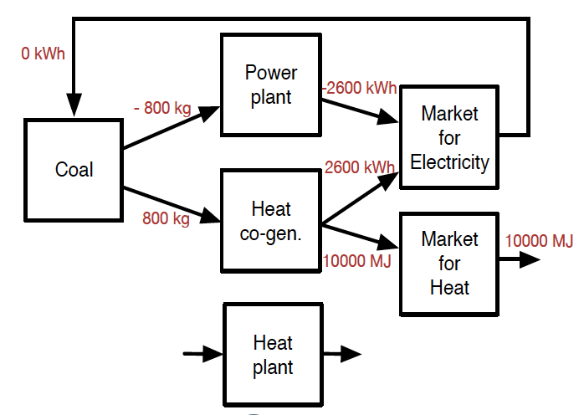

Consequential A matrix |  | coal production | power plant | heat plant | market for electricity | market for heat | heat cogeneration | Final consumption
coal | kg | 1 | -0.4 | -0.4 | 0 | 0 | -0.4 | 0
electricity, power plant | kWh | 0 | 1.3 | 0 | -2.6 | 0 | 0 | 0
heat, heat plant | MJ | 0 | 0 | 10 | 0 | 0 | 0 | 0
electricity, market | kWh | -0.04 | 0 | 0 | 2.6 | 0 | 1.3 | 0
heat, market | MJ | 0 | 0 | 0 | 0 | 15 | 0 | 10000
heat, cogeneration | MJ | 0 | 0 | 0 | 0 | -15 | 5 | 0
electricity, cogeneration | kWh | 0 | 0 | 0 | -1.3 | 0 | 1.3 | 0
CO2 |  | 0.34 | 0.84 | 0.84 | 0 | 0 | 0.84 | 0

Identity matrix
 |  | 1 | 0 | 0 | 0 | 0 | 0
 |  | 0 | 1 | 0 | 0 | 0 | 0
 |  | 0 | 0 | 1 | 0 | 0 | 0
 |  | 0 | 0 | 0 | 1 | 0 | 0
 |  | 0 | 0 | 0 | 0 | 1 | 0
 |  | 0 | 0 | 0 | 0 | 0 | 1

Consequential matrix, scaled | A(diag(A-1f)) | coal production | power plant | heat plant | market for electricity | market for heat | heat cogeneration
coal | kg | 0 | 800 | 0 | 0 | 0 | -800
electricity, power plant | kWh | 0 | -2600 | 0 | 2600 | 0 | 0
heat, heat plant | MJ | 0 | 0 | 0 | 0 | 0 | 0
electricity, market | kWh | 0 | 0 | 0 | -2600 | 0 | 2600
heat, market | MJ | 0 | 0 | 0 | 0 | 10000 | 0
heat, cogeneration | MJ | 0 | 0 | 0 | 0 | -10000 | 10000

Expanded_attr
Unallocated A matrix |  | coal production | power plant | heat plant | market for electricity | market for heat | heat cogeneration
coal | kg | 1 | -0.4 | -0.4 | 0 | 0 | -0.4 | Final consumption
electricity, power plant | kWh | 0 | 1.3 | 0 | -1.3 | 0 | 0 | 0
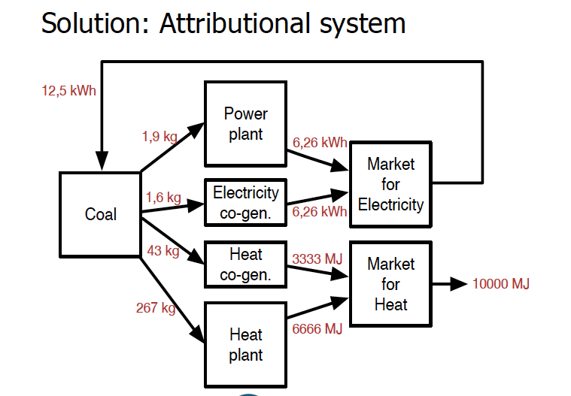
heat, heat plant | MJ | 0 | 0 | 10 | 0 | -10 | 0 | 0
electricity, market | kWh | -0.04 | 0 | 0 | 2.6 | 0 | 0 | 0
heat, market | MJ | 0 | 0 | 0 | 0 | 15 | 0 | 10000
heat, cogeneration | MJ | 0 | 0 | 0 | 0 | -5 | 5 | 0
electricity, cogeneration | kWh | 0 | 0 | 0 | -1.3 | 0 | 1.3 | 0
CO2 |  | 0.34 | 0.84 | 0.84 | 0 | 0 | 0.84 | BA-1f

Consequential A matrix |  | coal production | power plant | heat plant | market for electricity | market for heat | heat cogeneration (partiotioned) | heat cogeneration (partitioned) | Final consumption
coal | kg | 1 | -0.4 | -0.4 | 0 | 0 | -0.06 | -0.34 | 0 | Exergy (MJ): | Allocation shares: | Exergy of heat: | °C | °K
electricity, power plant | kWh | 0 | 1.3 | 0 | -1.3 | 0 | 0 | 0 | 0 |  |  | Unit conversion | 0.00 | 273.15
heat, heat plant | MJ | 0 | 0 | 10 | 0 | -10 | 0 | 0 | 0 |  |  | Flow temperature | 121.00 | 394.15
electricity, market | kWh | -0.04 | 0 | 0 | 2.6 | 0 | 0 | 0 | 0 |  |  | Return temperature | 50.00 | 323.15
heat, market | MJ | 0 | 0 | 0 | 0 | 15 | 0 | 0 | 10000 |  |  | Thermodynamic mean temperature | 84.33 | 357.48
heat, cogeneration | MJ | 0 | 0 | 0 | 0 | -5 | 5 | 0 | 0 |  |  | Environment temperature | 20.00 | 293.15
electricity, cogeneration | kWh | 0 | 0 | 0 | -1.3 | 0 | 0 | 1.3 | 0 | 0.900 | 0.161 | Exergy factor for heat |  | 0.180
CO2 |  | 0.34 | 0.84 | 0.84 | 0 | 0 | 0.14 | 0.70 | 764.23317036 | 4.680 | 0.839
 |  |  |  |  |  |  |  |  |  |  |  | Exergy factor for electricity (MJ/MJ) |  | 1

Identity matrix
 |  | 1 | 0 | 0 | 0 | 0 | 0 | 0
 |  | 0 | 1 | 0 | 0 | 0 | 0 | 0
 |  | 0 | 0 | 1 | 0 | 0 | 0 | 0
 |  | 0 | 0 | 0 | 1 | 0 | 0 | 0
 |  | 0 | 0 | 0 | 0 | 1 | 0 | 0
 |  | 0 | 0 | 0 | 0 | 0 | 1 | 0
 |  | 0 | 0 | 0 | 0 | 0 | 0 | 1

Consequential matrix, scaled | A(diag(A-1f)) | coal production | power plant | heat plant | market for electricity | market for heat | heat cogeneration
coal | kg | 313 | -2 | -267 | 0 | 0 | -43 | -2
electricity, power plant | kWh | 0 | 6 | 0 | -6 | 0 | 0 | 0
heat, heat plant | MJ | 0 | 0 | 6667 | 0 | -6667 | 0 | 0
electricity, market | kWh | -13 | 0 | 0 | 13 | 0 | 0 | 0
heat, market | MJ | 0 | 0 | 0 | 0 | 10000 | 0 | 0
heat, cogeneration | MJ | 0 | 0 | 0 | 0 | -3333 | 3333 | 0
 |  | 0 | 0 | 0 | -6 | 0 | 0 | 6

